SolveSheet
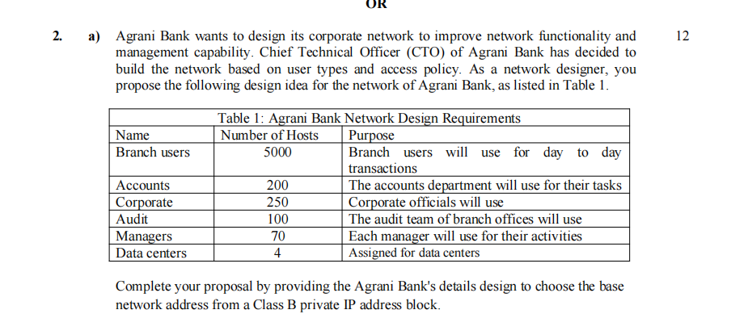
 | Name | #of Host | Net Address | Subnet | Ip range | Broadcast
 | Branch User | 5000 | 172.16.1.0/19 | 255.255.224.0 | 172.16.1.1- 172.168.31.254 | 172.16.31.255
 | Corporate | 250 | 172.16.32.0/24 | 255.255.255.0 | 172.16.32.1 - 172.16.32.254 | 172.16.32.255
 | Accounts | 200 | 172.16.33.0/24 | 255.255.255.0 | 172.16.33.1 - 172.16.33.254 | 172.16.33.255
 | Sudit | 100 | 172.16.34.0/25 | 255.255.255.128 | 172.16.34.1 - 172.16.34.126 | 172.16.34.127
 | Manager | 70 | 172.16.34.128/25 | 255.255.255.128 | 172.16.34.129 - 172.16.34.254 | 172.16.34.255
 | Data Centers | 4 | 172.16.35.0/29 | 255.255.255.248 | 172.16.35.1 - 172.16.35.6 | 172.16.35.7

i) 2001 : db8 : cab0 : 234 : 34 : 4 ::
ii) fd00 : : 1234 : 0 : 0 : 0
iii) 2001 : db8 : : 1234 : 0 : 0 : 1000
iv) 2001 : db8 : cad : 1234 : 230 : 1200 : 34 : 0

