profit_and_loss_statement_templ
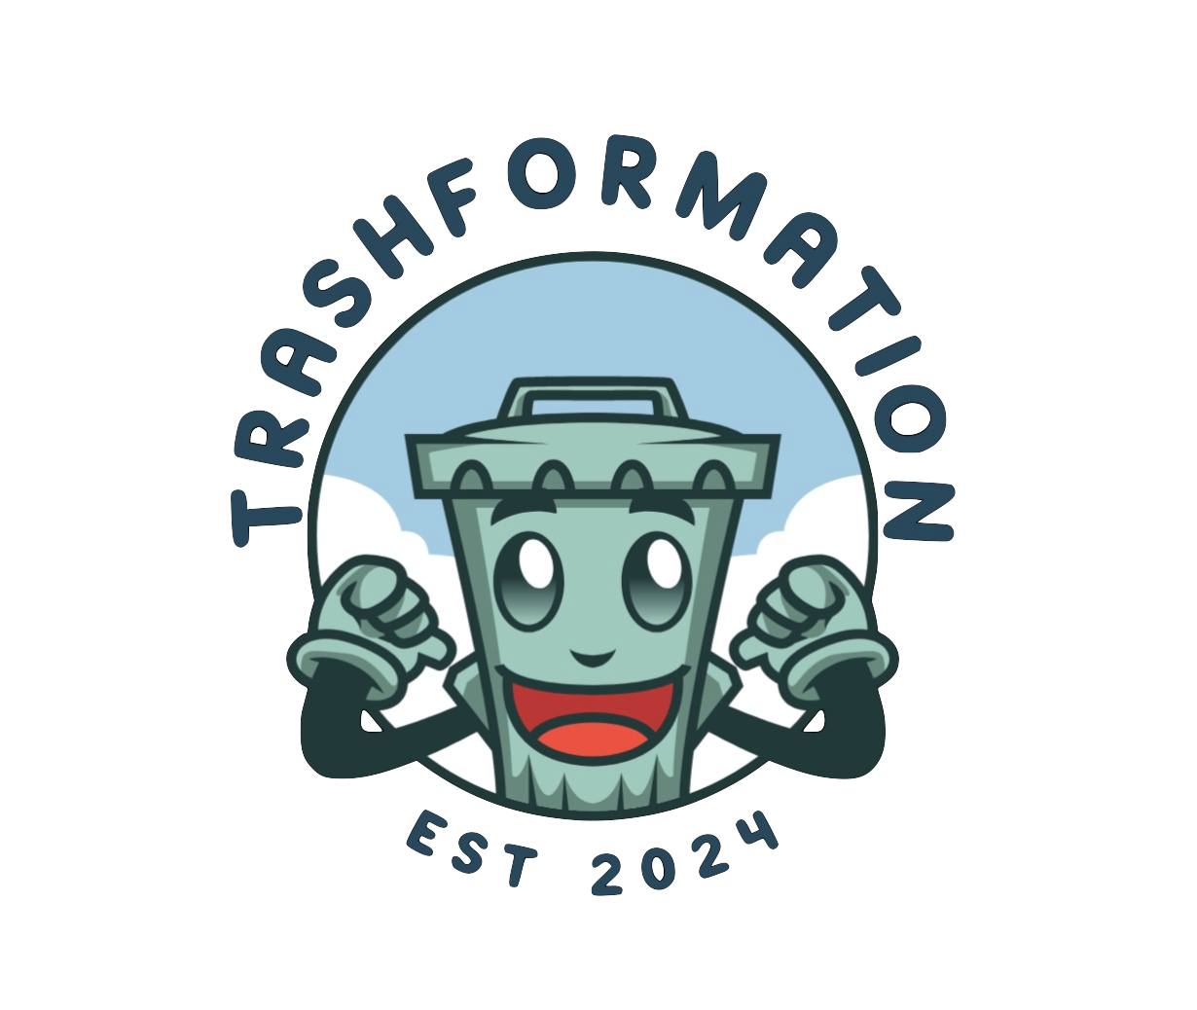
Profit and Loss statement for Trashformation | Year Ended 2024-2025 and Future Projections

 | 2025 | 2026 | 2027 | 2028 | 2029 | sales growth rate | 5.50%
Revenue | CAD 79,200.00 | CAD 83,556.00 | CAD 88,151.58 | CAD 92,999.92 | CAD 98,114.91

Cost of Goods Sold
Website and Software Maintainance | CAD 4,000.00 | CAD 4,250.00 | CAD 4,500.00 | CAD 4,750.00 | CAD 5,000.00

Gross Profit | CAD 75,200.00 | CAD 79,306.00 | CAD 83,651.58 | CAD 88,249.92 | CAD 93,114.91

Operating Expenses
Salaries and Wages | CAD 30,000.00 | CAD 33,000.00 | CAD 36,000.00 | CAD 39,000.00 | CAD 42,000.00
Rent | CAD 12,000.00 | CAD 12,500.00 | CAD 13,000.00 | CAD 13,500.00 | CAD 14,000.00
Utilities | CAD 1,000.00 | CAD 1,050.00 | CAD 1,100.00 | CAD 1,150.00 | CAD 1,200.00
Start up costs | CAD 8,500.00 | CAD 0.00 | CAD 0.00 | CAD 0.00 | CAD 0.00
Marketing Expenses | CAD 10,000.00 | CAD 9,000.00 | CAD 5,000.00 | CAD 3,000.00 | CAD 2,000.00

Total Operating Expenses | CAD 61,500.00 | CAD 55,550.00 | CAD 55,100.00 | CAD 56,650.00 | CAD 59,200.00
Operating Income | CAD 13,700.00 | CAD 23,756.00 | CAD 28,551.58 | CAD 31,599.92 | CAD 33,914.91

Taxes
Income Tax Expense | CAD 1,370.00 | CAD 2,375.60 | CAD 2,855.16 | CAD 3,159.99 | CAD 3,391.49

Net Income | CAD 12,330.00 | CAD 21,380.40 | CAD 25,696.42 | CAD 28,439.93 | CAD 30,523.42

