Sheet1
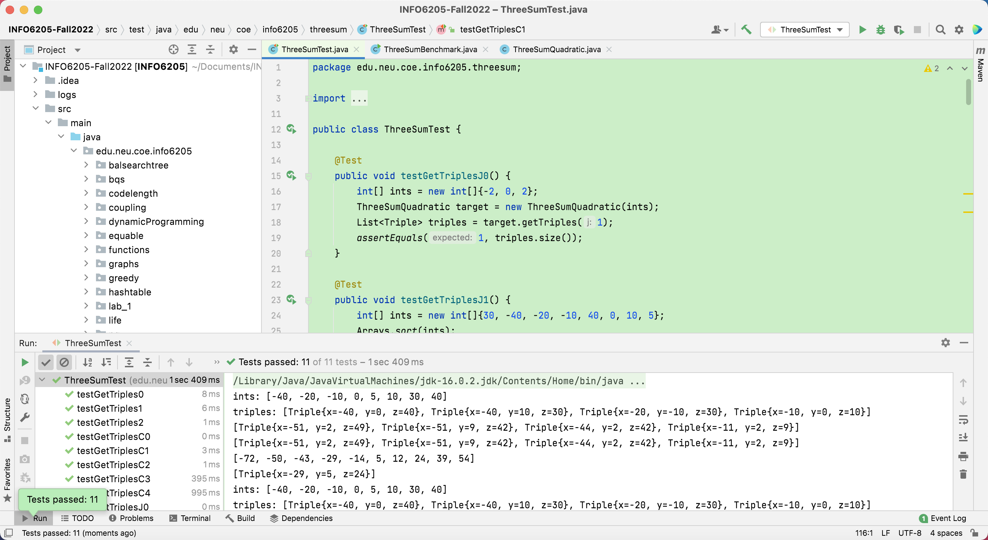
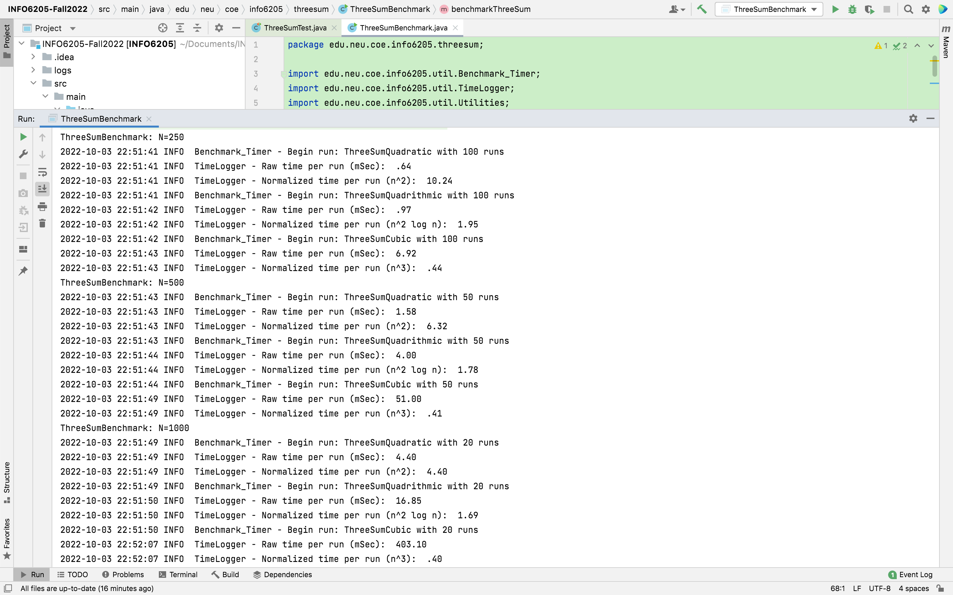
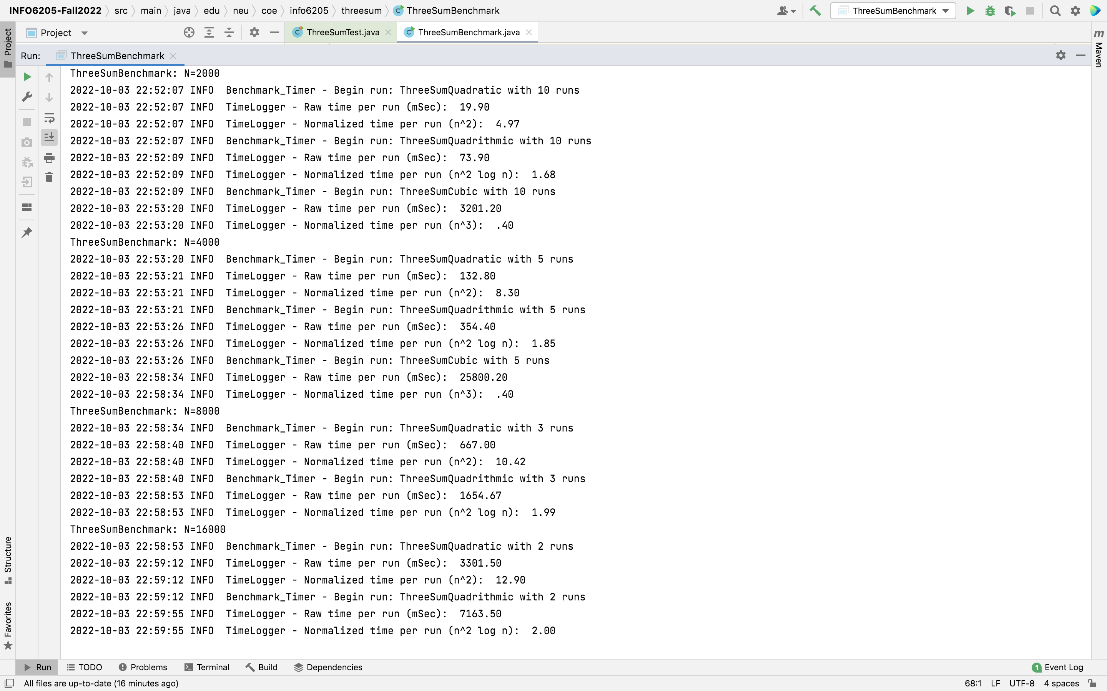
 | Quadratic | Quadrithmic | Cubic
250 | 0.64 | 0.97 | 6.92
500 | 1.58 | 4.00 | 51.00
1000 | 4.40 | 16.85 | 403.10
2000 | 19.90 | 73.90 | 3201.20
4000 | 132.80 | 354.40 | 25800.20
8000 | 667.00 | 1654.67
16000 | 3301.50 | 7163.50

Three-Sum Algorithms Time Complexity
 | Quadratic | Quadrithmic | Cubic
250 | 0.64 | 0.97 | 6.92
500 | 1.58 | 4.00 | 51.00
1000 | 4.40 | 16.85 | 403.10
2000 | 19.90 | 73.90 | 3201.20
4000 | 132.80 | 354.40 | 25800.20
8000 | 667.00 | 1654.67
16000 | 3301.50 | 7163.50

As shown by the graph, Quadratic is faster than Quadraithmic and way more faster than Cubic while N is getting bigger. That is accurate according to each algorithm's time complexity. Since Quadratic is O(n^2), which is actually a while loop inside a for loop. Therefore, Quadratic works the best.

