Sheet1
Install |  |  |  |  | Variable | Normal var | a=1 a='ali reza' a="$first_name"
Virtual |  |  |  |  |  | Command to variable |  | var=$(command)
A. Download Ubuntu Desktop LTS |  |  |  |  |  | Show variable value |  | echo $a
B. Download Virtualbox |  |  |  |  |  | declare shell variables | declare [option] var=val
1. New | 2. Name: Ubuntu |  | 3. RAM: 4GHz |  |  |  | Option | array | -a
4. Creat a virtual hard disk now |  |  | 5. VDI |  |  |  |  | function | -f
6. Hard: 25 GHz |  | 7. Start | 8. Select Ubuntu |  |  |  |  | integer | -i
C. Installing ubuntu |  |  |  |  |  |  |  | read only | -r
1. English | 2. Install third-party software for … |  |  |  |  |  |  | exp to envi | -x
3. Some thing else |  | a. / (Ext4)(10GHz) |  |  |  | Environment var | list environment vars |  | env
 |  | b. /home (Ext4)(10GHz) |  |  |  |  | Login name |  | LOGNAME
 |  | c. /boot (Ext4)(300 MHz) |  |  |  |  | Host name |  | HOSTNAME
 |  | d. swap (5GHz) |  |  |  |  | Where to look for executable files | PATH
 |  |  |  |  |  |  |  | Set your PATH | PATH=$PATH:/home/shayan/Desktop
The Command Line Interface (CLI)
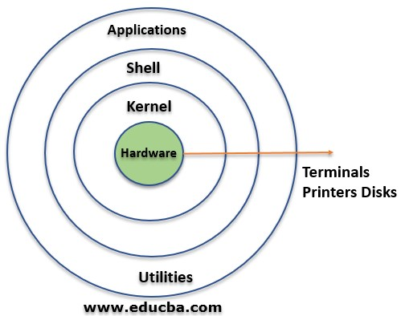
 |  |  |  |  |  |  | Primary prompt display |  | PS1
 |  |  |  |  |  |  | Export var to envi var |  | export var
 |  |  |  |  | Arithmetic Operations | $(()) |  |  | x=$((3+1))

All the arguments before (;) will be treated as a separate command from all the arguments after the |  |  |  |  | History | Show commands history |  |  | history
 |  |  |  |  |  | Clear history |  |  | history -c
 |  |  |  |  |  | Run 418 history |  |  | !418
Clear Termi | clear |  |  |  |  | Show last 10 commands |  |  | history 10
Command Completion | Tab |  |  |  |  | Show last command that started with app |  |  | !app
 | Show all related commands |  | Tab+Tab
Prompt | User | User_name@Host_name:Currentdirectory$ |  |  | Nano editor | nano name.txt
 | Super user | User_name@Host_name:Currentdirectory# |  |  | Redirection | Redirect output from terminal to file |  |  | ls>ls.txt
Substitute user | su -user_name |  |  |  |  | Redirect output from terminal and append to file |  |  | ls>>ls.txt
 | Super user | su - | or | sudo su
Commands manual | man command |  |  |  |  | Redirect input from keyboard to file |  |  | wc<ls.txt
 | Help | h |  |  |  | Redirect input from file to keyboard |  |  | wc<<EOD A B C EOD
 | Search | / word
 | Quit | q
Search in commands | apropos word
 | commands related with net |  |  | apropos net
Task manager | top |  |  |  |  | Redirect output to be input to another Linux instruction |  |  | cat ls.txt|cut -f 1
Display line of text/string |  | echo
Display Shell type |  | echo $0 | echo $SHELL | ps $$
Display installed Shells |  | cat /etc/shells |  |  | Special files | Script files, automatically executed when you log in
Display the calendar |  | cal |  |  |  | Log in shell |  | specific user | ~/.bashrc
Display the date |  | date |  |  |  |  |  | all users | /etc/bashrc
Display user name |  | whoami |  |  |  | Remote user |  | specific user | ~/.profile
Display host name |  | hostname |  |  |  |  |  | all users | /etc/profile
Change password |  | passwd |  |  |  | Modify these source files |  | vim .bashrc i edit Esc:wq source .bashrc
Display Operating systems |  | uname -a
Display system's architecture |  | arch
List active users |  | who
Start new bash shell |  | bash
Function | function name (){command}
 | Example | function say_hello {echo Hello} |  |  | Shell scripting | Writing a new shell script | create new txt file
Shortcut | alias name=command |  |  |  |  |  | #!/bin/bash | # Choose shell
 | use 'command' if there is space in the command |  |  |  |  |  | echo "salam"
 | Example |  | alias shortcut='cat info.log' |  |  | run | sh file_name
 | Remove alias |  | unalias shortcut
 | Show all aliases |  | alias
Filesystem Hierarchy Standard (FHS) |  |  |  |  | Remove | Remove | rm [options] file
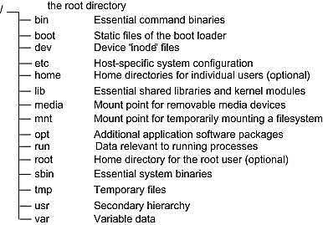 |  |  |  |  |  | Options | Force (by default) |  | -f
 |  |  |  |  |  |  | Interactive |  | -i
 |  |  |  |  |  |  | Recursive (directory) |  | -r
 |  |  |  |  | Creat a directory |  | mkdir directory_name
 |  |  |  |  | Remove a directory |  | rmdir directory_name
 |  |  |  |  | Files
 |  |  |  |  | Concatenate files (display to window) |  | cat
 |  |  |  |  |  |  | Add line number |  | -n
 |  |  |  |  |  |  | Show tabs |  | -T
 |  |  |  |  | System history file |  | cat /var/log/syslog
Patch |  |  |  |  | Display file screen-by-screen |  | less
Open terminal |  | Alt | Ctrl | T |  |  | Clear screen first |  | -c
Print your current working directory |  | Graphical | Ctrl | L |  |  | more
 |  | Terminal | pwd |  | Display first 10 lines |  | head
Listing available Files | ls |  |  |  |  |  | Display first 20 lines |  | -n 20
 | Show all (hidden) |  |  | ls -a |  |  | Don’t display two last lines |  | -n -2
 | Show details |  |  | ls- l | Display last 10 lines |  | tail
 | Show all & detail |  |  | ls -a -l |  |  | Display last 20 lines |  | -n 20
 | Show reverse |  |  | ls -r |  |  | Don’t display two first lines |  | -n +2
 | Show recursive (Hierarcy) |  |  | ls -R | Show file type |  | file
 | Show sort by file size |  |  | ls- S | Comparing text files | Compare two files |  | cmp | comm
 | Show inodes number |  |  | ls- il |  | Compare two or more files |  | diff
 | Wildcard | All files |  | ls * | Cut parts of lines from specified files | cut option file
 |  | Any file beginning with g |  | ls g* |  | Option | Select by specifying a field |  | -f 2
 |  | Any file ending with .text |  | ls *.text |  |  | Select 1 to 10 |  | -f 1-10
 |  | Any file beginning with Data and exactly followed by 3 characters |  | ls Data??? |  |  | Select by specifying a byte |  | -b 3
 |  |  |  |  | Sort | sort option file
 |  |  |  |  |  | Option | Sort on numerical value |  | -n
 |  | file ending with .text or .dat |  | ls *{.dat,.txt} |  |  | Sort in reverse order |  | -r
 |  | Any file beginning with one of the choices inside [] |  | ls [abc]* |  |  | Random sort |  | -R
 |  |  |  |  |  |  | Sort by months |  | -m
 |  | Any files except for those that begin with c. |  | ls [!c]* |  |  | Sort Specific Column |  | -k 2
 |  |  |  |  |  |  | Sort and remove duplicates |  | -u
 | 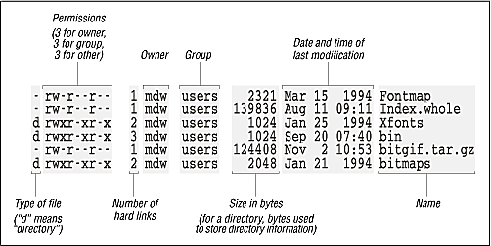 |  |  |  | Filters out the repeated | uniq
 |  |  |  |  |  | how many times a line was repeated |  |  | -c
 |  |  |  |  | Join | join file1 file2
 |  |  |  |  | Split | n= number of partitions |  |  | Split file -n 3
 |  |  |  |  | Find out number of lines, word count, byte and characters |  | wc
 |  |  |  |  |  |  | number of lines |  | -l
 |  |  |  |  |  |  | number of words |  | -w
 |  |  |  |  |  |  | count of bytes |  | -c
 |  |  |  |  | Creates a file | touch
 |  |  |  |  | Links

Change Directory |  | cd
 |  | Back to up directory |  | cd ..
 |  | Two step |  | cd ../..
 |  | Back to home |  | cd ~ |  | Hard link |  | ln file1 file3
 |  | Current directory |  | cd . |  | Soft link (shortcut) |  | ln -s file1 file3
Move (rename) files | Move | mv [options] source destination |  |  | Find file(s) | find [path] [options [expression]
 | Rename | mv [options] name_1 name_2 |  |  |  | Find Files by Type
 | Wildcard | mv [options] *.txt destination |  |  |  | -type | f: a regular file
 | Move here | mv [options] ../*.txt . |  |  |  |  | d: directory
 | Options | Force |  | -f |  |  | l: symbolic link
 |  | Interactive |  | -i |  |  | c: character devices
 |  | Do not overwrite existing file |  | -n |  |  | b: block devices
Copy | Copy | cp [options] source destination |  |  |  |  | p: named pipe (FIFO)
 | Options | Force |  | -f |  |  | s: socket
 |  | Interactive |  | -i |  | Find all directories in the current directory |  |  | find . -type d
 |  | Do not overwrite an existing file |  | -n |  | Find Files by Name
 |  | Recursive (directory) |  | -r |  | -type -name
 |  | Preserve ownership |  | -p |  | Find doc.pdf in current dir |  | find . -type f -name doc.pdf
Find file(s) | Find Files by Extension
 | Find all files ending with .txt |  | find . -type f -name '*.txt'
 | Find Files by Size
 | -size | b: 512-byte blocks (default)
 |  | c: bytes
 |  | w: two-byte words
 |  | k: Kilobytes
 |  | M: Megabytes
 |  | G: Gigabytes
 | Find files of 1b inside the cd |  | find . -type f -size 1c
 | Files greater than 1MB |  | find . -type f -size +1M
 | Files within a size range |  | find . -type f -size 1M -size 2M
 | Find Files by Modification Date
 | -mtime |  | -mmin
 | Files has been modified in the last one day |  |  | find . -mtime 1
 | Files has been modified in the last one min |  |  | find . -mmin 1
 | Files has been modified in the more/less than one min ago |  |  | find . -mmin ±1

 | Find Files by accessed Date
 | -atime |  | -amin
 | Files has been accessed in the last one day |  |  | find . -atime 1
 | Files has been accessed in the last one min |  |  | find . -amin 1
 | Files has been accessed in the more/less than one min ago |  |  | find . -amin ±1

 | Find Files by Permissions
 | -perm
 | Files that have read and write permission for the owner and group and are readable by other users |  |  | find . -perm -664

 | Files with read permissions set for either user, group, or others. |  |  | find . -perm /444

 | Find Files by Owner
 | -user |  | -group
 | files files owned by user SH |  | find / -user SH
 | Find files owned by user SH and change the ownership of them from SH to MA: |  | find / -user SH -type f -exec chown MA {} \;

 | Find and Delete Files
 | -delete
 | delete files ending with .txt |  | find . -name `*.txt` -delete
 | Find and Quit
 | -quit
 | If a match is found, exit |  | find -name sh -quit
Find executable files | which
 | used to locate ls |  | which ls
 | whereis
 | used to locate ls completely |  | whereis ls

