Sheet1
Install |  |  |  |  | Variable | Normal var | a=1 a='ali reza' a="$first_name"
Virtual |  |  |  |  |  | Command to variable |  | var=$(command)
A. Download Ubuntu Desktop LTS |  |  |  |  |  | Show variable value |  | echo $a
B. Download Virtualbox |  |  |  |  |  | declare shell variables | declare [option] var=val
1. New | 2. Name: Ubuntu |  | 3. RAM: 4GHz |  |  |  | Option | array | -a
4. Creat a virtual hard disk now |  |  | 5. VDI |  |  |  |  | function | -f
6. Hard: 25 GHz |  | 7. Start | 8. Select Ubuntu |  |  |  |  | integer | -i
C. Installing ubuntu |  |  |  |  |  |  |  | read only | -r
1. English | 2. Install third-party software for … |  |  |  |  |  |  | exp to envi | -x
3. Some thing else |  | a. / (Ext4)(10GHz) |  |  |  | Environment var | list environment vars |  | env
 |  | b. /home (Ext4)(10GHz) |  |  |  |  | Login name |  | LOGNAME
 |  | c. /boot (Ext4)(300 MHz) |  |  |  |  | Host name |  | HOSTNAME
 |  | d. swap (5GHz) |  |  |  |  | Where to look for executable files | PATH
 |  |  |  |  |  |  |  | Set your PATH | PATH=$PATH:/home/shayan/Desktop
The Command Line Interface (CLI)
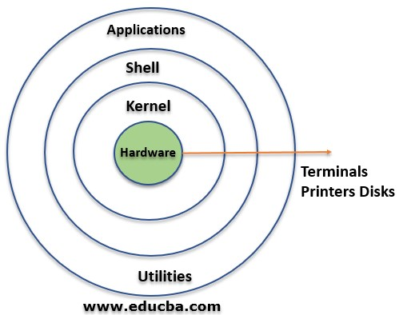
 |  |  |  |  |  |  | Primary prompt display |  | PS1
 |  |  |  |  |  |  | Export var to envi var |  | export var
 |  |  |  |  | Arithmetic Operations | to evaluate arithmetic expressions | $(()) |  | x=$((3+1))
 |  |  |  |  |  |  | let |  | let N+=2
 |  |  |  |  |  |  | expr command var |  | expr 3 + 1
 |  |  |  |  |  |  |  |  | expr length $x
 |  |  |  |  |  | Remainder |  |  | x=$((4%2))
 |  |  |  |  |  | Adding one number |  |  | let N++
 |  |  |  |  |  | Subtracting one number |  |  | let N--
All the arguments before (;) will be treated as a separate command from all the arguments after the |  |  |  |  | History | Show commands history |  |  | history
 |  |  |  |  |  | Clear history |  |  | history -c
Clear Termi | clear |  |  |  |  | Run 418 history |  |  | !418
Command Completion | Tab |  |  |  |  | Show last 10 commands |  |  | history 10
 | Show all related commands |  | Tab+Tab |  |  | Show last command that started with app |  |  | !app
Prompt | User | User.name@Host.name:Currentdirectory$ |  |  | Redirection | Redirect output from terminal to file |  |  | ls>ls.txt
 | Super user | User.name@Host.name:Currentdirectory# |  |  |  | Redirect output from terminal and append to file |  |  | ls>>ls.txt
Substitute user | su -user_name
 | Super user | su - | or | sudo su |  | Redirect input from keyboard to file |  |  | wc<ls.txt
Commands manual | man command |  |  |  |  | Redirect input from file to keyboard |  |  | wc<<EOD A B C EOD
 | Help | h
 | Search | / word
 | Quit | q
Search in commands | apropos word
 | commands related with net |  |  | apropos net |  | Redirect output to be input to another Linux instruction |  |  | cat ls.txt|cut -f 1
Display line of text/string | echo Option Word |  |  | echo "Hello"
 | No break line | echo -n Hello echo Shayan |  |  | Special files | Script files, automatically executed when you log in
 | Escape characters | Alert | echo -e "\a" |  |  | Log in shell |  | specific user | ~/.bashrc
 |  | New line | echo -e "line1/nline2" |  |  |  |  | all users | /etc/bashrc
 | Shell type | echo $0 | echo $SHELL | ps $$ |  | Remote user |  | specific user | ~/.profile
Input statement | read option statement var |  |  |  |  |  |  | all users | /etc/profile
 |  | read -p "insert number" number |  |  |  | Modify these source files |  | vim .bashrc i edit Esc:wq source .bashrc
 | limit chars | read -n 10 "insert number" number
 | ts wait | read -t 10 "insert number" number
Task manager |  | top
Display installed Shells |  | cat /etc/shells
Display the calendar |  | cal |  |  | Remove | Remove | rm [options] file
Display the date |  | date |  |  |  | Options | Force (by default) |  | -f
Display host name |  | hostname |  |  |  |  | Interactive |  | -i
Display Operating systems |  | uname -a |  |  |  |  | Recursive (directory) |  | -r
Display system's architecture |  | arch |  |  | Creat a directory |  | mkdir directory_name
Function | function name (){command} |  |  |  | Remove a directory |  | rmdir directory_name
 | Example | function say_hello {echo Hello}
Shortcut | alias name=command
 | use 'command' if there is space in the command
 | Example |  | alias shortcut='cat info.log'
 | Remove alias |  | unalias shortcut
 | Show all aliases |  | alias
Filesystem Hierarchy Standard (FHS) |  |  |  |  | Files
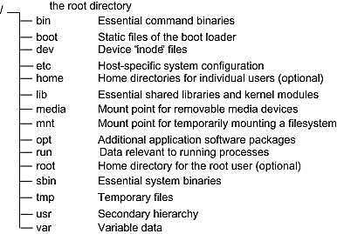 |  |  |  |  | Concatenate files (display to window) |  | cat
 |  |  |  |  |  |  | Add line number |  | -n
 |  |  |  |  |  |  | Show tabs |  | -T
 |  |  |  |  | System history file |  | cat /var/log/syslog
 |  |  |  |  | Display file screen-by-screen |  | less
 |  |  |  |  |  |  | Clear screen first |  | -c
 |  |  |  |  |  |  | more
 |  |  |  |  | Display first 10 lines |  | head
 |  |  |  |  |  |  | Display first 20 lines |  | -n 20
 |  |  |  |  |  |  | Don’t display two last lines |  | -n -2
Patch |  |  |  |  | Display last 10 lines |  | tail
Open terminal |  | Alt | Ctrl | T |  |  | Display last 20 lines |  | -n 20
Print your current working directory |  | Graphical | Ctrl | L |  |  | Don’t display two first lines |  | -n +2
 |  | Terminal | pwd |  | Show file type |  | file
Listing available Files | ls |  |  |  | Comparing text files | Compare two files |  | cmp | comm
 | Show all (hidden) |  |  | ls -a |  | Compare two or more files |  | diff
 | Show details |  |  | ls- l | Cut parts of lines from specified files | cut option file
 | Show all & detail |  |  | ls -a -l |  | Option | Select by specifying a field |  | -f 2
 | Show reverse |  |  | ls -r |  |  | Select 1 to 10 |  | -f 1-10
 | Show recursive (Hierarcy) |  |  | ls -R |  |  | Select by specifying a byte |  | -b 3
 | Show sort by file size |  |  | ls- S | Sort | sort option file
 | Show inodes number |  |  | ls- il |  | Option | Sort on numerical value |  | -n
 | Wildcard | All files |  | ls * |  |  | Sort in reverse order |  | -r
 |  | Any file beginning with g |  | ls g* |  |  | Random sort |  | -R
 |  | Any file ending with .text |  | ls *.text |  |  | Sort by months |  | -m
 |  | Any file beginning with Data and exactly followed by 3 characters |  | ls Data??? |  |  | Sort Specific Column |  | -k 2
 |  |  |  |  |  |  | Sort and remove duplicates |  | -u
 |  |  |  |  | Filters out the repeated | uniq
 |  | file ending with .text or .dat |  | ls *{.dat,.txt} |  | how many times a line was repeated |  |  | -c
 |  | Any file beginning with one of the choices inside [] |  | ls [abc]* | Join | join file1 file2
 |  |  |  |  | Split | n= number of partitions |  |  | Split file -n 3
 |  | Any files except for those that begin with c. |  | ls [!c]* | Find out number of lines, word count, byte and characters |  | wc
 |  |  |  |  |  |  | number of lines |  | -l
 | 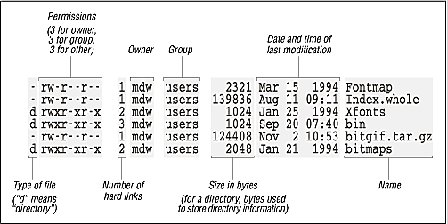 |  |  |  |  |  | number of words |  | -w
 |  |  |  |  |  |  | count of bytes |  | -c
 |  |  |  |  | Creates a file | touch
 |  |  |  |  | Links

 |  |  |  |  |  | Hard link |  | ln file1 file3
 |  |  |  |  |  | Soft link (shortcut) |  | ln -s file1 file3
 |  |  |  |  | Find file(s) | find [path] [options [expression]
Change Directory |  | cd |  |  |  | Find Files by Type
 |  | Back to up directory |  | cd .. |  | -type | f: a regular file
 |  | Two step |  | cd ../.. |  |  | d: directory
 |  | Back to home |  | cd ~ |  |  | l: symbolic link
 |  | Current directory |  | cd . |  |  | c: character devices
Move (rename) files | Move | mv [options] source destination |  |  |  |  | b: block devices
 | Rename | mv [options] name_1 name_2 |  |  |  |  | p: named pipe (FIFO)
 | Wildcard | mv [options] *.txt destination |  |  |  |  | s: socket
 | Move here | mv [options] ../*.txt . |  |  |  | Find all directories in the current directory |  |  | find . -type d
 | Options | Force |  | -f |  | Find Files by Name
 |  | Interactive |  | -i |  | -type -name
 |  | Do not overwrite existing file |  | -n |  | Find doc.pdf in current dir |  | find . -type f -name doc.pdf
Copy | Copy | cp [options] source destination |  |  |  | Find Files by Extension
 | Options | Force |  | -f |  | Find all files ending with .txt |  | find . -type f -name '*.txt'
 |  | Interactive |  | -i
 |  | Do not overwrite an existing file |  | -n
 |  | Recursive (directory) |  | -r
 |  | Preserve ownership |  | -p
Find file(s) | Find Files by Size |  |  |  | Permissions
 | -size | b: 512-byte blocks (default) |  |  | 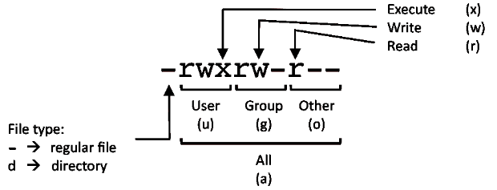
 |  | c: bytes
 |  | w: two-byte words
 |  | k: Kilobytes
 |  | M: Megabytes
 |  | G: Gigabytes
 | Find files of 1b inside the cd |  | find . -type f -size 1c
 | Files greater than 1MB |  | find . -type f -size +1M
 | Files within a size range |  | find . -type f -size 1M -size 2M |  | Numeric mode
 | Find Files by Modification Date
 | -mtime |  | -mmin
 | Files has been modified in the last one day |  |  | find . -mtime 1
 | Files has been modified in the last one min |  |  | find . -mmin 1
 | Files has been modified in the more/less than one min ago |  |  | find . -mmin ±1

 | Find Files by accessed Date
 | -atime |  | -amin |  | Change the access mode of a file | chmod [reference][operator][mode] file |  |  | chmod u=r .m
 | Files has been accessed in the last one day |  |  | find . -atime 1 |  | Reference | Owner |  | u
 | Files has been accessed in the last one min |  |  | find . -amin 1 |  |  | Group |  | g
 | Files has been accessed in the more/less than one min ago |  |  | find . -amin ±1 |  |  | Others |  | o
 |  |  |  |  |  |  | All |  | a
 | Find Files by Permissions |  |  |  |  | Operator | Adds |  | +
 | -perm |  |  |  |  |  | Removes |  | -
 | Files that have read and write permission for the owner and group and are readable by other users |  |  | find . -perm -664 |  |  | Specifing modes |  | =
 |  |  |  |  |  | Mode | Permission to read the file |  | r
 |  |  |  |  |  |  | Permission to write (or del) |  | w
 | Files with read permissions set for either user, group, or others. |  |  | find . -perm /444 |  |  | Permission to execute |  | x
 |  |  |  |  | Text Editors
 | Find Files by Owner |  |  |  | Simple editor | gedit name.txt |  | nano name.txt
 | -user |  | -group |  | emacs
 | files files owned by user SH |  | find / -user SH |  | Install | sudo su
 | Find files owned by user SH and change the ownership of them from SH to MA: |  | find / -user SH -type f -exec chown MA {} \; |  |  | apt install emacs
 |  |  |  |  |  | exit
 |  |  |  |  | Opening | Geraphical | emacs file_name.cpp
 | Find and Delete Files |  |  |  |  | Terminal | emacs file_name.cpp -nw
 | -delete |  |  |  |  |  | Save | ctrl+x ctrl+s
 | delete files ending with .txt |  | find . -name `*.txt` -delete |  |  |  | line number | Esc x linum-mod
 | Find and Quit |  |  |  | vim
 | -quit |  |  |  | Install | sudo su
 | If a match is found, exit |  | find -name sh -quit |  |  | apt install vim
Find executable files | which |  |  |  |  | exit
 | used to locate ls |  | which ls |  | Opening | Open file | vim file_name.cpp
 | whereis |  |  |  |  | mode 1 | i
 | used to locate ls completely |  | whereis ls |  |  | mode 2 (Command) | Esc
Hardware |  |  |  |  |  |  | Replace | Shift+r
Device files location |  | /dev |  |  |  |  | Delete line | dd
Report disk space usage |  | df -h |  |  |  |  | Undo | u
Report CPU information |  | cat /proc/cpuinfo |  | lscpu |  |  | Redo | ctrl+r
Report number of processors |  | cat /proc/cpuinfo | grep processor | wc -1
RAM information |  | cat /proc/meminfo |  |  |  | mode 3 (Command line) | :
 |  | free -m | vmstat -s |  |  |  | Save | :w
Task manager |  | top |  |  |  |  | Quit | :q
Snapshot of task manager |  | ps |  |  |  |  | Force quit | :q!
Shell Scripting |  |  |  |  |  |  | Indentations | :set autoindent
Writing a new shell script | Shell | create new txt file |  |  |  |  | Number | :set number
 |  | #!/bin/bash | # Choose shell |  |  |  |  | :set nonumber
 |  | echo "salam" |  |  |  |  | Go to line 4 | :5
 | Run | sh file.no | bash file.no | ./ file.no |  |  | Search | /word
Input parameters | Shell | echo "salam $0 $1 $2 $3" |  |  |  |  |  | ?word
 | Run | sh Shayan Dodge

File compression
Lossless | General | tar -cvf new_file directory
 |  | tar -xvf file_name
 | LZ77 ALG | gzip file | tar -cvzf new_file directory
 |  | gunzip file | tar -xvzf file_name
 | Burrows-Wheeler | bzip2 file | tar -cvfj new_file directory
 |  | bunzip2 file | tar -xvfj file_name
User
Display my user name |  | whoami
Display log in users |  | who
Display log in users' ID |  | id
Substitute user | Other user | su -user_name
 | Super user | su - | or | sudo su
The users information file |  | /etc/passwd
The password file |  | /etc/shadow
Create normal user |  | useradd -m user_name -c "comment"
Remove normal user |  | userdel -r user_name
Change user information |  | usermod -c "comment" user_name
Change user password |  | User | passwd user_name
 |  | Root | sudo passwd root
Create group |  | groupadd group_name
Remove group |  | groupdel group_name
Group of this user |  | groups
Add user to group |  | usermod -a group_name user_name
Security
Firewall | iptables
Linux IDS | snort
 | ossec

