Review Procedures
Review Meeting
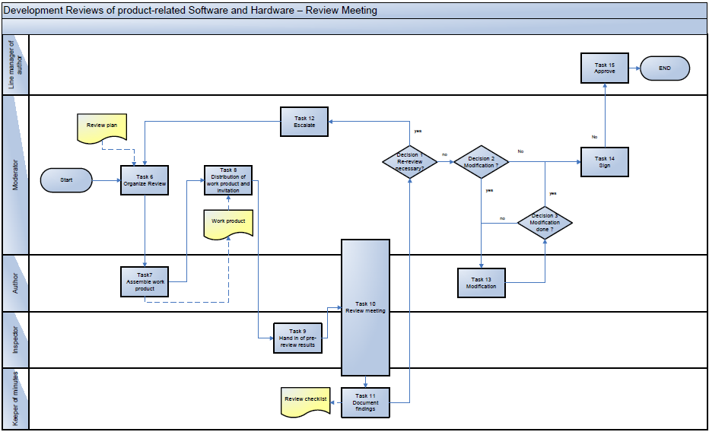

Task 6: Organize review
The review needs to be planned and prepared. The author selects review participants, informs about the outstanding review and sets up an appropriate review checklist (prepare according to the Overview sheet).
[Review Database] The Review Master Issue is created.

Task 7: Assemble work product
The author collects a set of specific documents based on a summary of project requirements, typically including: • Project documents concerned, • Background information in support of development and with regard to development stages, • Explanations, • Checklist with reference to the object reviewed, Optionally, the checklist may also be prepared by the moderator.

Task 8: Distribution of work product and invitation
Well in advance of the meeting, the inviting person (author) distributes the documents to the participants. A meeting plan including the roles, competence assignments, the schedule and a summary of earlier reviews. A definition of how long before the review meeting the reviews are to be handed over to the author and moderator is to be given in the invitation.

Task 9: Hand in of pre-review results
Author should check items in checklist. The participants has to read the document under review and to keep review notes and comments which are to be handed over to the author. The author have to define in the invitation the how long before the review meeting the written reviews are to be handed over.

Task 10: Review meeting (refer to "Review_Meeting_Template" sheet)
Team 'brainstorming' to discover any findings, (only then!) tick off the checklist, identify and document the mistakes; the meeting should go on for no longer than two hours. Responsibility assignment, definition of times/assessment of efforts required to eliminate the shortcomings.

Task 11: Document findings
The meeting organizer writes down and keeps a list of mistakes discussed. Decisions are documented as well. The meeting organizer distributes the minutes to the other review participants. (Meeting Minute) [Review Database] The results are documented online during the meeting. Tasks and Changes Issues are generated and linked to the review master. At the end of the meeting the state of the review master is set to “performed”.

Decision 1: Re-review necessary?
It must be decided by the team: • if the review was passed, • if moderate findings (which need a rework/modification), or • if severe OOS results (out-of-specification results, which need solid changes to the review item) were found. The decision about the authorization of the next phase: • Accepted, • Accepted with the obligation of modification, or • Not Accepted, needs to be taken and documented. Remark: If there are modifications agreed upon, an appropriate time span is given to the author to correct the mistakes. These modifications are then checked by the moderator for completeness.

Task 12: Escalate
Proceed as follows if a review finds any OOS (out-of-specification) results:
• OOS results are documented and rectified by means of suitable corrective measures at project level involving all levels of the hierarchy as appropriate, i.e., all people from the developer to the software/hardware project manager and the project manager level. To achieve this aim, the action taken to remove the OOS result is added to the central plan of project tasks.
• Review documentation also includes OOS results that cannot be rectified at project level. These are escalated to the management level (depending on the organization) and followed up until the problems have been solved or until the management gives reasons for their decision not to take any corrective action.
Documentation of OOS results is kept under controlled supervision in the MKS-SI (AD-PE1-1-10).
If OOS results where found:
• the review is not passed,
• the review checklist is not signed and
• the review needs to be repeated again

Decision 2: Modification?
If it was found out by the review team, that minor changes need to be done to the review item this can be done by an obligation of the author for a modification. The completion of the modification must be checked by the proposed person (see Decision 3: ).

Task 13: Modification
The Author modifies the item according to the documented complaints in the review-checklist. He does this by keeping the time schedule for the modification.

Decision 3: Modification done?
The SWPJM checks for the completion of the modification. In case the modification was not done after the agreed time span, the SWPJM has the ability to escalate to the management level.

