Test excution details
User Story 002
Test case number | Test case name | Description | Screenshot
TC_001 | First time user- Quotes Tab with My Quotes | Verify the presence of the Quotes tab with My Quotes and accessing the tool tip | 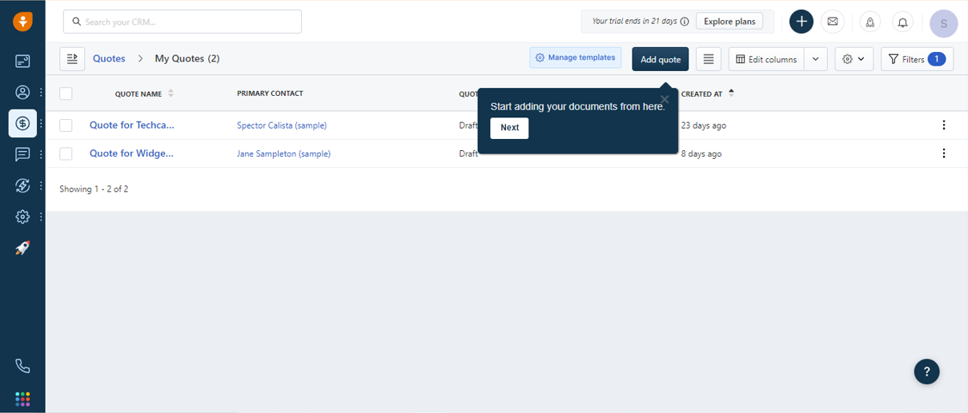
TC_002 | First time user- Quotes Tab with My Quotes | Verify the presence of the Quotes tab with My Quotes and accessing the tool tip | 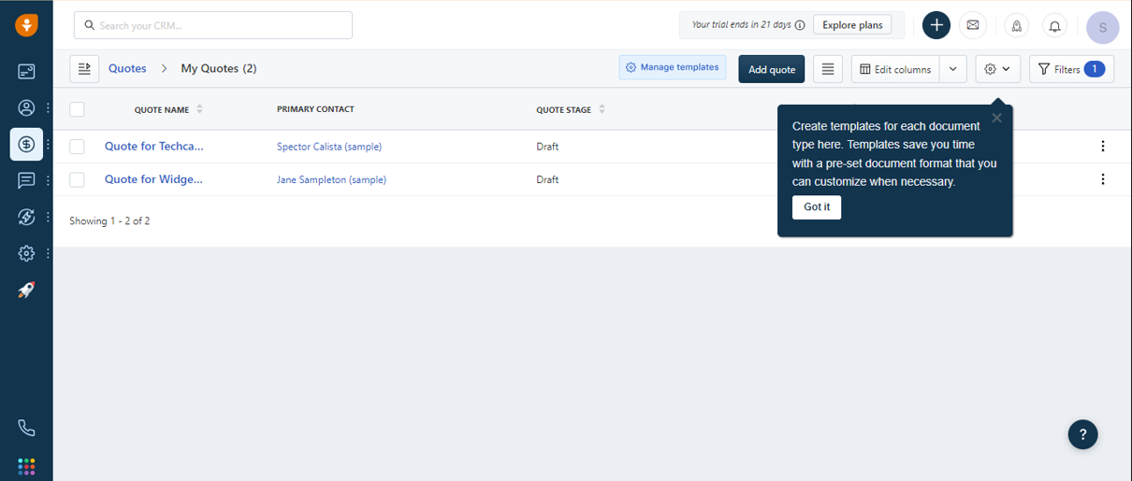
TC_003 | Regular user-Quotes Tab with My Quotes | Verify the presence of the Quotes tab with My Quotes and accessing without the tool tip | 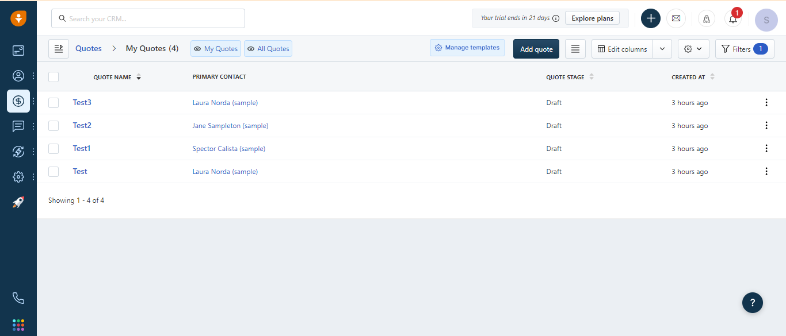
TC_005 | View Existing Quotes | Verify the visibility of existing Quotes | 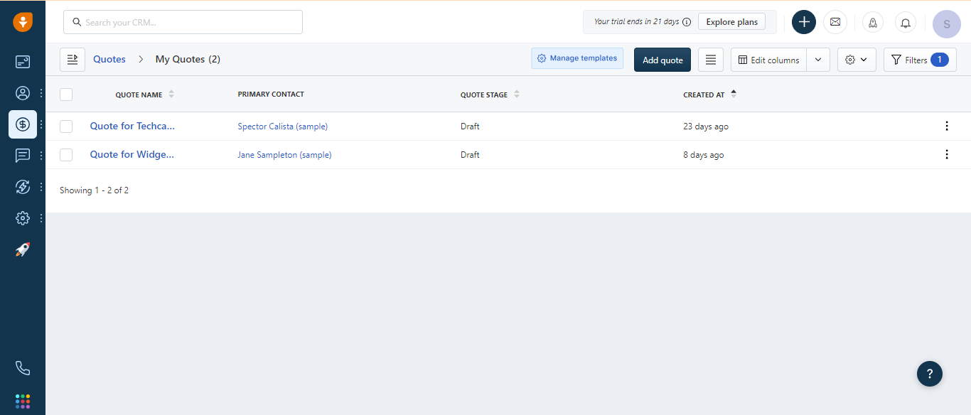
TC_007 | Select Multiple Quotes Together | Verify the ability to select multiple Quotes simultaneously | 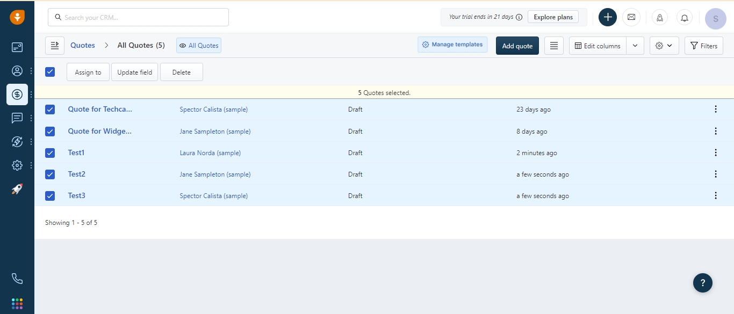
TC_008 | Select Multiple Quotes Together | Verify the ability to select multiple Quotes one by one | 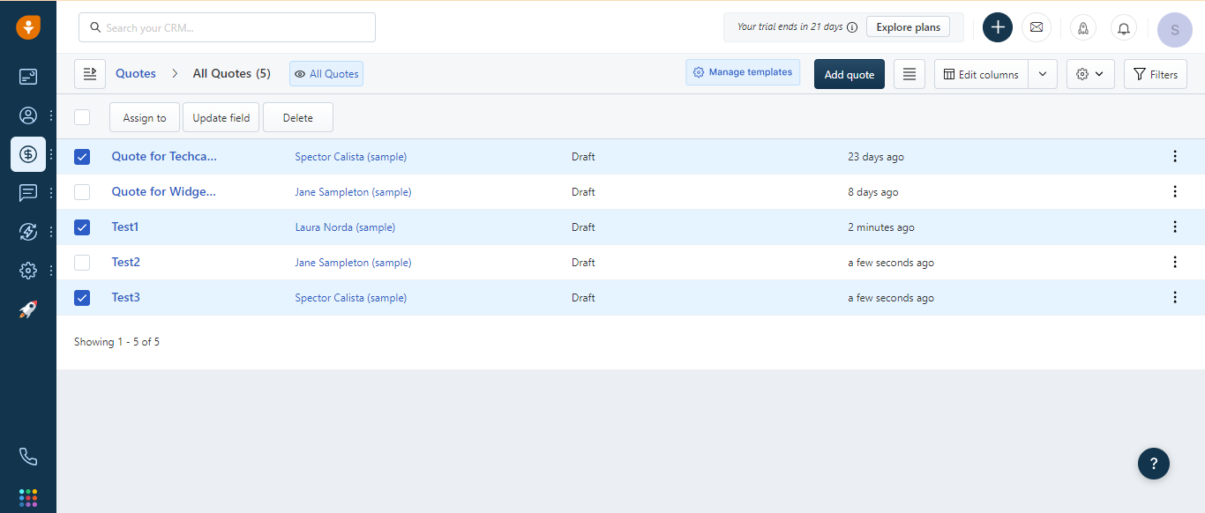
TC_010 | Edit Account on the Grid | Verify the visibility of the "Edit Account" option on the grid view of "Quote name" column | 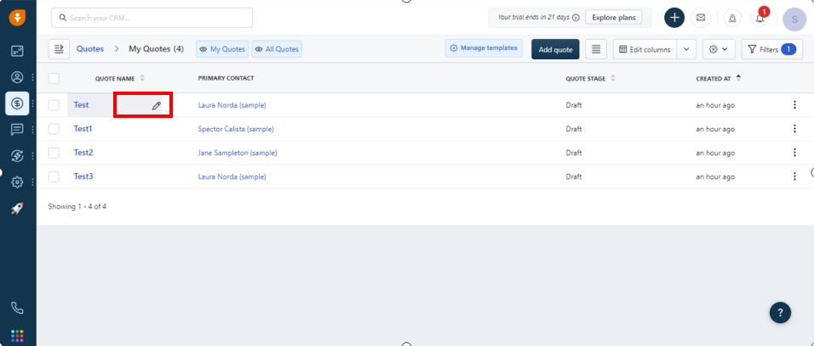
TC_012 | Edit Account on the Grid | Verify the visibility of the "Edit Account" option on the grid view of "Primary Contact" column | 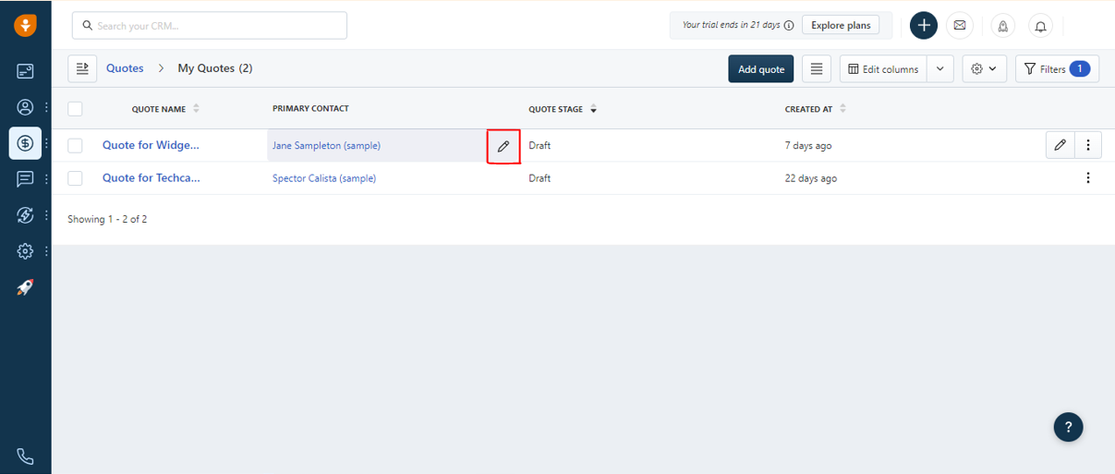
TC_013 | Edit Account on the Grid | Verify the visibility of the "Edit Account" option on the grid view of "Quote Stage" column | 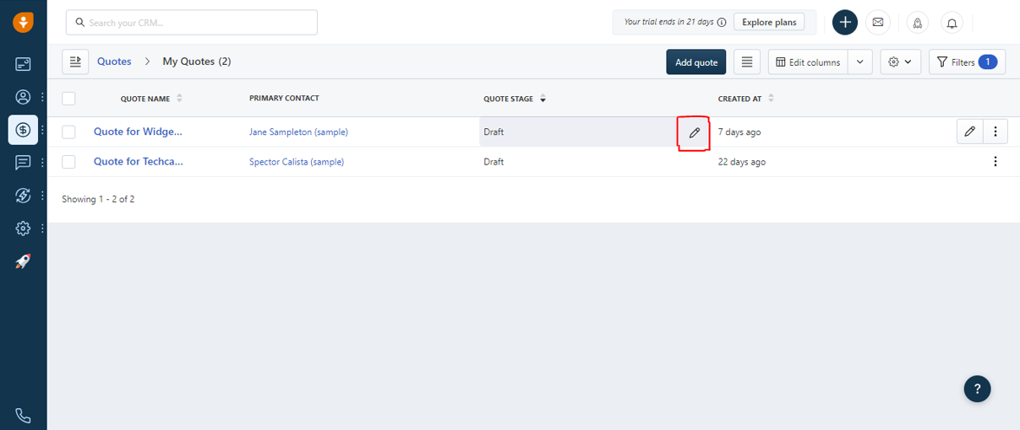
TC_014 | Edit Account on the Grid | Verify the visibility of the "Edit Account" option on the grid view of "Created at" column | 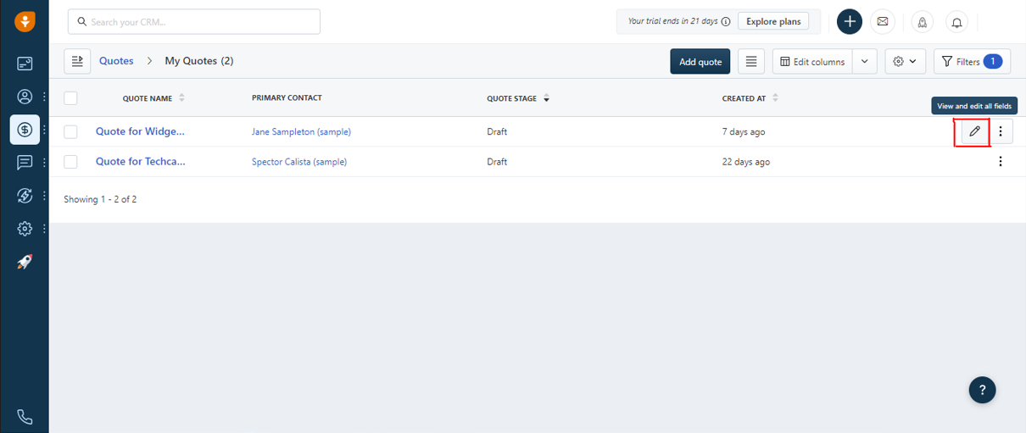
TC_015 | Sortable Columns | Verify the sorting functionality of "Quote Name" column | 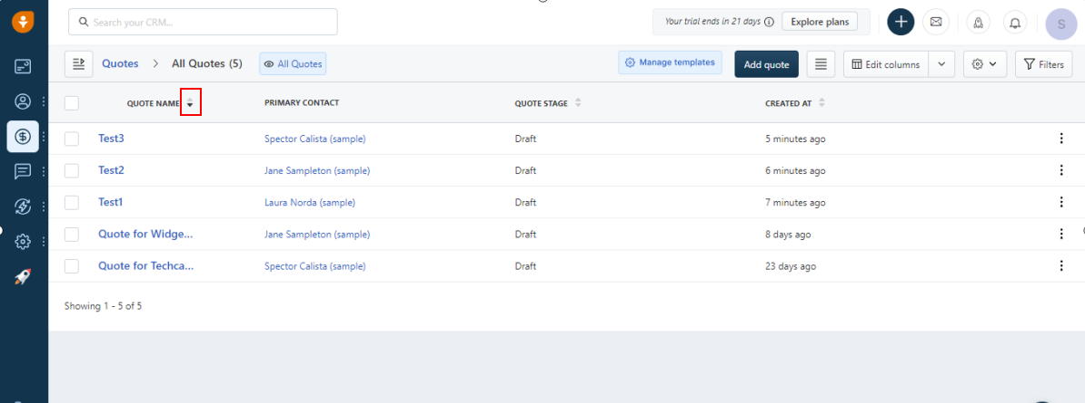
TC_016 | Sortable Columns | Verify the sorting functionality of "Quote Stage" column | 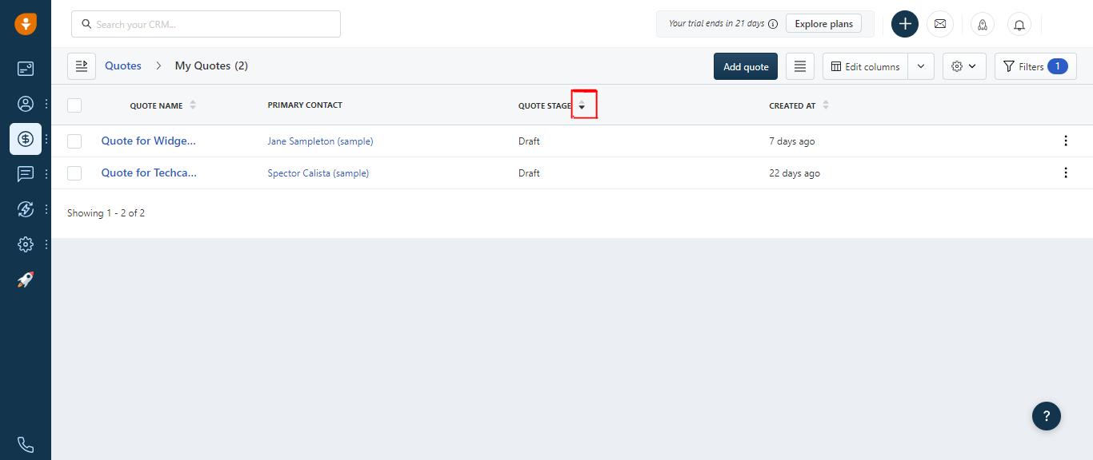
TC_017 | Sortable Columns | Verify the sorting functionality of "Created at" column | 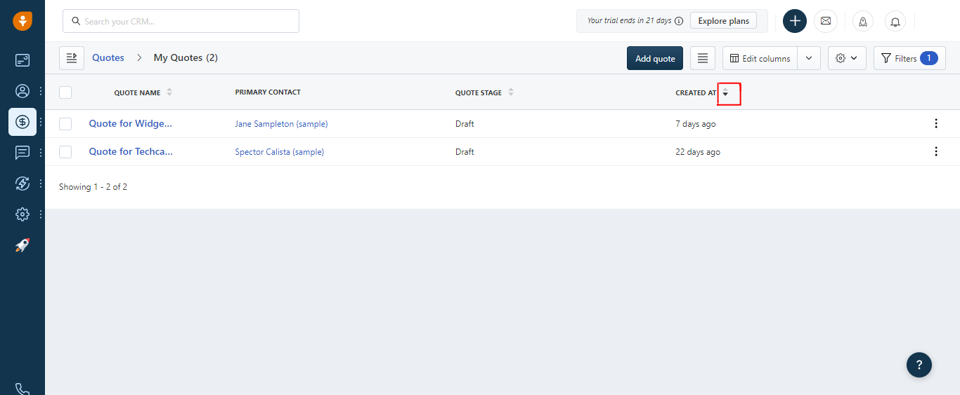

Defect_Snapshots
User Story 002
Defect number | Issues | Screenshot
DF_001 | The Dashboard displayed Quotes Tab without the option "My Quotes" | 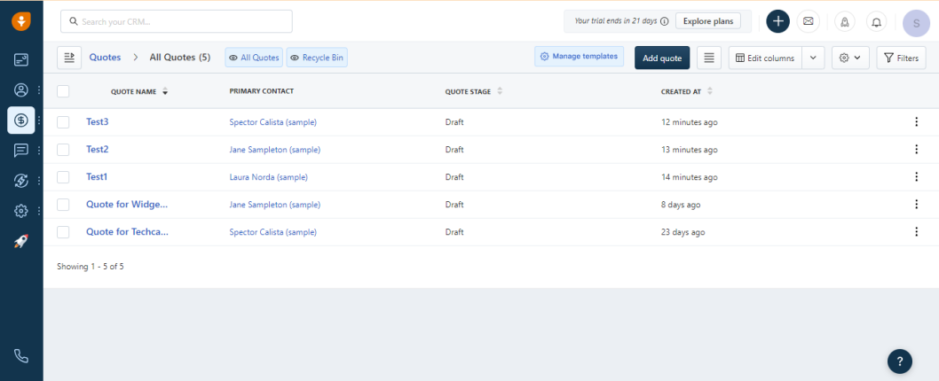
DF_002 | The existing Quotes is not visible on the page | 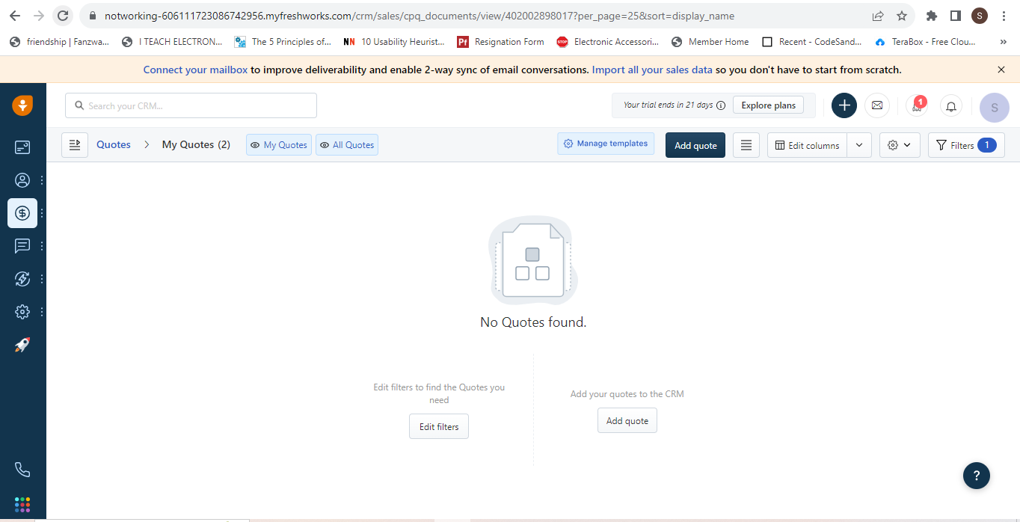
DF_003 | Not able to select multiple quotes one by one using checkboxes | 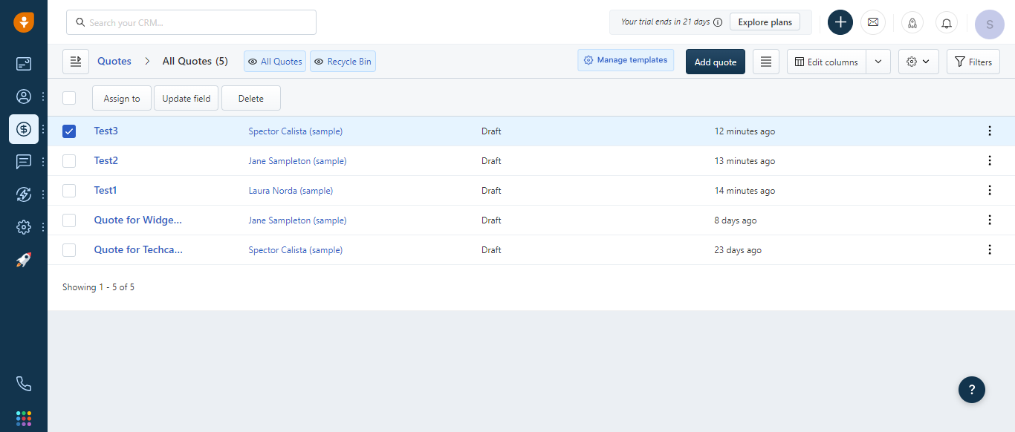
DF_004 | The "Edit Account" option is visible but not accessible on the grid view for each Quote of "Quote name" column
DF_005 | "Created at" column in the grid view is sortable and after clicking it is not sorting the data in ascending or descending order | 

