Defect






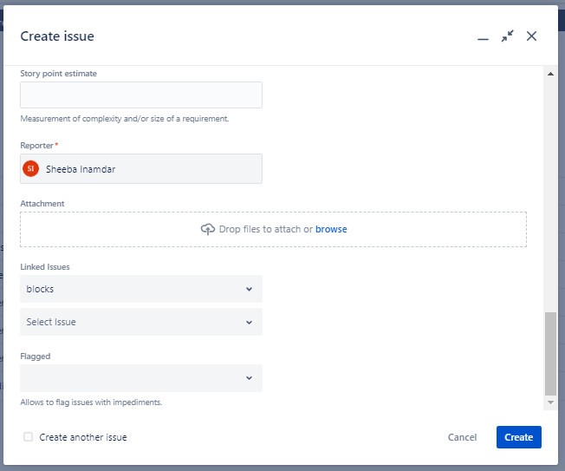


Defect: Belgium Country flag is not visible

