Assignment 6
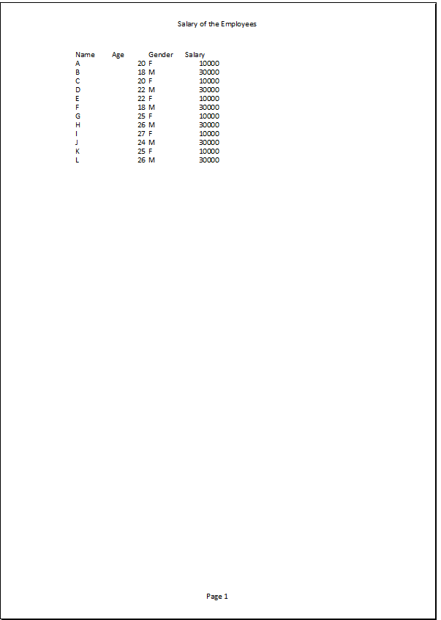
Excel Assignment – 6

Q1. What are the various elements of the Excel interface? Describe how
they're used.
Answer: The Excel interface consists of the following elements:
1. The Quick Access Toolbar is intended to group together the most frequently used commands. You can add or remove commands from this bar. To do this, click on the arrow on the right and select the required commands.
2. The Ribbon constitutes the general menu of the software. The ribbon is made up of tabs
like File, Home, Insert, Page Layout, Formulas, Data, Review, View, and Help tabs.
Each tab displays Command Buttons grouped into Command Groups. The groups for the Home tab for example are: Clipboard, Font, Alignment, Number, Styles, Cells, editing.
Dialog box launchers are the buttons at the bottom right of a few groups. Each opens a dialog with additional options.
3. The Name Box displays the address of the active cell. You can also use it to access a cell; to do this, enter the address of the desired cell and validate with the "Enter" key.
4. The Formula Bar displays the content of the active cell.
5. Each Excel file is called a Workbook. A workbook is made up of one or more Worksheets. You can add a sheet using the New sheet button.
6. A Cell is the intersection of a column and a row.

Q2. Write down the various applications of Excel in the industry.
Answer: The various applications of Excel in the industry are:-
Data Entry and Storage
Performing Calculations
Data Analysis and Interpretation
Reporting and Visualizations
Accounting and Budgeting
Collection and Verification of Business Data
Calendars and Schedules
Administrative and Managerial Duties
Forecasting
Automating Repetitive Tasks

3. On the ribbon, make a new tab. Add some different groups, insert
commands in the groups and name them according to their commands
added. Copy and paste the screenshot of the steps you followed.
Go to File --Clicked on Options--Clicked on Customize Ribbon - Clicked on New tab in the right corner - clicked OK
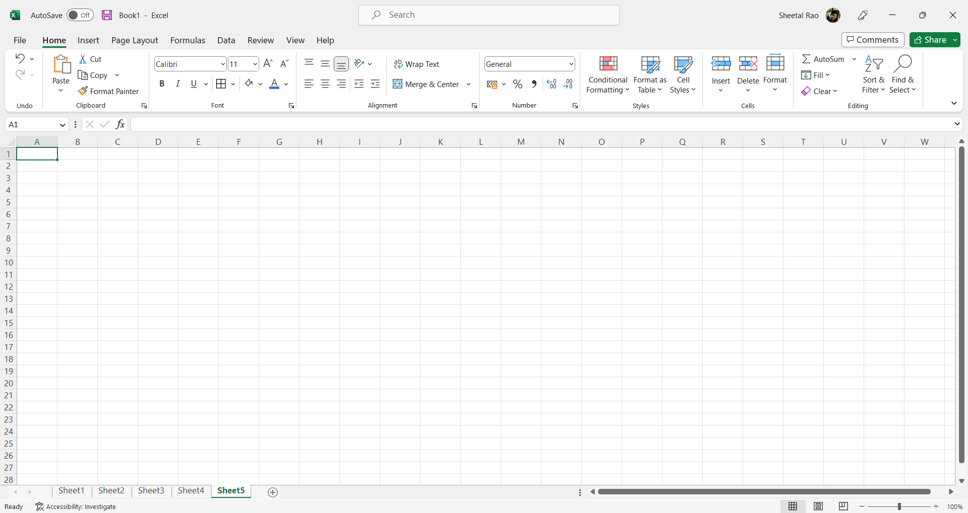

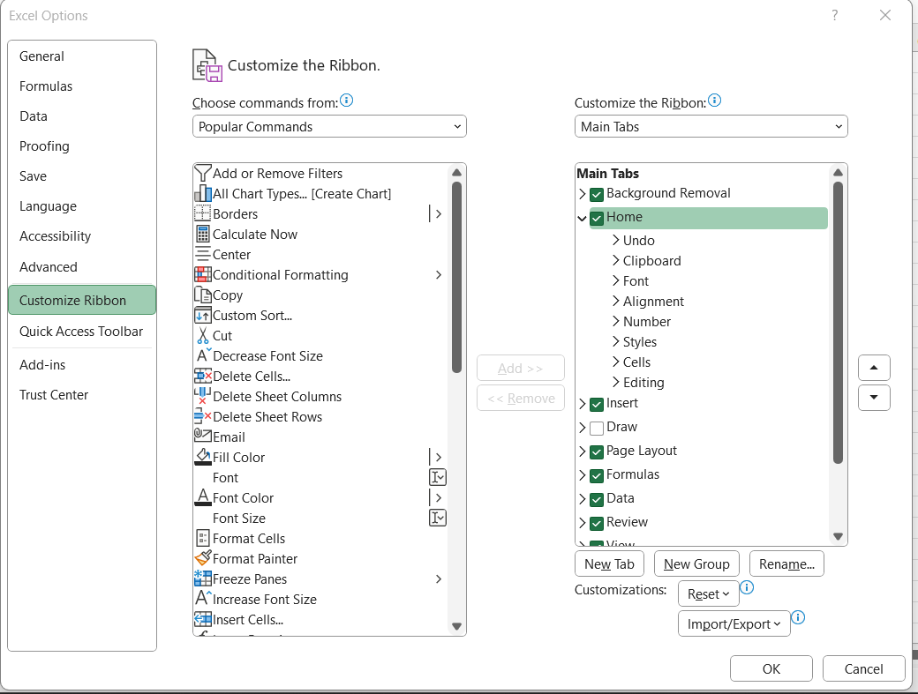

Renamed the New tab to Assignment 6
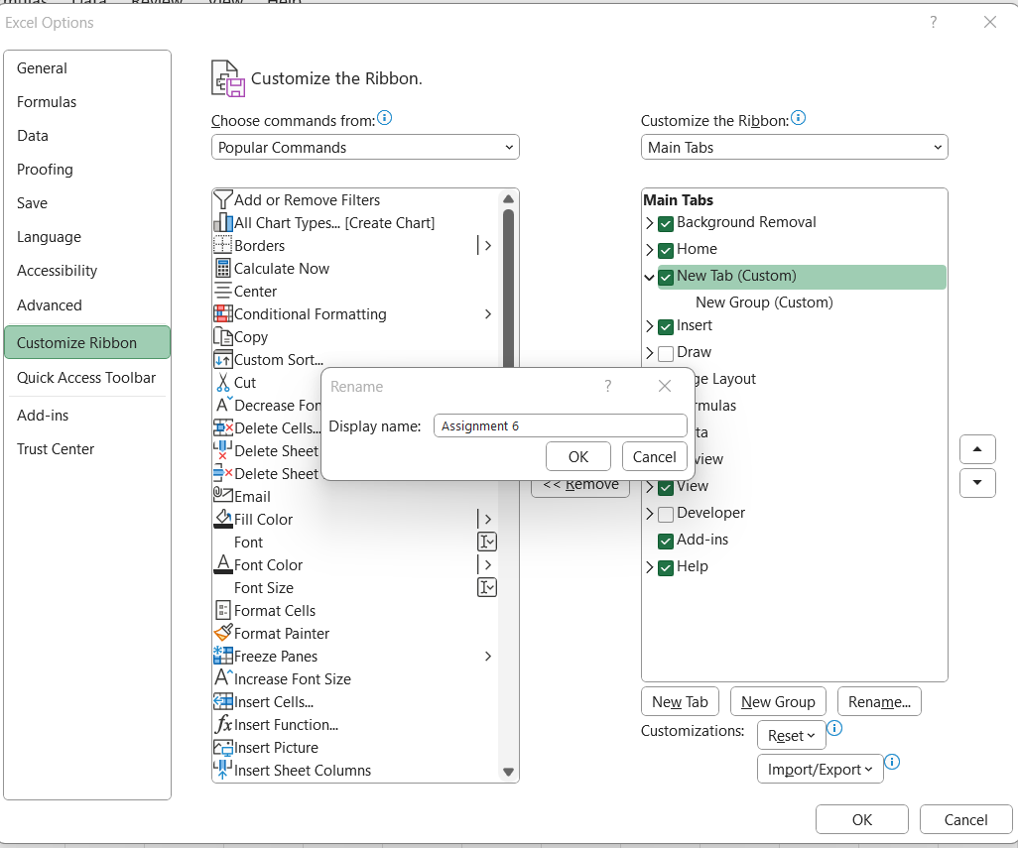

Added the commands from choose commands Borders, Format cells, Function selection and Calculate Now and renamed them.
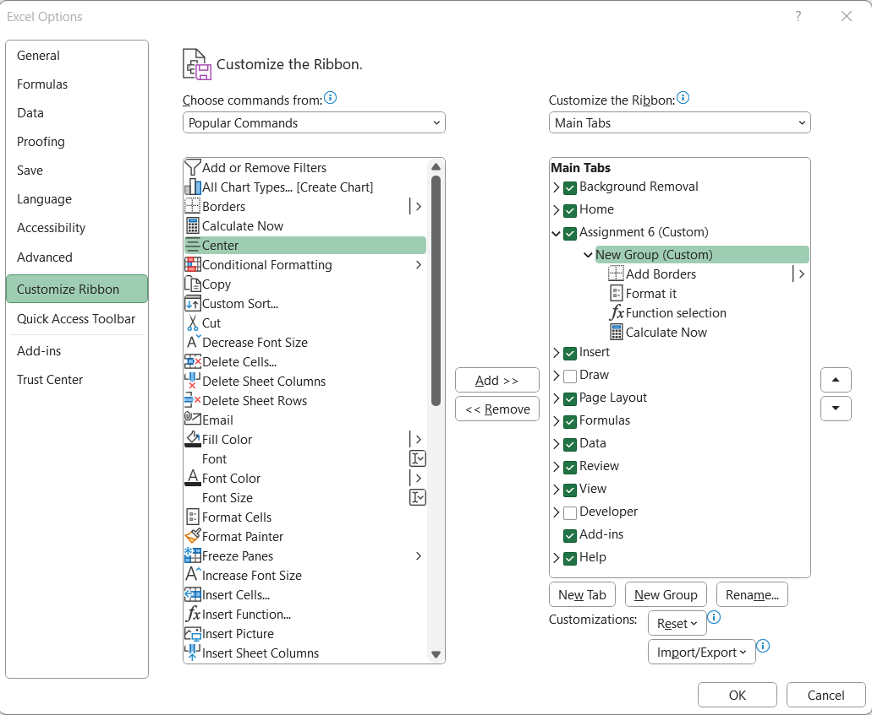

This is the make a new tab with different group and commands.
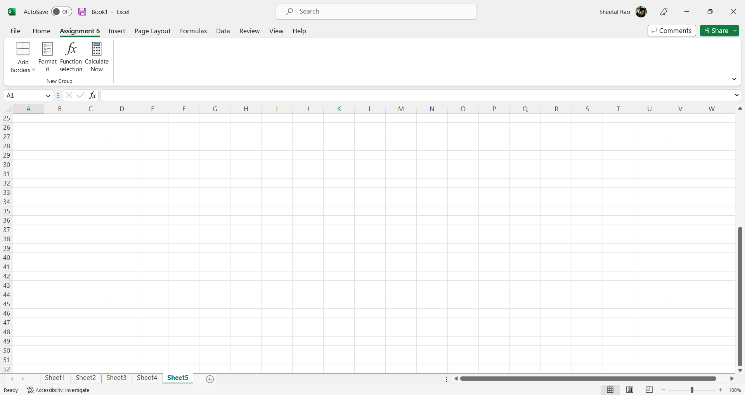

Q4. Make a list of different shortcut keys that are only connected to
formatting with their functions.
Excel Formatting Shortcuts | Their Functions
F2 | To edit a cell
Ctrl + C, Ctrl + V | To copy and paste cells
Ctrl + I, Ctrl + B | To italicize and make the font bold
Alt + H + A + C | To center align cell contents
Alt + H + H | To fill color
Alt + H + B | To add a border
Ctrl + Shift + _ | To remove outline border
Ctrl + Shift + & | To add an outline to the select cells
Tab | To move to the next cell
Shift + Tab | To move to the previous cell
Ctrl + Shift + Right arrow | To select all the cells on the right
Ctrl + Shift + Left Arrow | To select all the cells on the left
Ctrl + Shift + Down Arrow | To select the column from the selected cell to the end of the table
Ctrl + Shift + Up Arrow | To select all the cells above the selected cell
Ctrl + Shift + Down Arrow | To select all the cells below the selected cell

Q5. What distinguishes Excel from other analytical tools?
- Excel will use range of formulas to unlock the potential of data.
- You have to insert data in individual cells of columns and rows. In this way, data will be filtered and sorted and hence displayed in a presentable manner.
-Modelling, visualization, reports, dynamic charts, etc. It can help you understand the meaning of many operations before further learning other tools (such as Python and R).

Q6. Create a table and add a custom header and footer to your table.
Go to view - Page layout
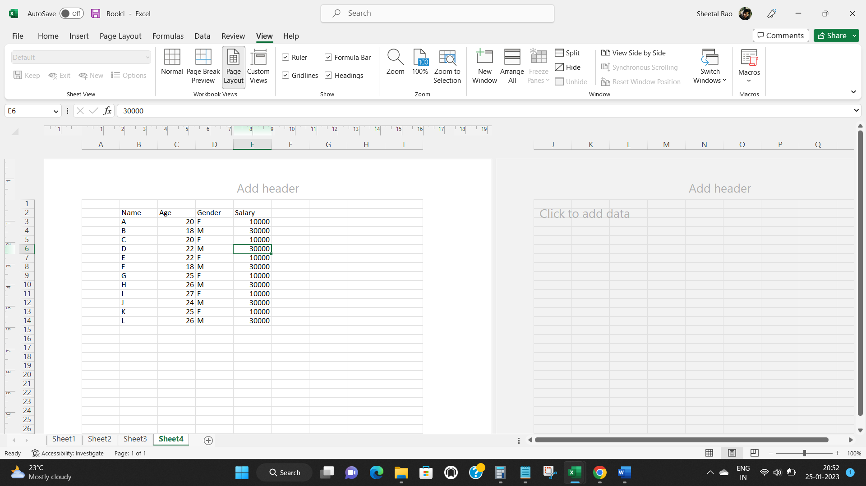

Click on the Header & Footer tab and added File Name in the header.
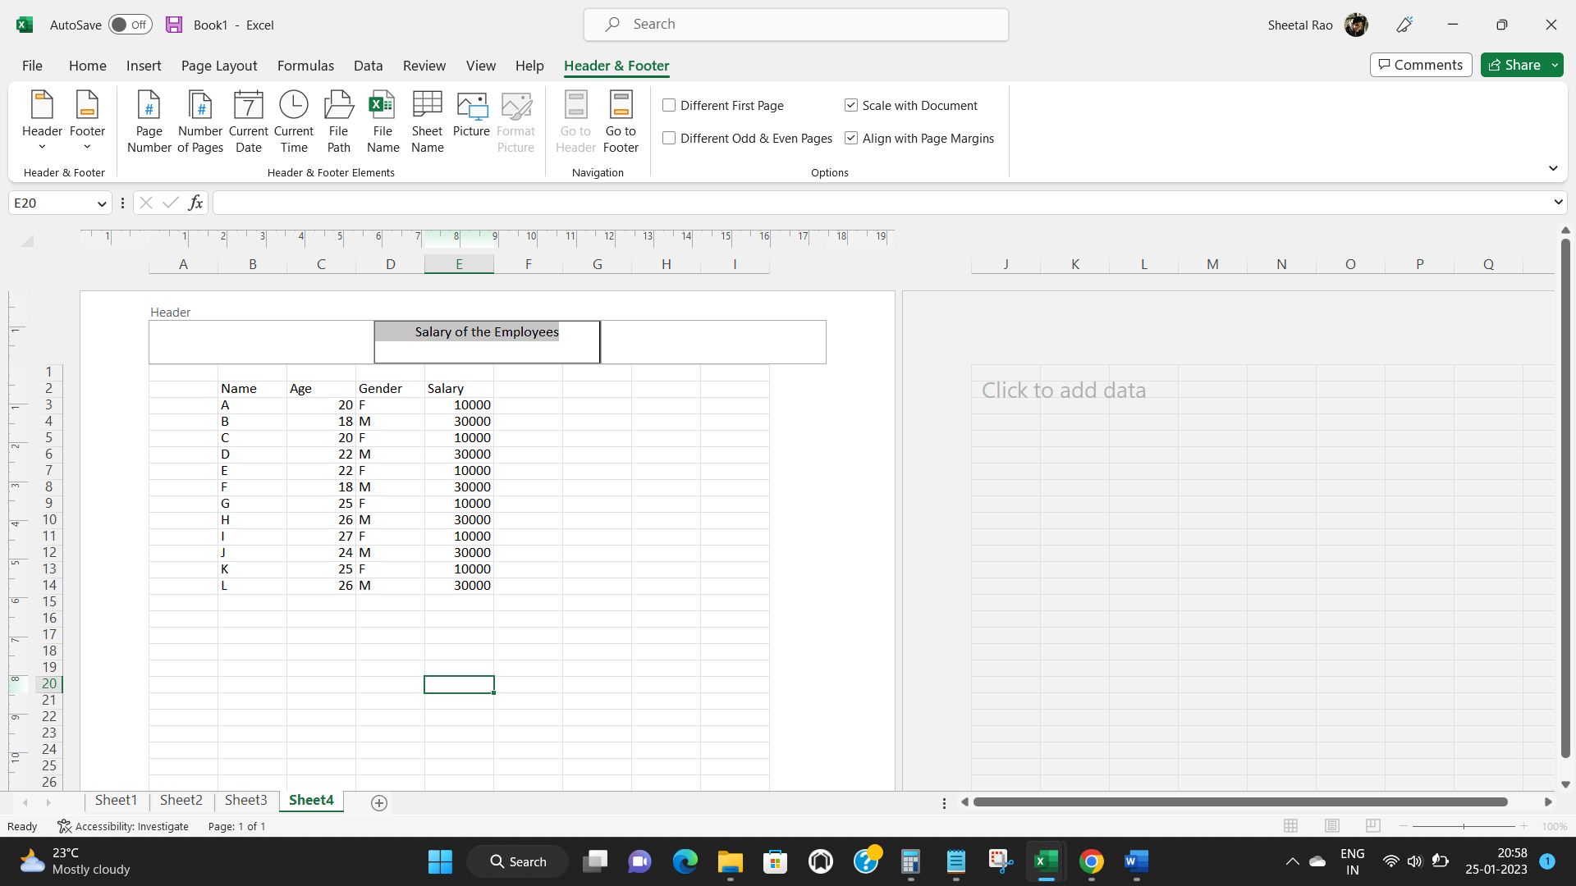

Click on Go to Footer and added the Footer Name.
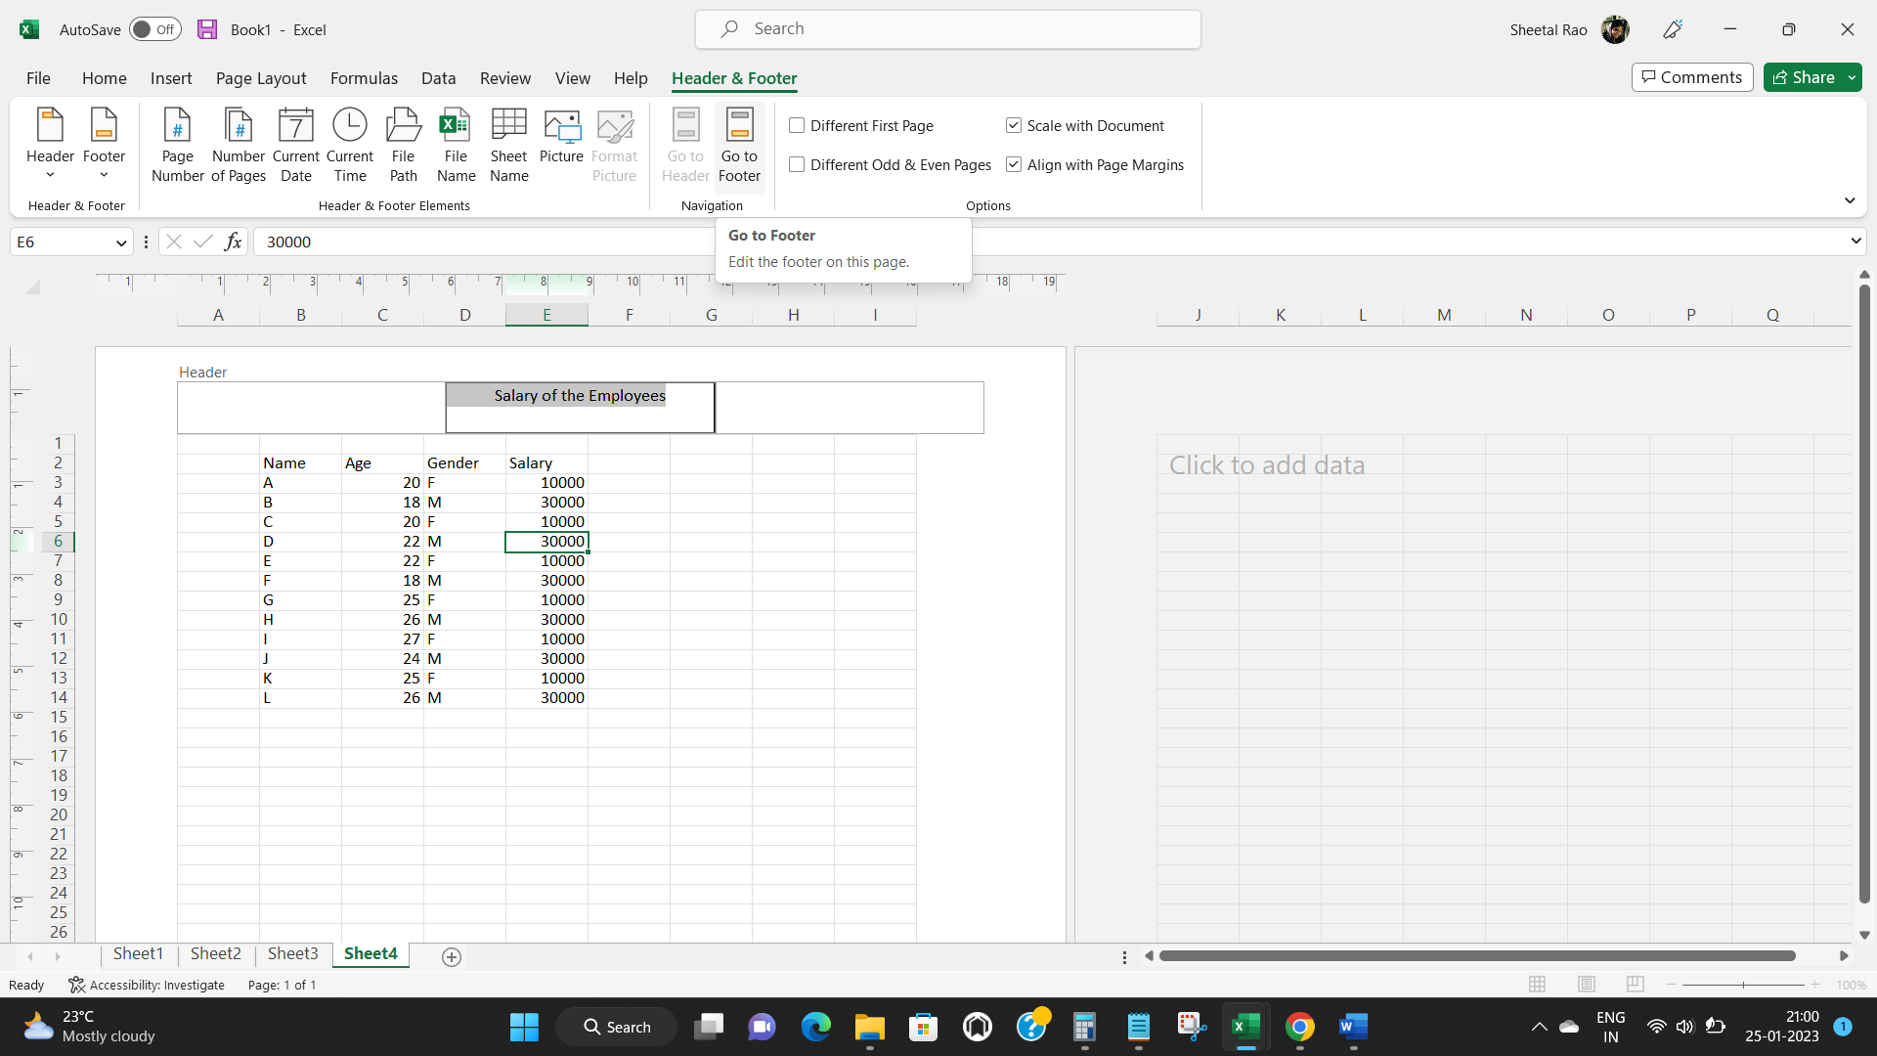

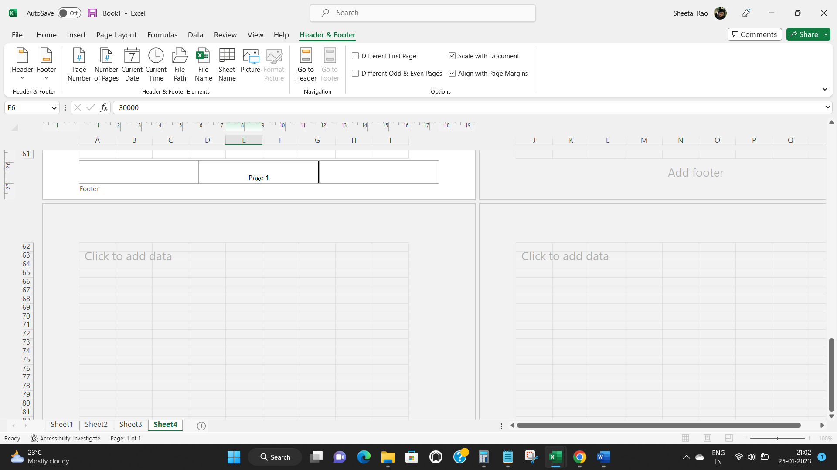

Hence this is the outcome in the Print preview

