PCB v1
Testplan PCB

Short | Test | No heat | Heat
 | No Heat ADC | x
 | No Heat DAC | x
 | No Heat ESP32 | x
 | No Heat capacitors | x

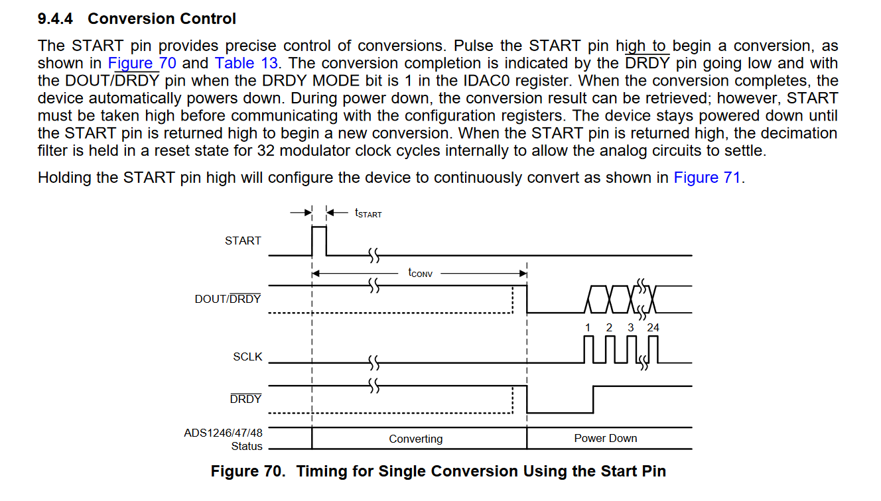
Comment | Everything seems fine , ADC is a little warm but temp stays constant

Volt and ground | Test | Present | Not present
 | 3,3 V where 3,3V should be | x
 | 5 V where 5V should be | x

Comment | 3,29V = 3,3V

GPIO's ESP32 | Test Input | Succes | Failed
 | GPIO39 / ADC 3 |  |  | forgot to document , recheck
 | GPIO34 / ADC 6 | x
 | GPIO35 / ADC 7 | x
 | GPIO32 / ADC 4 | x

Comment | Test is done with a analog light sensor

GPIO's ESP32 | Test output | Succes | Failed
 | GPIO36 / ADC0 ( SS DAC) |  | x | input only
 | GPIO39 / ADC 3 |  | x | input only
 | GPIO34 / ADC 6 |  | x | input only
 | GPIO35 / ADC 7 |  | x | input only
 | GPIO32 / ADC 4 | x
 | GPIO5 (SS OUTBOARD) | x
 | GPIO15 (SS ADC) | x
 | GPIO2 (START ADC) | x
 | GPIO8 (DRYD ADC) |  | x | only 1,17 volt doenst turn of
 | GPIO7 (RESET ADC) |  | x

Comment | date = 24/10/2020 . Maybey only input pins (39,34,35,32) ? Recheck datasheet
 | date = 25/10/2020 . Pin 33 went high in a previous test but not pin 32 ? Recheck pin .
 | data = 25/10/2020. Pin 36 is wrongly placed , should be an output , test should fail
 | date = 30/10/2020, Test completed , pin GPIO7 and GPIO8 failed (check datasheet)
 | date = 30/10/2020, GPIO8 needs to go low after converting (see 9,4,4) | GPIO8 can be used as MOSI
 | date = 30/10/2020, GPIO7 doesnt go high (see 9.4.2) | GPIO7 can be used as MISO

UART | Test | Succes | Failed
 | An UART module works |  |  | optional
 | Sending and recieving string | x

Comment | test done with psoc 4

I2C | Test | Succes | Failed
 | Reading data I2C sensor | x
 | Sending and recieving string

Comment | Test is done with a tempature sensor (SCL and SDA are switched)

SPI | Test | Succes | Failed
 | Reading data SPI sensor |  |  | optional
 | Sending and recieving charaters | x

Comment | test done with psoc 4

ADC 1247 | Test | Succes | Failed
 | Connection possible with SPI |  |  | cancelled due to hardware problems
 | Reading an analog sensor |  |  | cancelled due to hardware problems

Comment

DAC 70504 | Test | Succes | Failed
 | Connection possible with SPI |  |  | cancelled due to hardware problems
 | Output current is |  |  | cancelled due to hardware problems
Comment

