$Adc_MUX
$Key | $Address_Offset | $Bit | $BitSize | $Name | $Value | Description
$base | TRK_BA
$reg32 | 0x00000044 |  |  | TRK_MUX
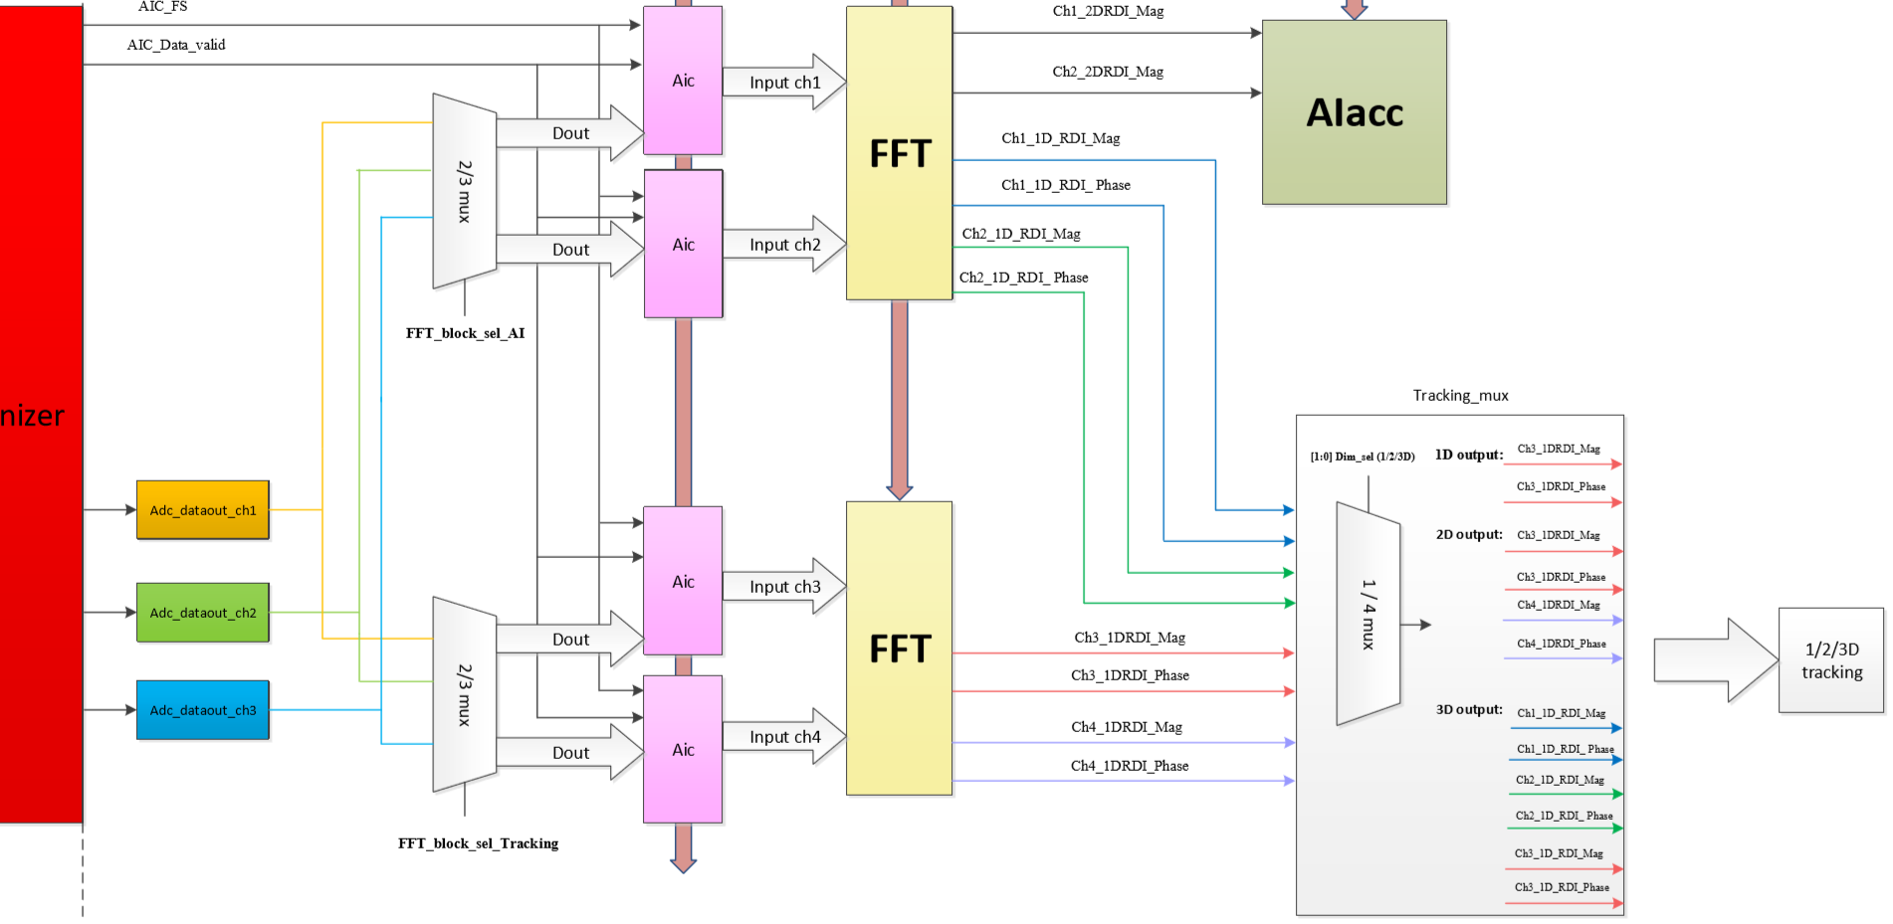
$UNSG32 |  | [3:0] |  | FFT_block_sel_AI | 1 | Select two channel data 0 = 4’b0000: adc_ch1, adc_ch2 1 = 4’b0001: adc_ch2, adc_ch3 2 = 4’b0010: adc_ch3, adc_ch1 3 = 4’b0011: adc_ch1, adc_ch1 4 = 4’b0100: adc_ch2, adc_ch1 5 = 4’b0101: adc_ch3, adc_ch2 6 = 4’b0110: adc_ch1, adc_ch3 7 = 4’b0111: adc_ch2, adc_ch2 8 = 4'b1000: adc_ch3, adc_ch3
$UNSG32 |  | [7:4] |  | FFT_block_sel_Tracking | 1 | Select two channel data 0 = 4’b0000: adc_ch1, adc_ch2 1 = 4’b0001: adc_ch2, adc_ch3 2 = 4’b0010: adc_ch3, adc_ch1 3 = 4’b0011: adc_ch1, adc_ch1 4 = 4’b0100: adc_ch2, adc_ch1 5 = 4’b0101: adc_ch3, adc_ch2 6 = 4’b0110: adc_ch1, adc_ch3 7 = 4’b0111: adc_ch2, adc_ch2 8 = 4'b1000: adc_ch3, adc_ch3
$UNSG32 |  | [9:8] |  | Dim_sel | 1 | Select 1D/2D/3D tracking 0 = 2’b00: 1D tracking select CH1 1 = 2’b01: 2D tracking select CH1,CH2 2 = 2’b10: 3D tracking select CH1,CH2,CH3 3 = 2’b11: 3D tracking select CH1,CH2,CH3 Default: 2D tracking select CH3,CH4
$reg32 | 0x00000004 |  |  | MISC0
$UNSG32 |  | [0:0] |  | Write Clear | 0 | Reset write pointer for SPI gesture recording FIFO The register WON’T be set back to 1’b0 automatically 1’b1: Reset 1’b0: Normal
$UNSG32 |  | [1:1] |  | Read Clear | 0 | Reset read pointer for SPI gesture recording FIFO The register WON’T be set back to 1’b0 automatically 1’b1: Reset 1’b0: Normal
$UNSG32 |  | [3:2] |  | Reserved | 0
$UNSG32 |  | [4:4] |  | S2P_Mode | 0 | ADC Serial-to-Parallel (S2P) output mode 1’b1: output testing data 1’b0: Normal
$UNSG32 |  | [5:5] |  | RAW_MODE_B | 0 | ENABLE RDI MODE
$UNSG32 |  | [7:6] |  | Reserved | 0
$UNSG32 |  | [10:8] |  | CH_Valid | 6 | S2P channel source selection {ch2 enable ,ch1 enable ,ch0 enable} 000: all off
$UNSG32 |  | [12:12] |  | opnode 2 inv | 1

