Sheet1
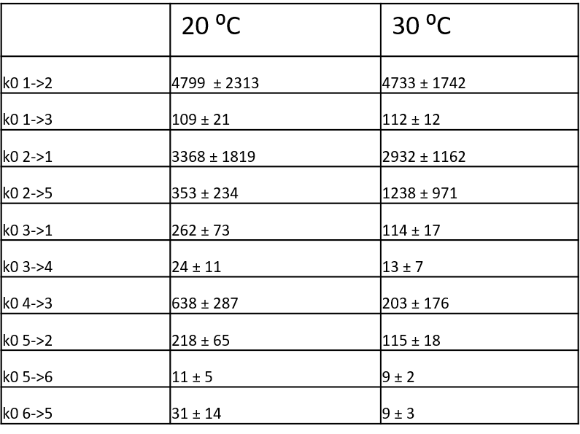
Closed
Open
1
3
4
k₁₂
2
5
6
k₂₁
States: From is column, to is row | 1 | 2 | 3 | 4 | 5 | 6
1 | 0 | 4799 | 109 | 0 | 0 | 0
2 | 3368 | 0 | 0 | 0 | 353 | 0
3 | 262 | 0 | 0 | 24 | 0 | 0
k₁₃
k₃₁
k₂₅
k₅₂
4 | 0 | 0 | 638 | 0 | 0 | 0
5 | 0 | 218 | 0 | 0 | 0 | 11.5
6 | 0 | 0 | 0 | 0 | 31 | 0
Closed is 0, open is 1 | 0 | 1 | 0 | 0 | 1 | 1
k₃₄
k₄₃
k₅₆
k₆₅

