Sheet1
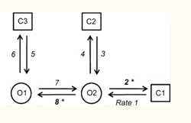
States: From is column, to is row | 1 | 2 | 3 | 4 | 5
1 | 0 | 0.37 | 0 | 0 | 0
2 | 286 | 0 | 1856 | 811 | 0 |  | 5 | 4
3 | 0 | 37 | 0 | 0 | 2395 |  | 3 | 2 | 1
4 | 0 | 148 | 0 | 0 | 0
5 | 0 | 0 | 5144 | 0 | 0

Closed is 0, open is 1 | 0 | 0 | 0 | 1 | 1

 |  |  |  |  |  | https://www.ncbi.nlm.nih.gov/pmc/articles/PMC2976020/

