Main
PACIFIC EARTHQUAKE ENGINEERING RESEARCH CENTER

WEIGHTED AVERAGE of 2014 NGA WEST-2 GMPEs
Last updated: 07 05 14
by Emel Seyhan, PhD, PEER & UCLA -- email: emel.seyhan@gmail.com, peer_center@berkeley.edu
This excel file will be updated as necessary on the PEER website to fix any typos or other errors. Please check the website frequently for new versions at: http://peer.berkeley.edu/ngawest2/databases/
 |  |  |  |  |  |  | Legend | Pre-defined option | Main input variable | Calculated variable | Input var. flag | Internal variable
GMPE averaging | Geometric | Weighted average of the natural logarithm of the spectral values
 |  |  |  |  |  |  | ASK14 | Abrahamson & Silva & Kamai 2014 NGA West-2 Model
GMPEs | ASK14 | BSSA14 | CB14 | CY14 | I14 |  | BSSA14 | Boore & Stewart & Seyhan & Atkinson 2014 NGA West-2 Model
Weight | 1 | 0 | 0 | 0 | 0 |  | CB14 | Campbell & Bozorgnia 2014 NGA West-2 Model
 |  |  |  |  |  |  | CY14 | Chiou & Youngs 2014 NGA West-2 Model
# of std. dev. | 1 |  |  |  |  |  | I14 | Idriss 2014 NGA West-2 Model
Damping ratio (%) | 5 | Modification factors are calculated in Sheet DSF

 |  | RotD50 Horizontal Component of PGA, PGV and IMs
Input variables | Errors and warnings |  |  | Baseline: 5% Damping |  |  |  | User defined: 5% Damping
 |  | GMP | T (s) | PSa Median for 5% damping | PSa Median + 1.σ for 5% damping | PSa Median - 1.σ for 5% damping | Sd Median for 5% damping | PSa Median for 5% damping | PSa Median + 1.σ for 5 % damping | PSa Median - 1.σ for 5 % damping | Sd Median for 5 % damping
Mw |  | PSa (g), Sd (cm) | 0.01 | 0.36458311742 | 0.66864187012 | 0.19879229143 | 0.00090502982832 | 0.36458311742 | 0.66864187012 | 0.19879229143 | 0.00090502982832
8 |  |  | 0.02 | 0.36944930155 | 0.67530235248 | 0.20212099945 | 0.0036684379719 | 0.36944930155 | 0.67530235248 | 0.20212099945 | 0.0036684379719 |  | Pseudo Spectral Acceleration (5% damping) (g)
 |  |  | 0.03 | 0.37481894821 | 0.67592590764 | 0.20784710624 | 0.0083739504362 | 0.37444412926 | 0.67524998173 | 0.20763925913 | 0.0083655764858
RRUP (km) |  |  | 0.05 | 0.415215258 | 0.73846583469 | 0.2334619997 | 0.025767937112 | 0.415215258 | 0.73846583469 | 0.2334619997 | 0.025767937112
10 |  |  | 0.075 | 0.51431232705 | 0.90814764825 | 0.29127110582 | 0.071815104933 | 0.51585526403 | 0.91087209119 | 0.29214491914 | 0.072030550248
 |  |  | 0.1 | 0.6205629359 | 1.0991813209 | 0.35035016524 | 0.15404661941 | 0.62242462471 | 1.1024788649 | 0.35140121574 | 0.15450875927
RJB (km) |  |  | 0.15 | 0.83398918672 | 1.5076554456 | 0.46133747973 | 0.46581050313 | 0.83649115428 | 1.5121784119 | 0.46272149217 | 0.46720793464
10 |  |  | 0.2 | 0.99286782155 | 1.8653527544 | 0.52847189828 | 0.98586572022 | 0.99485355719 | 1.8690834599 | 0.52952884207 | 0.98783745166
 |  |  | 0.25 | 1.039335022 | 2.0349235437 | 0.53083925015 | 1.6125081491 | 1.0424530271 | 2.0410283143 | 0.5324317679 | 1.6173456735
RX (km) |  |  | 0.3 | 0.94168201334 | 1.8636823708 | 0.47581338331 | 2.1038420134 | 0.94356537737 | 1.8674097355 | 0.47676501008 | 2.1080496974
10 |  |  | 0.4 | 0.76972742854 | 1.5363963351 | 0.38562986692 | 3.0571960103 | 0.77126688339 | 1.5394691278 | 0.38640112665 | 3.0633104024
 |  |  | 0.5 | 0.66693542591 | 1.3426592696 | 0.33128498974 | 4.1389495645 | 0.66760236134 | 1.3440019288 | 0.33161627473 | 4.143088514
Ry0 (km) | If unknown use 999 |  | 0.75 | 0.49338249436 | 1.0061667929 | 0.24193432684 | 6.8892604243 | 0.49338249436 | 1.0061667929 | 0.24193432684 | 6.8892604243
999 |  |  | 1 | 0.38051847241 | 0.78614238011 | 0.18418331273 | 9.4458725955 | 0.38013795394 | 0.78535623773 | 0.18399912942 | 9.4364267229
 |  |  | 1.5 | 0.25551192635 | 0.5324939186 | 0.12260486407 | 14.27118491 | 0.25576743827 | 0.53302641252 | 0.12272746893 | 14.285456095
VS30 (m/sec) |  |  | 2 | 0.1861466351 | 0.39133698514 | 0.088544070899 | 18.483385451 | 0.18577434183 | 0.39055431117 | 0.088366982757 | 18.44641868
490 |  |  | 3 | 0.12342517285 | 0.25722147254 | 0.059224345243 | 27.574814053 | 0.12342517285 | 0.25722147254 | 0.059224345243 | 27.574814053
 |  |  | 4 | 0.0946824307 | 0.19561171617 | 0.04582937494 | 37.605876919 | 0.094587748269 | 0.19541610446 | 0.045783545565 | 37.568271042
U (BSSA13) | 1: Unspecified fault mech. |  | 5 | 0.075957127646 | 0.15692567232 | 0.036765719432 | 47.138404735 | 0.075805213391 | 0.15661182098 | 0.036692187993 | 47.044127926
1 |  |  | 7.5 | 0.048487825755 | 0.10017472872 | 0.023469684186 | 67.705129965 | 0.048293874452 | 0.099774029801 | 0.02337580545 | 67.434309445
 |  |  | 10 | 0.033176366216 | 0.06854160676 | 0.016058439937 | 82.355983003 | 0.033043660752 | 0.068267440332 | 0.015994206177 | 82.026559071
FRV | 1: reverse fault
0 |  | PGA (g) | 0 | 0.36458311742 | 0.66864187012 | 0.19879229143 | 0.00090502982832 | 0.36458311742 | 0.66864187012 | 0.19879229143 | 0.00090502982832
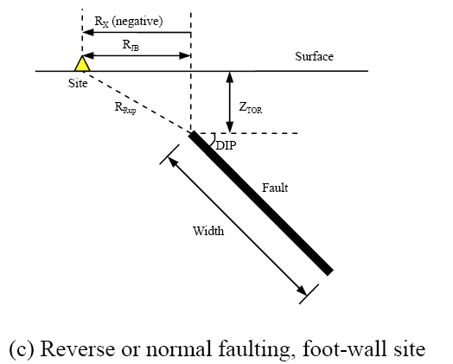
 |  | PGV (cm/s) | -1 | 44.324588069 | 83.725425698 | 23.465621 | 0.11002998333 | NA | NA | NA | NA
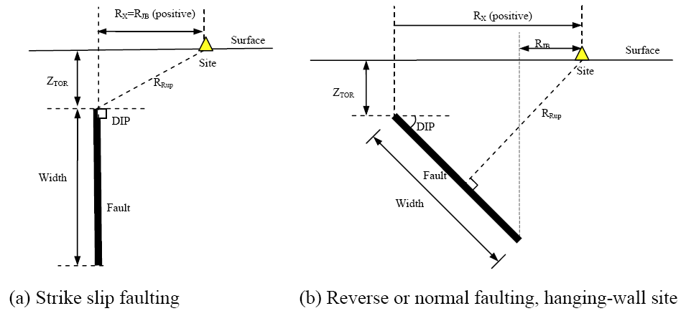
FNM | 1: normal fault
0

FHW | 1: hanging wall side
0

Dip (deg)
90

ZTOR (km) | If unknown use 999
999

ZHYP (km) | If unknown use 999
999
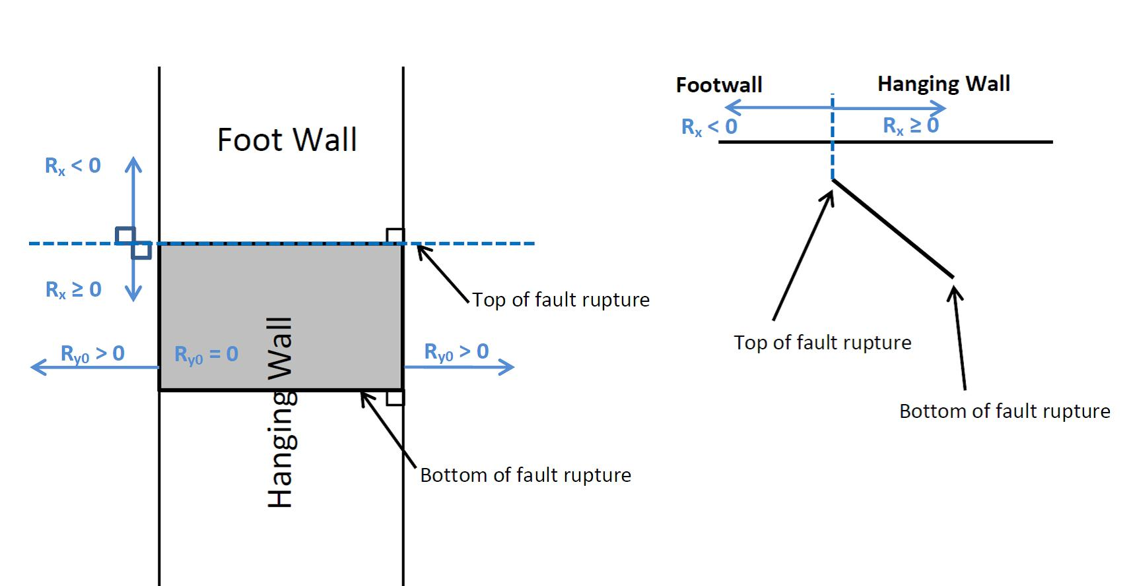
Courtesy: Jennifer Donahue
Z1.0 (km) | If unknown use 999
999

Z2.5 (km) | If unknown use 999
999

W (km) | If unknown use 999
999

Vs30Flag
inferred | Choose options for Vs30 from the list

FAS |  |  |  |  | Definition of Parameters
no | Aftershock effect is not applicable. |  |  |  | Damping ratio | = Viscous damping ratio (%) See Sanaz et al. (2012) PEER Report
 |  |  |  |  | PSA | = Pseudo-absolute acceleration response spectrum (g)
Region |  |  |  |  | PGA | = Peak ground acceleration (g)
California | Choose region from the list |  |  |  | PGV | = Peak ground velocity (cm/s)
 |  |  |  |  | Sd | = Relative displacement response spectrum (cm)
Calculated Variables/Flags |  |  |  |  | Mw | = Moment magnitude
 |  |  |  |  | RRUP | = Closest distance to coseismic rupture (km), used in ASK13, CB13 and CY13. See Figures a, b and c for illustation
DDPP | Always 0 for median calcs. |  |  |  | RJB | = Closest distance to surface projection of coseismic rupture (km). See Figures a, b and c for illustation
0 |  |  |  |  | RX | = Horizontal distance from top of rupture measured perpendicular to fault strike (km). See Figures a, b and c for illustation
 |  |  |  |  | Ry0 | = The horizontal distance off the end of the rupture measured parallel to strike (km)
PGAr (g) |  |  |  |  | VS30 | = The average shear-wave velocity (m/s) over a subsurface depth of 30 m
See Comment -> | Applied in the macro |  |  |  | U | = Unspecified-mechanism factor: 1 for unspecified; 0 otherwise
 |  |  |  |  | FRV | = Reverse-faulting factor: 0 for strike slip, normal, normal-oblique; 1 for reverse, reverse-oblique and thrust
ZBOT (km) (CB14) | Enter for default W calcs |  |  |  | FNM | = Normal-faulting factor: 0 for strike slip, reverse, reverse-oblique, thrust and normal-oblique; 1 for normal
15 |  |  |  |  | FHW | = Hanging-wall factor: 1 for site on down-dip side of top of rupture; 0 otherwise
 |  |  |  |  | Dip | = Average dip of rupture plane (degrees)
SS |  |  |  |  | ZTOR | = Depth to top of coseismic rupture (km)
0 | auto calculated |  |  |  | ZHYP | = Hypocentral depth from the earthquake
 |  |  |  |  | Z1.0 | = Depth to Vs=1 km/sec
Vs30Flag |  |  |  |  | Z2.5 | = Depth to Vs=2.5 km/sec
0 | inferred |  |  |  | W | = Fault rupture width (km)
 |  |  |  |  | Vs30flag | = 1 for measured, 0 for inferred Vs30
FAS |  |  |  |  | FAS | = 0 for mainshock; 1 for aftershock
0 | Aftershock effect is not applicable. |  |  |  | Region | = Specific regions considered in the models, Click on Region to see codes
 |  |  |  |  | DDPP | = Directivity term, direct point parameter; uses 0 for median predictions
Region |  |  |  |  | PGAr (g) | = Peak ground acceleration on rock (g), this specific cell is updated in the cell for BSSA14 and CB14, for others it is taken account for in the macros
0 | California |  |  |  | ZBOT (km) | = The depth to the bottom of the seismogenic crust
 |  |  |  |  | ZBOR(km) | = The depth to the bottom of the rupture plane
Option for Sa value |  |  |  |  | SS | = 1 for strike slip, automatically updated in the cell
1 | Weighted average of the natural logarithm of the spectral values

Input variables with defaults (If entered 999 as input):
 |  | Red colored value: The value is used in the code when input is unknown
DEFAULTs | USER defined | ASK14 | BSSA14 | CB14 | CY14 | I14
W (km) | 999.00 |  |  | 15.000
Z1.0 (km) | 999.000 | 0.259 |  |  | 0.241
dZ1.0 (km) | 0.000 |  | 0.000
Z2.5 (VS30=1100)(km) | 999.000 |  |  | 0.398
Z2.5 (VS30)(km) | 999.000 |  |  | 1.003
Zhyp (km) | 999.00 |  |  | 10.227
Ztor (km) | 999.00 |  |  | 0.000 | 0.000
ZBOR (km) | - |  |  | 15.000

ACKNOWLEDGEMENTS
Nick Gregor, Bechtel
Silvia Mazzoni, Consultant
Sanaz Rezaeian, USGS

All NGA West-2 participants are acknowledged for their constructive comments and feedback.

ASK14
ABRAHAMSON - SILVA - KAMAI NGA-WEST2 MODEL COEFFICIENTS [ASK14] (EQS 2014) & Dec13 Revisions (Kamai, pers. comm.):

Input variables | Errors and warnings |  |  | ASK_14 (M, Rrup, Rjb, Rx, Frv, Fnm, Fhw, FAS, Ztor, W, dip, Vs30, Z1, Ry0, Region, T)
 |  |  |  | Visual Basic Calculations
M |  | GMP | T (s) | Median | s
8.00 |  | PSa (g) | 0.01 | 0.3646 | 0.6065
 |  |  | 0.02 | 0.3694 | 0.6031
RRUP |  |  | 0.03 | 0.3748 | 0.5896
10.00 |  |  | 0.05 | 0.4152 | 0.5758
 |  |  | 0.075 | 0.5143 | 0.5686
RJB |  |  | 0.1 | 0.6206 | 0.5717
10.00 |  |  | 0.15 | 0.8340 | 0.5921
 |  |  | 0.2 | 0.9929 | 0.6306
RX |  |  | 0.25 | 1.0393 | 0.6719
10.00 |  |  | 0.3 | 0.9417 | 0.6826
 |  |  | 0.4 | 0.7697 | 0.6912
Ry0 |  |  | 0.5 | 0.6669 | 0.6997
999 |  |  | 0.75 | 0.4934 | 0.7126
 |  |  | 1 | 0.3805 | 0.7256
VS30 |  |  | 1.5 | 0.2555 | 0.7343
490 |  |  | 2 | 0.1861 | 0.7430
 |  |  | 3 | 0.1234 | 0.7343
FRV |  |  | 4 | 0.0947 | 0.7256
0 |  |  | 5 | 0.0760 | 0.7256
 |  |  | 7.5 | 0.0485 | 0.7256
FNM |  |  | 10 | 0.0332 | 0.7256
0
 |  | PGA (g) | 0 | 0.3646 | 0.6065
FHW |  | PGV (cm/s) | -1 | 44.3246 | 0.6360
0

d
90

ZTOR
999.0000

Z1.0
999.00

Z1.0 (AS calc)
0.259 | <- DEFAULT

W
999.00

Vs30flag | 1 if measured
0

FAS
0 | Aftershock effect is turned off.

Region
0

Input variables with defaults (If entered 999 as input):

Z1.0 (ASK calc)
0.259

BSSA14
BOORE - STEWART - SEYHAN - ATKINSON - NGA-WEST2 MODEL COEFFICIENTS [BSSA14] (EQS 2013) & sigma updates:

Input variables | Errors and warnings |  |  | BSSA_14 (M, Rjb, U, RS, NS, Vs30, Region, Z1, PGAr, T)
 |  |  |  | Visual Basic Calculations
M |  | GMP | T (s) | Median | s
8.00 |  | PSa (g) | 0.01 | 0.3834 | 0.6067
 |  |  | 0.020 | 0.3807 | 0.6097
RRUP (km) |  |  | 0.030 | 0.3964 | 0.6298
10.00 |  |  | 0.050 | 0.4530 | 0.6815
 |  |  | 0.075 | 0.5401 | 0.7148
RJB (km) |  |  | 0.10 | 0.6165 | 0.7088
10.00 |  |  | 0.15 | 0.7393 | 0.6625
 |  |  | 0.20 | 0.7903 | 0.6213
VS30 (m/s) |  |  | 0.25 | 0.7880 | 0.6082
490 |  |  | 0.30 | 0.7740 | 0.6059
 |  |  | 0.40 | 0.7158 | 0.6168
U | 0: Specified fault mech. |  | 0.50 | 0.6528 | 0.6395
1 |  |  | 0.75 | 0.4964 | 0.6765
 |  |  | 1.0 | 0.3980 | 0.6924
FRV |  |  | 1.5 | 0.2847 | 0.6945
0 |  |  | 2.0 | 0.2179 | 0.7001
 |  |  | 3.0 | 0.1632 | 0.7082
FNM |  |  | 4.0 | 0.1350 | 0.7080
0 |  |  | 5.0 | 0.1147 | 0.7065
 |  |  | 7.5 | 0.0769 | 0.6891
Z1 (km) | If unknown use 999 |  | 10.0 | 0.0521 | 0.6496
999.00
 |  | PGA (g) | 0 | 0.3802 | 0.6051
Region |  | PGV (cm/s) | -1 | 53.5973 | 0.6515
0

SS
0 | Auto calculated

Input variables with defaults (If entered 999 as input):

PGAr (g) | Applied in the macro
0.3142

dz1 | 0: DEFAULT
0.00000

Definition of Parameters

PSA
PGA
PGV
A1100
M
RRUP
RJB
RX
FRV
FNM
ZHYP
ZTOR
ZBOR
ZBOT
W
d
VS30
Z2.5
SJ
SJP
SCH

CB14
CAMPBELL-BOZORGNIA NGA-WEST2 MODEL COEFFICIENTS [CB14] (EQS 2013) & c0 updates:

Input variables | Errors and warnings |  |  | CB_14 (M, Rrup, Rjb, Rx, Frv, Fnm, Fhw,Ztor, W, del, Vs30, Z25, Zhyp, Wd, Zhypd, Region, A, T)
 |  |  |  | Visual Basic Calculations
M |  | GMP | T (s) | Median | s
8.00 |  | PSa (g) | 0.01 | 0.3588 | 0.5363
 |  |  | 0.020 | 0.3702 | 0.5387
RRUP |  |  | 0.030 | 0.4116 | 0.5466
10.00 |  |  | 0.050 | 0.5111 | 0.5597
 |  |  | 0.075 | 0.6023 | 0.5894
RJB |  |  | 0.10 | 0.6524 | 0.6008
10.00 |  |  | 0.15 | 0.7121 | 0.5876
 |  |  | 0.20 | 0.7091 | 0.5864
RX |  |  | 0.25 | 0.7279 | 0.5881
10.00 |  |  | 0.30 | 0.7290 | 0.6166
 |  |  | 0.40 | 0.7304 | 0.6457
VS30 |  |  | 0.50 | 0.6562 | 0.6652
490 |  |  | 0.75 | 0.4702 | 0.7120
 |  |  | 1.0 | 0.3956 | 0.7204
FRV |  |  | 1.5 | 0.3012 | 0.7231
0 |  |  | 2.0 | 0.2407 | 0.7112
 |  |  | 3.0 | 0.1782 | 0.7127
FNM |  |  | 4.0 | 0.1401 | 0.6833
0 |  |  | 5.0 | 0.1081 | 0.6934
 |  |  | 7.5 | 0.0511 | 0.7000
FHW |  |  | 10.0 | 0.0260 | 0.6976
0
 |  | PGA (g) | 0 | 0.3552 | 0.5347
d |  | PGV (cm/s) | -1 | 60.6582 | 0.5764
90

ZTOR | If unknown use 999
999.00

ZHYP | If unknown use 999
999.0000

Z2.5 | If unknown use 999
999.0000

W | If unknown use 999
999.0000

ZBOT
15.00

Region
0

Z2.5 (Vs30=1100)
0.3975

Input variables with defaults (If entered 999 as input):

A1100
0.3245

Z2.5 (Vs30) | Default
1.0026

ZTOR (M,F)
0.0000

Z2.5 (Vs30=1100)
0.3975

ZHYP ( M,ZBOR,ZTOR,d)
10.2267

W (M,ZBOT,ZTOR,d)
15.0000

ZBOR (W,d)
15.0000

CY14
CHIOU - YOUNGS NGA-WEST2 MODEL COEFFICIENTS [CY14] (DEC 2014, EQS):

Input variables | Errors and warnings |  |  | CY_14 (M, Rrup, Rjb, Rx, Vs30, Frv, Fnm, Fhw, del, Ztor, Region, Z1, DDPP, T)
 |  |  |  | Visual Basic Calculations
M |  | GMP | T (s) | Median | s
8.00 |  | PSa (g) | 0.010 | 0.4242 | 0.5524
 |  |  | 0.020 | 0.4271 | 0.5553
RRUP |  |  | 0.030 | 0.4554 | 0.5674
10.00 |  |  | 0.050 | 0.5571 | 0.5760
 |  |  | 0.075 | 0.7058 | 0.5778
RJB |  |  | 0.10 | 0.8142 | 0.5818
10.00 |  |  | 0.15 | 0.9378 | 0.5947
 |  |  | 0.20 | 0.9879 | 0.6079
RX |  |  | 0.25 | 0.9890 | 0.6197
10.00 |  |  | 0.30 | 0.9611 | 0.6297
 |  |  | 0.40 | 0.8806 | 0.6451
VS30 |  |  | 0.5 | 0.7997 | 0.6564
490 |  |  | 0.8 | 0.5995 | 0.6746
 |  |  | 1.0 | 0.4502 | 0.6830
FRV |  |  | 1.5 | 0.2809 | 0.6918
0 |  |  | 2.0 | 0.2002 | 0.6915
 |  |  | 3.0 | 0.1242 | 0.6886
FNM |  |  | 4.0 | 0.0842 | 0.6868
0 |  |  | 5.0 | 0.0592 | 0.6838
 |  |  | 7.5 | 0.0300 | 0.6778
FHW |  |  | 10.0 | 0.0182 | 0.6736
0
 |  | PGA (g) | 0 | 0.4242 | 0.5524
d |  | PGV (cm/s) | -1 | 46.4364 | 0.5381
90

ZTOR | Rrup cannot be less than Ztor
999.0000 | ! Not Applicable !

Z1.0 | If unknown use 999
999.000

Vs30flag
0

Region
0

DDPP
0

SJp-It
0

SWn
0

Input variables with defaults (If entered 999 as input):

ZTOR (M,F)
0.0000

Z1.0 (SJ,VS30)
0.2411

I14
IDRISS NGA-WEST2 MODEL COEFFICIENTS [I14] (MAY 2013, PEER REPORT 2013/08):

Input variables | Errors and warnings |  |  | I_14 (M, Rrup, F, Vs30, T)
 |  |  |  | Visual Basic Calculations
M |  | GMP | T (s) | Median | s
8.00 |  | PSa (g) | 0.010 | 0.6634 | 0.6251
 |  |  | 0.020 | 0.6815 | 0.6251
Rrup(km) |  |  | 0.030 | 0.7479 | 0.6251
10.00 |  |  | 0.050 | 0.7098 | 0.6251
 |  |  | 0.075 | 0.9091 | 0.6393
VS30 (m/s) |  |  | 0.10 | 1.0693 | 0.6494
490 |  |  | 0.15 | 1.2349 | 0.6636
 |  |  | 0.20 | 1.1408 | 0.6737
F |  |  | 0.25 | 1.0175 | 0.6815
0 |  |  | 0.30 | 0.8473 | 0.6879
 |  |  | 0.40 | 0.6936 | 0.6979
 |  |  | 0.50 | 0.6183 | 0.7057
 |  |  | 0.75 | 0.3784 | 0.7199
 |  |  | 1.0 | 0.2866 | 0.7300
 |  |  | 1.5 | 0.1799 | 0.7442
 |  |  | 2.0 | 0.1391 | 0.7543
 |  |  | 3.0 | 0.1347 | 0.7685
 |  |  | 4.0 | 0.1141 | 0.7685
 |  |  | 5.0 | 0.1127 | 0.7685
 |  |  | 7.5 | 0.0835 | 0.7685
 |  |  | 10.0 | 0.0537 | 0.7685

 |  | PGA (g) | 0 | 0.6634 | 0.6251
 |  | PGV (cm/s) | -1 | - | -

DSF
 | By: Sanaz Rezaeian (sanazr128@yahoo.com)
 | I.M. Idriss, Yousef Bozorgnia, Ken Campbell, Norm Abrahamson, Walt Silva

Damping Scaling Factor (DSF) calculation:

Definition:
DSF = (Pseudo-Spectral Acceleration for beta damping) / (Pseudo-Spectral Acceleration for 5% damping)

Model:
ln(DSF) = [ b0 + b1*ln(beta) + b2*((ln(beta))^2) ] + [ b3 + b4*ln(beta) + b5*((ln(beta))^2) ] * M + [ b6 + b7*ln(beta) + b8*((ln(beta))^2) ] * ln(Rrup+1) + epsilon
Stdv (ln(DSF)) = abs [ a0*ln(beta/5) + a1*((ln(beta/5))^2) ]

For the use of DSF in Main Sheet: It is assumed that standard deviation of GMPE is the same for 5% and B%

User Defined Parameters:
M= | 8.00 | (moment magnitude)
Rrup= | 10.00 | (closest distance, km)
beta= | 5 | (damping ratio, %)

T | b0 | b1 | b2 | b3 | b4 | b5 | b6 | b7 | b8 | a0 | a1 | SE of sigma | const. | M term | R term | ln(DSF) | DSF | if beta<=5 | if beta>5 | Stdv
0.01 | 1.73E-03 | -2.07E-04 | -6.29E-04 | 1.08E-06 | -8.24E-05 | 7.36E-05 | -1.07E-03 | 9.08E-04 | -2.02E-04 | -3.70E-03 | 2.30E-04 | 1.88E-04 | -2.32E-04 | 4.73E-04 | -0.00031620813588 | -7.58E-05 | 1 | 0.000 | 0.000 | 0.000
0.02 | 5.53E-02 | -3.77E-02 | 2.15E-03 | -4.30E-03 | 3.21E-03 | -3.32E-04 | -4.75E-03 | 2.52E-03 | 2.29E-04 | -2.19E-02 | 2.11E-03 | 4.99E-04 | 1.93E-04 | 5.06E-05 | -0.00024228324351 | 1.59E-06 | 1 | 0.000 | 0.000 | 0.000
0.03 | 1.22E-01 | -7.02E-02 | -2.28E-03 | -3.21E-03 | 6.91E-05 | 9.82E-04 | -1.30E-02 | 7.82E-03 | 2.27E-04 | -5.21E-02 | 4.60E-03 | 1.04E-03 | 3.11E-03 | -4.44E-03 | 0.00041675514479 | -9.13E-04 | 0.999 | 0.000 | 0.000 | 0.000
0.05 | 2.39E-01 | -1.06E-01 | -2.63E-02 | -8.57E-04 | -7.43E-03 | 4.87E-03 | -1.69E-02 | 8.08E-03 | 1.71E-03 | -9.57E-02 | 1.31E-03 | 4.70E-03 | 2.75E-04 | -1.60E-03 | 0.0012796485768 | -4.87E-05 | 1 | 0.000 | 0.000 | 0.000
0.075 | 3.05E-01 | -7.32E-02 | -7.29E-02 | 2.02E-04 | -1.64E-02 | 1.03E-02 | -9.26E-04 | -6.40E-03 | 4.42E-03 | -1.21E-01 | -5.79E-03 | 4.60E-03 | -1.64E-03 | 3.90E-03 | 0.0005339654818 | 2.79E-03 | 1.003 | 0.000 | 0.000 | 0.000
0.1 | 2.69E-01 | 4.18E-03 | -1.07E-01 | 5.80E-03 | -2.49E-02 | 1.34E-02 | 2.35E-02 | -2.37E-02 | 5.84E-03 | -1.24E-01 | -1.08E-02 | 3.80E-03 | -1.43E-03 | 3.48E-03 | 0.0011596638201 | 3.21E-03 | 1.003 | 0.000 | 0.000 | 0.000
0.15 | 1.41E-01 | 1.00E-01 | -1.18E-01 | 3.01E-02 | -4.09E-02 | 1.41E-02 | 3.16E-02 | -2.47E-02 | 3.15E-03 | -1.15E-01 | -1.14E-02 | 3.97E-03 | -3.71E-03 | 6.38E-03 | 1.5102673186E-05 | 2.68E-03 | 1.003 | 0.000 | 0.000 | 0.000
0.2 | 5.01E-02 | 1.45E-01 | -1.11E-01 | 4.69E-02 | -4.77E-02 | 1.18E-02 | 3.10E-02 | -2.29E-02 | 2.41E-03 | -1.08E-01 | -8.85E-03 | 4.64E-03 | -4.05E-03 | 5.56E-03 | 0.000926718554 | 2.43E-03 | 1.002 | 0.000 | 0.000 | 0.000
0.25 | 2.28E-02 | 1.43E-01 | -9.73E-02 | 5.20E-02 | -4.70E-02 | 9.47E-03 | 2.71E-02 | -2.02E-02 | 1.31E-03 | -1.04E-01 | -7.35E-03 | 4.66E-03 | 9.14E-04 | 7.09E-03 | -0.0048374309923 | 3.17E-03 | 1.003 | 0.000 | 0.000 | 0.000
0.3 | -1.58E-02 | 1.48E-01 | -8.83E-02 | 5.21E-02 | -4.36E-02 | 7.33E-03 | 3.87E-02 | -2.66E-02 | 1.76E-03 | -1.01E-01 | -6.90E-03 | 5.31E-03 | -6.33E-03 | 7.32E-03 | 0.0010739276657 | 2.07E-03 | 1.002 | 0.000 | 0.000 | 0.000
0.4 | 2.24E-02 | 1.03E-01 | -7.41E-02 | 4.63E-02 | -3.58E-02 | 4.65E-03 | 3.63E-02 | -2.45E-02 | 1.18E-03 | -1.02E-01 | -6.71E-03 | 6.21E-03 | -3.77E-03 | 5.82E-03 | -0.00017908966132 | 1.87E-03 | 1.002 | 0.000 | 0.000 | 0.000
0.5 | 3.19E-02 | 7.04E-02 | -5.57E-02 | 4.25E-02 | -2.94E-02 | 1.88E-03 | 3.87E-02 | -2.47E-02 | 3.13E-04 | -1.01E-01 | -6.22E-03 | 7.13E-03 | 9.25E-04 | 4.18E-04 | -0.00058114321283 | 7.62E-04 | 1.001 | 0.000 | 0.000 | 0.000
0.75 | 1.04E-02 | 5.33E-02 | -3.72E-02 | 4.47E-02 | -2.40E-02 | -2.40E-03 | 3.47E-02 | -2.59E-02 | 2.90E-03 | -1.01E-01 | -5.86E-03 | 6.85E-03 | -1.76E-04 | -1.15E-03 | 0.0012646504716 | -5.68E-05 | 1 | 0.000 | 0.000 | 0.000
1 | -8.84E-02 | 8.92E-02 | -2.14E-02 | 4.98E-02 | -2.36E-02 | -4.70E-03 | 5.02E-02 | -3.43E-02 | 2.32E-03 | -1.02E-01 | -7.31E-03 | 6.66E-03 | -2.70E-04 | -2.86E-03 | 0.0024116911257 | -7.15E-04 | 0.999 | 0.000 | 0.000 | 0.000
1.5 | -1.57E-01 | 9.33E-02 | 3.28E-03 | 5.85E-02 | -2.36E-02 | -8.02E-03 | 4.81E-02 | -3.30E-02 | 2.10E-03 | -1.02E-01 | -8.75E-03 | 6.66E-03 | 1.66E-03 | -2.05E-03 | 0.0010266797636 | 6.28E-04 | 1.001 | 0.000 | 0.000 | 0.000
2 | -2.96E-01 | 1.50E-01 | 2.09E-02 | 7.30E-02 | -2.96E-02 | -9.95E-03 | 5.24E-02 | -3.32E-02 | 6.86E-04 | -1.03E-01 | -9.22E-03 | 6.04E-03 | -4.47E-04 | -3.30E-03 | 0.0017830761657 | -1.97E-03 | 0.998 | 0.000 | 0.000 | 0.000
3 | -4.07E-01 | 1.97E-01 | 3.28E-02 | 8.35E-02 | -3.54E-02 | -1.01E-02 | 5.57E-02 | -2.91E-02 | -3.17E-03 | -9.63E-02 | -1.07E-02 | 6.03E-03 | -4.98E-03 | 2.91E-03 | 0.0015685500999 | -4.99E-04 | 1 | 0.000 | 0.000 | 0.000
4 | -4.49E-01 | 2.07E-01 | 4.42E-02 | 8.75E-02 | -3.59E-02 | -1.14E-02 | 5.07E-02 | -2.43E-02 | -4.67E-03 | -9.83E-02 | -1.37E-02 | 3.37E-03 | -1.36E-03 | 1.53E-03 | -0.0012133288024 | -1.03E-03 | 0.999 | 0.000 | 0.000 | 0.000
5 | -4.98E-01 | 2.17E-01 | 5.36E-02 | 9.03E-02 | -3.48E-02 | -1.29E-02 | 5.19E-02 | -2.30E-02 | -5.68E-03 | -9.42E-02 | -1.53E-02 | 2.99E-03 | -9.91E-03 | 7.01E-03 | 0.00040783061389 | -2.49E-03 | 0.998 | 0.000 | 0.000 | 0.000
7.5 | -5.25E-01 | 2.06E-01 | 7.79E-02 | 9.88E-02 | -3.76E-02 | -1.51E-02 | 2.91E-02 | -4.93E-03 | -9.02E-03 | -8.95E-02 | -1.63E-02 | 2.59E-03 | 8.33E-03 | -6.63E-03 | -0.0052728476426 | -3.57E-03 | 0.996 | 0.000 | 0.000 | 0.000
10 | -3.89E-01 | 1.43E-01 | 6.12E-02 | 7.14E-02 | -2.36E-02 | -1.30E-02 | 2.33E-02 | -5.46E-03 | -5.92E-03 | -6.89E-02 | -1.43E-02 | 1.94E-03 | -3.25E-04 | -2.05E-03 | -0.0019711901309 | -4.35E-03 | 0.996 | 0.000 | 0.000 | 0.000

