qq_plot
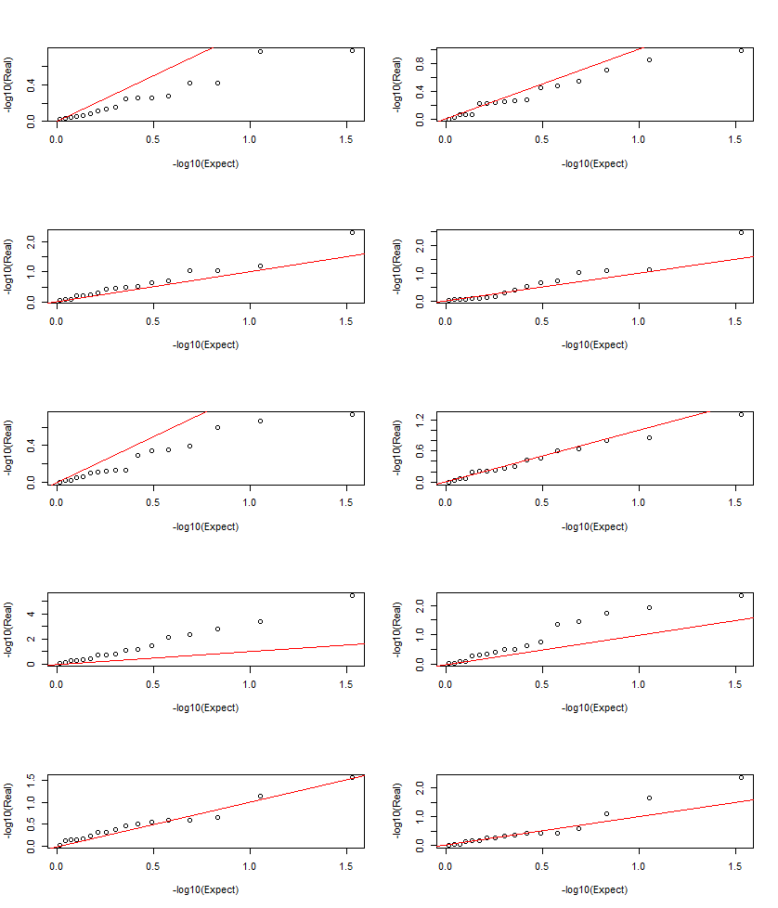
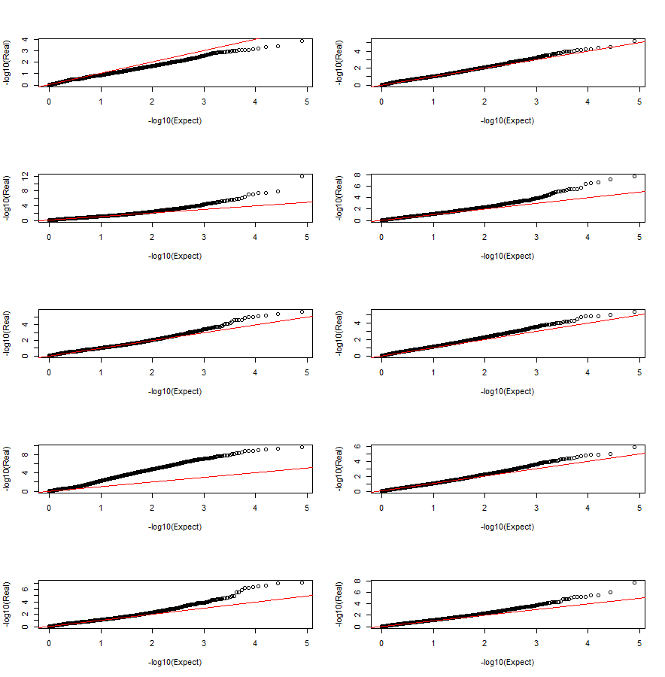
[1] "projid" "hypertension_cum"
[3] "diabetes_sr_rx" "dlbany.Lewy.Body.Disease."
[5] "dcfdx_lv" "obesity"

