Question3
Question 3
 |  | Years | (Multiple Items)
Use R, Python, or other high level language to visulize (plot) the revenue for each sales person from Jan 2019 to Jan 2020 on one chart.
Please send me your result and your code. |  | Sum of Net Sales | Column Labels
Data are in Tab3. |  | Row Labels | Joseph | Lawrence | Maria | Matt | Grand Total
 |  | Jan | 12758 | 13363 | 15199 | 15566 | 56886
 |  | Feb | 14098 | 13384 | 13909 | 16493 | 57884
 |  | Mar | 12692 | 14649 | 12733 | 11547 | 51621
 |  | Apr | 13847 | 17050 | 15288 | 13596 | 59781
 | Answer for Question 3 | May | 17063 | 16401 | 14182 | 14847 | 62493
 | Check code in attached file | Jun | 16188 | 15969 | 16725 | 13475 | 62357
 |  | Jul | 13376 | 15811 | 12048 | 14814 | 56049
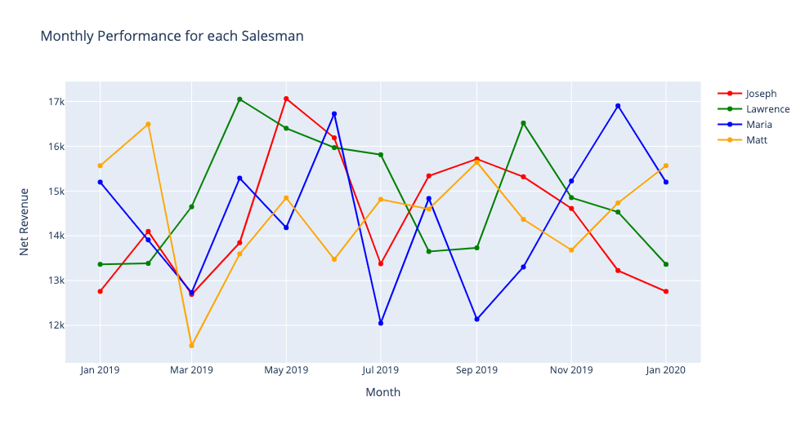
 |  | Aug | 15339 | 13650 | 14834 | 14596 | 58419
 |  | Sep | 15715 | 13732 | 12138 | 15643 | 57228
 |  | Oct | 15318 | 16518 | 13304 | 14367 | 59507
 |  | Nov | 14610 | 14853 | 15225 | 13682 | 58370
 |  | Dec | 13225 | 14531 | 16903 | 14735 | 59394
 |  | Grand Total | 174229 | 179911 | 172488 | 173361 | 699989

