DASHBOARD
🏗️ CONSTRUCTION PMO PERFORMANCE DASHBOARD
MONSURU ADELEKE
GitHub -- https://github.com/Shile-tech/Construction_PMO_Analytics
Linked In -- www.linkedin.com/in/adeleke-monsuru
Email -- adelekemonsuru840@gmail.com
TOTAL PROJECTS
TOTAL COST OVERRUN
AVERAGE DELAY_MONTHS
HIGH RISK PROJECTS
Contractor's Category

50
#15.1B
10
6

Causation
PHASE RISK BREAKDOWN (OVERRUNS)
CONTRACTOR PERFORMANCE
TOP 10 COST OVERRUNS
 | Total
Construction | 5,332,441,000
Procurement | 1,393,739,000
Testing & Commissioning | 888,446,000
Design | 879,441,000
Mobilisation | 675,478,000
Handover | 468,754,000
 | Total
Horizon Builders | 25.7%
Fedex Const. Co. | 29.1%
Pioneer Builders Ltd | 29.8%
Mainland Const. Co. | 30.9%
Greenfield Eng Ltd | 32.4%
Nile Construction | 33.8%
BuildRight Nig Ltd | 36.5%
Tetrazzini & Sons Ltd | 36.8%
Apex Infra Ltd | 52.1%
Grandeur Works | 53.0%
 | Total
PRJ-042 | 31.7%
PRJ-007 | 33.4%
PRJ-031 | 36.5%
PRJ-045 | 45.4%
PRJ-021 | 45.9%
PRJ-027 | 47.8%
PRJ-033 | 50.6%
PRJ-026 | 51.1%
PRJ-004 | 53.4%
PRJ-005 | 54.1%

Project's Status

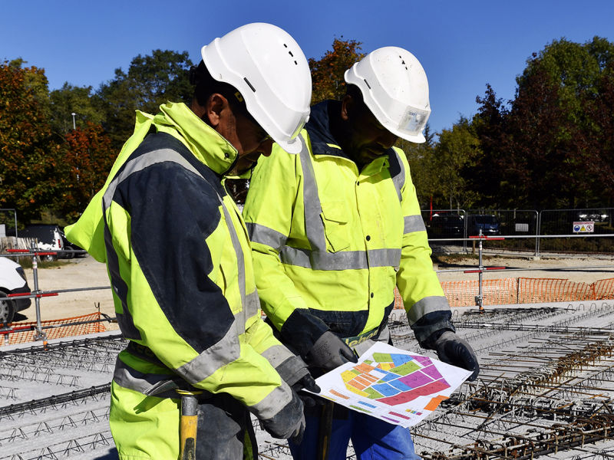

RISK DISTRIBUTION
 | Total
High Risk | 12.24%
Low Risk | 14.29%
Moderate Risk | 73.47%

IMPROVEMENT AREAS

 | Total
Abuja | 1
Adverse weather | 1
AECOM Nigeria | 1
Bridge | 1
CCECC Consult | 1
Community protest | 1
Culvert | 1
Delta | 1
Design changes | 1
Drainage System | 1
Enugu | 1
Equipment breakdown | 1
Erosion Control | 1
Kano | 1
Labour dispute | 1
Rivers | 1
School Block | 1
Scott Wilson | 1

CALCULATIONS
TOP 10 PROJECTS BY COST OVERRUN

status | (All)

 | overrun_perc
PRJ-042 | 31.7%
PRJ-007 | 33.4%
PRJ-031 | 36.5%
PRJ-045 | 45.4%
PRJ-021 | 45.9%
PRJ-027 | 47.8%
PRJ-033 | 50.6%
PRJ-026 | 51.1%
PRJ-004 | 53.4%
PRJ-005 | 54.1%
Grand Total | 449.8%

TOTAL COST OVERRUN BY PHASE

 | total_phase_overrun_NGN
Construction | 5,332,441,000
Procurement | 1,393,739,000
Testing & Commissioning | 888,446,000
Design | 879,441,000
Mobilisation | 675,478,000
Handover | 468,754,000
Grand Total | 9,638,299,000

CONTRACTOR'S PERFORMANCE

score_categ | (All)

 | perfom_score %
Horizon Builders | 25.7%
Fedex Const. Co. | 29.1%
Pioneer Builders Ltd | 29.8%
Mainland Const. Co. | 30.9%
Greenfield Eng Ltd | 32.4%
Nile Construction | 33.8%
BuildRight Nig Ltd | 36.5%
Tetrazzini & Sons Ltd | 36.8%
Apex Infra Ltd | 52.1%
Grandeur Works | 53.0%
Grand Total | 360.1%

PROJECTS RISKS FLAG

status | (All)

Row Labels | Count of project_id
High Risk | 12.24%
Low Risk | 14.29%
Moderate Risk | 73.47%
Grand Total | 100.00%

IMPROVEMENT AREAS BASED ON HIGH RISK PROJECTS

dimension | (All)

 | Count of high_risk_count
Abuja | 1
Adverse weather | 1
AECOM Nigeria | 1
Bridge | 1
CCECC Consult | 1
Community protest | 1
Culvert | 1
Delta | 1
Design changes | 1
Drainage System | 1
Enugu | 1
Equipment breakdown | 1
Erosion Control | 1
Kano | 1
Labour dispute | 1
Rivers | 1
School Block | 1
Scott Wilson | 1
Grand Total | 18

Count of Project_ID
50

Sum of Cost_Overrun_NGN
15,082,331,000

Average of Schedule_Delay_Months
10

