segment-wise spent
Segment-wise which customer is spending more money

 |  |  |  |  | Result:
2004

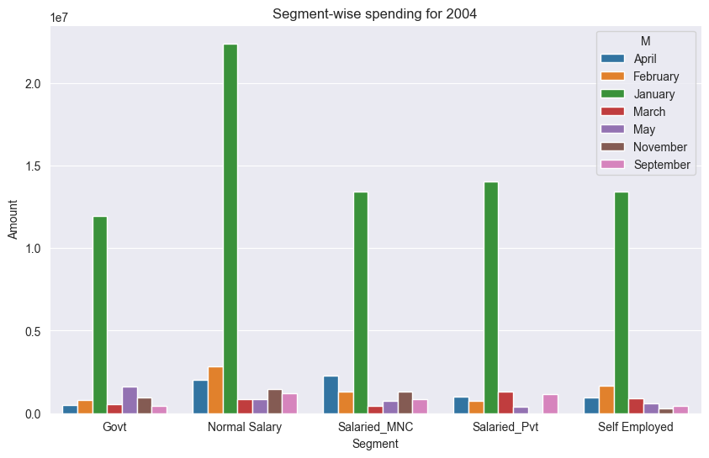
 |  | Segment | M | Amount
 | 0 | Govt | April | 470954.32123
 | 1 | Govt | February | 784188.14555
 | 2 | Govt | January | 11952838.834
 | 3 | Govt | March | 529480.68655
 | 4 | Govt | May | 1593276.683
 | 5 | Govt | November | 970866.84109
 | 6 | Govt | September | 412366.72398
 | 7 | Normal Salary | April | 2007181.4279
 | 8 | Normal Salary | February | 2841896.2571 | Max of Amount | Segments
 | 9 | Normal Salary | January | 22394595.778 | Months | Govt | Normal Salary | Salaried_MNC | Salaried_Pvt | Self Employed | Grand Total
 | 10 | Normal Salary | March | 832458.06414 | January | 11952838.834 | 22394595.778 | 13432288.614 | 14010086.12 | 13408824.737 | 22394595.778
 | 11 | Normal Salary | May | 848681.72837 | February | 784188.14555 | 2841896.2571 | 1277255.7035 | 757059.08228 | 1645751.885 | 2841896.2571
 | 12 | Normal Salary | November | 1431528.9295 | March | 529480.68655 | 832458.06414 | 453128.81881 | 1277309.0103 | 872351.83277 | 1277309.0103
 | 13 | Normal Salary | September | 1212598.1564 | April | 470954.32123 | 2007181.4279 | 2262437.2589 | 983813.07673 | 931094.4835 | 2262437.2589
 | 14 | Salaried_MNC | April | 2262437.2589 | May | 1593276.683 | 848681.72837 | 731506.56335 | 406792.50814 | 590646.39 | 1593276.683
 | 15 | Salaried_MNC | February | 1277255.7035 | September | 412366.72398 | 1212598.1564 | 823203.25468 | 1127651.665 | 421844.64637 | 1212598.1564
 | 16 | Salaried_MNC | January | 13432288.614 | November | 970866.84109 | 1431528.9295 | 1318011.4534 |  | 289493.54193 | 1431528.9295
 | 17 | Salaried_MNC | March | 453128.81881 | Grand Total | 11952838.834 | 22394595.778 | 13432288.614 | 14010086.12 | 13408824.737 | 22394595.778
 | 18 | Salaried_MNC | May | 731506.56335
 | 19 | Salaried_MNC | November | 1318011.4534
 | 20 | Salaried_MNC | September | 823203.25468
 | 21 | Salaried_Pvt | April | 983813.07673
 | 22 | Salaried_Pvt | February | 757059.08228
 | 23 | Salaried_Pvt | January | 14010086.12
 | 24 | Salaried_Pvt | March | 1277309.0103
 | 25 | Salaried_Pvt | May | 406792.50814
 | 26 | Salaried_Pvt | September | 1127651.665
 | 27 | Self Employed | April | 931094.4835
 | 28 | Self Employed | February | 1645751.885
 | 29 | Self Employed | January | 13408824.737
 | 30 | Self Employed | March | 872351.83277
 | 31 | Self Employed | May | 590646.39
 | 32 | Self Employed | November | 289493.54193
 | 33 | Self Employed | September | 421844.64637

2005 |  |  |  |  | Result:

 |  | Segment | M | Amount
 | 0 | Govt | April | 530130.14505
 | 1 | Govt | August | 1514304.9837
 | 2 | Govt | December | 1169054.4
 | 3 | Govt | February | 6170114.7225
 | 4 | Govt | January | 2323803.4653
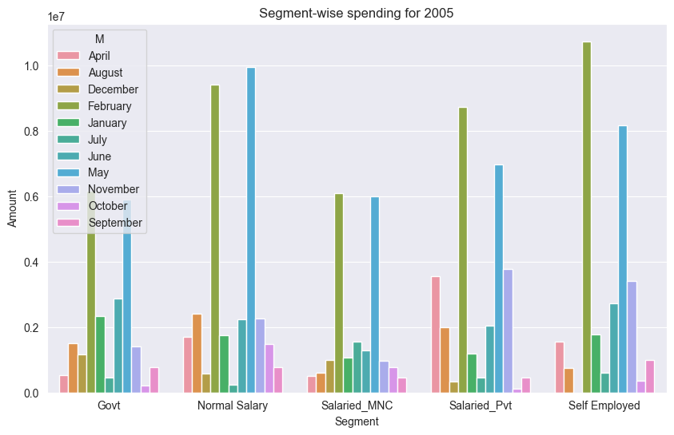
 | 5 | Govt | July | 464446.79934
 | 6 | Govt | June | 2876110.534 | Max of Amount | Segments
 | 7 | Govt | May | 5899579.9842 | Months | Govt | Normal Salary | Salaried_MNC | Salaried_Pvt | Self Employed | Grand Total
 | 8 | Govt | November | 1418180.4155 | January | 2323803.4653 | 1743615.2858 | 1067622.988 | 1176712.2445 | 1774921.2817 | 2323803.4653
 | 9 | Govt | October | 213532.82218 | February | 6170114.7225 | 9404517.9793 | 6089046.3701 | 8731721.9236 | 10745033.263 | 10745033.263
 | 10 | Govt | September | 759716.85334 | April | 530130.14505 | 1705185.494 | 498022.77492 | 3558551.9899 | 1542718.3068 | 3558551.9899
 | 11 | Normal Salary | April | 1705185.494 | May | 5899579.9842 | 9952876.8617 | 5994408.5157 | 6974305.0198 | 8182668.8473 | 9952876.8617
 | 12 | Normal Salary | August | 2417785.3641 | June | 2876110.534 | 2244533.3957 | 1284364.9573 | 2036658.9552 | 2733920.5676 | 2876110.534
 | 13 | Normal Salary | December | 566414.14492 | July | 464446.79934 | 236111.51375 | 1557177.7038 | 462730.08505 | 590738.71112 | 1557177.7038
 | 14 | Normal Salary | February | 9404517.9793 | August | 1514304.9837 | 2417785.3641 | 612400.59675 | 1995479.3849 | 738622.44601 | 2417785.3641
 | 15 | Normal Salary | January | 1743615.2858 | September | 759716.85334 | 773125.5126 | 444855.51059 | 461199.52749 | 988658.06052 | 988658.06052
 | 16 | Normal Salary | July | 236111.51375 | October | 213532.82218 | 1487898.0853 | 778757.72656 | 120693.83092 | 368227.22722 | 1487898.0853
 | 17 | Normal Salary | June | 2244533.3957 | November | 1418180.4155 | 2261307.065 | 975408.78381 | 3777192.4162 | 3408694.894 | 3777192.4162
 | 18 | Normal Salary | May | 9952876.8617 | December | 1169054.4 | 566414.14492 | 1001625.9352 | 332819.3515 |  | 1169054.4
 | 19 | Normal Salary | November | 2261307.065 | Grand Total | 6170114.7225 | 9952876.8617 | 6089046.3701 | 8731721.9236 | 10745033.263 | 10745033.263
 | 20 | Normal Salary | October | 1487898.0853
 | 21 | Normal Salary | September | 773125.5126
 | 22 | Salaried_MNC | April | 498022.77492
 | 23 | Salaried_MNC | August | 612400.59675
 | 24 | Salaried_MNC | December | 1001625.9352
 | 25 | Salaried_MNC | February | 6089046.3701
 | 26 | Salaried_MNC | January | 1067622.988
 | 27 | Salaried_MNC | July | 1557177.7038
 | 28 | Salaried_MNC | June | 1284364.9573
 | 29 | Salaried_MNC | May | 5994408.5157
 | 30 | Salaried_MNC | November | 975408.78381
 | 31 | Salaried_MNC | October | 778757.72656
 | 32 | Salaried_MNC | September | 444855.51059
 | 33 | Salaried_Pvt | April | 3558551.9899
 | 34 | Salaried_Pvt | August | 1995479.3849
 | 35 | Salaried_Pvt | December | 332819.3515
 | 36 | Salaried_Pvt | February | 8731721.9236
 | 37 | Salaried_Pvt | January | 1176712.2445
 | 38 | Salaried_Pvt | July | 462730.08505
 | 39 | Salaried_Pvt | June | 2036658.9552
 | 40 | Salaried_Pvt | May | 6974305.0198
 | 41 | Salaried_Pvt | November | 3777192.4162
 | 42 | Salaried_Pvt | October | 120693.83092
 | 43 | Salaried_Pvt | September | 461199.52749
 | 44 | Self Employed | April | 1542718.3068
 | 45 | Self Employed | August | 738622.44601
 | 46 | Self Employed | February | 10745033.263
 | 47 | Self Employed | January | 1774921.2817
 | 48 | Self Employed | July | 590738.71112
 | 49 | Self Employed | June | 2733920.5676
 | 50 | Self Employed | May | 8182668.8473
 | 51 | Self Employed | November | 3408694.894
 | 52 | Self Employed | October | 368227.22722
 | 53 | Self Employed | September | 988658.06052

2006 |  |  |  |  | Result:

 |  | Segment | M | Amount
 | 0 | Govt | April | 4537539.4391
 | 1 | Govt | August | 447836.82923
 | 2 | Govt | December | 271038.0069
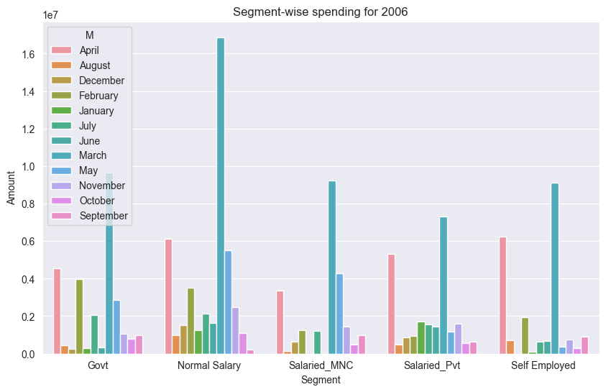
 | 3 | Govt | February | 3956978.8399
 | 4 | Govt | January | 295897.94048
 | 5 | Govt | July | 2045870.0506 | Max of Amount | Segments
 | 6 | Govt | June | 345427.60806 | Months | Govt | Normal Salary | Salaried_MNC | Salaried_Pvt | Self Employed | Grand Total
 | 7 | Govt | March | 9639553.0325 | January | 295897.94048 | 1252828.1782 |  | 1710222.4943 | 109692.60937 | 1710222.4943
 | 8 | Govt | May | 2872176.3071 | February | 3956978.8399 | 3530645.2029 | 1245770.5071 | 940666.38845 | 1921827.6599 | 3956978.8399
 | 9 | Govt | November | 1058487.177 | March | 9639553.0325 | 16877933.755 | 9220943.6523 | 7291709.626 | 9110210.2033 | 16877933.755
 | 10 | Govt | October | 803767.84483 | April | 4537539.4391 | 6119545.162 | 3344837.82 | 5303208.1041 | 6241181.4101 | 6241181.4101
 | 11 | Govt | September | 998110.47022 | May | 2872176.3071 | 5510275.5266 | 4269926.5322 | 1167768.7323 | 375188.94902 | 5510275.5266
 | 12 | Normal Salary | April | 6119545.162 | June | 345427.60806 | 1643947.1876 |  | 1431225.9777 | 661759.96303 | 1643947.1876
 | 13 | Normal Salary | August | 980753.44344 | July | 2045870.0506 | 2130228.976 | 1218793.8446 | 1554633.5822 | 639824.29418 | 2130228.976
 | 14 | Normal Salary | December | 1510012.1504 | August | 447836.82923 | 980753.44344 | 144684.5844 | 466366.44993 | 724674.66658 | 980753.44344
 | 15 | Normal Salary | February | 3530645.2029 | September | 998110.47022 | 209607.92805 | 987582.4829 | 654330.5445 | 910602.4754 | 998110.47022
 | 16 | Normal Salary | January | 1252828.1782 | October | 803767.84483 | 1093330.7125 | 501569.24803 | 543885.70462 | 307608.2686 | 1093330.7125
 | 17 | Normal Salary | July | 2130228.976 | November | 1058487.177 | 2485723.292 | 1451005.6701 | 1598201.0639 | 738693.58351 | 2485723.292
 | 18 | Normal Salary | June | 1643947.1876 | December | 271038.0069 | 1510012.1504 | 652850.86962 | 851316.1613 |  | 1510012.1504
 | 19 | Normal Salary | March | 16877933.755 | Grand Total | 9639553.0325 | 16877933.755 | 9220943.6523 | 7291709.626 | 9110210.2033 | 16877933.755
 | 20 | Normal Salary | May | 5510275.5266
 | 21 | Normal Salary | November | 2485723.292
 | 22 | Normal Salary | October | 1093330.7125
 | 23 | Normal Salary | September | 209607.92805
 | 24 | Salaried_MNC | April | 3344837.82
 | 25 | Salaried_MNC | August | 144684.5844
 | 26 | Salaried_MNC | December | 652850.86962
 | 27 | Salaried_MNC | February | 1245770.5071
 | 28 | Salaried_MNC | July | 1218793.8446
 | 29 | Salaried_MNC | March | 9220943.6523
 | 30 | Salaried_MNC | May | 4269926.5322
 | 31 | Salaried_MNC | November | 1451005.6701
 | 32 | Salaried_MNC | October | 501569.24803
 | 33 | Salaried_MNC | September | 987582.4829
 | 34 | Salaried_Pvt | April | 5303208.1041
 | 35 | Salaried_Pvt | August | 466366.44993
 | 36 | Salaried_Pvt | December | 851316.1613
 | 37 | Salaried_Pvt | February | 940666.38845
 | 38 | Salaried_Pvt | January | 1710222.4943
 | 39 | Salaried_Pvt | July | 1554633.5822
 | 40 | Salaried_Pvt | June | 1431225.9777
 | 41 | Salaried_Pvt | March | 7291709.626
 | 42 | Salaried_Pvt | May | 1167768.7323
 | 43 | Salaried_Pvt | November | 1598201.0639
 | 44 | Salaried_Pvt | October | 543885.70462
 | 45 | Salaried_Pvt | September | 654330.5445
 | 46 | Self Employed | April | 6241181.4101
 | 47 | Self Employed | August | 724674.66658
 | 48 | Self Employed | February | 1921827.6599
 | 49 | Self Employed | January | 109692.60937
 | 50 | Self Employed | July | 639824.29418
 | 51 | Self Employed | June | 661759.96303
 | 52 | Self Employed | March | 9110210.2033
 | 53 | Self Employed | May | 375188.94902
 | 54 | Self Employed | November | 738693.58351
 | 55 | Self Employed | October | 307608.2686
 | 56 | Self Employed | September | 910602.4754

Agegroup-wise spent
Age group-wise which customer is spending more money

2004 |  |  |  |  | Result:

 |  | Age_grp | M | Amount
 | 0 | 18-25 | April | 94477.520343
 | 1 | 18-25 | February | 523894.40971
 | 2 | 18-25 | January | 5264561.5175
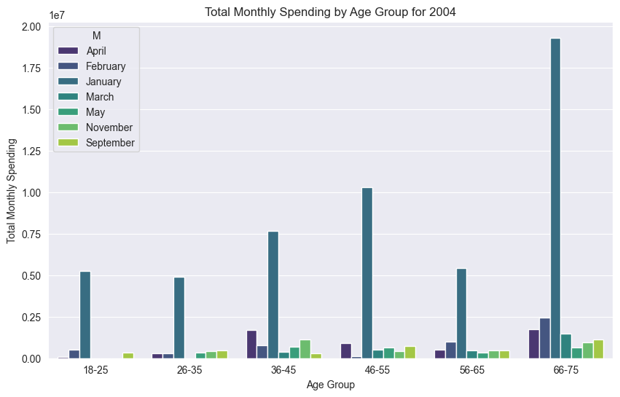
 | 3 | 18-25 | March | 0
 | 4 | 18-25 | May | 0 | Max of Amount | Age-group
 | 5 | 18-25 | November | 0 | Months | 18-25 | 26-35 | 36-45 | 46-55 | 56-65 | 66-75 | Grand Total
 | 6 | 18-25 | September | 324844.6931 | January | 5264561.5175 | 4895163.0521 | 8122567.3131 | 20615608.617 | 13128349.466 | 19311862.1 | 20615608.617
 | 7 | 26-35 | April | 307635.61903 | February | 523894.40971 | 289278.89059 | 1106172.5818 | 1420909.8032 | 1471606.3282 | 2433987.4153 | 2433987.4153
 | 8 | 26-35 | February | 289278.89059 | March | 0 | 0 | 364043.63116 | 963366.70439 | 1177258.8856 | 1460059.1914 | 1460059.1914
 | 9 | 26-35 | January | 4895163.0521 | April | 94477.520343 | 307635.61903 | 1692732.4372 | 1749890.1976 | 517756.16824 | 1753896.3264 | 1753896.3264
 | 10 | 26-35 | March | 0 | May | 0 | 351505.15371 | 677629.99527 | 1490035.0549 | 528805.72005 | 663478.14672 | 1490035.0549
 | 11 | 26-35 | May | 351505.15371 | September | 324844.6931 | 485279.90264 | 301093.79644 | 1283166.0607 | 453065.51927 | 1150214.4743 | 1283166.0607
 | 12 | 26-35 | November | 416179.20001 | November | 0 | 416179.20001 | 1130691.4251 | 687943.27109 | 833285.35985 | 941801.5098 | 1130691.4251
 | 13 | 26-35 | September | 485279.90264 | Grand Total | 5264561.5175 | 4895163.0521 | 8122567.3131 | 20615608.617 | 13128349.466 | 19311862.1 | 20615608.617
 | 14 | 36-45 | April | 1692732.4372
 | 15 | 36-45 | February | 1106172.5818
 | 16 | 36-45 | January | 8122567.3131
 | 17 | 36-45 | March | 364043.63116
 | 18 | 36-45 | May | 677629.99527
 | 19 | 36-45 | November | 1130691.4251
 | 20 | 36-45 | September | 301093.79644
 | 21 | 46-55 | April | 1749890.1976
 | 22 | 46-55 | February | 1420909.8032
 | 23 | 46-55 | January | 20615608.617
 | 24 | 46-55 | March | 963366.70439
 | 25 | 46-55 | May | 1490035.0549
 | 26 | 46-55 | November | 687943.27109
 | 27 | 46-55 | September | 1283166.0607
 | 28 | 56-65 | April | 517756.16824
 | 29 | 56-65 | February | 1471606.3282
 | 30 | 56-65 | January | 13128349.466
 | 31 | 56-65 | March | 1177258.8856
 | 32 | 56-65 | May | 528805.72005
 | 33 | 56-65 | November | 833285.35985
 | 34 | 56-65 | September | 453065.51927
 | 35 | 66-75 | April | 1753896.3264
 | 36 | 66-75 | February | 2433987.4153
 | 37 | 66-75 | January | 19311862.1
 | 38 | 66-75 | March | 1460059.1914
 | 39 | 66-75 | May | 663478.14672
 | 40 | 66-75 | November | 941801.5098
 | 41 | 66-75 | September | 1150214.4743

2005 |  |  |  |  | Result:

 |  | Age_grp | M | Amount
 | 0 | 18-25 | April | 391422.85965
 | 1 | 18-25 | August | 408629.23463
 | 2 | 18-25 | December | 0
 | 3 | 18-25 | February | 1654514.2359
 | 4 | 18-25 | January | 787585.44407
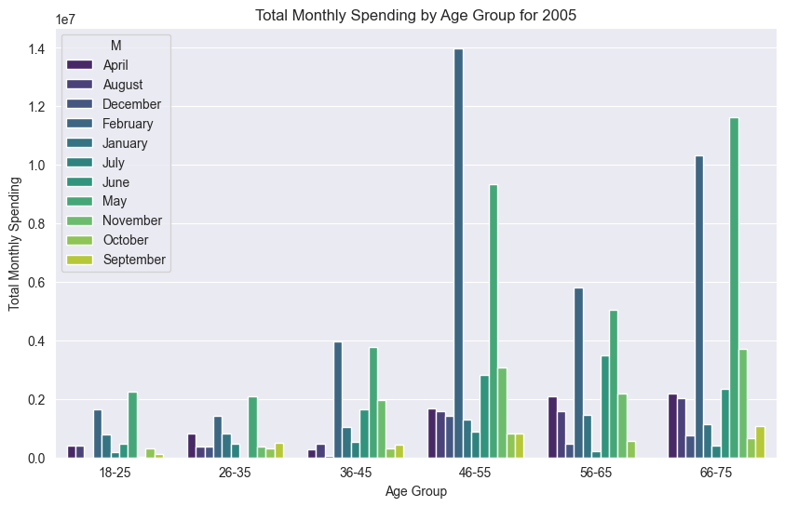
 | 5 | 18-25 | July | 196667.30263
 | 6 | 18-25 | June | 473460.66123
 | 7 | 18-25 | May | 2236076.4349 | Max of Amount | Age-group
 | 8 | 18-25 | November | 25564.331738 | Months | 18-25 | 26-35 | 36-45 | 46-55 | 56-65 | 66-75 | Grand Total
 | 9 | 18-25 | October | 296473.98843 | January | 787585.44407 | 809247.18118 | 1051171.2036 | 1281163.3546 | 1467276.1628 | 1122131.4585 | 1467276.1628
 | 10 | 18-25 | September | 131357.4889 | February | 1654514.2359 | 1429438.3092 | 3972138.5679 | 13989348.121 | 5804763.2668 | 10316866.295 | 13989348.121
 | 11 | 26-35 | April | 818313.50883 | April | 391422.85965 | 818313.50883 | 273333.20167 | 1689774.8806 | 2091785.7484 | 2188044.928 | 2188044.928
 | 12 | 26-35 | August | 379937.48257 | May | 2236076.4349 | 2080551.3959 | 3768671.5737 | 9323572.9514 | 5050754.2879 | 11614920.655 | 11614920.655
 | 13 | 26-35 | December | 368363.71596 | June | 473460.66123 | 0 | 1640228.132 | 2817326.0428 | 3491003.4191 | 2348801.6752 | 3491003.4191
 | 14 | 26-35 | February | 1429438.3092 | July | 196667.30263 | 462316.13183 | 545101.6904 | 874890.93059 | 205241.11711 | 405378.53277 | 874890.93059
 | 15 | 26-35 | January | 809247.18118 | August | 408629.23463 | 379937.48257 | 471603.26105 | 1591280.4233 | 1569930.2805 | 2019966.1449 | 2019966.1449
 | 16 | 26-35 | July | 462316.13183 | September | 131357.4889 | 492038.52613 | 433983.23912 | 808908.41767 | 0 | 1075932.0272 | 1075932.0272
 | 17 | 26-35 | June | 0 | October | 296473.98843 | 301366.09187 | 319560.13479 | 826269.87271 | 553398.91473 | 672040.68965 | 826269.87271
 | 18 | 26-35 | May | 2080551.3959 | November | 25564.331738 | 369569.84903 | 1961327.3878 | 3067294.6418 | 2170824.1438 | 3710789.3887 | 3710789.3887
 | 19 | 26-35 | November | 369569.84903 | December | 0 | 368363.71596 | 62731.714559 | 1422512.4387 | 462430.08978 | 753875.8726 | 1422512.4387
 | 20 | 26-35 | October | 301366.09187 | Grand Total | 2236076.4349 | 2080551.3959 | 3972138.5679 | 13989348.121 | 5804763.2668 | 11614920.655 | 13989348.121
 | 21 | 26-35 | September | 492038.52613
 | 22 | 36-45 | April | 273333.20167
 | 23 | 36-45 | August | 471603.26105
 | 24 | 36-45 | December | 62731.714559
 | 25 | 36-45 | February | 3972138.5679
 | 26 | 36-45 | January | 1051171.2036
 | 27 | 36-45 | July | 545101.6904
 | 28 | 36-45 | June | 1640228.132
 | 29 | 36-45 | May | 3768671.5737
 | 30 | 36-45 | November | 1961327.3878
 | 31 | 36-45 | October | 319560.13479
 | 32 | 36-45 | September | 433983.23912
 | 33 | 46-55 | April | 1689774.8806
 | 34 | 46-55 | August | 1591280.4233
 | 35 | 46-55 | December | 1422512.4387
 | 36 | 46-55 | February | 13989348.121
 | 37 | 46-55 | January | 1281163.3546
 | 38 | 46-55 | July | 874890.93059
 | 39 | 46-55 | June | 2817326.0428
 | 40 | 46-55 | May | 9323572.9514
 | 41 | 46-55 | November | 3067294.6418
 | 42 | 46-55 | October | 826269.87271
 | 43 | 46-55 | September | 808908.41767
 | 44 | 56-65 | April | 2091785.7484
 | 45 | 56-65 | August | 1569930.2805
 | 46 | 56-65 | December | 462430.08978
 | 47 | 56-65 | February | 5804763.2668
 | 48 | 56-65 | January | 1467276.1628
 | 49 | 56-65 | July | 205241.11711
 | 50 | 56-65 | June | 3491003.4191
 | 51 | 56-65 | May | 5050754.2879
 | 52 | 56-65 | November | 2170824.1438
 | 53 | 56-65 | October | 553398.91473
 | 54 | 56-65 | September | 0
 | 55 | 66-75 | April | 2188044.928
 | 56 | 66-75 | August | 2019966.1449
 | 57 | 66-75 | December | 753875.8726
 | 58 | 66-75 | February | 10316866.295
 | 59 | 66-75 | January | 1122131.4585
 | 60 | 66-75 | July | 405378.53277
 | 61 | 66-75 | June | 2348801.6752
 | 62 | 66-75 | May | 11614920.655
 | 63 | 66-75 | November | 3710789.3887
 | 64 | 66-75 | October | 672040.68965
 | 65 | 66-75 | September | 1075932.0272

2006 |  |  |  |  | Result:

 |  | Age_grp | M | Amount
 | 0 | 18-25 | April | 669236.96243
 | 1 | 18-25 | August | 0
 | 2 | 18-25 | December | 0
 | 3 | 18-25 | February | 827607.93958
 | 4 | 18-25 | January | 0
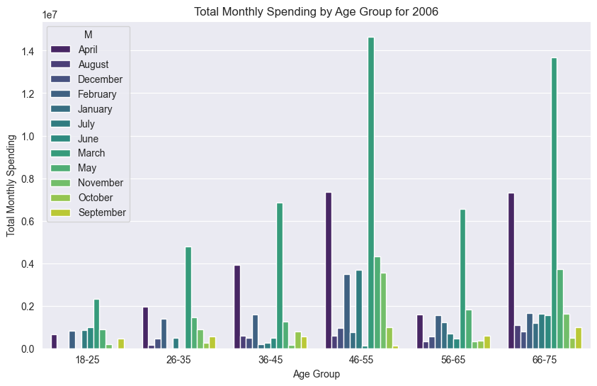
 | 5 | 18-25 | July | 843759.87957
 | 6 | 18-25 | June | 995242.26779
 | 7 | 18-25 | March | 2329400.6372 | Max of Amount | Age-group
 | 8 | 18-25 | May | 890620.14344 | Months | 18-25 | 26-35 | 36-45 | 46-55 | 56-65 | 66-75 | Grand Total
 | 9 | 18-25 | November | 207100.28984 | January | 0 | 0 | 181377.3635 | 761482.43331 | 1230449.6842 | 1195331.7413 | 1230449.6842
 | 10 | 18-25 | October | 0 | February | 827607.93958 | 1386880.1821 | 1584221.8193 | 3489458.5099 | 1546883.0991 | 1650013.3298 | 3489458.5099
 | 11 | 18-25 | September | 472565.57797 | March | 2329400.6372 | 4784427.11 | 6864771.3058 | 14657042.065 | 6539615.3084 | 13668673.072 | 14657042.065
 | 12 | 26-35 | April | 1951630.8398 | April | 669236.96243 | 1951630.8398 | 3936394.0378 | 7362199.4955 | 1589726.3593 | 7320700.2491 | 7362199.4955
 | 13 | 26-35 | August | 166209.05469 | May | 890620.14344 | 1470860.8295 | 1260294.9612 | 4307291.9616 | 1819909.0934 | 3715807.821 | 4307291.9616
 | 14 | 26-35 | December | 460402.27412 | June | 995242.26779 | 0 | 495242.04631 | 134351.49759 | 462784.63745 | 1550393.25 | 1550393.25
 | 15 | 26-35 | February | 1386880.1821 | July | 843759.87957 | 488053.72899 | 245897.30415 | 3699507.2267 | 690755.59004 | 1621377.0181 | 3699507.2267
 | 16 | 26-35 | January | 0 | August | 0 | 166209.05469 | 592521.41363 | 586481.90227 | 324522.10765 | 1094581.4954 | 1094581.4954
 | 17 | 26-35 | July | 488053.72899 | September | 472565.57797 | 562958.3641 | 556229.12343 | 134151.00171 | 599044.23624 | 997248.70018 | 997248.70018
 | 18 | 26-35 | June | 0 | October | 0 | 272061.14582 | 803767.84483 | 1004739.437 | 343738.80842 | 495174.11493 | 1004739.437
 | 19 | 26-35 | March | 4784427.11 | November | 207100.28984 | 878939.18251 | 167369.66069 | 3543603.1773 | 327101.59676 | 1628126.6324 | 3543603.1773
 | 20 | 26-35 | May | 1470860.8295 | December | 0 | 460402.27412 | 487363.34519 | 942560.80317 | 552882.71727 | 796672.60051 | 942560.80317
 | 21 | 26-35 | November | 878939.18251 | Grand Total | 2329400.6372 | 4784427.11 | 6864771.3058 | 14657042.065 | 6539615.3084 | 13668673.072 | 14657042.065
 | 22 | 26-35 | October | 272061.14582
 | 23 | 26-35 | September | 562958.3641
 | 24 | 36-45 | April | 3936394.0378
 | 25 | 36-45 | August | 592521.41363
 | 26 | 36-45 | December | 487363.34519
 | 27 | 36-45 | February | 1584221.8193
 | 28 | 36-45 | January | 181377.3635
 | 29 | 36-45 | July | 245897.30415
 | 30 | 36-45 | June | 495242.04631
 | 31 | 36-45 | March | 6864771.3058
 | 32 | 36-45 | May | 1260294.9612
 | 33 | 36-45 | November | 167369.66069
 | 34 | 36-45 | October | 803767.84483
 | 35 | 36-45 | September | 556229.12343
 | 36 | 46-55 | April | 7362199.4955
 | 37 | 46-55 | August | 586481.90227
 | 38 | 46-55 | December | 942560.80317
 | 39 | 46-55 | February | 3489458.5099
 | 40 | 46-55 | January | 761482.43331
 | 41 | 46-55 | July | 3699507.2267
 | 42 | 46-55 | June | 134351.49759
 | 43 | 46-55 | March | 14657042.065
 | 44 | 46-55 | May | 4307291.9616
 | 45 | 46-55 | November | 3543603.1773
 | 46 | 46-55 | October | 1004739.437
 | 47 | 46-55 | September | 134151.00171
 | 48 | 56-65 | April | 1589726.3593
 | 49 | 56-65 | August | 324522.10765
 | 50 | 56-65 | December | 552882.71727
 | 51 | 56-65 | February | 1546883.0991
 | 52 | 56-65 | January | 1230449.6842
 | 53 | 56-65 | July | 690755.59004
 | 54 | 56-65 | June | 462784.63745
 | 55 | 56-65 | March | 6539615.3084
 | 56 | 56-65 | May | 1819909.0934
 | 57 | 56-65 | November | 327101.59676
 | 58 | 56-65 | October | 343738.80842
 | 59 | 56-65 | September | 599044.23624
 | 60 | 66-75 | April | 7320700.2491
 | 61 | 66-75 | August | 1094581.4954
 | 62 | 66-75 | December | 796672.60051
 | 63 | 66-75 | February | 1650013.3298
 | 64 | 66-75 | January | 1195331.7413
 | 65 | 66-75 | July | 1621377.0181
 | 66 | 66-75 | June | 1550393.25
 | 67 | 66-75 | March | 13668673.072
 | 68 | 66-75 | May | 3715807.821
 | 69 | 66-75 | November | 1628126.6324
 | 70 | 66-75 | October | 495174.11493
 | 71 | 66-75 | September | 997248.70018

most profitable segment
Most Profitable Segment(2.9% interest imposed on dues)

2004 |  |  |  |  | Result

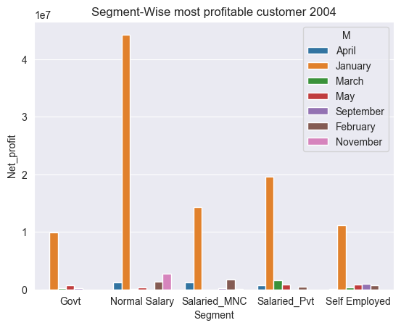
 |  | Segment | M | Net_profit
 | 0 | Govt | April | 636.71056632
 | 1 | Govt | January | 9850248.8089
 | 2 | Govt | March | 220834.04054 | Max of Net_profit | Segment
 | 3 | Govt | May | 729741.56646 | Months | Govt | Normal Salary | Salaried_MNC | Salaried_Pvt | Self Employed | Grand Total
 | 4 | Govt | September | 213610.39828 | January | 9850248.8089 | 44345867.539 | 14263680.32 | 19627213.096 | 11171922.13 | 44345867.539
 | 5 | Normal Salary | April | 1175953.8216 | February |  | 1298648.7548 | 1741043.9346 | 436361.12284 | 671707.42763 | 1741043.9346
 | 6 | Normal Salary | February | 1298648.7548 | March | 220834.04054 | 19120.612539 |  | 1642059.3996 | 355541.08023 | 1642059.3996
 | 7 | Normal Salary | January | 44345867.539 | April | 636.71056632 | 1175953.8216 | 1169006.8518 | 699720.57708 | 36958.927348 | 1175953.8216
 | 8 | Normal Salary | March | 19120.612539 | May | 729741.56646 | 288600.51132 |  | 858880.89384 | 794186.77858 | 858880.89384
 | 9 | Normal Salary | May | 288600.51132 | September | 213610.39828 |  | 150939.68158 |  | 951028.50375 | 951028.50375
 | 10 | Normal Salary | November | 2677577.9196 | November |  | 2677577.9196 | 92905.655839 |  |  | 2677577.9196
 | 11 | Salaried_MNC | April | 1169006.8518 | Grand Total | 9850248.8089 | 44345867.539 | 14263680.32 | 19627213.096 | 11171922.13 | 44345867.539
 | 12 | Salaried_MNC | February | 1741043.9346
 | 13 | Salaried_MNC | January | 14263680.32
 | 14 | Salaried_MNC | November | 92905.655839
 | 15 | Salaried_MNC | September | 150939.68158
 | 16 | Salaried_Pvt | April | 699720.57708
 | 17 | Salaried_Pvt | February | 436361.12284
 | 18 | Salaried_Pvt | January | 19627213.096
 | 19 | Salaried_Pvt | March | 1642059.3996
 | 20 | Salaried_Pvt | May | 858880.89384
 | 21 | Self Employed | April | 36958.927348
 | 22 | Self Employed | February | 671707.42763
 | 23 | Self Employed | January | 11171922.13
 | 24 | Self Employed | March | 355541.08023
 | 25 | Self Employed | May | 794186.77858
 | 26 | Self Employed | September | 951028.50375

2005 |  |  |  |  | Result

 |  | Segment | M | Net_profit
 | 0 | Govt | August | 143020.88158
 | 1 | Govt | February | 12376386.967
 | 2 | Govt | January | 5586784.6312
 | 3 | Govt | July | 2548.7057414
 | 4 | Govt | June | 3300855.3921
 | 5 | Govt | May | 8332707.4617
 | 6 | Govt | November | 1707200.1305
 | 7 | Govt | October | 731415.53905
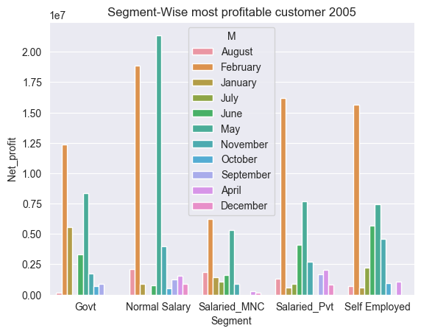
 | 8 | Govt | September | 855430.79043
 | 9 | Normal Salary | April | 1530345.7365 | Max of Net_profit | Segment
 | 10 | Normal Salary | August | 2094042.0722 | Months | Govt | Normal Salary | Salaried_MNC | Salaried_Pvt | Self Employed | Grand Total
 | 11 | Normal Salary | December | 872078.74187 | January | 5586784.6312 | 879643.5356 | 1408335.5638 | 571861.56509 | 555849.5222 | 5586784.6312
 | 12 | Normal Salary | February | 18858931.018 | February | 12376386.967 | 18858931.018 | 6220401.6051 | 16223824.545 | 15627067.455 | 18858931.018
 | 13 | Normal Salary | January | 879643.5356 | April |  | 1530345.7365 | 283466.63561 | 2053028.277 | 1062816.1949 | 2053028.277
 | 14 | Normal Salary | June | 780306.67869 | May | 8332707.4617 | 21382300.084 | 5315283.562 | 7680707.2731 | 7457762.8412 | 21382300.084
 | 15 | Normal Salary | May | 21382300.084 | June | 3300855.3921 | 780306.67869 | 1628301.5119 | 4119510.9869 | 5695918.1683 | 5695918.1683
 | 16 | Normal Salary | November | 3977433.9869 | July | 2548.7057414 |  | 1059030.1699 | 911429.21955 | 2198806.5021 | 2198806.5021
 | 17 | Normal Salary | October | 492841.04829 | August | 143020.88158 | 2094042.0722 | 1836143.899 | 1311586.4439 | 684588.10412 | 2094042.0722
 | 18 | Normal Salary | September | 1245416.0721 | September | 855430.79043 | 1245416.0721 |  | 1696107.0922 |  | 1696107.0922
 | 19 | Salaried_MNC | April | 283466.63561 | October | 731415.53905 | 492841.04829 |  |  | 939923.20299 | 939923.20299
 | 20 | Salaried_MNC | August | 1836143.899 | November | 1707200.1305 | 3977433.9869 | 895166.00386 | 2702024.6733 | 4581509.0109 | 4581509.0109
 | 21 | Salaried_MNC | December | 161756.10918 | December |  | 872078.74187 | 161756.10918 | 802689.20768 |  | 872078.74187
 | 22 | Salaried_MNC | February | 6220401.6051 | Grand Total | 12376386.967 | 21382300.084 | 6220401.6051 | 16223824.545 | 15627067.455 | 21382300.084
 | 23 | Salaried_MNC | January | 1408335.5638
 | 24 | Salaried_MNC | July | 1059030.1699
 | 25 | Salaried_MNC | June | 1628301.5119
 | 26 | Salaried_MNC | May | 5315283.562
 | 27 | Salaried_MNC | November | 895166.00386
 | 28 | Salaried_Pvt | April | 2053028.277
 | 29 | Salaried_Pvt | August | 1311586.4439
 | 30 | Salaried_Pvt | December | 802689.20768
 | 31 | Salaried_Pvt | February | 16223824.545
 | 32 | Salaried_Pvt | January | 571861.56509
 | 33 | Salaried_Pvt | July | 911429.21955
 | 34 | Salaried_Pvt | June | 4119510.9869
 | 35 | Salaried_Pvt | May | 7680707.2731
 | 36 | Salaried_Pvt | November | 2702024.6733
 | 37 | Salaried_Pvt | September | 1696107.0922
 | 38 | Self Employed | April | 1062816.1949
 | 39 | Self Employed | August | 684588.10412
 | 40 | Self Employed | February | 15627067.455
 | 41 | Self Employed | January | 555849.5222
 | 42 | Self Employed | July | 2198806.5021
 | 43 | Self Employed | June | 5695918.1683
 | 44 | Self Employed | May | 7457762.8412
 | 45 | Self Employed | November | 4581509.0109
 | 46 | Self Employed | October | 939923.20299

2006 |  |  |  |  | Result

 |  | Segment | M | Net_profit
 | 0 | Govt | April | 6591845.293
 | 1 | Govt | August | 1659386.4495
 | 2 | Govt | February | 3295831.4048
 | 3 | Govt | January | 660982.87191
 | 4 | Govt | July | 1162928.7515
 | 5 | Govt | March | 16565552.269
 | 6 | Govt | May | 2975544.5056
 | 7 | Govt | November | 426110.69641
 | 8 | Govt | October | 3049638.8149
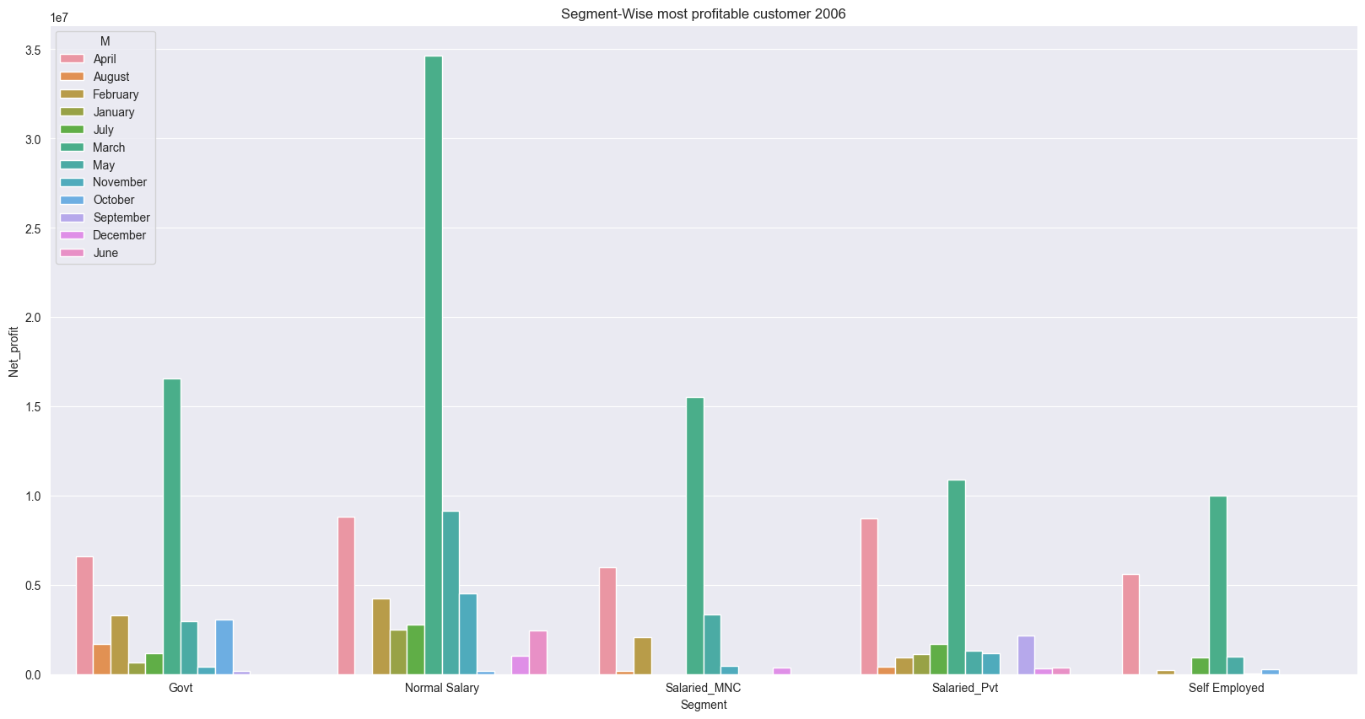
 | 9 | Govt | September | 172055.20227 | Max of Net_profit | Segment
 | 10 | Normal Salary | April | 8807059.1368 | Months | Govt | Normal Salary | Salaried_MNC | Salaried_Pvt | Self Employed | Grand Total
 | 11 | Normal Salary | December | 1028572.5991 | January | 660982.87191 | 2479798.0195 |  | 1098620.2854 |  | 2479798.0195
 | 12 | Normal Salary | February | 4210322.7761 | February | 3295831.4048 | 4210322.7761 | 2073743.8676 | 932676.97592 | 224854.84504 | 4210322.7761
 | 13 | Normal Salary | January | 2479798.0195 | March | 16565552.269 | 34632469.862 | 15495460.163 | 10870492.575 | 10002593.048 | 34632469.862
 | 14 | Normal Salary | July | 2743572.8649 | April | 6591845.293 | 8807059.1368 | 5962009.5704 | 8718536.5793 | 5599381.4285 | 8807059.1368
 | 15 | Normal Salary | June | 2443032.5653 | May | 2975544.5056 | 9158958.8312 | 3312944.0362 | 1283433.0509 | 951010.04792 | 9158958.8312
 | 16 | Normal Salary | March | 34632469.862 | June |  | 2443032.5653 |  | 365395.37024 |  | 2443032.5653
 | 17 | Normal Salary | May | 9158958.8312 | July | 1162928.7515 | 2743572.8649 |  | 1682606.3373 | 926096.11656 | 2743572.8649
 | 18 | Normal Salary | November | 4506624.5845 | August | 1659386.4495 |  | 175909.81054 | 427685.70517 |  | 1659386.4495
 | 19 | Normal Salary | October | 169335.8386 | September | 172055.20227 |  |  | 2129518.266 |  | 2129518.266
 | 20 | Salaried_MNC | April | 5962009.5704 | October | 3049638.8149 | 169335.8386 |  |  | 268691.68419 | 3049638.8149
 | 21 | Salaried_MNC | August | 175909.81054 | November | 426110.69641 | 4506624.5845 | 470134.82012 | 1162441.3328 | 14820.732984 | 4506624.5845
 | 22 | Salaried_MNC | December | 363893.27183 | December |  | 1028572.5991 | 363893.27183 | 330979.28643 |  | 1028572.5991
 | 23 | Salaried_MNC | February | 2073743.8676 | Grand Total | 16565552.269 | 34632469.862 | 15495460.163 | 10870492.575 | 10002593.048 | 34632469.862
 | 24 | Salaried_MNC | March | 15495460.163
 | 25 | Salaried_MNC | May | 3312944.0362
 | 26 | Salaried_MNC | November | 470134.82012
 | 27 | Salaried_Pvt | April | 8718536.5793
 | 28 | Salaried_Pvt | August | 427685.70517
 | 29 | Salaried_Pvt | December | 330979.28643
 | 30 | Salaried_Pvt | February | 932676.97592
 | 31 | Salaried_Pvt | January | 1098620.2854
 | 32 | Salaried_Pvt | July | 1682606.3373
 | 33 | Salaried_Pvt | June | 365395.37024
 | 34 | Salaried_Pvt | March | 10870492.575
 | 35 | Salaried_Pvt | May | 1283433.0509
 | 36 | Salaried_Pvt | November | 1162441.3328
 | 37 | Salaried_Pvt | September | 2129518.266
 | 38 | Self Employed | April | 5599381.4285
 | 39 | Self Employed | February | 224854.84504
 | 40 | Self Employed | July | 926096.11656
 | 41 | Self Employed | March | 10002593.048
 | 42 | Self Employed | May | 951010.04792
 | 43 | Self Employed | November | 14820.732984
 | 44 | Self Employed | October | 268691.68419

Category-wise spending
Category-wise which customers are spending more money

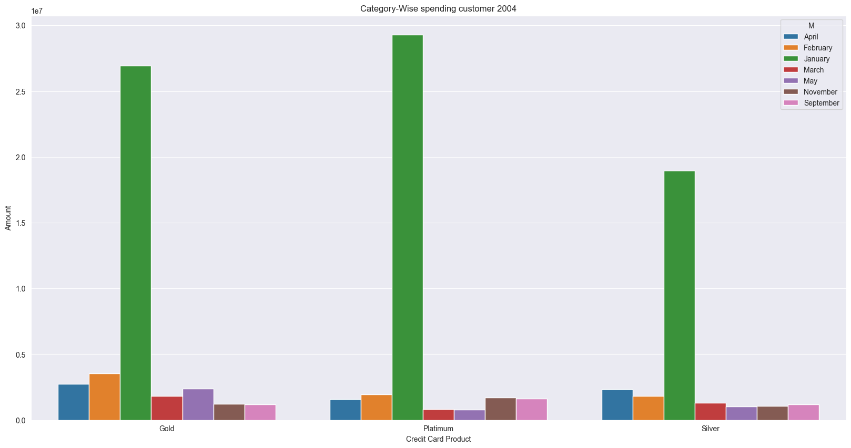
2004 |  |  |  | Result

 | Credit Card Product | M | Amount |  | Max of Amount | Categories
0 | Gold | April | 2725995.3486 |  | Months | Gold | Platimum | Silver | Grand Total
1 | Gold | February | 3526801.0219 |  | January | 26950741.098 | 29277224.108 | 18970668.876 | 29277224.108
2 | Gold | January | 26950741.098 |  | February | 3526801.0219 | 1943469.3607 | 1835880.6908 | 3526801.0219
3 | Gold | March | 1829674.1764 |  | March | 1829674.1764 | 839048.11963 | 1296006.1165 | 1829674.1764
4 | Gold | May | 2380493.9847 |  | April | 2725995.3486 | 1569149.7725 | 2360335.4471 | 2725995.3486
5 | Gold | November | 1240948.0113 |  | May | 2380493.9847 | 782263.46584 | 1008146.4223 | 2380493.9847
6 | Gold | September | 1171971.0155 |  | September | 1171971.0155 | 1637512.8083 | 1188180.6227 | 1637512.8083
7 | Platimum | April | 1569149.7725 |  | November | 1240948.0113 | 1711544.4502 | 1057408.3044 | 1711544.4502
8 | Platimum | February | 1943469.3607 |  | Grand Total | 26950741.098 | 29277224.108 | 18970668.876 | 29277224.108
9 | Platimum | January | 29277224.108
10 | Platimum | March | 839048.11963
11 | Platimum | May | 782263.46584
12 | Platimum | November | 1711544.4502
13 | Platimum | September | 1637512.8083
14 | Silver | April | 2360335.4471
15 | Silver | February | 1835880.6908
16 | Silver | January | 18970668.876
17 | Silver | March | 1296006.1165
18 | Silver | May | 1008146.4223
19 | Silver | November | 1057408.3044
20 | Silver | September | 1188180.6227

2005 |  |  |  | Result

 | Credit Card Product | M | Amount
0 | Gold | April | 3147379.2366
1 | Gold | August | 3313671.5604
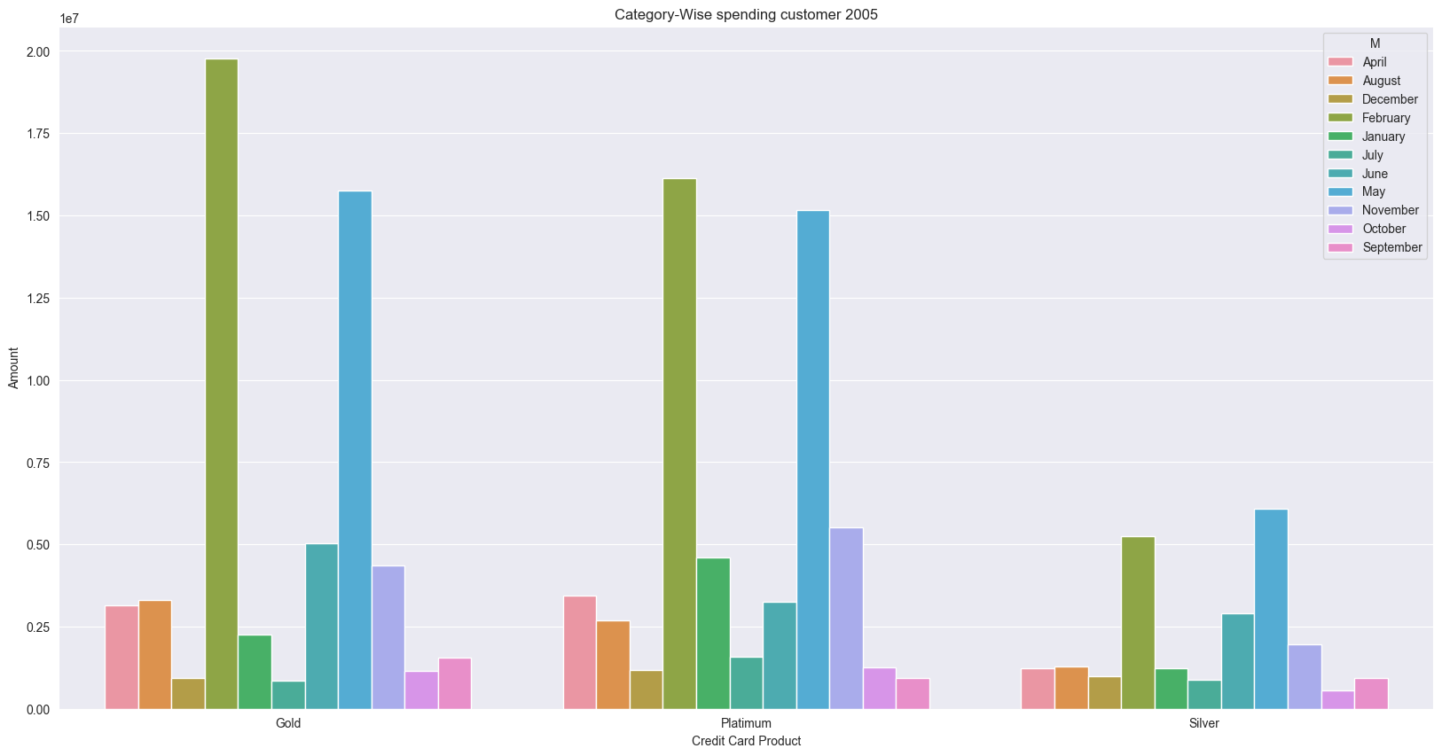
2 | Gold | December | 924889.54009
3 | Gold | February | 19757283.55
4 | Gold | January | 2262399.7358 |  | Max of Amount | Categories
5 | Gold | July | 842333.0232 |  | Months | Gold | Platimum | Silver | Grand Total
6 | Gold | June | 5035421.2201 |  | January | 2262399.7358 | 4603216.2752 | 1221059.2542 | 4603216.2752
7 | Gold | May | 15765255.775 |  | February | 19757283.55 | 16128177.819 | 5254972.8902 | 19757283.55
8 | Gold | November | 4359658.4115 |  | April | 3147379.2366 | 3444401.8008 | 1242827.6734 | 3444401.8008
9 | Gold | October | 1149849.3724 |  | May | 15765255.775 | 15167937.329 | 6070646.1247 | 15765255.775
10 | Gold | September | 1566821.2049 |  | June | 5035421.2201 | 3248873.9844 | 2891293.2053 | 5035421.2201
11 | Platimum | April | 3444401.8008 |  | July | 842333.0232 | 1594394.8125 | 874476.97738 | 1594394.8125
12 | Platimum | August | 2676445.8914 |  | August | 3313671.5604 | 2676445.8914 | 1288475.3236 | 3313671.5604
13 | Platimum | December | 1165964.8077 |  | September | 1566821.2049 | 934712.49442 | 926021.76525 | 1566821.2049
14 | Platimum | February | 16128177.819 |  | October | 1149849.3724 | 1251280.583 | 567979.73669 | 1251280.583
15 | Platimum | January | 4603216.2752 |  | November | 4359658.4115 | 5508647.6733 | 1972477.4897 | 5508647.6733
16 | Platimum | July | 1594394.8125 |  | December | 924889.54009 | 1165964.8077 | 979059.48383 | 1165964.8077
17 | Platimum | June | 3248873.9844 |  | Grand Total | 19757283.55 | 16128177.819 | 6070646.1247 | 19757283.55
18 | Platimum | May | 15167937.329
19 | Platimum | November | 5508647.6733
20 | Platimum | October | 1251280.583
21 | Platimum | September | 934712.49442
22 | Silver | April | 1242827.6734
23 | Silver | August | 1288475.3236
24 | Silver | December | 979059.48383
25 | Silver | February | 5254972.8902
26 | Silver | January | 1221059.2542
27 | Silver | July | 874476.97738
28 | Silver | June | 2891293.2053
29 | Silver | May | 6070646.1247
30 | Silver | November | 1972477.4897
31 | Silver | October | 567979.73669
32 | Silver | September | 926021.76525

2006 |  |  |  | Result

 | Credit Card Product | M | Amount
0 | Gold | April | 8050468.7052
1 | Gold | August | 1662416.7873
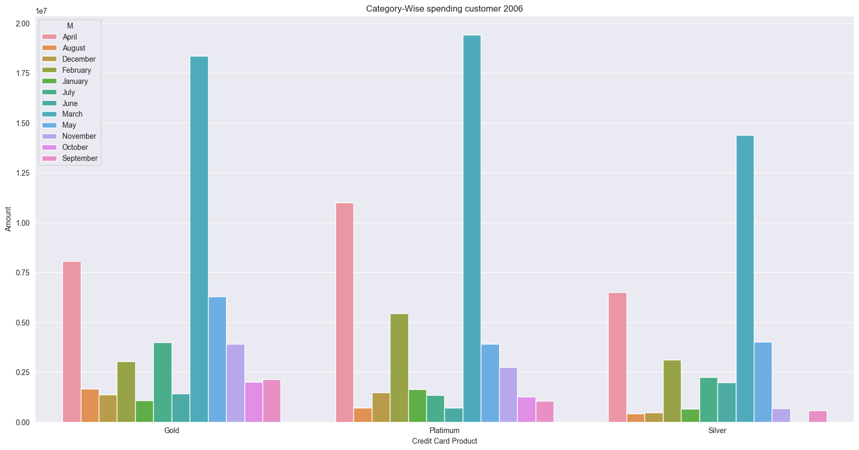
2 | Gold | December | 1360747.1257
3 | Gold | February | 3027520.1845
4 | Gold | January | 1064177.3485 |  | Max of Amount | Categories
5 | Gold | July | 3998904.6123 |  | Months | Gold | Platimum | Silver | Grand Total
6 | Gold | June | 1416509.504 |  | January | 1064177.3485 | 1644259.4705 | 660204.4033 | 1644259.4705
7 | Gold | March | 18360901.452 |  | February | 3027520.1845 | 5444402.0574 | 3123966.3564 | 5444402.0574
8 | Gold | May | 6285364.8567 |  | March | 18360901.452 | 19398803.903 | 14380644.914 | 19398803.903
9 | Gold | November | 3906863.5017 |  | April | 8050468.7052 | 10997145.105 | 6498698.1255 | 10997145.105
10 | Gold | October | 1992045.1766 |  | May | 6285364.8567 | 3899500.4109 | 4010470.7797 | 6285364.8567
11 | Gold | September | 2138180.1713 |  | June | 1416509.504 | 697865.80709 | 1967985.4252 | 1967985.4252
12 | Platimum | April | 10997145.105 |  | July | 3998904.6123 | 1339434.0465 | 2251012.0888 | 3998904.6123
13 | Platimum | August | 693862.00342 |  | August | 1662416.7873 | 693862.00342 | 408037.18283 | 1662416.7873
14 | Platimum | December | 1464067.7884 |  | September | 2138180.1713 | 1059095.3657 | 562958.3641 | 2138180.1713
15 | Platimum | February | 5444402.0574 |  | October | 1992045.1766 | 1258116.6021 |  | 1992045.1766
16 | Platimum | January | 1644259.4705 |  | November | 3906863.5017 | 2739930.803 | 685316.48196 | 3906863.5017
17 | Platimum | July | 1339434.0465 |  | December | 1360747.1257 | 1464067.7884 | 460402.27412 | 1464067.7884
18 | Platimum | June | 697865.80709 |  | Grand Total | 18360901.452 | 19398803.903 | 14380644.914 | 19398803.903
19 | Platimum | March | 19398803.903
20 | Platimum | May | 3899500.4109
21 | Platimum | November | 2739930.803
22 | Platimum | October | 1258116.6021
23 | Platimum | September | 1059095.3657
24 | Silver | April | 6498698.1255
25 | Silver | August | 408037.18283
26 | Silver | December | 460402.27412
27 | Silver | February | 3123966.3564
28 | Silver | January | 660204.4033
29 | Silver | July | 2251012.0888
30 | Silver | June | 1967985.4252
31 | Silver | March | 14380644.914
32 | Silver | May | 4010470.7797
33 | Silver | November | 685316.48196
34 | Silver | September | 562958.3641

monthly profit for bank
Monthly Profit for the Bank

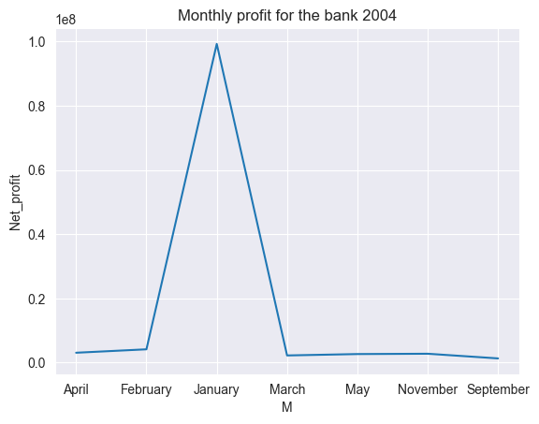
 | 2004

 |  | 2004
 |  | M_Num | M | Net_profit
 |  | 1 | January | 99258931.894
 |  | 2 | February | 4147761.2399
 |  | 3 | March | 2237555.1329
 |  | 4 | April | 3082276.8884
 |  | 5 | May | 2671409.7502
 |  | 9 | September | 1315578.5836
 |  | 11 | November | 2770483.5755

 | 2005
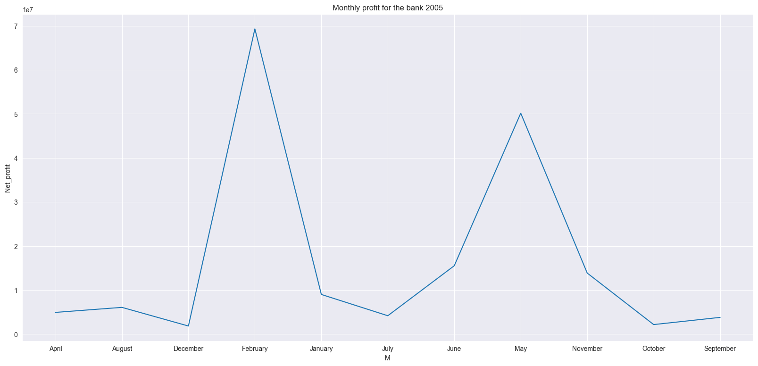

 |  | 2005
 |  | M_Num | M | Net_profit
 |  | 1 | January | 9002474.8179
 |  | 2 | February | 69306611.591
 |  | 4 | April | 4929656.8441
 |  | 5 | May | 50168761.222
 |  | 6 | June | 15524892.738
 |  | 7 | July | 4171814.5973
 |  | 8 | August | 6069381.4008
 |  | 9 | September | 3796953.9548
 |  | 10 | October | 2164179.7903
 |  | 11 | November | 13863333.805
 |  | 12 | December | 1836524.0587

 | 2006
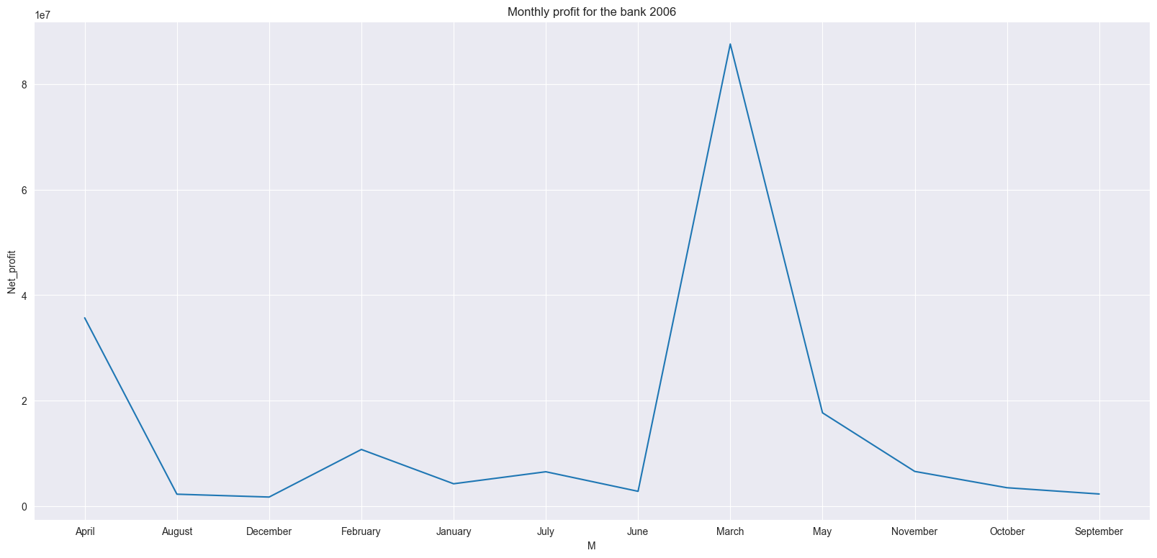

 |  | 2006
 |  | M_Num | M | Net_profit
 |  | 1 | January | 4239401.1768
 |  | 2 | February | 10737429.869
 |  | 3 | March | 87566567.917
 |  | 4 | April | 35678832.008
 |  | 5 | May | 17681890.472
 |  | 6 | June | 2808427.9355
 |  | 7 | July | 6515204.0703
 |  | 8 | August | 2262981.9652
 |  | 9 | September | 2301573.4683
 |  | 10 | October | 3487666.3377
 |  | 11 | November | 6580132.1668
 |  | 12 | December | 1723445.1573

