Pack shots
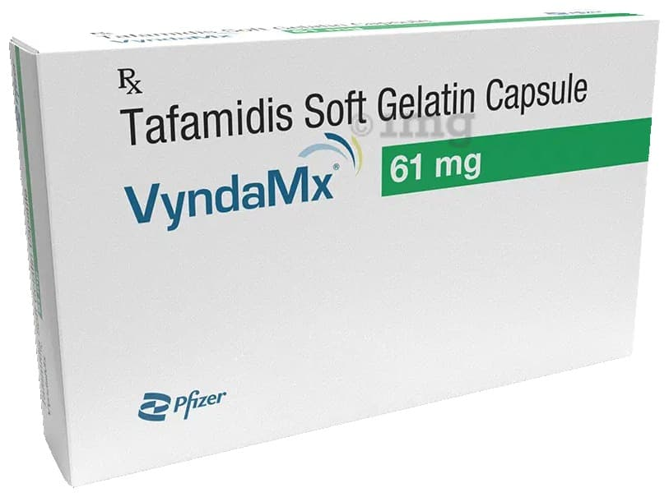
Brand pack shots and image sources
Illustrative third-party pack photographs. Packaging may vary. Entity allocation comes from official price lists.

Prevenar 13 (Listed) | https://cdn.pixelbin.io/v2/plain-cake-860195/netmed/wrkr/products/assets/item/free/original/PKHwKeEri4-prevenar_13_vaccine_0_5ml_0.jpg
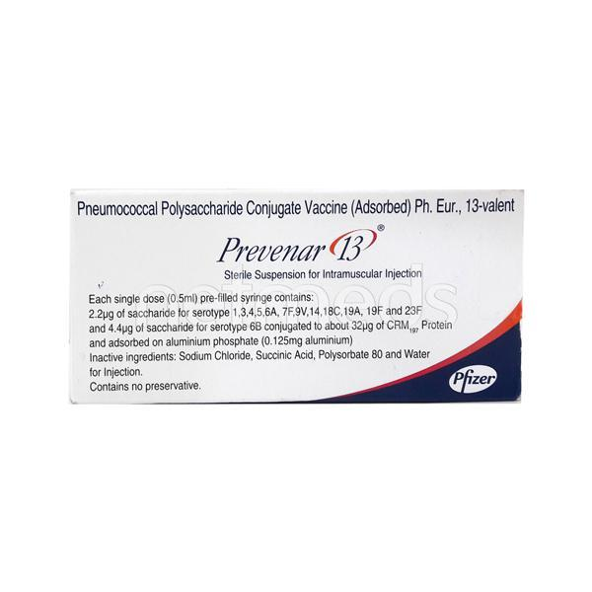

Eliquis (Listed) | https://images.apollo247.in/pub/media/catalog/product/E/L/ELI0077_1_1.jpg
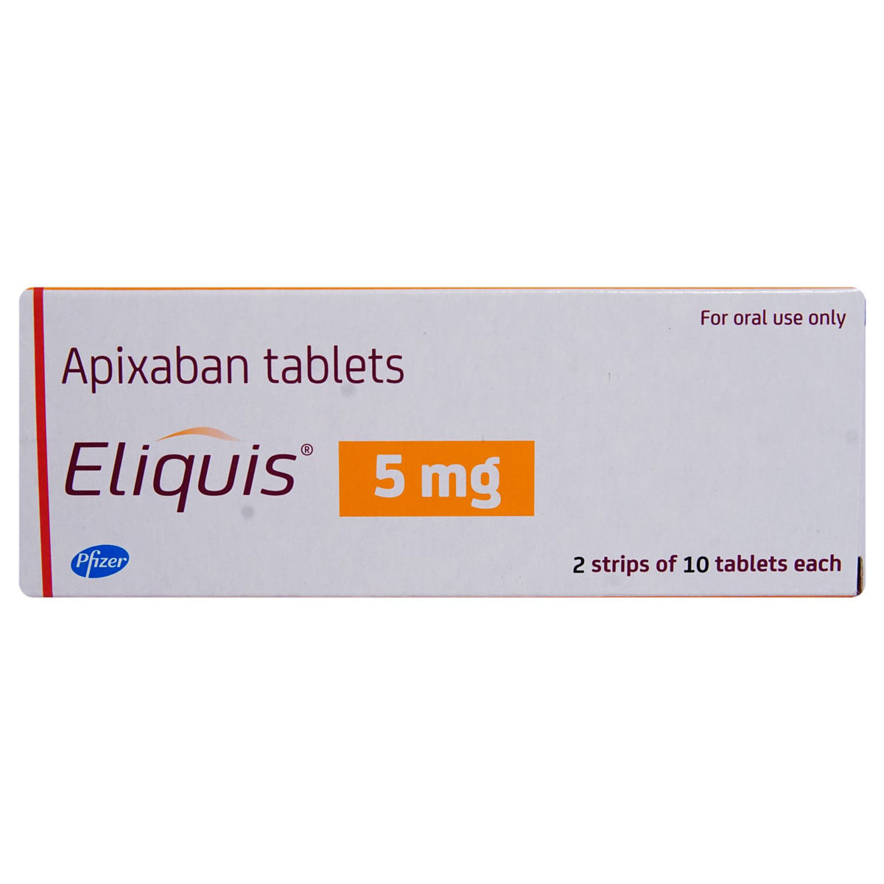

Becosules (Listed) | https://i.ebayimg.com/images/g/ZCcAAOSwQaBnOv5g/s-l1200.jpg
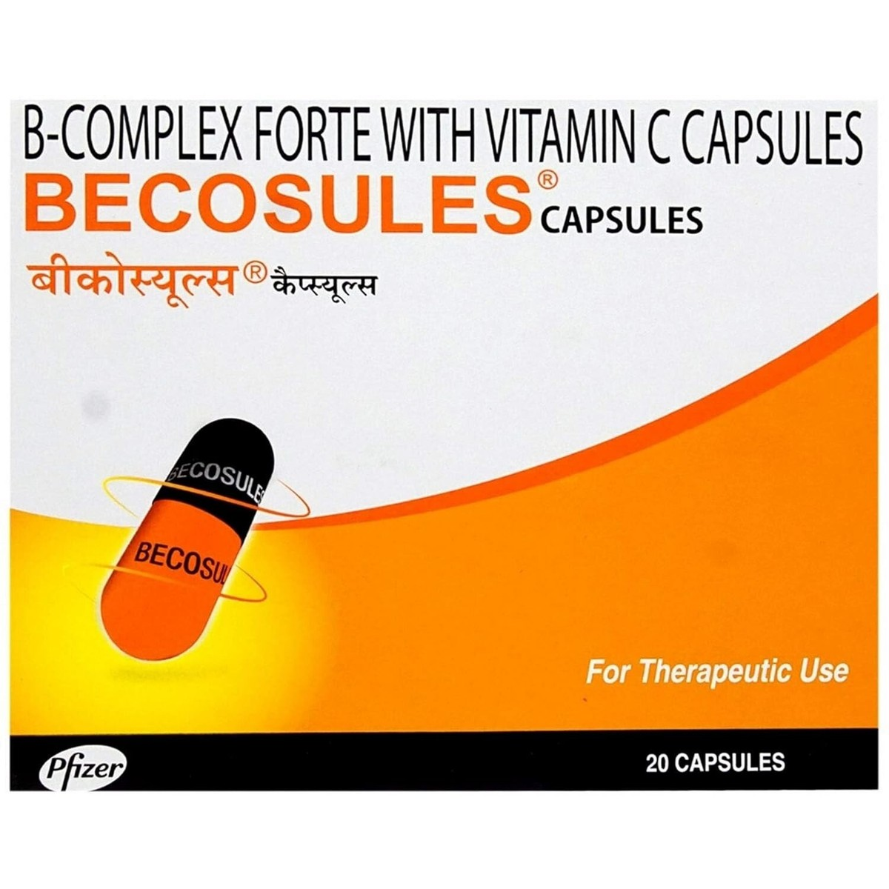

Palbace (Private) | https://www.amariindia.com/media/images/PALBACE_125MG_-_PALBOCICLIB_CAPSULES_RIG9bPO.original.jpg
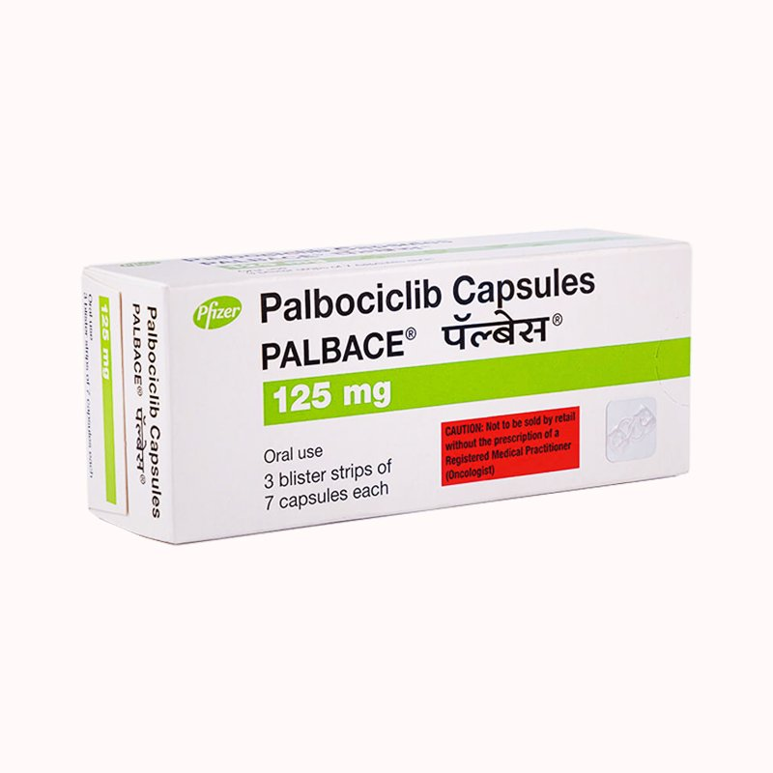

Lorbriqua (Private) | https://img3.exportersindia.com/product_images/bc-full/2025/7/1369709/lorbriqua-100-mg-tablet-1752663176-8205570.jpeg
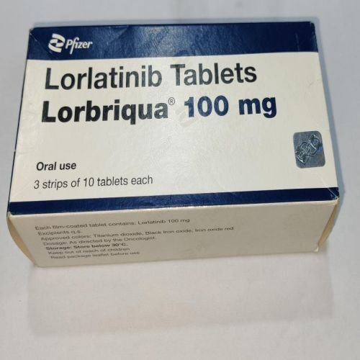

VyndaMx (Private) | https://onemg.gumlet.io/l_watermark_346/a_ignore%2Cc_fit%2Cq_auto%2Cf_auto/ed1768c8-aeab-4fd6-8fe9-59f217f6dbd0.jpeg

