Page1
U. S. Department |  |  | TRAFFIC VOLUME
of Transportation

Federal Highway |  |  | TRENDS
Administration

Office of Highway |  |  | October 2018
Policy Information

 |  |  | Travel on all roads and streets changed by
 |  |  | 1.2% | ( | 3.2 | billion vehicle miles ) |  |  | for October 2018 as compared with
 |  |  | 2017-10-02 | 2017-10-02
 |  |  | Travel for the month is estimated to be 282.2
 |  |  | billion vehicle miles.

 |  |  | The seasonally adjusted vehicle miles traveled for October 2018
 |  |  | is 269.8 billion miles, a 0.6% (1.7 billion vehicle miles)
 |  |  | increase over October 2017. It also represents 0.4% increase
 |  |  | (1.2 billion vehicle miles) compared with September 2018.

 |  |  | Cumulative Travel for 2018 changed by |  |  |  |  | 0.4%
 |  |  |  | ( | 9.5 | billion vehicle miles )
 |  |  | The cumulative estimate for the year is 2697.9
 |  |  | billion vehicle miles of travel.

Estimated Vehicle-Miles of Travel by Region - October 2018 - (in Billions)
Change in Traffic as compared to same month last year.

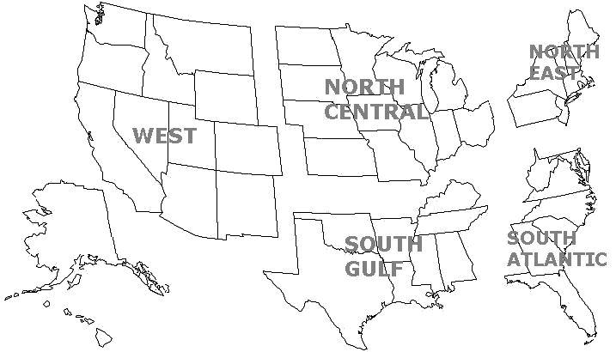

 |  | WEST |  |  | NORTH CENTRAL |  | NORTHEAST
 |  | 63.9 |  |  | 62.8 |  | 38.5
 |  | 1.8% |  |  | 0.9% |  | 0.5%

 |  |  |  |  | SOUTH GULF |  | SOUTH ATLANTIC
 |  |  |  |  | 55.2 |  | 61.8
 |  |  |  |  | 0.5% |  | 1.7%

Note: | All data for this month are preliminary. Revised values for the previous month are shown in Tables 1 and 2.
 | All vehicle-miles of travel computed with Highway Statistics 2017 Table VM-2 as a base.
 | Compiled with data on hand as of |  |  | December 10,2018
 | Some historical data were revised based on HPMS and amended TVT data as of December 2015.
 | For information on total licensed drivers in the U.S. visit http://www.fhwa.dot.gov/policy/ohpi/hss/hsspubs.htm.
 | Select the year of interest then Section III (Driver Licensing).
 | For information on total registered motor vehicles in the U.S., visit http://www.fhwa.dot.gov/policy/ohpi/hss/hsspubs.htm
 | Select the year of interest and Section II (Motor Vehicles).

Figure 1
Figure 1 - Moving 12-Month Total on ALL Roads
Year | Date | Annual Vehicle-Distance Traveled (Billion Miles)
1994-01-01 | Jan-94 | 2,295
1994-02-01 | Feb-94 | 2,298
1994-03-01 | Mar-94 | 2,306
1994-04-01 | Apr-94 | 2,312
1994-05-01 | May-94 | 2,313
1994-06-01 | Jun-94 | 2,321
1994-07-01 | Jul-94 | 2,326
1994-08-01 | Aug-94 | 2,331
1994-09-01 | Sep-94 | 2,338
1994-10-01 | Oct-94 | 2,343
1994-11-01 | Nov-94 | 2,351
1994-12-01 | Dec-94 | 2,357
1995-01-01 | Jan-95 | 2,382
1995-02-01 | Feb-95 | 2,387
1995-03-01 | Mar-95 | 2,392
1995-04-01 | Apr-95 | 2,395
1995-05-01 | May-95 | 2,401
1995-06-01 | Jun-95 | 2,405
1995-07-01 | Jul-95 | 2,407
1995-08-01 | Aug-95 | 2,411
1995-09-01 | Sep-95 | 2,414
1995-10-01 | Oct-95 | 2,418
1995-11-01 | Nov-95 | 2,422
1995-12-01 | Dec-95 | 2,422
1996-01-01 | Jan-96 | 2,411
1996-02-01 | Feb-96 | 2,417
1996-03-01 | Mar-96 | 2,420
1996-04-01 | Apr-96 | 2,427
1996-05-01 | May-96 | 2,433
1996-06-01 | Jun-96 | 2,438
1996-07-01 | Jul-96 | 2,446
1996-08-01 | Aug-96 | 2,456
1996-09-01 | Sep-96 | 2,460
1996-10-01 | Oct-96 | 2,469
1996-11-01 | Nov-96 | 2,475
1996-12-01 | Dec-96 | 2,483
1997-01-01 | Jan-97 | 2,490
1997-02-01 | Feb-97 | 2,497
1997-03-01 | Mar-97 | 2,505
1997-04-01 | Apr-97 | 2,511
1997-05-01 | May-97 | 2,518
1997-06-01 | Jun-97 | 2,524
1997-07-01 | Jul-97 | 2,536
1997-08-01 | Aug-97 | 2,540
1997-09-01 | Sep-97 | 2,546
1997-10-01 | Oct-97 | 2,551
1997-11-01 | Nov-97 | 2,553
1997-12-01 | Dec-97 | 2,559
1998-01-01 | Jan-98 | 2,566
1998-02-01 | Feb-98 | 2,569
1998-03-01 | Mar-98 | 2,571
1998-04-01 | Apr-98 | 2,578
1998-05-01 | May-98 | 2,580
1998-06-01 | Jun-98 | 2,587
1998-07-01 | Jul-98 | 2,590
1998-08-01 | Aug-98 | 2,594
1998-09-01 | Sep-98 | 2,599
1998-10-01 | Oct-98 | 2,607
1998-11-01 | Nov-98 | 2,616
1998-12-01 | Dec-98 | 2,625
1999-01-01 | Jan-99 | 2,622
1999-02-01 | Feb-99 | 2,626
1999-03-01 | Mar-99 | 2,633
1999-04-01 | Apr-99 | 2,636
1999-05-01 | May-99 | 2,639
1999-06-01 | Jun-99 | 2,646
1999-07-01 | Jul-99 | 2,649
1999-08-01 | Aug-99 | 2,654
1999-09-01 | Sep-99 | 2,659
1999-10-01 | Oct-99 | 2,664
1999-11-01 | Nov-99 | 2,675
1999-12-01 | Dec-99 | 2,680
2000-01-01 | Jan-00 | 2,689
2000-02-01 | Feb-00 | 2,697
2000-03-01 | Mar-00 | 2,708
2000-04-01 | Apr-00 | 2,715
2000-05-01 | May-00 | 2,727
2000-06-01 | Jun-00 | 2,734
2000-07-01 | Jul-00 | 2,736
2000-08-01 | Aug-00 | 2,742
2000-09-01 | Sep-00 | 2,746
2000-10-01 | Oct-00 | 2,748
2000-11-01 | Nov-00 | 2,749
2000-12-01 | Dec-00 | 2,746
2001-01-01 | Jan-01 | 2,753
2001-02-01 | Feb-01 | 2,755
2001-03-01 | Mar-01 | 2,756
2001-04-01 | Apr-01 | 2,761
2001-05-01 | May-01 | 2,763
2001-06-01 | Jun-01 | 2,763
2001-07-01 | Jul-01 | 2,768
2001-08-01 | Aug-01 | 2,773
2001-09-01 | Sep-01 | 2,771
2001-10-01 | Oct-01 | 2,776
2001-11-01 | Nov-01 | 2,784
2001-12-01 | Dec-01 | 2,796
2002-01-01 | Jan-02 | 2,801
2002-02-01 | Feb-02 | 2,808
2002-03-01 | Mar-02 | 2,811
2002-04-01 | Apr-02 | 2,815
2002-05-01 | May-02 | 2,822
2002-06-01 | Jun-02 | 2,827
2002-07-01 | Jul-02 | 2,833
2002-08-01 | Aug-02 | 2,839
2002-09-01 | Sep-02 | 2,847
2002-10-01 | Oct-02 | 2,852
2002-11-01 | Nov-02 | 2,852
2002-12-01 | Dec-02 | 2,856
2003-01-01 | Jan-03 | 2,860
2003-02-01 | Feb-03 | 2,856
2003-03-01 | Mar-03 | 2,857
2003-04-01 | Apr-03 | 2,859
2003-05-01 | May-03 | 2,860
2003-06-01 | Jun-03 | 2,864
2003-07-01 | Jul-03 | 2,870
2003-08-01 | Aug-03 | 2,872
2003-09-01 | Sep-03 | 2,875
2003-10-01 | Oct-03 | 2,883
2003-11-01 | Nov-03 | 2,886
2003-12-01 | Dec-03 | 2,891
2004-01-01 | Jan-04 | 2,894
2004-02-01 | Feb-04 | 2,904
2004-03-01 | Mar-04 | 2,918
2004-04-01 | Apr-04 | 2,930
2004-05-01 | May-04 | 2,934
2004-06-01 | Jun-04 | 2,939
2004-07-01 | Jul-04 | 2,943
2004-08-01 | Aug-04 | 2,945
2004-09-01 | Sep-04 | 2,952
2004-10-01 | Oct-04 | 2,952
2004-11-01 | Nov-04 | 2,958
2004-12-01 | Dec-04 | 2,964
2005-01-01 | Jan-05 | 2,966
2005-02-01 | Feb-05 | 2,972
2005-03-01 | Mar-05 | 2,974
2005-04-01 | Apr-05 | 2,974
2005-05-01 | May-05 | 2,980
2005-06-01 | Jun-05 | 2,987
2005-07-01 | Jul-05 | 2,988
2005-08-01 | Aug-05 | 2,990
2005-09-01 | Sep-05 | 2,988
2005-10-01 | Oct-05 | 2,985
2005-11-01 | Nov-05 | 2,988
2005-12-01 | Dec-05 | 2,989
2006-01-01 | Jan-06 | 2,998
2006-02-01 | Feb-06 | 2,999
2006-03-01 | Mar-06 | 3,003
2006-04-01 | Apr-06 | 3,003
2006-05-01 | May-06 | 3,003
2006-06-01 | Jun-06 | 3,003
2006-07-01 | Jul-06 | 2,999
2006-08-01 | Aug-06 | 2,999
2006-09-01 | Sep-06 | 3,003
2006-10-01 | Oct-06 | 3,010
2006-11-01 | Nov-06 | 3,012
2006-12-01 | Dec-06 | 3,014
2007-01-01 | Jan-07 | 3,015
2007-02-01 | Feb-07 | 3,013
2007-03-01 | Mar-07 | 3,016
2007-04-01 | Apr-07 | 3,018
2007-05-01 | May-07 | 3,023
2007-06-01 | Jun-07 | 3,024
2007-07-01 | Jul-07 | 3,028
2007-08-01 | Aug-07 | 3,034
2007-09-01 | Sep-07 | 3,034
2007-10-01 | Oct-07 | 3,037
2007-11-01 | Nov-07 | 3,038
2007-12-01 | Dec-07 | 3,030
2008-01-01 | Jan-08 | 3,029
2008-02-01 | Feb-08 | 3,031
2008-03-01 | Mar-08 | 3,023
2008-04-01 | Apr-08 | 3,022
2008-05-01 | May-08 | 3,015
2008-06-01 | Jun-08 | 3,007
2008-07-01 | Jul-08 | 3,002
2008-08-01 | Aug-08 | 2,992
2008-09-01 | Sep-08 | 2,986
2008-10-01 | Oct-08 | 2,981
2008-11-01 | Nov-08 | 2,971
2008-12-01 | Dec-08 | 2,973
2009-01-01 | Jan-09 | 2,966
2009-02-01 | Feb-09 | 2,963
2009-03-01 | Mar-09 | 2,961
2009-04-01 | Apr-09 | 2,960
2009-05-01 | May-09 | 2,957
2009-06-01 | Jun-09 | 2,958
2009-07-01 | Jul-09 | 2,960
2009-08-01 | Aug-09 | 2,959
2009-09-01 | Sep-09 | 2,961
2009-10-01 | Oct-09 | 2,957
2009-11-01 | Nov-09 | 2,958
2009-12-01 | Dec-09 | 2,956
2010-01-01 | Jan-10 | 2,951
2010-02-01 | Feb-10 | 2,944
2010-03-01 | Mar-10 | 2,948
2010-04-01 | Apr-10 | 2,951
2010-05-01 | May-10 | 2,950
2010-06-01 | Jun-10 | 2,952
2010-07-01 | Jul-10 | 2,953
2010-08-01 | Aug-10 | 2,957
2010-09-01 | Sep-10 | 2,960
2010-10-01 | Oct-10 | 2,964
2010-11-01 | Nov-10 | 2,967
2010-12-01 | Dec-10 | 2,968
2011-01-01 | Jan-11 | 2,971
2011-02-01 | Feb-11 | 2,973
2011-03-01 | Mar-11 | 2,972
2011-04-01 | Apr-11 | 2,968
2011-05-01 | May-11 | 2,965
2011-06-01 | Jun-11 | 2,963
2011-07-01 | Jul-11 | 2,958
2011-08-01 | Aug-11 | 2,955
2011-09-01 | Sep-11 | 2,952
2011-10-01 | Oct-11 | 2,948
2011-11-01 | Nov-11 | 2,947
2011-12-01 | Dec-11 | 2,951
2012-01-01 | Jan-12 | 2,955
2012-02-01 | Feb-12 | 2,960
2012-03-01 | Mar-12 | 2,963
2012-04-01 | Apr-12 | 2,962
2012-05-01 | May-12 | 2,969
2012-06-01 | Jun-12 | 2,971
2012-07-01 | Jul-12 | 2,971
2012-08-01 | Aug-12 | 2,974
2012-09-01 | Sep-12 | 2,971
2012-10-01 | Oct-12 | 2,973
2012-11-01 | Nov-12 | 2,974
2012-12-01 | Dec-12 | 2,968
2013-01-01 | Jan-13 | 2,969
2013-02-01 | Feb-13 | 2,967
2013-03-01 | Mar-13 | 2,964
2013-04-01 | Apr-13 | 2,967
2013-05-01 | May-13 | 2,969
2013-06-01 | Jun-13 | 2,969
2013-07-01 | Jul-13 | 2,973
2013-08-01 | Aug-13 | 2,977
2013-09-01 | Sep-13 | 2,981
2013-10-01 | Oct-13 | 2,986
2013-11-01 | Nov-13 | 2,986
2013-12-01 | Dec-13 | 2,988
2014-01-01 | Jan-14 | 2,985
2014-02-01 | Feb-14 | 2,983
2014-03-01 | Mar-14 | 2,983
2014-04-01 | Apr-14 | 2,988
2014-05-01 | May-14 | 2,991
2014-06-01 | Jun-14 | 2,994
2014-07-01 | Jul-14 | 3,000
2014-08-01 | Aug-14 | 3,001
2014-09-01 | Sep-14 | 3,006
2014-10-01 | Oct-14 | 3,012
2014-11-01 | Nov-14 | 3,013
2014-12-01 | Dec-14 | 3,024
2015-01-01 | Jan-15 | 3,031
2015-02-01 | Feb-15 | 3,034
2015-03-01 | Mar-15 | 3,039
2015-04-01 | Apr-15 | 3,045
2015-05-01 | May-15 | 3,050
2015-06-01 | Jun-15 | 3,058
2015-07-01 | Jul-15 | 3,066
2015-08-01 | Aug-15 | 3,069
2015-09-01 | Sep-15 | 3,076
2015-10-01 | Oct-15 | 3,079
2015-11-01 | Nov-15 | 3,087
2015-12-01 | Dec-15 | 3,094
2016-01-01 | Jan-16 | 3,101
2016-02-01 | Feb-16 | 3,107
2016-03-01 | Mar-16 | 3,114
2016-04-01 | Apr-16 | 3,121
2016-05-01 | May-16 | 3,128
2016-06-01 | Jun-16 | 3,134
2016-07-01 | Jul-16 | 3,141
2016-08-01 | Aug-16 | 3,148
2016-09-01 | Sep-16 | 3,155
2016-10-01 | Oct-16 | 3,163
2016-11-01 | Nov-16 | 3,169
2016-12-01 | Dec-16 | 3,175
2017-01-01 | Jan-17 | 3,180
2017-02-01 | Feb-17 | 3,184
2017-03-01 | Mar-17 | 3,186
2017-04-01 | Apr-17 | 3,189
2017-05-01 | May-17 | 3,195
2017-06-01 | Jun-17 | 3,199
2017-07-01 | Jul-17 | 3,201
2017-08-01 | Aug-17 | 3,205
2017-09-01 | Sep-17 | 3,206
2017-10-01 | Oct-17 | 3,209
2017-11-01 | Nov-17 | 3,212
2017-12-01 | Dec-17 | 3,214
2018-01-01 | Jan-18 | 3,215
2018-02-01 | Feb-18 | 3,215
2018-03-01 | Mar-18 | 3,216
2018-04-01 | Apr-18 | 3,215
2018-05-01 | May-18 | 3,217
2018-06-01 | Jun-18 | 3,217
2018-07-01 | Jul-18 | 3,218
2018-08-01 | Aug-18 | 3,222
2018-09-01 | Sep-18 | 3,220
2018-10-01 | Oct-18 | 3,223
 |  | #N/A
 |  | #N/A
 |  | #N/A
 |  | #N/A
 |  | #N/A
 |  | #N/A
 |  | #N/A
 |  | #N/A
 |  | #N/A
 |  | #N/A
 |  | #N/A
 |  | #N/A
 |  | #N/A
 |  | #N/A
 |  | #N/A
 |  | #N/A
 |  | #N/A
 |  | #N/A
 |  | #N/A
 |  | #N/A

Figure 2
Figure 2 - Travel on U.S. Highways by Month | Urban Highways- Average Daily Vehicle-Distance Traveled(Billion Miles)

Urban Highways
 |  | 2016 | 2017 | 2018
 | Jan | 5.53 | 5.66 | 5.67
 | Feb | 5.50 | 5.79 | 5.79
 | Mar | 6.06 | 6.11 | 6.12
 | Apr | 6.34 | 6.39 | 6.40
 | May | 6.25 | 6.39 | 6.41
 | Jun | 6.40 | 6.47 | 6.46
 | Jul | 6.27 | 6.32 | 6.33
 | Aug | 6.20 | 6.27 | 6.33
 | Sep | 6.07 | 6.07 | 6.02
 | Oct | 6.21 | 6.29 | 6.37
 | Nov | 5.99 | 6.04 | #N/A
 | Dec | 6.08 | 6.10 | #N/A

 | Rural Highways- Average Daily Vehicle-Distance Traveled(Billion Miles)

 |  | 2016 | 2017 | 2018
 | Jan | 2.20 | 2.23 | 2.25
 | Feb | 2.19 | 2.32 | 2.30
 | Mar | 2.49 | 2.51 | 2.54
 | Apr | 2.65 | 2.71 | 2.69
 | May | 2.71 | 2.77 | 2.82
 | Jun | 2.83 | 2.88 | 2.90
 | Jul | 2.93 | 2.95 | 2.96
 | Aug | 2.81 | 2.87 | 2.92
 | Sep | 2.66 | 2.69 | 2.67
Rural Highways
 | Oct | 2.68 | 2.71 | 2.74
 | Nov | 2.51 | 2.55 | #N/A
 | Dec | 2.46 | 2.50 | #N/A

Figure 3
Figure 3: Seasonally Adjusted Vehicle Miles Traveled by Month

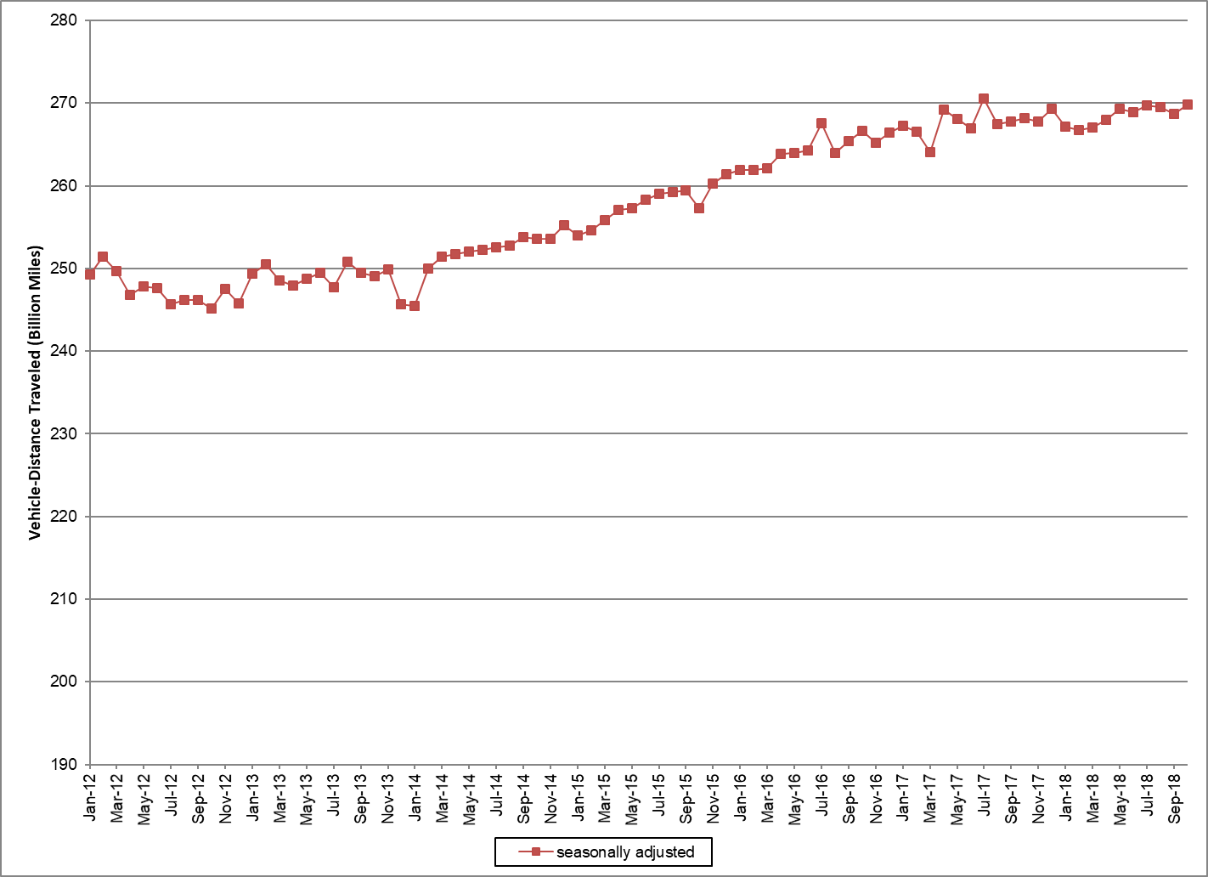

Seasonally adjusted data are modeled by the Bureau of Transportation Statistics, Office of the Assistant Secretary for Research and Technology, U.S. Department of Transportation
See http://www.transtats.bts.gov/OSEA/SeasonalAdjustment/ for additional seasonally adjusted travel data and information.

