Actual Ph loc, trib joins dewat
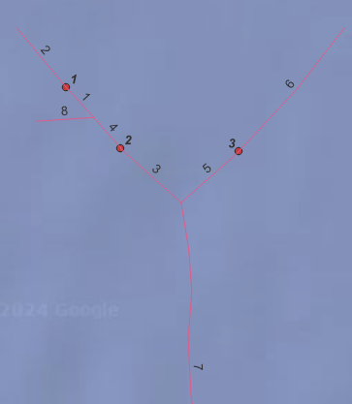

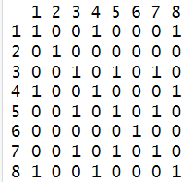

DCId = 0.5245207
DCI_withoutDewater = 0.5245207

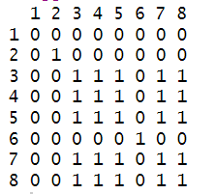

DCI_Dewater = 0.6261399

PH moved upstream of trib conf.
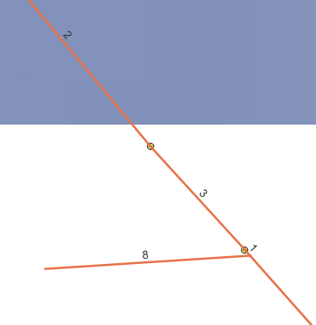
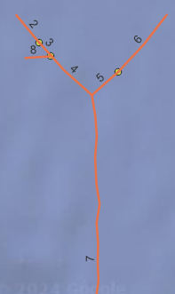
 | Powerhouse moved upstream of the tributary joining. This reduces the length of the dewatered stretch
1

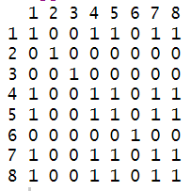

 | DCId = 0.6297105
 | DCI_withoutDewater = sum(river_net_simplified$length[c(1,4,5,7,8)])^2 / (sum(river_net_simplified$length))^2 + sum(river_net_simplified$DCI[c(2,3,6)]) = 0.6297105

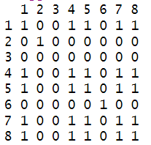

 | Dewatered segment = 3
 | DCI_Dewater1 = sum(river_net_simplified$length[c(1,4,5,7,8)])^2 / (sum(river_net_simplified$length))^2 + sum(river_net_simplified$DCI[c(2,6)]) = 0.628767
 | DCI_Dewater2 = as.numeric(DCI_withoutDewater) - as.numeric(sum(river_net_simplified$DCI[c(dewatered)])) = 0.628767

