Qualification Mgr
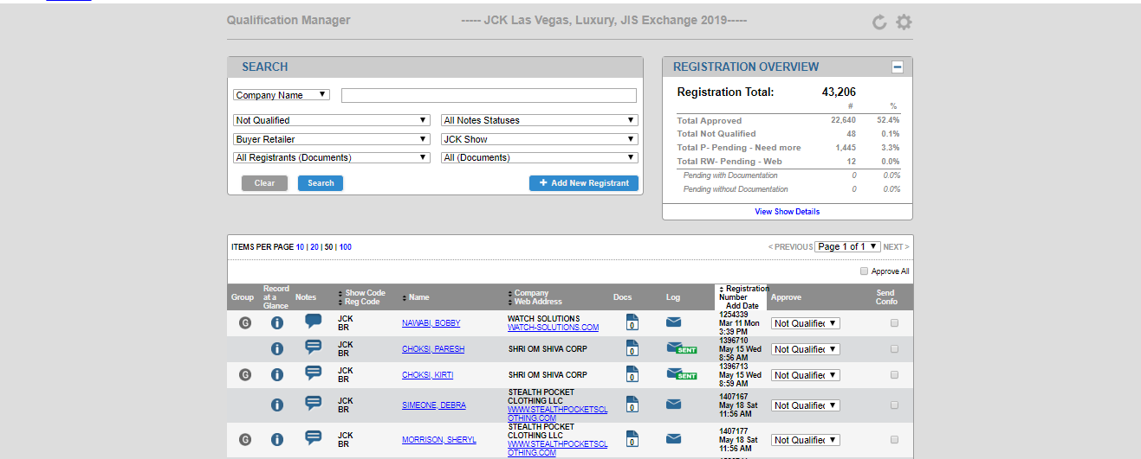
TOC Page
Qualification Manager

Email sent to DA/FP: 4/28/20
Reg_evtcodes that can be in a pending status

908, 910, 971, 974, 979

Which field are you using for Qualification? It is recommended that REC 2 be used as it works well with all reports
qual_evtcode

What Search Filters should be used ?

 | Include ? | Search Filter Label |  | Notes
 | X | Company Name ( comp_sort key) |  | Standard Field – Do not remove
 | X | Badge Number ( Reg _id) |  | Standard Field – Do not remove
 | X | Add Date (add_date) |  | Standard Field – Do not remove
 | X | Email Address (internet_address_sortkey) |  | Standard Field – Do not remove
 | X | Full Name ( Reg _ Full_name) |  | Standard Field – Do not remove

What data filters should be used ?

 | Include ? | Search Filter Label |  | Notes
 | X | Approval Status Filter |  | Standard Field – Do not remove
 |  | Show Code Filter
 | X | Notes Filter |  | Standard Field – Do not remove
 |  | Custom Filter ( Fill in field names)

General Settings

 | Setting | Value |  | Recommended Value
 | Pagination Default | 10, 20, 50, 100 |  | 50
 | Search Result Limit | Free Key |  | 1,000
 | Active Approve All Feature | Yes or No |  | Yes
 | Email Field | Dropdown of registrations |  | Internet _address
 | Approve ALL Code | Free Key
 | Approval Field | Drop down of Fields Values |  | A
 | Pending Code | Free Key |  | P
 | Send Confirmation Email Check | Yes or No |  | Yes

Search Results Display

 | Include ? | Field Name |  | Notes
 | X | Group |  | Standard Field – Do not remove
 | X | Record at a Glance |  | Standard Field – Do not remove
 | X | Notes |  | Standard Field – Do not remove
 | X | Name
 |  | Company
 |  | Address
 | X | Documents |  | Standard - Do No Remove
 |  | Title
 |  | Reg Code
 | X | Registration Number |  | Standard Field – Do not remove
 |  | Add Date
 |  | Phone Number
 |  | Website
 |  | Comments
 |  | Communication Log / Send Email
 |  | Web Address
 | X | Approval Status |  | Standard Field – Do not remove
 | X | Send Confirmation |  | Standard Field – Do not remove

Record at a Glance Window
Include? | Field Name |  | Notes
X | Basic Contact Info |  | Fn, Ln, Address, Title
 | Demographic Information |  | List out Demo's
 | Survey Results

Qualification Instructions and Documents Requirements

 | Group | Reg Type or Reg Codes |  | Qualification Instructions & Documents instructions
 | Attendee | 908 |  | Letter from your training program director.
 | Attendee | 910 |  | Copy of your medical student ID.
 | Attendee | 971 |  | A letter on practice letterhead noting the registrant’s role within the practice is required.
 | Attendee | 974 |  | Copy of their military ID.
 | Attendee | 979 |  | Copy of your certification to your AANS Registration.

Screenshots of QM

