Qualification Mgr
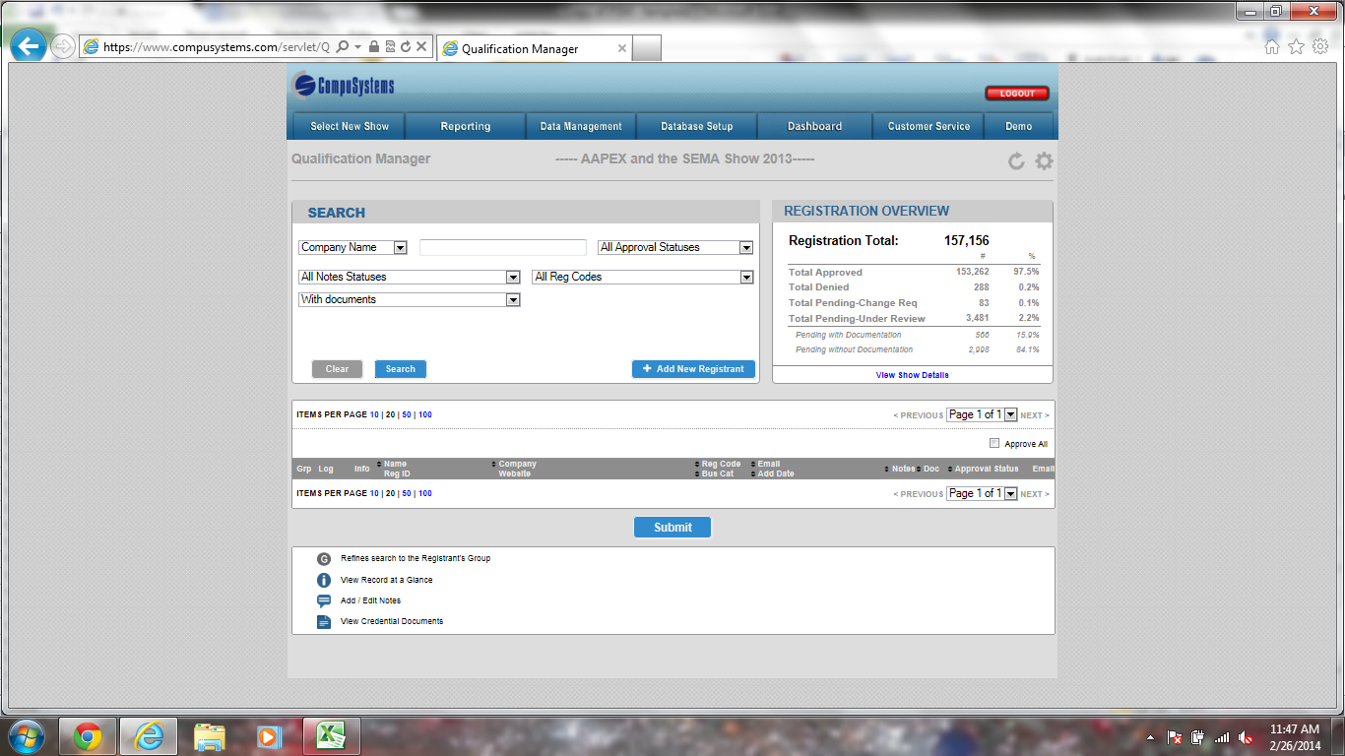
TOC Page
Qualification Manager

NOTE: If your show is using the new QM application, please send a email to your DA and Matt W. to have this setup. You must still complete this tab in the PSM

What Reg codes or Reg types will be pending ?

REG Codes - STU, TRN, RES, AM

Which field are you using for Qualification ? REC 2 it works with all reports & QM the best !
reg2_evtcode

What Search Filters should be used ( Values with a X are the recommended settings.)

 | Include ? | Search Filter Label |  | Notes
 | X | Company Name ( comp_sort key) |  | Standard Field – Do not remove
 | X | Badge Number ( Reg _id) |  | Standard Field – Do not remove
 | X | Add Date (add_date) |  | Standard Field – Do not remove
 | X | Email Address (internet_address_sortkey) |  | Standard Field – Do not remove
 | X | Full Name ( Reg _ Full_name) |  | Standard Field – Do not remove

What data filters should be used ? ( Values with a X are recommended settings )

 | Include ? | Search Filter Label |  | Notes
 | X | Approval Status Filter |  | Standard Field – Do not remove
 |  | Show Code Filter
 | X | Notes Filter |  | Standard Field – Do not remove
 |  | Custom Filter ( Fill in field names)

General Settings

 | Setting | Value |  | Recommended Value
 | Pagination Default | 10,20,50, 100 |  | 50
 | Search Result Limit | Free Key |  | 1,000
 | Active Approve All Feature | Yes or No |  | Yes
 | Email Field | Dropdown of registrations |  | Internet _address
 | Approve ALL Code | Free Key |  | Show Specific
 | Approval Field | Drop down of Fields Values |  | Show Specific
 | Pending Code | Free Key |  | Show Specific
 | Send Confirmation Email Check | Yes or No |  | Yes

Search Results Display

 | Include ? | Field Name |  | Notes
 | X | Group |  | Standard Field – Do not remove
 | X | Record at a Glance |  | Standard Field – Do not remove
 | X | Notes |  | Standard Field – Do not remove
 | X | Name
 |  | Company
 |  | Address
 | X | Documents |  | Standard - Do No Remove
 |  | Title
 |  | Reg Code
 | X | Registration Number |  | Standard Field – Do not remove
 |  | Add Date
 |  | Phone Number
 |  | Website
 |  | Comments
 |  | Communication Log / Send Email
 |  | Web Address
 | X | Approval Status |  | Standard Field – Do not remove
 | X | Send Confirmation |  | Standard Field – Do not remove

Record at a Glance Window
Include? | Field Name |  | Notes
X | Basic Contact Info |  | Fn, Ln, Address, Title
X | Demographic Information |  | List out Demo's
 | Survey Results

Qualification Instructions and Documents Requirements

 | Group | Reg Type or Reg Codes |  | Qualification Instructions & Documents instructions
 | Example : Attendee | AT |  | * Qualification Instructions provide external file * Document Requirements provide URL or file * Number of acceptable documents * List acceptable documents

Screen Shots of QM

Badge Ticket Formats
TOC Page
Badge / Ticket / Credential Formats
Badge Formats

Badge Format samples can be found at
S:\Database Programmer Shared Files\Badge Formats

NOTE: If your show is doing ET, ST or AC - 1D barcode must be printed on the badges.

When Badge formats are approved by client you must contact Heidi and Mike Blaze that formats are approved and which barcode will be on the badge
mike.blazejewski@csireg.com & heidi.marecek@csireg.com
Line Wrapping (color badge printer): Client is moving to color printing. Badge stock size will be 4x5.
Field | Full Name | No
Field | Credentials | No
Field | Title | No
Field | Company | Yes
Field | City | No
Field | State | No
Field | Country | No
Field | Explosion | Yes

Badge Format #: |  | 1 - Full Conference/Course Only
Type: |  | Attendee
Reg Code: |  | PO1, EGS, MEM, AMC, NON, AM, TRN, RES, STU, NPM, OTH
Notes: |  | name_suffix = Professional Degree(s)/Credentials
 |  | Y's are ribbon flags. These fields are: reg4_evtcode, reg5_evtcode, reg6_evtcode, Text2, Text3, Text4, Text5, hotel_evtcode, qual_evtcode, name_nick.
Colorbar | Reg Code | Description
Clear | PO1, EGS | Course Only
Yellow | MEM, AMC | Members
Light Blue | NON, AM | Non-member, Active Military
Light Orange | TRN, RES | In Training Fellows, Resident
Lime Green | STU | Student
Teal | NPM, OTH | Nurse/Paramedial, Non-Medical

FNAME LNAME |  |  | LG | 8 pt Smallest (ST)
name_suffix |  |  | MM | 10pt Smaller (SR)
COMPANY NAME |  |  | LD | 14pt Small (SL)
CITY, ST COUNTRY |  |  | MM | 18pt Medium1 (M1)
12-345-67 |  |  | SL | 23pt Medium (MM)
 |  |  |  | 26pt Large D (LD)
 |  |  |  | 32pt Large (LG)
EXPLOSION |  |  | SL | 35pt Largest (LT)
MEMB ID YYYYY |  |  | SR

Badge Format #: |  | 2 - Dailies
Type: |  | Attendee
Reg Code: |  | TRN, NPM, OTH, RES, STU
Notes: |  | name_suffix = Professional Degree(s)/Credentials
 |  | Y's are ribbon flags. These fields are: reg4_evtcode, reg5_evtcode, reg6_evtcode, Text2, Text3, Text4, Text5, hotel_evtcode, qual_evtcode, name_nick.
Colorbar | Category | Reg Types
Gray | Dailes | 004, 005, 006, 007, 008, 009, 010, 011, 012, 013, 014, 015, 016, 017, 049, 050, 051, 052, 053, 054, 055, 056, 057, 058, 059, 060, 061, 062, 064, 065, 066, 067, 068, 069, 070, 071, 072, 073, 074, 075, 076, 077, 019, 020, 021, 022, 023, 024, 025, 026, 027, 028, 029, 030, 031, 032, 034, 035, 036, 037, 038, 039, 040, 041, 042, 043, 044, 045, 046, 047

FNAME LNAME |  |  | LG | 8 pt Smallest (ST)
name_suffix |  |  | MM | 10pt Smaller (SR)
COMPANY NAME |  |  | LD | 14pt Small (SL)
CITY, ST COUNTRY |  |  | MM | 18pt Medium1 (M1)
12-345-67 |  |  | SL | 23pt Medium (MM)
 |  |  |  | 26pt Large D (LD)
EXPLOSION 1 (dalies) |  |  | SL | 32pt Large (LG)
EXPLOSION 2 |  |  | SL | 35pt Largest (LT)
MEMB ID YYYYY |  |  | SR

Badge Format #: |  | 3
Type: |  | Other
Reg Code: |  | STF, PRS, GST, EXH, CRR
Notes: |  | Y's are ribbon flags. These fields are: reg4_evtcode, reg5_evtcode, reg6_evtcode, Text2, Text3, Text4, Text5, hotel_evtcode.
Colorbar | Reg Code | Description
Clear | STF, PRS | Staff, Press
Red | EXH, CRR | Exhibitor, Corporate Rep
Blue | GST | Guest

 |  |  |  | 8 pt Smallest (ST)
FNAME LNAME |  |  | LG | 10pt Smaller (SR)
COMPANY NAME |  |  | MM | 14pt Small (SL)
CITY, ST COUNTRY |  |  | LD | 18pt Medium1 (M1)
12-345-67 |  |  | SL | 23pt Medium (MM)
 |  |  |  | 26pt Large D (LD)
 |  |  |  | 32pt Large (LG)
EXPLOSION 1 |  |  | SL | 35pt Largest (LT)
MEMB ID YYYYY |  |  | SR
,./
Ticket Formats

Ticket Format samples can be found at
S:\Database Programmer Shared Files\Badge Formats\Word Ticket Formats.doc

Remote Areas - IMPORTANT
For all ticket formats printing to remote locations, it is a requirement to place the 2D barcode on the credential at a coordinate that does not display. This only goes for tickets without a 2D barcode. Data packets that are transferred via the web to the remote printers are being lost due to insignificant packet size. Tickets typically only contain text, and by adding the CLII barcode it increases the size of data being transferred and appears to correct the issue.

Ticket Format #: |  | 1
Option(s): |  | PC01-PC04, PC01M-PC04M
 |  | BITRS, BIA, BNF, TL1- TL6, TL1F- TL6F, FB1- FB6, FB1F- FB6F

[TITLE] |  |  | M1
title continued |  |  | M1

Location: See Options Tab |  |  | SL

[DAY, DATE] |  |  | SL | 8 pt Smallest (ST)
[START TIME - END TIME] |  |  | SL | 10pt Smaller (SR)
 |  |  |  | 14pt Small (SL)
 |  |  |  | 18pt Medium1 (M1)
 |  |  |  | 23pt Medium (MM)
 |  |  |  | 26pt Large D (LD)
Ticket is nontransferable. |  |  | SR | 32pt Large (LG)
JOHN SMITH PC03 |  |  | SR | 35pt Largest (LT)
REG: 123456 |  |  | SR

Ticket Format #: |  | 2
Option(s): |  | AAB, AABG, AABRS

AAST Annual Banquet |  |  | M1
Reception: 7:30pm |  |  | SL
Dinner: 8:00pm |  |  | SL
Friday, September 20, 2019 |  |  | SL
7:30 - 10:00pm |  |  | SL
Location: See Options Tab |  |  | SL | 8 pt Smallest (ST)
Ticket is nontransferable. ALL attendees |  |  | SR | 10pt Smaller (SR)
and guests must be badged and have |  |  | SR | 14pt Small (SL)
their ticket to enter. |  |  | SR | 18pt Medium1 (M1)
 |  |  | SR | 23pt Medium (MM)
 |  |  |  | 26pt Large D (LD)
 |  |  |  | 32pt Large (LG)
JOHN SMITH AAB |  |  | SR | 35pt Largest (LT)
REG: 123456 Paddle #: _______ |  |  | SR

Ticket Format #: |  | 3
Option(s): |  | AFD
Notes: |  | This ticket does not print for exhibitors or staff: reg code EXH or STF.


Ticket Format #: |  | 4
Reg Codes: |  | MEM
Reg Types: |  | 001, 10A

AAST Membership Directory |  |  | M1
Ticket Voucher |  |  | M1

Please redeem this voucher at the |  |  | SL
AAST Info Table to receive your |  |  | SL | 8 pt Smallest (ST)
membership directory. |  |  | SL | 10pt Smaller (SR)
 |  |  |  | 14pt Small (SL)
One directory per member. |  |  | SL | 18pt Medium1 (M1)
 |  |  |  | 23pt Medium (MM)
*Limited quanties available.* |  |  | SL | 26pt Large D (LD)
 |  |  |  | 32pt Large (LG)
JOHN SMITH |  |  | SR | 35pt Largest (LT)
REG: 123456 |  |  | SR

Ticket Format #: |  | 5
Option(s): |  | PB_P

AAST Annual Meeting Printed |  |  | M1
Program Book Voucher |  |  | M1

Exchange this ticket at registration |  |  | SL
to receive your program printed book. |  |  | SL | 8 pt Smallest (ST)
 |  |  |  | 10pt Smaller (SR)
One per ticket holder. |  |  | SL | 14pt Small (SL)
 |  |  |  | 18pt Medium1 (M1)
 |  |  |  | 23pt Medium (MM)
 |  |  |  | 26pt Large D (LD)
 |  |  |  | 32pt Large (LG)
JOHN SMITH |  |  | SR | 35pt Largest (LT)
REG: 123456 |  |  | SR

Receipt Formats

Receipt Format #: |  | 1
Type: |  | Registration Receipt

RECEIPT |  |  | M1

PAYMENT TYPE: M |  |  | SL | 8 pt Smallest (ST)
PAYMENT AMOUNT: $30.00 |  |  | SL | 10pt Smaller (SR)
AUTHORIZATION CODE: 124A75 |  |  | SL | 14pt Small (SL)
 |  |  |  | 18pt Medium1 (M1)
 |  |  |  | 23pt Medium (MM)
 |  |  |  | 26pt Large D (LD)
 |  |  |  | 32pt Large (LG)
JOHN SMITH |  |  | SR | 35pt Largest (LT)
REG: 123456 |  |  | SR

Badge Print Threshold
Registration Code(s) |  |  | Threshold

Threshold is the number of times a badge can be printed throughout advance and onsite.

Ticket Print Threshold
Opd_ID(s) |  |  | Threshold

Threshold is the number of times a ticket can be printed throughout advance and onsite.

Onsite Ticket Printing
X | Description
 | Do not reset Quantity Used to “0” for all tickets once arriving onsite.
 | Reset Quantity Used to “0” for all tickets once onsite.
 | Reset Quantity used to “0” for the following options only:

