Show Info
TOC Page
Show Information

Education & Events March 2-6, 2021 Trade Show: Anaheim Convention Center North Halls, Anaheim Hilton, Anaheim Mariott March 3-5, 2021 Anaheim Convention Center Main Halls March 4-6, 2021
Anaheim, CA USA
Show Basics (Include in Show Set-Up Mantis Request.)
Mantis Project: New Databases/Events - Include the DA, WP and your GUI username in the issue.
Show Name |  |  |  | Natural Products Expo West
Show Organizer |  |  |  | Informa Exhibitions
Venue Name |  |  |  | Anaheim Convention Center
Venue Address |  |  |  | 800 West Katella Avenue
Venue City |  |  |  | Anaheim |  |  |  |  | Venue State |  |  | CA
Venue Zip |  |  |  | 92802 |  |  |  |  | Venue Phone
Show Website |  |  |  | www.expowest.com
Expo Hall Dates |  |  |  | March 3-6, 2021
Conference Dates |  |  |  | March 2-6, 2021
Attendance Expected |  |  |  | 75000
# of Exh Companies |  |  |  | 3,000
CSI Job # |  |  |  | 21C07
Show Type |  |  |  | Full Reg
Proper Case |  |  |  | All Caps

Client SLA or Specific Account Details/Notes

Data Analyst Work Request Information
Data Analyst Team |  |  |  | dpteam1@csireg.com
Email Inbox Work Request Subject |  |  |  | npew21ds8 - subject - due date

CSI Show Team
Department |  |  |  | Name |  |  |  | Phone |  |  | Email
Event Services Manager |  |  |  | Kelly Turley
Sales Executive |  |  |  | Jen Mitchell
Director of Client Relations |  |  |  | Jackie Macpherson
Data Analyst |  |  |  | Tamera Thomas
ATT Web Programmer |  |  |  | Taty Drapak
EXH Web Programmer
Financial Processor |  |  |  | fp@csireg.com
Production Coordinator |  |  |  | Must Enter
HB WP
primary: ds8 bkup: bds8 test: dst1 dev: dsd1 showdesc: Natural Products Expo West 2021 evt_name: Natural Products Expo West 2021 evt_id: NPEW21 trs_id: NPEW dbname: npew21 evt_uid: 750 esg_evt_uid: 1750 inq evt_uid: 2750 esg inq evtuid: 7750
Press WP

ESM Note: |  | Complete the 'Dates / Hours' section in the Onsite tab. This is needed for the ConnectME Mobile App.

Web Services Set-Up
Web Services form can be found on the Compusystems Intrant
X | Service
 | This show is not using web services
 | Membership Validation - 'pull' (If yes, click and complete the ‘Web Services Request Form’ above.)
 | Registration Data Transfer - 'push'
x | Exhibitor Galley Transfer (A2Z)
 | Session galley and speaker information pull
 | MDM/Alumni information lookup
 | Post show pushes: Booth leads, registration verfication, session verification
 | Other Transfer/Validation (If yes, click and complete the ‘Web Services Request Form’ above.)

CSI Database Information
Database Name |  |  |  |  |  | npew21
Database Server |  |  |  |  |  | ds8
Back-Up Database Server |  |  |  |  |  | bds8
Post Show Database Server
Event UID |  |  |  |  |  | 750
Interim/Inquiry Site Event UID
Discount Code/Fake Credit Card for Web |  |  |  |  |  | 75076932
CompuSystems Address |  |  |  |  |  | 2601 Navistar Drive, Lisle, IL 60532

Co-Location
Co-Located? |  |  |  | No
Co-Located with?

Co-Location |  |  |  | This Show |  |  | Show 1 |  |  | Show 2 |  |  | Show 3
Show Acronym?
CSI Job Number?
Evt_UID
CIC Code Range

Co-Location Special Instructions / Notes:
1. Co-Located shows must be in the same database. Each show will have a separate evt_uid.
2. Each show has to have unique reg_uids. Multiple shows can not use the same numbers.
3. If a co-located database has separate evt_uids ESG must also have different evt_uids.
4. Each show has to have unique CIC codes. Multiple shows can not use the same numbers.

Web Sites URLs
Attendee |  | https://www.compusystems.com/servlet/ar?evt_uid=750
Exhibitor
Press
Hosted Buyer
Database Mgr |  | https://www.compusystems.com/servlet/OnsiteRegLoginServlet?evt_uid=750

Show Organizer's Contact Information
Name |  | Rob Ferrel |  |  |  |  |  |  | Name |  | Leslie Warren
Title |  | Attendee Services Manager |  |  |  |  |  |  | Title |  | Attendee Services Manager
Company |  | Informa Boulder |  |  |  |  |  |  | Company |  | Informa Boulder
Address |  | 5541 Central Avenue Suite 150 |  |  |  |  |  |  | Address |  | 5541 Central Avenue Suite 150
City, St, Zip |  | Boulder, CO 80301 |  |  |  |  |  |  | City, St, Zip |  | Boulder, CO 80301
Phone |  | 303-998-9440 |  |  |  |  |  |  | Phone |  | 303-998-9440
Fax |  | 913-981-6173 |  |  |  |  |  |  | Fax |  | 913-981-6173
Email |  | ken.longenecker@informa.com |  |  |  |  |  |  | Email |  | leslie.warren@informa.com

Name |  | Jodie Howard |  |  |  |  |  |  | Name
Title |  | Informa Boulder |  |  |  |  |  |  | Title
Company |  | 5541 Central Avenue Suite 150 |  |  |  |  |  |  | Company
Address |  | Boulder, CO 80301 |  |  |  |  |  |  | Address
City, St Zip |  |  |  |  |  |  |  |  | City, St Zip
Phone |  |  |  |  |  |  |  |  | Phone
Fax |  |  |  |  |  |  |  |  | Fax
Email |  |  |  |  |  |  |  |  | Email

Who should the Consideration Deposit Invoices be sent to? (Please list contact information above.)
Name

Registration Projections
Description |  |  | In-House |  |  |  | Web |  |  |  | Onsite |  |  | # Totals | % Totals
 |  |  | # |  | % |  | # |  | % |  | # |  | %
Attendee |  |  | 1 |  | 100% |  |  |  | 0% |  |  |  | 0% | 1 | 100%
Exhibitor |  |  |  |  | 0% |  |  |  | 0% |  |  |  | 0% | 0 | 0%
Totals |  |  | 1 |  |  |  | 0 |  |  |  | 0 |  |  | 1 | 100%

Fields & Business Rules
TOC Page
Fields
Country Listing

country_name | Use custom Informa country name list. (When submitting a database creation request, please ask for this list to be used. This table(list) is out in the clone called informa_sy_country.)
Sanction Countries | Iran, Syria, Sudan, North Korea, Cuba
REMOVED from Country List: A person should not see any of the countries listed above in the country drop down – they are not allowed to register at all for the show.

International State

Yes | Should International State be enabled?
 | The Web can have a validation rule and the DA not have it as must enter in the database

reg2_evtcode: | Sub-Category (Business Type)
REC1 | REC2 | NMP Description | Exhibitor Description | EXPLOSION COLOR | Explosion | NOTES FOR PREQUAL AND DATA TRANSFER
R | 100 | Mail Order Catalog |  |  | N/A
R | 110 | Chain Drug Store/Pharmacy
R | 111 | Chain Natural Products Store |  |  | N/A
R | 113 | Conventional Supermarket |  |  | N/A
R | 114 | Discount/Mass Merchandiser |  |  | N/A
R | 117 | Gourmet/Specialty Products |  |  | N/A
R | 124 | Independent Drug Store/Pharmacy |  |  | N/A
R | 125 | Independent Grocer |  |  | N/A
R | 126 | Independent/Co-op/Natural Product Store |  |  | N/A
R | 130 | Personal Care |  |  | N/A
R | 201 | Gift/Bookstore |  |  | N/A
R | 203 | E-tailer |  |  | N/A
R | 205 | Pet Supply Store/Grooming |  |  | N/A
R | 209 | Home and Textile |  |  | N/A
R | 218 | Convenience Store |  |  | N/A
F | 101 | Full Service Restaurant |  |  | N/A
F | 214 | School/University |  |  | N/A
F | 300 | Tea Room/Coffee House |  |  | N/A
F | 301 | Hotel/Resort/Airline |  |  | N/A
F | 302 | Quick Serve Restaurant |  |  | N/A
F | 303 | Caterer/Private Chef |  |  | N/A
F | 304 | Corporate Dining |  |  | N/A
F | 305 | Clubs; Country/Membership/Health |  |  | N/A
P | 57 | Alternative Health Clinic/Practitioner |  |  | N/A
P | 67 | Medical Professional |  |  | N/A
P | 105 | Spas/Salons |  |  | N/A
P | 204 | Health Club/Gym |  |  | N/A
P | 400 | Credentialed Health Expert
D, XD, GD, KC | 52 | Third Party Distributor of Finished Products | DISTRIBUTOR | Stone Blue RGB 56 163 191 | DISTRIBUTOR
D, XD, GD, KC | 123 | Importer/Exporter of Finished Products | IMPORTER/EXPORTER | Stone Blue RGB 56 163 191 | IMPORTER/EXPORTER
D, XD, GD, KC | 136 | Wholesaler of Finished Products | WHOLESALER | Stone Blue RGB 56 163 191 | WHOLESALER
D, XD, GD, KC | 213 | Broker of Finished Products | BROKER | Stone Blue RGB 56 163 191 | BROKER
M, XM, GD, KC | 115 | Food |  |  | N/A
M, XM, GD, KC | 116 | Beverage |  |  | N/A
M, XM, GD, KC | 118 | Pet Products/Animal Nutrition |  |  | N/A
M, XM, GD, KC | 129 | Nutraceuticals |  |  | N/A
M, XM, GD, KC | 131 | Cosmetic/Personal Care |  |  | N/A
M, XM, GD, KC | 133 | Vitamin/Mineral/Herb/Supplements |  |  | N/A
M, XM, GD, KC | 216 | Natural Living/Home/Textile |  |  | N/A
M, XM, GD, KC | 254 | Pharmaceuticals |  |  | N/A
S, XS, GD, KC | 191 | Ingredient Importer/Exporter |  |  | N/A
S, XS, GD, KC | 206 | Farm/Grower |  |  | N/A
S, XS, GD, KC | 211 | Equipment Supplier |  |  | N/A
S, XS, GD, KC | 217 | Raw Ingredient Producer/Supplier |  |  | N/A
B, XB, GD, KC | 14 | Financial Institution/Investment Bank |  |  | N/A
B, XB, GD, KC | 43 | Association |  |  | N/A
B, XB, GD, KC | 48 | Consultant |  |  | N/A
B, XB, GD, KC | 58 | Government Agency |  |  | N/A
B, XB, GD, KC | 70 | Not for Profit |  |  | N/A
B, XB, GD, KC | 91 | Advertising/Branding/PR |  |  | N/A
B, XB, GD, KC | 103 | Packaging/Design |  |  | N/A
B, XB, GD, KC | 104 | Other |  |  | N/A
B, XB, GD, KC | 142 | Publisher |  |  | N/A
B, XB, GD, KC | 190 | School/University Research |  |  | N/A
B, XB, GD, KC | 212 | Laboratory/Testing |  |  | N/A
B, XB, GD, KC | 221 | Legal/Regulatory |  |  | N/A
G | 138 | Guest Outside Industry |  |  | N/A
I | 001 | Private Equity Fund |  |  | N/A
I | 002 | Corporate Investor |  |  | N/A
I | 003 | Angel/Individual Investor |  |  | N/A
I | 004 | Hedge Fund |  |  | N/A
I | 005 | Peer-to-Peer/Crowdfunding |  |  | N/A

text1: SPEAKER
Code | Description
Y | SPEAKER

text2:

text1: SPEAKER
Code
Y | Y

booth_id
Code
1B | 1 Bed
2B | 2 Bed

text6
Code
F | Flight
NF | No Flight
O | Other

show_code:
Code
W | West

2020 - Qualified codes might change for Hosting Buyer
memb_flag: Qualified
Code
B | Blank
Y | Yes
O | Override
N | No
D | Denied
H | Approved Hosted Buyer
P | Pending Hosted Buyer
X | Denied Hosted Buyer
I | Insufficient Information
C | Client Review

piece_evtcode: | Piece / Source / Priority Codes - TBD
Code |  |  |  |  |  | Quantity Distributed

NOTES:
• When using Invite a Customer, the value assigned to the exhibitor/registrant is always stored in piece_evtcode.

label_evtcode: Promo codes (See Discount Manager and NPEW20 Promo code File) ** not set up syet **

text1: PRESS TITLE
Code | Description
A | Press | Press
B | Editor | Press
C | Reporter | Press
D | Writer | Press
E | Anchor | Press
F | Broadcast Produce | Press
G | Host | Press
H | Freelancer | Freelancer
I | Writer | Freelancer
J | Blogger | Bloggers or Social Media
K | Influencer | Bloggers or Social Media
L | Social Media Influencer | Bloggers or Social Media
M | Podcaster | Bloggers or Social Media
N | Publisher | Media Services
O | Account Executive | Media Services
P | Associate Publisher | Media Services
Q | CEO | Media Services
R | President | Media Services
S | Vice President | Media Services
T | Sales Director | Media Services
U | Sales Executive | Media Services
Y | SPEAKER | Speaker

hotel_evtcode:
Code

data_protect_flag: | Opt Out
Code | No Fax | No Phone | No Address
P |  | X
F | X
E
A |  |  | X
Y | X | X | X
0 | X |  | X
1 | X | X
2 |  | X
3 | X
4 | X | X
5 |  | X | X
6 | X |  | X
7 | X | X | X
8 |  |  | X
9 |  | X | X

NOTES:
• This grid is set up by the Analyst for every show. Its primary purpose is for TrafficMax, but is also used for Show Management and CSI email blasts.
• If a field other then data_protect_flag is being used to capture 'opt out' data the data must be copied into the data_protect_flag. The data must exist in both places.

mail_type_code: | Source Mode
Code
F
M
E
D
P
O
N
W

Which rate should be used when a person registers during an advance period and then upgrades or downgrades their registration after that period?
X | Rate at the time of Add Date.

New_exh flag:
Onsite, any exhibitor record which is being held for payment to NHNM will have a ‘Y’ displayed in the new_exh_flag field on the screen and the comments2 field will indicate that the exhibitor owes money. When the ‘Y’ is removed from the New Exhibitor field in Exhibitor Maintenance, the “Y” will also disappear from each individual’s record in that company. These badges cannot be produced until the exhibitor pays the NHNM onsite.

Name_nick: Exhibitor Appointment Time
New Hope will send us a file just before the show with Exhibiting Company name and their appointment time. The appointment time will show up on the lower left corner of the badge for everyone registered with that company

Deny Registration Table (Competitor Check/Spy Check):
Registrations matching these descriptions should not be allowed. They should be instructed to call Customer Service at 866-458-4935. The system search is not automatic. It is the responsibility of Production Control to check weekly for these registrants. If any match is found, those people are to immediately be canceled. Please inform the account manager if a match is found.

Registrations matching these descriptions should not be allowed. They should be instructed to call Customer Service at 866-458-4935. The system search is not automatic. It is the responsibility of Production Control to check weekly for these registrants. If any match is found, those people are to immediately be canceled. Please inform the account manager if a match is found.
First Name | Last Name | Company | Reason |  | Show added | Added by
 |  | OCA | Protesters |  | EE09 | Brian Rubin
 |  | ORGANIC CONSUMERS ASSOCIATION | Protesters |  | EE09 | Brian Rubin
ANDREW | ZIMMERMAN
BETSY | BURKE |  | No information
DENNIS | ZOURAS
JEFF | MARKEL
MICHAEL | RATNER |  | Best of Expo |  | EW10 | Brian Rubin
MICHAEL | USZLER MD |  | No information
MARK | ALEXANDER |  | Best of Expo |  | EW10 | Brian Rubin
MARK | NEIBER |  | Restraining order |  | EW10 | John Anderson
NEAL | MENDELSOHN | CRITICAL MASS ADVERTISING | No information
PETER | HEFELE |  | No information
PAUL | HANNAM
RODNEY | CYR |  | Eco Bags/ Squatter |  | EE09 | Erica Stone
RONNIE | CUMMINS |  | Protesters |  | EE09 | Brian Rubin
SCOTT | CRUTCHER |  | Best of Expo |  | EW10 | Brian Rubin
STEVEN | WERBER |  | Best of Expo |  | EW10 | Brian Rubin
STAN | WATSON |  | Renew Life
THOR | JOHANSON |  | Owes New Hope $10,000 |  |  | Janine Leupold
JOSIE | ROMAN | EXAMINER | PRESS ISSUES |  |  | BRIAN RUBIN
 |  | Gourmet News |  |  | NPEE17 | Ken Longenecker
 |  | OSER |  |  | NPEE17 | Ken Longenecker
 |  | OSER Communications |  |  | NPEE17 | Ken Longenecker
 |  | Images International |  |  | NPEE18 | Ken Longenecker

label_evtcode:
Code | Description |  |  |  |  |  | Allotment | Bypass Qual
WELLNESS | Marketing team to use for PURL Email tracking |  |  |  |  |  | Unlimited | NO
NATURAL | Marketing team to use for RDFP in Telemarketing |  |  |  |  |  | Unlimited | YES
21HEARTWEST | Free Exhibit Hall Pass for RDPF/SMBI and super pass upgrade |  |  |  |  |  | Unlimited | YES
21GOWEST | Free Exhibit Hall Pass for RDPF/SMBI |  |  |  |  |  | Unlimited | YES
21SCIFTSVIP | Free Exhibit Hall Pass for RDPF/SMBI for Scifts Group |  |  |  |  |  | 150 | YES
21SCIFTSEDU | Exhibit Hall Pass discounted to $25 for Scifts Students (Business Services/School) |  |  |  |  |  | Unlimited | YES
NHSTAFF21 | Staff registration |  |  |  |  |  |  | YES
NONPROFIT21 | Free Exhibit Hall pass for Business Services ONLY; to be given to nonprofits |  |  |  |  |  | 100 | YES
21NPBS100 | $100 NBPS |  |  |  |  |  | 100 | NO
PALMTREES21 | $100 off Exhibit Hall pass for SMBI |  |  |  |  |  | 250 | NO
SAVE21 | $400 off Exhibit Hall pass for SMBI |  |  |  |  |  | 150 | NO
SP21HEMP | Discounts SP upgrade to $0; Discounts Hemp & CBD Summit to $0; RDFP/SMBI |  |  |  |  |  | 100 | NO
SUNSHINE21 | Reverts pricing back to EB |  |  |  |  |  | 250 | NO
CELEBRATE21 | For sales team; Free Exhibit Hall Pass for RDPF/SMBI |  |  |  |  |  | Unlimited | YES
CONFERENCE21 | For conference team; Free Exhibit Hall Pass for RDPF/SMBI |  |  |  |  |  | Unlimited | YES
MBWEST21 | For Mary Beth; Free Exhibit Hall Pass for RDPF/SMBI |  |  |  |  |  | Unlimited | YES
FRED25 | 25% off Exhibit Hall pass for Retailers; for Fred Linder |  |  |  |  |  | Unlimited | YES
FRED50 | 50% off Exhibit Hall pass for Retailers; for Fred Linder |  |  |  |  |  | Unlimited | YES
FRED75 | 75% off Exhibit Hall pass for Retailers; for Fred Linder |  |  |  |  |  | Unlimited | YES
CMAST21 | Free Exhibit Hall Pass for RDPF/SMBI for Carlotta Mast |  |  |  |  |  | 250 | YES
LINDER21 | Free Exhibit Hall Pass for RDPF/SMBI for Fred Linder |  |  |  |  |  | 250 | YES
SOWEN21 | Free Exhibit Hall Pass for RDPF/SMBI for Scott Owen |  |  |  |  |  | 250 | YES
HERB21 | Free herb walk with reg |  |  |  |  |  | 250 | NO
IBP21 | Free Exhibit Hall Pass for RDPF/SMBI |  |  |  |  |  | Unlimited | YES
SP21IBP | Free Exhibit Hall Pass for RDPF/SMBI and super pass upgrade |  |  |  |  |  | 150 | YES
21STAFFUNFI | For UNFI: Free Exhibit Hall Pass for Distributors only (UNFI Staff) |  |  |  |  |  | 250 | YES
UNITEDWEST21 | For UNFI: Free Exhibit Hall Pass for RDPF/SMBI |  |  |  |  |  | 250 | YES
UNITEDNAT21 | For UNFI: Free Exhibit Hall Pass for Retailers only (UNFI customers) |  |  |  |  |  | 250 | YES
VFWEST21 | Free Exhibit Hall Pass for RDPF/SMBI for VitaFoods |  |  |  |  |  | 50 | YES
WFM21 | Free Exhibit Hall Pass for RDPF/SMBI for Whole Foods |  |  |  |  |  | Unlimited | YES
000STAFFADD | 100% off badge and free SP |  |  |  |  |  | Unlimited | YES

Field Designations
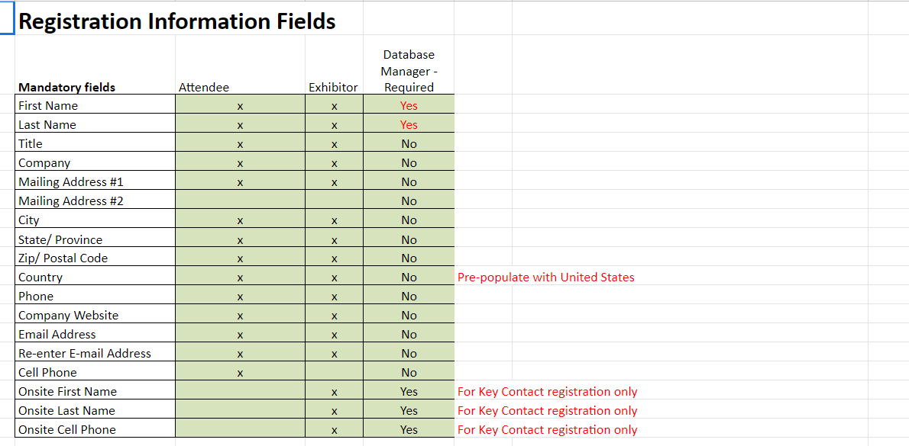
TOC Page
Field Designations & Must Enters

Database Field Name | Field Description | Database Field Length | Length for Badge Print | Must Enter in Database? | Carry Forward for 'Add Another'? | On Database Mgr Screen?
reg_uid | Registration Number | 6 | 6 | Automatically Generated | N/A | Yes
attend_status_code | A/O/V | 1 | N/A | All (Always) | N/A | Yes
reg_evtcode* | Registration Code | 3 | 3 | All (Always) | All | Yes
reg2_evtcode* | SubCat | 3 | 3 | All Except 030, 031, 033, 049, 050, 051, 010, 011, 055 | All | Yes
reg3_evtcode* | Tabled Text | 3 | 3
piece_evtcode* | Exhibitor Widget | 15 | 15
text1* | Speaker | 30 | 30 |  |  | Yes
geo_code* | Geo Code | 1 | N/A | All (Always) (exclude reg codes SP, SPG, PC, SH, SG, OC, CH, CN, CX, CD, Z) | All | Yes
show_code* | Show Code | 4 | 4 | All | Yes | Yes
membership_flag* | Qualified | 1 | 1 | All | No | Yes
memb_id* | Qualified Code | 15 | 15 |  | No | Yes
org_id | Exhibitor Number | 8 | 8 | 034-048 | All | Yes
key_contact_flag | KC Link Flag | 1 | 1 |  | N/A | Yes
name_prefix_code | Prefix | 4 | 4 |  | N/A
name_nick | Exhibitor Appt Time | 15 | 15 |  | N/A
name_first | First Name | 40 | 15 if on same line as name_last | All Not required for cancelled reg types | N/A | Yes
name_mi | Middle Initial | 1 | 1 |  | N/A
name_last | Last Name | 40 | 22 if on same line as name_first | All Not required for cancelled reg types | N/A | Yes
name_suffix | Suffix | 20 | 5 |  | N/A
Initials | Discount Counter (for Discount Manager) | 4 | 4 |  | N/A | Yes
Title | Title | 80 | 40 |  | N/A | Yes
comp_1 | Company 1 | 80 | 40 | All (Always) (exclude reg codes SP, SPG, PC, SH, SG, OC, CH, CN, CX, CD, Z) | All | Yes
comp_2 | Company 2 | 50 | 40
addr_1 | Address 1 | 50 | N/A | All (Always) (exclude reg codes SP, SPG, PC, SH, SG, OC, CH, CN, CX, CD, Z) | All | Yes
addr_2 | Address 2 | 50 | N/A |  | All | Yes
addr_3 | Billing Address | 50 | N/A |  | All | Yes
city_id | City | 30 | 20 | All (Always) (exclude reg codes SP, SPG, PC, SH, SG, OC, CH, CN, CX, CD, Z) | All | Yes
state_id | State | 2 | 2 | All – US & Canada Not required for cancelled reg types (exclude reg codes SP, SPG, PC, SH, SG, OC, CH, CN, CX, CD, Z) | All | Yes
Zipcode | Zipcode | 13 | N/A | All – US & Canada Not required for cancelled reg types (exclude reg codes SP, SPG, PC, SH, SG, OC, CH, CN, CX, CD, Z) | All | Yes
country_name | Country | 30 | 20 | All – International Not required for cancelled reg types (exclude reg codes SP, SPG, PC, SH, SG, OC, CH, CN, CX, CD, Z) | All | Yes
ph_area_country_code | Phone Area Code | 3 | 20 |  | All | Yes
phone_numb | Phone Number | 22 | N/A |  | All | Yes
cell_country_c | Phone Cell Country Code | 3 | N/A |  | N/A
cell_area_country_code | Phone Cell Area Code | 3 | N/A |  | N/A | Yes
cell_number | Cell Number | 22 | N/A |  | N/A | Yes
fax_area_country_code | Fax Area Code | 3 | N/A |  | N/A | Yes
fax_numb | Fax Number | 22 | N/A |  | N/A | Yes
Internet_address | Email Address | 60 | N/A |  | N/A | Yes
Internet_address_2 | CC Email | 60 | N/A |  | Yes | Yes
Web_address | Web Address | 250 | N/A |  | Yes | Yes
password | Password | 40 | N/A |  | N/A | No
reg4_evtcode | Qualified Type | 3 | N/A |  |  | Yes
reg5_evtcode | Hotel Check-in | 15 | N/A |  | No | Yes
reg6_evtcode | Hotel Check-out | 15 | 3 |  | No | Yes
label_evtcode | Promo Code | 15 | 15 |  | Yes | Yes
hotel_evtcode | Preprint Flag | 4 | 15
qual_evtcode | Tabled Text | 8 | 15
text2 | RC Other | 30 | 4 |  | Yes | Yes
Text3 | Field for Guest qual on Web | 30 | N/A
Text4 | Billing City | 30 | 30
Text5 | Used for CC Name | 30 | 30
Text6 | Mode of Travel | 60 | 30 |  | No | Yes
Text7 | Billing Country | 30 | N/A
Text8 | Used for CC Email | 60 | 60
data_protect_flag | Flag | 1 | 30
soc_sec_number | Guardian's Badge Number | 9 | 60
Mail_stop | Billing Zip Code | 10 | 1
mail_hold_flag | text | 1 | 9
booth_id | Room Type | 8 | 1 |  | No | Yes
mail_type_code | Source Mode | 1 | 1 |  | YES | YES
web_numb | SP | 8 | 8 |  | No | No
reg_type_code | Billing State ID | 3 | N/A
new_exh_flag | Exhibitor Hold | 4 | 8 |  | No | Yes

Exhibitor
Exhibitors

How often will CSI receive a file: |  |  | Daily (staggered between 1:00am - 3:00pm)
How will CSI receive the file: |  |  | Web Services

Fresh Idea ID is 901
if an exhibitor pulls in both the expo west and fresh ideas it's ignored for the allotment that fresh idea table tops get 2 badges per 12sq ft there are only 4 companies that have 24 sq. ft in Fresh Ideas that aren't exhibiting on the west floorplan.
a2z Event codes for NPEW: | Event ID: | EventCode
NPEW20 | 915 | EW21
Fresh Ideas | TBD | FI21

X | Allotment Types
 | Exhibitor Registration - No Allotment
X | Standard
X | Multi-Tier

How is the badge allotment determined?
Badge allotment will be in the file from a2z for Expo West (show_code =W).

How is the option allotment determined?
NOTE: Exhibitors will receive 2 free SUPER passes (opd_id = SUPER) per COMPANY. TableTops or EW exhibiors space less than 80sq.ft. will receive 2 free SUPER passes. $95 over allot. Fresh Ideas TT exhibitors (where sq. ft. = 15) will receive 0 free super passes.

Event ID | Exhibitor Booth Allotment | Exhibit Hall Pass | Super Pass | Notes / Comments
915 | 10x10 booth Expo West See below sq ft | See below sq ft | 2 | Includeds all booths in Main CC, North and Hilton
915 | 8x10 booth Expo West See below sq ft | See below sq ft | 2 | Includeds all booths in Main CC, North and Hilton
 | Under 8x 10 booth Expo West See below sq ft | See below sq ft | 0
TBD | Fresh Ideas Table Top | 3 2 | 0 | If they are exhibitor for EW they do not get an extra 3 badges
 | Hilton Table Top | 6 | 2
 | Marriott Table Top | N/A | N/A
 | ACC North Hall | 6 | 2
Special instructions:
• Do not load any 'Other' responses into the database that are included in the 'products' on the exhibitor galley.
• All files must have a unique ID for each record.
1. New Hope will send a separate file for each show code 2. An exhibitor can have a booth in each show or can have multiple booths in the same show. If they do, the company will be listed multiple times with the same company ID. Each company should only be in CSI’s database (exh allot) once so CSI will need to use the following show hierarchies to determine which record to load. - Expo West - Fresh Ideas (Loaded using EW show code (W) 4. 3. If a company is exhibiting in Engreda and West they will have a different allotment for each record. CSI will need to add the allotments together for the total badge allotment either prior to loading the file or during the loading process. 4. If a company is exhibiting in Fresh Ideas/Beer wine and Spirits and one of the other shows their allotment should NOT be added together (Disregard the Fresh Ideas/Beer Wine and Spirits allotment and use the other show). 5. If a company is only exhibiting in Fresh Ideas/BWS, the Fresh Ideas/BWS allotment should be used (this should be set to 2 in the file). 6. If a Fresh Ideas/BWS allotment is 0 load it as 2 7. The exhibitor file will need to override the previous exhibitor data each week because A2Z does not have the capability to flag New, Cancelled or Updated records. CSI will receive a Cumulative file each week. 8. If a company is in the CSI database and are not on the current exhibitor file it will be cancelled. 9. The contract number 1401 should not be loaded into CSI’s database. 10. CSI should only load records with the Booth Status of OCCUPIED. 11. Do not load records that have data in the Co-Exhibitor field and have an allotment
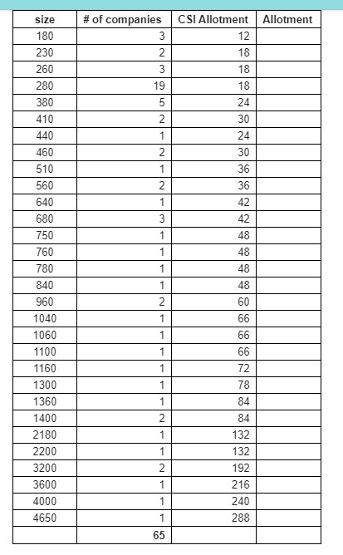 New 10/21/19 Exhibitors coming in with a size of 0 should not pull over into CSI database until overriden on the a2z side Sqft = badges total 50 3 70 6 80 6 90 6 100 6 120 9 150 9 160 12 200 12 225 15 240 18 250 15 300 18 320 24 350 21 360 21 400 24 450 27 480 36 500 30 600 36 700 42 800 48 900 54 1000 60 1200 72 1500 90 1600 96 1750 108 2000 120

Booth Size | Engredea Exhibitor Nutracon Upgrade Allotment
100 SFT or smaller | 0
200 SFT or larger | 1
16. Exhibitor Reg Codes XNE and XN’s reg fee is $495 within and over allotment. 8. Notes: a. West Test company record should be set up with the following: i. User Name: NPEW15 ii. Password: WEST b. Supply Test company record should be set up with the following: i. User Name: NPEW13 ii. Password: SUPPLY
A. A2Z Web Services Specs: CSI will pull two files from A2Z’s web site. Highlighted fields should be mandatory updates during each web services update. These fields should be mandatory for all Penton events that are using web services for exhibitor file loads. ..\Enhancement Requests\A2Z_company_web _services_template.xls ..\Enhancement Requests\a2z_exhibitor_web_services_template.xls

Exhibitor File Format (add and delete rows as needed)

Client's Field Description |  | CSI Field Name |  | CSI Field Description | Pre-Pop? | Notes
 |  | exhibitor_allot.contract_numb |  | Contract Number
 |  | Exhibitor_allot.comp_1 |  | Company 1
 |  | Exhibitor_allot.comp_2 |  | Company 2
 |  | exhibitor_allot.contact_name_first |  | First Name
 |  | exhibitor_allot.contact_name_last |  | Last Name
 |  | exhibitor_allot_contact_title |  | Title
 |  | exhibitor_allot.addr_1 |  | Address 1
 |  | exhibitor_allot.addr_2 |  | Address 2
 |  | exhibitor_allot.city_id |  | City
 |  | exhibitor_allot.state_id |  | State
 |  | exhibitor_allot.zipcode |  | Zipcode
 |  | exhibitor_allot.country_name |  | Country
 |  | exhibitor_allot.ph_area_country_code |  | Phone Area Code
 |  | exhibtor_allot.phone_numb |  | Phone
 |  | exhibitor_allot.fax_area_country_code |  | Fax Area Code
 |  | exhibtor_allot.fax_numb |  | Fax
 |  | exhibitor_allot.internet_address |  | Email
 |  | exhibitor_allot.web_address |  | Web Address
 |  | Exhibitor_allot.booth_numb |  | Booth Number
 |  | Exhibitor_allot.booth_size |  | Booth Size
 |  | Exhibitor_allot.booth_length |  | Booth Length
 |  | exhibitor_allot.booth_width |  | Booth Width
 |  | exhibitor_allot.web_userid |  | Username
 |  | exhibitor_allot.web_userid_password |  | Password
 |  | exhibitor_allot.total_allot |  | total_allot
 |  | exhibitor_allot.show_code |  | show_code
 |  | exhibitor_allot.reg2_evtcode |  | reg2_evtcode
 |  | exhibitor_allot.reg3_evtcode |  | reg3_evtcode
 |  | exhibitor_allot.text1 |  | text1
 |  | exhibitor_allot.membership_flag |  | membership_flag
 |  | exhibitor_allot.piece_evtcode |  | piece_evtcode
 |  |  |  | Products

Sqft = | badges total
50 | 3
70 | 6
80 | 6
90 | 6
100 | 6
120 | 9
125 | 9
150 | 9
160 | 12
200 | 12
225 | 15
240 | 18
250 | 15
300 | 18
320 | 24
350 | 21
360 | 21
400 | 24
450 | 27
480 | 36
500 | 30
560 | 30
600 | 36
700 | 42
800 | 48
900 | 54
1000 | 60
1200 | 72
1500 | 90
1600 | 96
1750 | 108
2000 | 120

Qualification Mgr
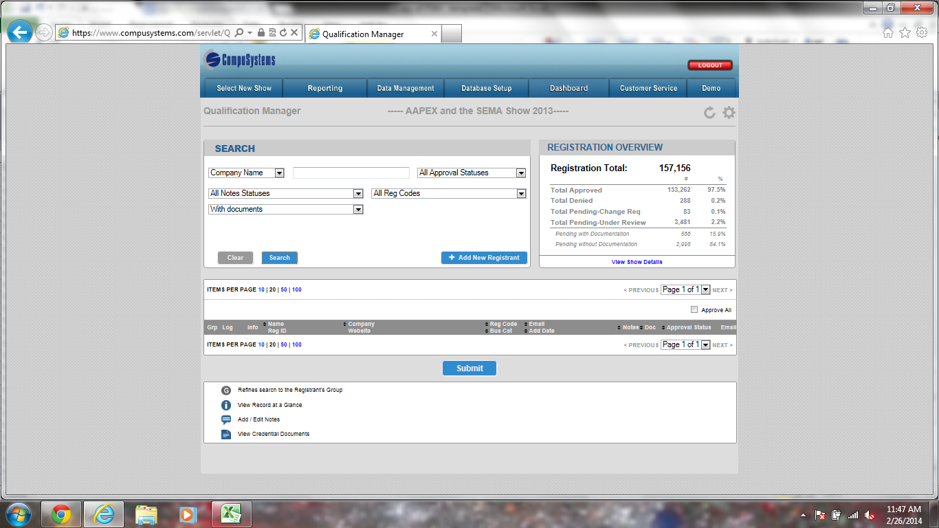
TOC Page
Qualification Manager

NOTE: If your show is using the new QM application, please send a email to your DA and Matt W. to have this setup. You must still complete this tab in the PSM

What Reg codes or Reg types will be pending ?

001-011, 030, 049, 050, 051, 054, 056,
 |  |  | 001-007, 009, 010, 011, 012, 013, 017-036, 040, 054, 055. 057,

Which field are you using for Qualification ? Memb_flag

What Search Filters should be used ( Values with a X are the recommended settings.)

 | Include ? | Search Filter Label |  |  | Notes
 | X | Company Name ( comp_sort key) |  |  | Standard Field – Do not remove
 | X | Badge Number ( Reg _id) |  |  | Standard Field – Do not remove
 | X | Add Date (add_date) |  |  | Standard Field – Do not remove
 | X | Email Address (internet_address_sortkey) |  |  | Standard Field – Do not remove
 | X | Full Name ( Reg _ Full_name) |  |  | Standard Field – Do not remove

What data filters should be used ? ( Values with a X are recommended settings )

 | Include ? | Search Filter Label |  |  | Notes
 | X | Approval Status Filter |  |  | Standard Field – Do not remove
 |  | Show Code Filter
 | X | Notes Filter |  |  | Standard Field – Do not remove
 |  | Custom Filter ( Fill in field names)

General Settings

 | Setting | Value |  |  | Recommended Value
 | Pagination Default | 10,20,50, 100 |  |  | 50
 | Search Result Limit | Free Key |  |  | 1,000
 | Active Approve All Feature | Yes or No |  |  | Yes
 | Email Field | Dropdown of registrations |  |  | Internet _address
 | Approve ALL Code | Free Key |  |  | Show Specific
 | Approval Field | Drop down of Fields Values |  |  | Show Specific
 | Pending Code | Free Key |  |  | Show Specific
 | Send Confirmation Email Check | Yes or No |  |  | Yes

Search Results Display

 | Include ? | Field Name |  |  | Notes
 | X | Group |  |  | Standard Field – Do not remove
 | X | Record at a Glance |  |  | Standard Field – Do not remove
 | X | Notes |  |  | Standard Field – Do not remove
 | X | Name
 |  | Company
 |  | Address
 | X | Documents |  |  | Standard - Do No Remove
 |  | Title
 |  | Reg Code
 | X | Registration Number |  |  | Standard Field – Do not remove
 |  | Add Date
 |  | Phone Number
 |  | Website
 |  | Comments
 |  | Communication Log / Send Email
 |  | Web Address
 | X | Approval Status |  |  | Standard Field – Do not remove
 | X | Send Confirmation |  |  | Standard Field – Do not remove

Record at a Glance Window
Include? | Field Name |  |  | Notes
 | Basic Contact Info |  |  | Fn, Ln, Address, Title
 | Demographic Information |  |  | List out Demo's
 | Survey Results

Qualification Instructions and Documents Requirements

 | Group | Reg Type or Reg Codes |  |  | Qualification Instructions & Documents instructions
 | Example : Attendee | AT |  |  | * Qualification Instructions provide external file *Document Requirements provide URL or file *Number of acceptable documents * List acceptable documents

Screen Shots of QM

Confirmations
TOC Page
Confirmation Letters / Password Letters / Broadcast E-Mails

Incomplete (Partial Reg) and Attendee Initial (Attendee Pending)
Confirmation Letters
• All reg codes (or reg types) should be accounted for in the below table.
• Criteria in blue are required to be answered for every letter/notice.
• If a field is blank, the criteria is ignored and does not play a factor.
• Confirmations will not be mailed. They will be sent via email and fax unless otherwise instructed.
• Be sure all mock-ups include complete information for the programmer: From, Subject
• If the event is using Express Badge Pick Up for exhibitors, we must collect individual email addresses as well as send confirmations to each individual exhibitor. (If the client does not want to do this, contact your supervisor for assistance.)

Reply to Email Address: expowest@newhope.com |  | business proof reply
 |  |  |  |  | Not set up
Confirmation Letter or Notice |  | Does Not Get Confirmation | Attendee Complete | Attendee Initial Pending Business Proof | Cancellation | Exhibitors not yet registered | Balance Due | Attendee Override | Deactivated Attendee | Hosted Buyer Approved | Visa | Hosted Buyer Pending | Exhbitor Staff | Exhibitor Key contact | Press/Media Pending | Press Approved | Press Override No Balance Due | Speaker Confirmation | Hosted Buyer Declined | Insufficient Informati | Registration Override Now Confirmed Complete | Registration Override, NON-Buyers Balance due | Chid / Minor Waiver Confirmation | REFUND CONFIRMATION
Confirmation Number |  | N/A | 1 | 2 | 3 | 4 | 5 | 6 | 7 | 8 | 9 | 10 | 11 | 12 | 13 | 14 | 15 | 16 | 17 | 18 | 20 | 21 | 22 | 23
Destination Table (table where data resides) |  | reg | registration | registration | registration | registration | registration/ acct | registristraion | registration | registration | Reg/demo | registration | registration | registration | registration | registration | registration | registration | registration | registration | registration | registration | registration | registration
Reg Codes or Reg Types |  | CX, BLC, OC, CH | R, P, D, M, S, B, G, I, F, AT, SH, SG, OC | R, P, F, D, M, S, B, G, I | CN, CX | Key Contact | R, P, F, D, M, S, B, G, I | R, P, F, D, M, S, B, G, I | Z | HB | R, P, F, D, M, S, B, G, I, XD, XM, XS, XB, XN, GD, GM, GS, GB, GDE, GME, GSE, GBE | HB | XD, XM, XS, XB, GD, GM, GS, GB, | KC, | PR, IF, PC, MS, SE, ST | PR, IF, PC, MS, SE, ST | PR, IF, PC, MS, SE, ST | SP | HB | R, D, P, F, S, M, B, I | R, P, F, D, S, M, B, G, I | R, P, F, D, S, M, B, G, I | CH | All reg codes
evt_uid
Send Via? (In-House, Web, Both) |  |  | Both | Both | Both |  | Both | Both | Both | DB | Web | DB | Both | Both | Both | Both | Both | DB | DB | DB | Both | Both | Both | Both
Use Barcode (Yes/No) |  |  | Yes | No | No |  | No | No | No | No | No | No | YES | YES, for individuals | No | YES | YES | No | No | No | Yes | NO | Yes | Yes
must_enter_code (000, 001, etc.) |  |  | 000 | 000, 100, 110, 010 | All |  | 001, 011, 111, 101 | 001, 011, 111, 101, 100, 110, 010 | 000, 001, 011, 111, 101, 100, 110, 011 | 000 | 000 | All | 000 | 000 | All | 000 | 000 | 000 | 000, 001, 011, 111, 101, 100, 110, 011 | 000 | 000 | 001, 011, 111, 101, 100, 110, 010 | 000 | 000
onPeak Housing Info? (Yes/No) |  |  | Yes | No | Yes |  | No | No | No | No | No | No | No | No | No | No | No | No | No | No | Yes | Yes | Yes | Yes
Additional Fields (add & delete as necessary)
Email to internet_address2 |  |  | Yes | Yes | Yes |  | Yes | Yes | Yes | No | Yes | No | No | No | Yes | Yes | Yes | Yes | No | No | Yes | Yes | Yes | Yes
show_code |  |  | W | W | W |  | W | W | W | W | W | W | W, E | W, E | W | W | W | W | W | W | W | W | W | W
reg2_evtcode
reg3_evtcode
membership_flag |  |  | O, Y (or N or D become Y), B flag. | N | B |  | Y (or N or D become Y) | O (or Y, N or D becomes O) | N/A | H | Y, O, B | P |  |  | N | Y | O | B | X | I | O flag(or Y, N or D becomes O) | O flag(or Y, N or D becomes O) | Y (or N or D become Y), B flag. | all with $ attached
text1
geo_code |  |  | All | All | All |  | All | All | All | All | All | All | All | All | All | All | All | All | All | All | All | All | All | All
key_contact_flag
Settled Money |  |  | Yes | Yes |  |  | No |  | No |  |  |  | Yes |  |  |  |  |  |  |  | Yes | Yes | Yes | Yes
Special Instructions: |  |  |  |  |  |  |  |  |  | bcc'd to amacgregor@newhope.com and mcatapano@newhope.com | reply to email to amacgregor@newhope.com | If Dem_name VISA_REQ=Yes set up cron job and pull all records with opd_id =EXPRESS. The cron should send an email Visa letter copy (no signature) to expowest@newhope.com . If record has option=ONLINE, then send copy to internet address1 and internet address2. | bcc'd to amacgregor@newhope.com and mcatapano@newhope.com | reply to email to amacgregor@newhope.com |  |  |  |  |  |  |  |  |  |  | This wavier will be emailed once child is registered | This is for refunds due to Show cancel. Any money attached to a record will get refunded. Once record is completely refund, this confirmation will be sent
APPROVAL STATUS AND DATE

Exhibitor Password Letters
 |  |  |  |  |  |  | Not programmed yet | Not programmed yet | OC, SH, SG Complete
Letter Development |  |  |  |  |  |  | Press/Media Insufficient Informati | Cancelled Duplicate | 19
X | Description |  |  |  |  |  | 19 | 1 | registration
 | Use standard password letter |  |  |  |  |  | registration | registration | SH, SG, OC
 | Use client provided password letter |  |  |  |  |  | PR, IF, PC, MS, SE, ST | CD
 |  |  |  |  |  |  | 680 |  | Both
Assignment of Login/Password |  |  |  |  |  |  | DB | DB | Yes
X | Description |  |  |  |  |  | No | No | 000
 | CompuSystems assigns Logins and Passwords |  |  |  |  |  | ALL | Any | Yes
X | Client assigns Logins and Passwords |  |  |  |  |  | No | No
 | CompuSystems assigns Logins and Passwords based on client guidelines. |  |  |  |  |  |  |  | Yes
 | List guidelines here: |  |  |  |  |  | No | Yes | W
 |  |  |  |  |  |  | W | W
Password Letter Distribution
X | Description |  |  |  |  |  |  |  | Y, O or B, flag.
 | CompuSystems sends out all Exhibitor Password Letters |  |  |  |  |  | I | All
 | Client sends out initial Exhibitor Password Letters, CSI sends out add-ons. |  |  |  |  |  |  |  | All
X | Client sends out all password letters |  |  |  |  |  | All | All
 |  |  |  |  |  |  |  |  | Yes
Broadcast E-Mails
P:\Templates & ESM Information\Broadcast E-mails\Email Broadcast Request Form - New 03_30_11.xls

Badge Ticket Formats
TOC Page
Badge / Ticket / Credential Formats
Badge Formats

NPEW Badge Format samples can be found at
Q:\2020 PSM\NPEW20\Badges\NPEW 20 Badge Word Format (12.20) - (3).doc

When Badge formats are approved by client you must contact Heidi and Mike Blaze that formats are approved and which barcode will be on the badge
mike.blazejewski@csireg.com & heidi.marecek@csireg.com
Line Wrapping (color badge printer):
Field | Full Name | yes or no
Field | Credentials | yes or no
Field | Title | yes or no
Field | Company | yes or no
Field | City | yes or no
Field | State | yes or no
Field | Country | yes or no
Field | Explosion | yes or no

Badge Format #: |  | 1. NPEW ATTENDEE & EXHIBITOR BADGE
Type: |  | Attendee & Exhibitor

Registration Codes for this format: |  |  |  | All except CH

Overlay Format
X | Overlay Format
 | 5/8”
 | No Overlay

CompuCode Bar Code should include: (NOTE: If your show is using a PDF-417 you need to change the description and list it here)
X | Field Name |  | X | Field Name |  | X | Field Name |  | X | Field Name
X | evt_uid + reg_uid |  |  | Title |  | X | city_id |  | X | fax_area_country_code
 | name_prefix |  | X | comp_1 |  | X | state_id |  | X | fax_numb
X | name_first |  |  | comp_2 |  | X | zipcode |  | X | internet_address
 | name_mi |  | X | Addr_1 |  | X | country_name |  |  | Demos with CICs (at least 1 demo required for mobile units)
X | name_last |  |  | Addr_2 |  | X | ph_area_country_code |  |  | Access Control Options
 | name_suffix |  |  | Addr_3 |  | X | phone_numb |  |  | Other

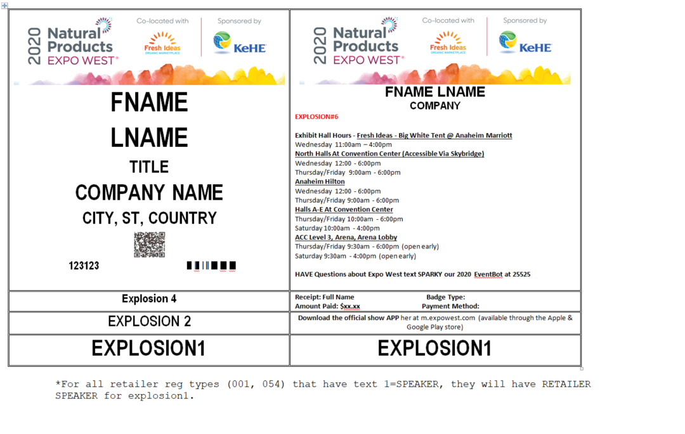
EVENT LOGO
 |  |  |  |  |  |  | 8 pt Smallest (ST)
 |  |  |  |  |  | LG | 10pt Smaller (SR)
 |  |  |  |  |  | MM | 14pt Small (SL)
 |  |  |  |  |  | LD | 18pt Medium1 (M1)
 |  |  |  |  |  | MM | 23pt Medium (MM)
 |  |  |  |  |  |  | 26pt Large D (LD)
 |  |  |  |  |  |  | 32pt Large (LG)
 |  |  |  |  |  |  | 35pt Largest (LT)
 |  |  |  |  |  | M1 ST

Badge Format #:
Type: |  | Exhibitor

Registration Codes for this format:

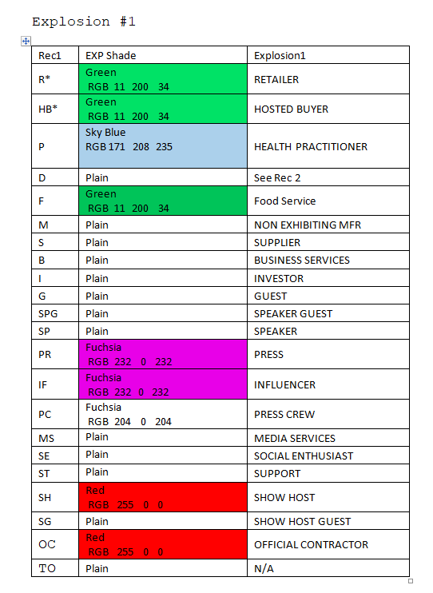

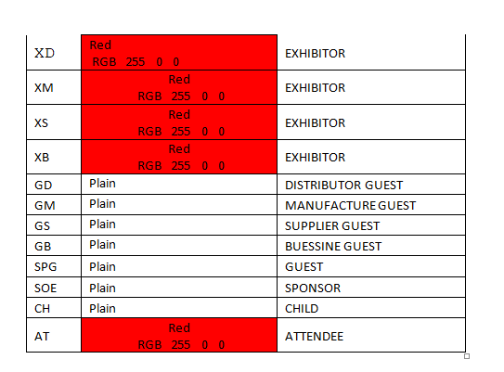

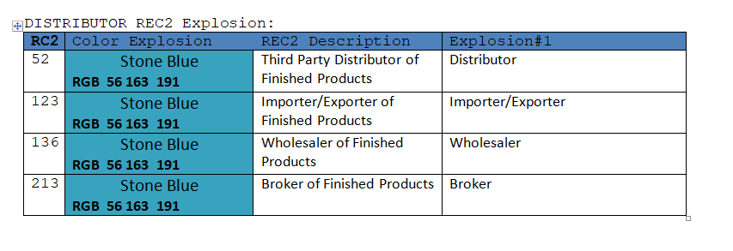

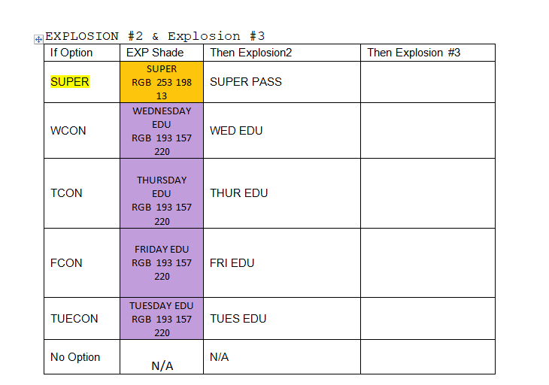

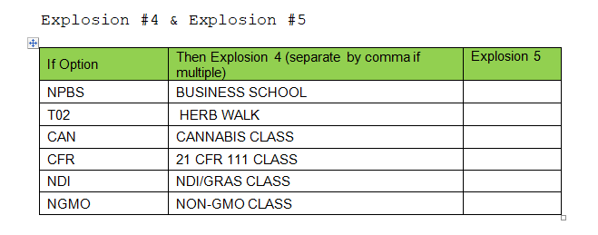

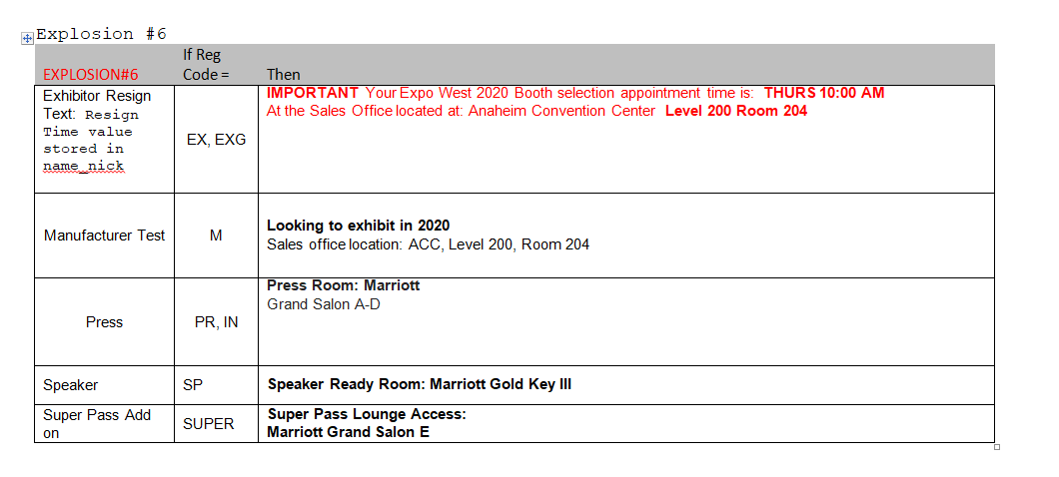

Badge Format #: |  | CHILD
Type: |  | CHILD

Registration Codes for this format: |  |  |  | CH

Overlay Format
X | Overlay Format
 | 5/8”
 | No Overlay

CompuCode Bar Code should include: (NOTE: If your show is using a PDF-417 you need to change the description and list it here)
X | Field Name |  | X | Field Name |  | X | Field Name |  | X | Field Name
X | evt_uid + reg_uid |  |  | Title |  | X | city_id |  | X | fax_area_country_code
 | name_prefix |  | X | comp_1 |  | X | state_id |  | X | fax_numb
X | name_first |  |  | comp_2 |  | X | zipcode |  | X | internet_address
 | name_mi |  | X | Addr_1 |  | X | country_name |  |  | Demos with CICs (at least 1 demo required for mobile units)
X | name_last |  |  | Addr_2 |  | X | ph_area_country_code |  |  | Access Control Options
 | name_suffix |  |  | Addr_3 |  | X | phone_numb |  |  | Other

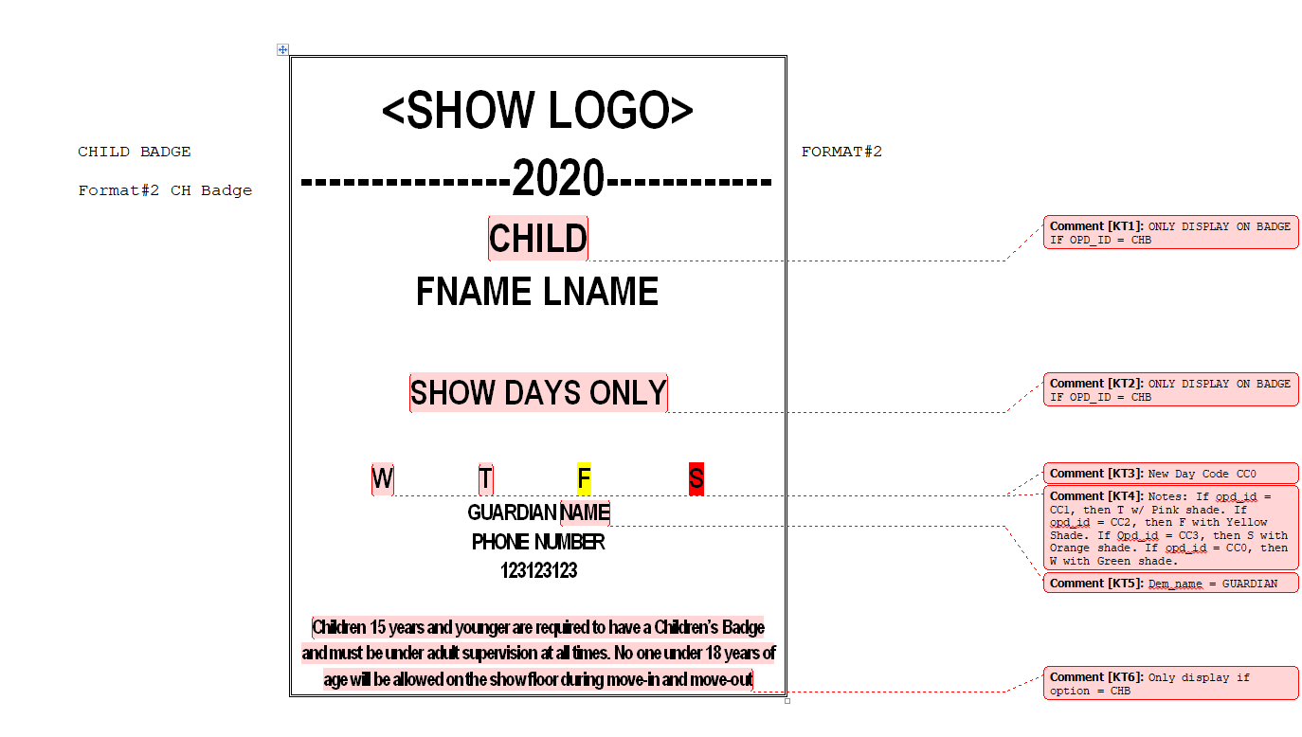
EVENT LOGO
 |  |  |  |  |  |  | 8 pt Smallest (ST)
 |  |  |  |  |  | LG | 10pt Smaller (SR)
 |  |  |  |  |  | MM | 14pt Small (SL)
 |  |  |  |  |  | LD | 18pt Medium1 (M1)
 |  |  |  |  |  | MM | 23pt Medium (MM)
 |  |  |  |  |  |  | 26pt Large D (LD)
 |  |  |  |  |  |  | 32pt Large (LG)
 |  |  |  |  |  |  | 35pt Largest (LT)
 |  |  |  |  |  | M1 ST

Badge Format #:
Type: |  | Family Member / Guest

Registration Codes for this format:

Overlay Format
X | Overlay Format
 | 5/8”
 | No Overlay

Credentials Output

Output Pass |  |  |  | #1 | #2 | #3 | #4 | #5 | #6 | #7 | #8 | CEU
Registration Codes |  |  |  | CX, CN
Badge Type |  |  |  | DO NOT PRINT | ATT GRP | ATT SNGL | ATT SNGL W/TKT | EXH GRP LINK | EXH GRP ORG ID | PRESS | SPKR
Proof List – Packaging Instructions
Sort Sequence |  |  |  |  | Link, KC, LN, FN | GEO, LN, FN | GEO, LN, FN | Link, KC, LN, FN | Org, Link, LN, FN | LN, FN | LN, FN
Print Sequence (e.g. badge, receipt, lunch tickets, workshop tickets, tour tickets, social event tickets, proceedings voucher, verification stub)
Badge Stock Color?
Special Field Qualification (i.e., Text 2 = Y)
Geo Code (0, 1, 2)
Consolidation (Groups)? |  |  |  |  | Yes |  |  | Yes
Envelope? (i.e., #11 Window, #10 Non-Window, Pre-Printed Tyvek)
Tickets?
Mailer?
Holder?
Verification Label?
Key Contact Label?
Badge Enclosure Letter?
Insert #1 Description and Quantity
Insert #2 Description and Quantity
Delivery Method (Mail, FedEx, Express Reg, Truck, Send to Client, No Advance Output)
For those being printed for any type of physical will call, should all holds be released prior to printing? (Please provide counts of printed badges by Reg Code to ESM. Incompletes will not print - RMD must = 000)
Special Instructions

Badge Print Threshold
Registration Code(s) |  |  |  |  |  | Threshold

Threshold is the number of times a badge can be printed throughout advance and onsite.

Ticket Print Threshold
Opd_ID(s) |  |  |  |  |  | Threshold

Threshold is the number of times a ticket can be printed throughout advance and onsite.

Onsite Ticket Printing
X | Description
 | Do not reset Quantity Used to “0” for all tickets once arriving onsite.
 | Reset Quantity Used to “0” for all tickets once onsite.
 | Reset Quantity used to “0” for the following options only:

