Dashboard
Hospital Analytics Dashboard


Admission
Billings
Avg Stay
Satisfaction



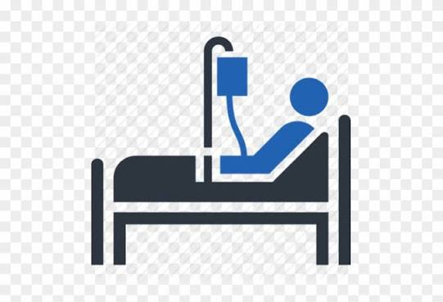

500
₹46.73M
9.26
3.08/5

Admission By Departmenta
 | Total
Cardiology | 81
Emergency | 70
General Medicine | 75
Neurology | 81
Orthopaedics | 75
Pediatrics | 62
Pulmonology | 56
Admission By Medical Condition
 | Total
Asthma | 42
Cardiac | 72
Diabetes | 38
Fracture | 56
Hypertension | 58
Infection | 42
Kidney Disease | 62
Migraine | 67
Pneumonia | 63

Montly Admissions
 | Total
January | 43
February | 36
March | 29
April | 51
May | 36
June | 35
July | 50
August | 42
September | 33
October | 46
November | 54
December | 45
Patient Outcomel
 | Total
Discharged | 109
Expired | 120
Recovered | 132
Referred | 129
Unavailable | 10

Admission by City
 | Total
Bhiwadi | 38
Delhi | 58
Faridabad | 38
Ghaziabad | 44
Gurugram | 59
Jaipur | 33
Lucknow | 59
Mumbai | 58
Noida | 56
Pune | 42
Unknown | 15

