totalSale
 |  | Represent total sales category wise

Row Labels | Sum of Sales
Furniture | 660704.31
Office Supplies | 551368.62
Technology | 712264.95
Grand Total | 1924337.88
Sale Product Wise

profit
Profit Category Wise
Row Labels | Sum of Profit
Appliances | 12594.8206
Binders and Binder Accessories | 59296.38943
Bookcases | -930.4384
Chairs & Chairmats | 48695.8366
Computer Peripherals | 1698.04398
Copiers and Fax | 23990.20758
Envelopes | -1194.4125
Labels | 7028.1595
Office Furnishings | 18724.1191
Office Machines | 8824.390564
Paper | 7769.31507
Pens & Art Supplies | -257.6288
Rubber Bands | -1544.8260632
Scissors, Rulers and Trimmers | -1291.0959
Storage & Organization | 7124.2882
Tables | -7240.0713637
Telephones and Communication | 40790.51424
Grand Total | 224077.61184

maxminprofit
 |  | Represent which state provide maximum profit and minimum profit
Row Labels | Max of Profit
California | -5.3072
District of Columbia | 9228.2256
Grand Total | 9228.2256

Max and Min profit

maxship
 |  | Represent which ship mode provides max sale
Row Labels | Max of Sales
Regular Air | 45737.33
Grand Total | 45737.33

Max Sale

maxregion
Row Labels | Sum of Sales
East | 29718.53 | find total max sale region wise
Grand Total | 29718.53

Max Sale Region Wise

DashBoard
 |  |  |  |  |  | Different Sale and Profit

Sale Product Wise
 | Total
Furniture | 660704.31
Office Supplies | 551368.62
Technology | 712264.95
Profit Category Wise
 | Total
Appliances | 12594.8206
Binders and Binder Accessories | 59296.38943
Bookcases | -930.4384
Chairs & Chairmats | 48695.8366
Computer Peripherals | 1698.04398
Copiers and Fax | 23990.20758
Envelopes | -1194.4125
Labels | 7028.1595
Office Furnishings | 18724.1191
Office Machines | 8824.390564
Paper | 7769.31507
Pens & Art Supplies | -257.6288
Rubber Bands | -1544.8260632
Scissors, Rulers and Trimmers | -1291.0959
Storage & Organization | 7124.2882
Tables | -7240.0713637
Telephones and Communication | 40790.51424

Max and Min profit
 | Total
California | -5.3072
District of Columbia | 9228.2256
Max Sale
 | Total
Regular Air | 45737.33
Max Sale Region Wise
 | Total
East | 29718.53

F1 | F2 | F3 | F4 | F5 | Represent which state provide maximum profit and minimum profit | F1 | F2 | F3 | F4 | F5 | F6 | Represent which ship mode provides max sale | Row Labels | Sum of Sales | F3 | F4 | F5 | F6 | F7 | F8 | F9 | F10 | F11
Row Labels |  |  |  |  |  | Row Labels |  |  |  |  |  |  | East | 45737.33 |  |  |  |  |  |  | find total max sale region wise
California | -5.3072 |  |  |  |  | Regular Air | 45737.33 |  |  |  |  |  | Grand Total | 45737.33
District of Columbia | 9228.2256 |  |  |  |  | Grand Total | 45737.33
Grand Total | 9228.2256

Total Sale
Total Sale Product AndRegion Wise
Sum of Unit Price | Column Labels
Row Labels | Furniture | Office Supplies | Technology | Grand Total
Central | $15,050 | $12,470 | $24,495 | $52,015
East | $12,615 | $12,031 | $23,197 | $47,843
South | $11,418 | $12,214 | $23,255 | $46,887
West | $14,300 | $7,438 | $44,440 | $66,178
Grand Total | $53,382 | $44,154 | $115,387 | $212,923

Dashboard2
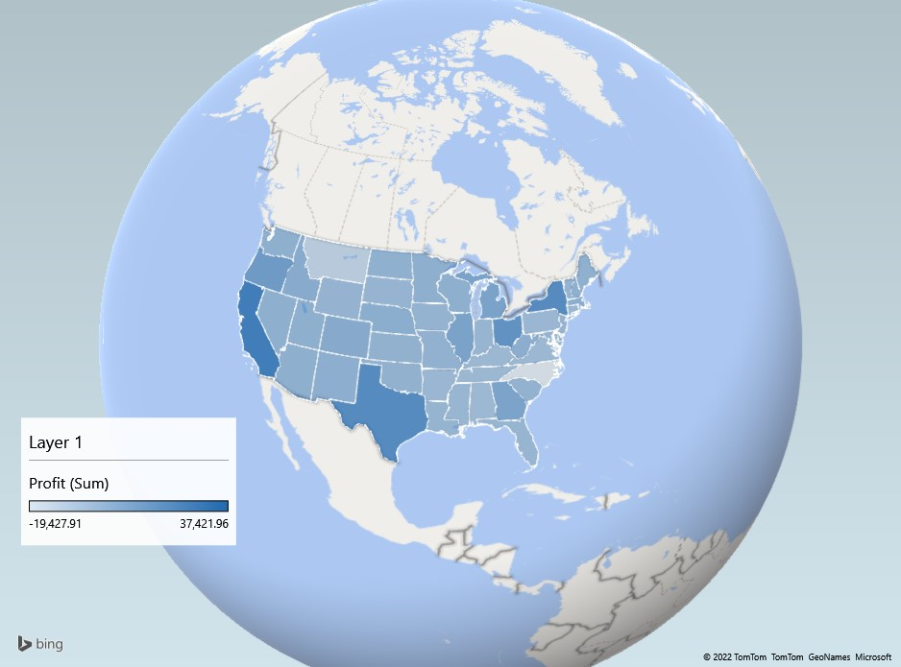
Product Overview in Different Regions

Total Profit Product Sub-Category wise
 | Total
Appliances | $12,595
Binders and Binder Accessories | $59,296
Bookcases | $-930
Chairs & Chairmats | $48,696
Computer Peripherals | $1,698
Copiers and Fax | $23,990
Envelopes | $-1,194
Labels | $7,028
Office Furnishings | $18,724
Office Machines | $8,824
Paper | $7,769
Pens & Art Supplies | $-258
Rubber Bands | $-1,545
Scissors, Rulers and Trimmers | $-1,291
Storage & Organization | $7,124
Tables | $-7,240
Telephones and Communication | $40,791
Total Sale Product AndRegion Wise
 | Furniture | Office Supplies | Technology
Central | $15,050 | $12,470 | $24,495
East | $12,615 | $12,031 | $23,197
South | $11,418 | $12,214 | $23,255
West | $14,300 | $7,438 | $44,440

Total Sale Region wise
 | Total
Central | 566
East | 474
South | 442
West | 470
Unit Price Region wise
 | Total
Central | 52015.08
East | 47842.73
South | 46886.67
West | 66178.16

Shipping Cost Region wise
 | Total
Central | 7117.8
East | 6541
South | 5670.11
West | 5984.92

Profit2
Row Labels | Sum of Profit
Appliances | $12,595
Binders and Binder Accessories | $59,296
Bookcases | $-930
Chairs & Chairmats | $48,696
Computer Peripherals | $1,698
Copiers and Fax | $23,990
Envelopes | $-1,194
Labels | $7,028
Office Furnishings | $18,724
Office Machines | $8,824
Paper | $7,769
Pens & Art Supplies | $-258
Rubber Bands | $-1,545
Scissors, Rulers and Trimmers | $-1,291
Storage & Organization | $7,124
Tables | $-7,240
Telephones and Communication | $40,791
Grand Total | $224,078

Count of Ship Mode Region wise
Row Labels | Count of Ship Mode
Central | 566
East | 474
South | 442
West | 470
Grand Total | 1952

unit price region wise
Row Labels | Sum of Unit Price
Central | 52015.08
East | 47842.73
South | 46886.67
West | 66178.16
Unit Price Region wise
Grand Total | 212922.64

Shipping cost region wise
Row Labels | Sum of Shipping Cost
Central | 7117.8
East | 6541
South | 5670.11
West | 5984.92
Shipping Cost Region wise
Grand Total | 25313.83

