Sheet1
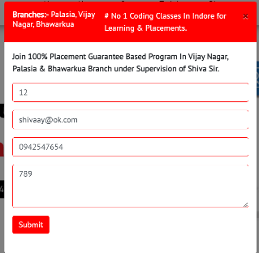
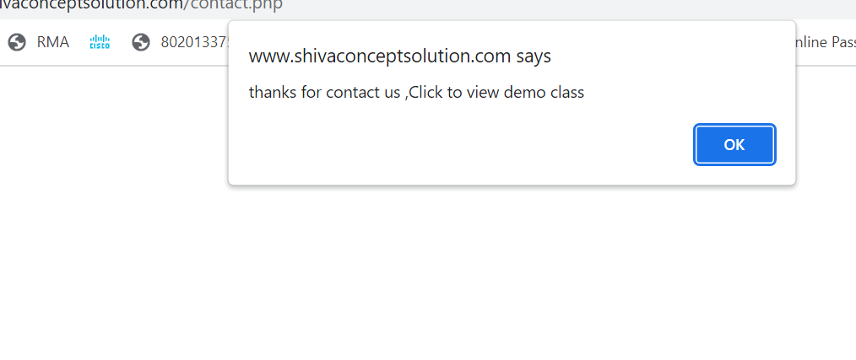
Category | Label | Value
Bug ID | ID number | #001
 | Name | Pop up form on home page is accepting invalid details.
 | Reporter | Shivangi Saraswat
 | Submit Date | 2023-07-02
Bug overview | Summary | Name textfield is taking numeric data and email textfield is taking invalid domain name.
 | URL | https://www.shivaconceptsolution.com/index.php
 | Screenshot
Environment | Platform | Windows 10
 | Operating System | Windows 10
 | Browser | Chrome 53
Bug details | Steps to reproduce | check for url> enter>Pop up form appears.
 | Expected result | It should give alert meassage that "incorrect details, please enter valid name and mail id".
 | Actual result | not as per expected.
Bug tracking | Severity | major
 | Assigned to | Shiva Sir.
 | Priority | high
Notes | Notes | NA

Sheet5
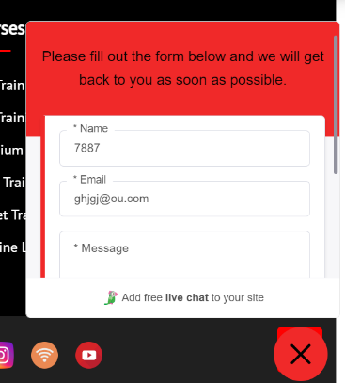
Category | Label | Value
Bug ID | ID number | #005
 | Name | submit button is accepting invalid details in contact us popup button on homepage.
 | Reporter | Shivangi Saraswat
 | Submit Date | 2023-07-02
Bug overview | Summary | Submit button is accepting invalid data on name textfield and email textfield.
 | URL | https://www.shivaconceptsolution.com/index.php
 | Screenshot
Environment | Platform | Windows 10
 | Operating System | Windows 10
 | Browser | Chrome 53
Bug details | Steps to reproduce | check for url> Enter and scroll down the page> contact us button.
 | Expected result | It should give pop up error message that please enter valid domain name and name.
 | Actual result | not as per expected.
Bug tracking | Severity | major
 | Assigned to | Shiva Sir.
 | Priority | high
Notes | Notes

Sheet6
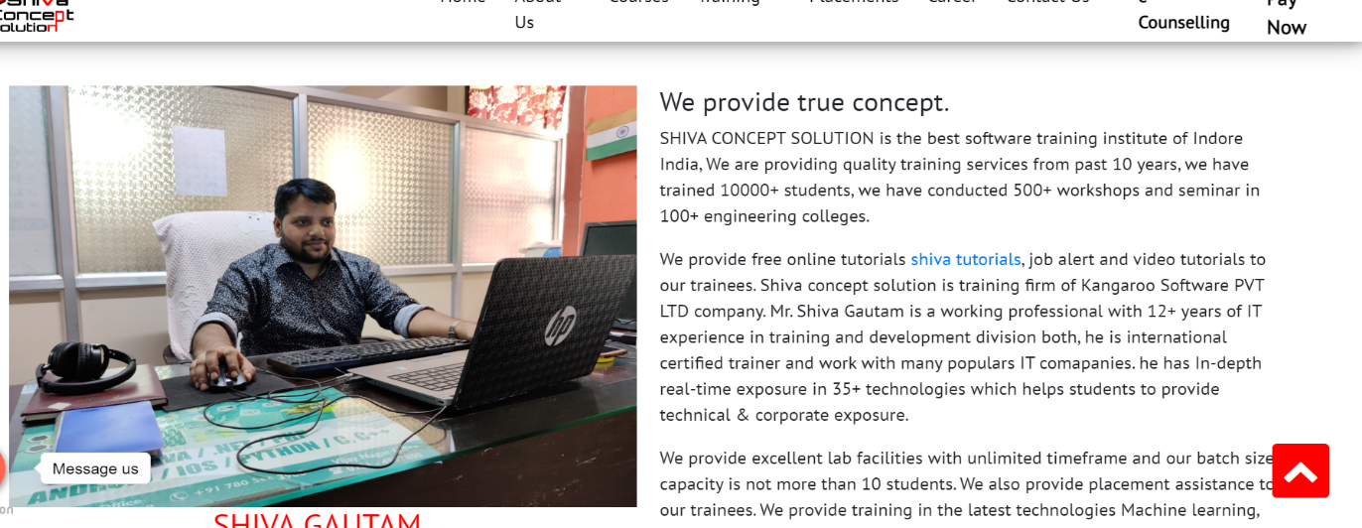
Category | Label | Value
Bug ID | ID number | #006
 | Name | There is preposition, verb and article mistake in About us page content.
 | Reporter | Shivangi Saraswat
 | Submit Date | 2023-07-02
Bug overview | Summary | Content of About page is incorrect, it having preposition mistake, verb and article mistake.
 | URL | https://www.shivaconceptsolution.com/about.php
 | Screenshot
Environment | Platform | Windows 10
 | Operating System | Windows 10
 | Browser | Chrome 53
Bug details | Steps to reproduce | check for url> Enter and click on About us page.
 | Expected result | It should have proper use of grammer, preposition and verbs without any spellig mistakes.
 | Actual result | not as per expected.
Bug tracking | Severity | major
 | Assigned to | Shiva Sir.
 | Priority | high
Notes | Notes | from past 10 - for the past 10 , institute of - institute in, and seminar - seminars, job alert - job alerts, he is an internationally certified, popular IT comapanies. timeframes .

Sheet7
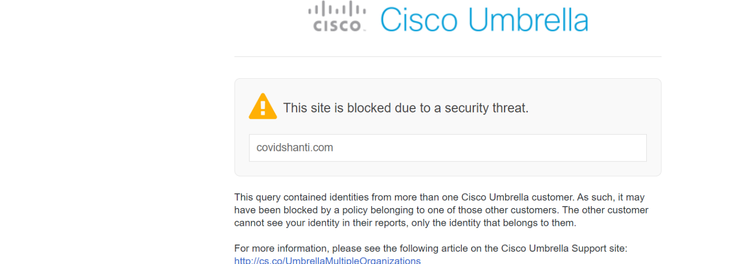
Category | Label | Value
Bug ID | ID number | #007
 | Name | Founder of covid-shanti tab in About us page is not a valid page
 | Reporter | Shivangi Saraswat
 | Submit Date | 2023-07-02
Bug overview | Summary | When we click on "founder of covid-shanti" tab, it didn't open the desired page, showing it is blocked due to some security reasons.
 | URL | https://www.shivaconceptsolution.com/about.php https://malware.opendns.com/main?url=covidshanti.com&server=hkg1&prefs=&tagging=&nref
 | Screenshot
Environment | Platform | Windows 10
 | Operating System | Windows 10
 | Browser | Chrome 53
Bug details | Steps to reproduce | check for url> Enter and click on About us page> scroll down the page.
 | Expected result | It should redirect to desired page with relevant results.
 | Actual result | not as per expected.
Bug tracking | Severity | major
 | Assigned to | Shiva Sir.
 | Priority | high
Notes | Notes

Sheet9
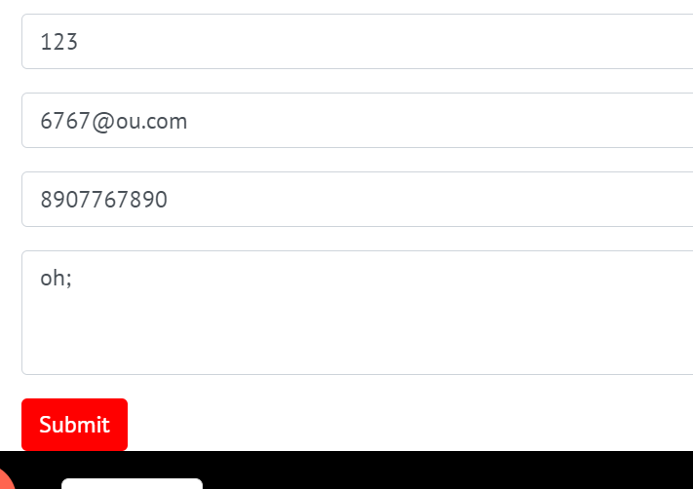
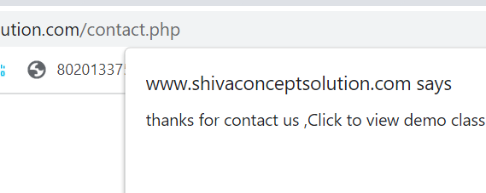
Category | Label | Value
Bug ID | ID number | #009
 | Name | Contact us form is taking invalid entries of classroom live training.
 | Reporter | Shivangi Saraswat
 | Submit Date | 2023-07-02
Bug overview | Summary | Submit button is accepting invalid data(numeric) in name and email id(invalid domain name) textfield of contact form in classroom live training.
 | URL | https://www.shivaconceptsolution.com/classroom.php
 | Screenshot
Environment | Platform | Windows 10
 | Operating System | Windows 10
 | Browser | Chrome 53
Bug details | Steps to reproduce | check for url> Enter and click on training > classroom live training> scroll down the page.
 | Expected result | It should give validation error that please enter correct name and valid domain name.
 | Actual result | not as per expected.
Bug tracking | Severity | major
 | Assigned to | Shiva Sir.
 | Priority | high
Notes | Notes

Sheet10
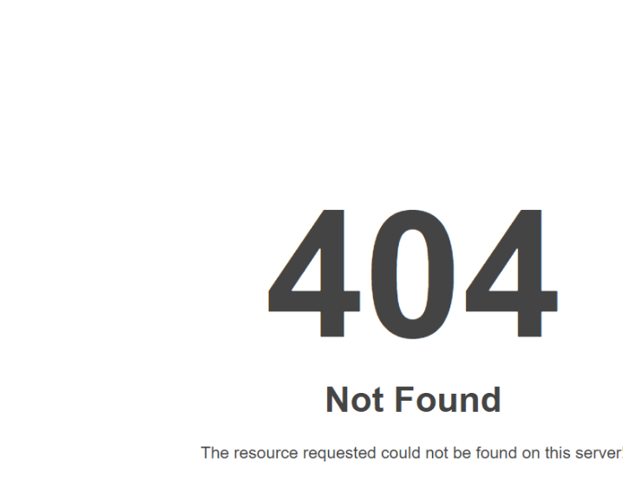
Category | Label | Value
Bug ID | ID number | #010
 | Name | Industrial /internship page of training tab is not opening.
 | Reporter | Shivangi Saraswat
 | Submit Date | 2023-07-02
Bug overview | Summary | When we click on "Industrial/ Internship training" tab, it didn't open the desired page, showing it is not found "404 error".
 | URL | https://kangaroosoftware.net/intern/
 | Screenshot
Environment | Platform | Windows 10
 | Operating System | Windows 10
 | Browser | Chrome 53
Bug details | Steps to reproduce | check for url> Enter and click on Training> industrial/internship training.
 | Expected result | It should redirect to desired page with relevant results.
 | Actual result | not as per expected.
Bug tracking | Severity | major
 | Assigned to | Shiva Sir.
 | Priority | high
Notes | Notes

Sheet13

Category | Label | Value
Bug ID | ID number | #013
 | Name | Breadcrump of contact us page is not working.
 | Reporter | Shivangi Saraswat
 | Submit Date | 2023-07-02
Bug overview | Summary | When we click on breadcrump of contact us page in software concept solution, it didn't redirect to relevant page.
 | URL | https://www.shivaconceptsolution.com/scs-palasia.php
 | Screenshot
Environment | Platform | Windows 10
 | Operating System | Windows 10
 | Browser | Chrome 53
Bug details | Steps to reproduce | check for url> Enter and click on CONTACT us page.
 | Expected result | It shouldre direct to relevant page.
 | Actual result | not as per expected.
Bug tracking | Severity | major
 | Assigned to | Shiva Sir.
 | Priority
Notes | Notes

