Bug Report
Demo Web Shop
Column 1 |  | Column 2
Project Name |  | Demo Web Shop
Website Link |  | https://demowebshop.tricentis.com/
Created By |  | Shivani Singh
Approved By |  | Pooja Mam
Date |  | 2025-05-01

Bug Report
Serial Number | Bug ID | Priority | Description | Pre-requisites | Test Step | Expected Result | Actual Result | Browser | Screenshot
1 | BUG-001 | Major | No currency mentioned. | User should be on the product page. | 1. Open the website. 2. Select the product category. | Price should always be with its country currency. | Price currency is not available. | Chrome | 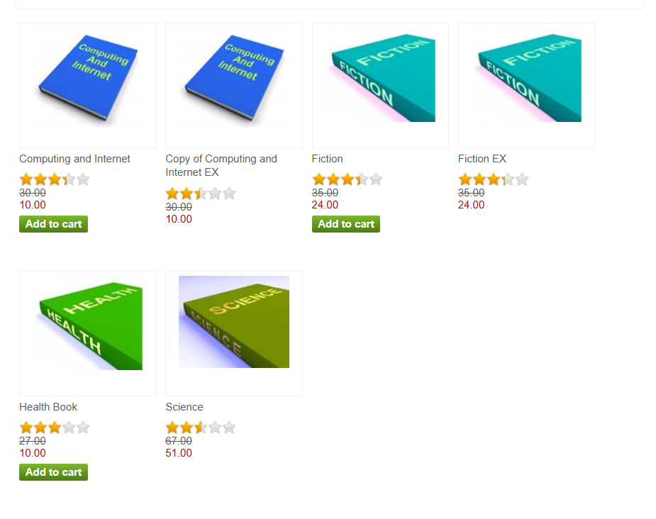 [Screenshot]
2 | BUG-002 | Critical | No accessories iamges are available on the website | User should be on the product page. | 1. Open the website. 2. Select the product category. | Every product on the website should contain image of the product | Accessories is not having the iamge. | Chrome | 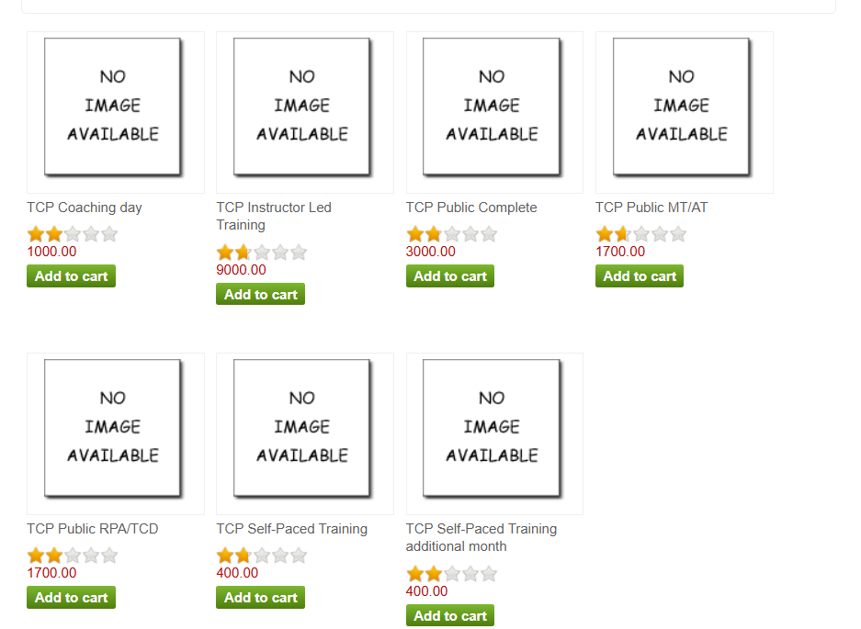
3 | BUG-003 | Critical | Product name is not available | User Should be on the desktop page. | 1. Open the website. 2. Select the desktop | Product should have its own brand name | Desktop PC does not have its own brand name | Chrome | 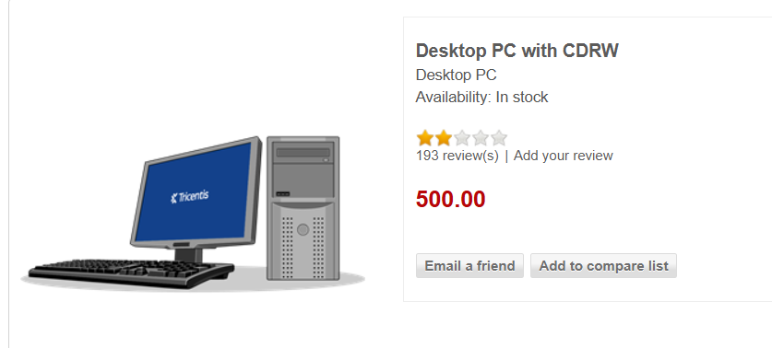
4 | BUG-004 | Minor | No authentication is applied for gift card option | User should be on the payment page | 1. Open the website. 2. Select any product and go to payment option | Authentication for the allowed digit in the gift card option should be there. | Authentication has not been applied for the gift card number limit. | Chrome | 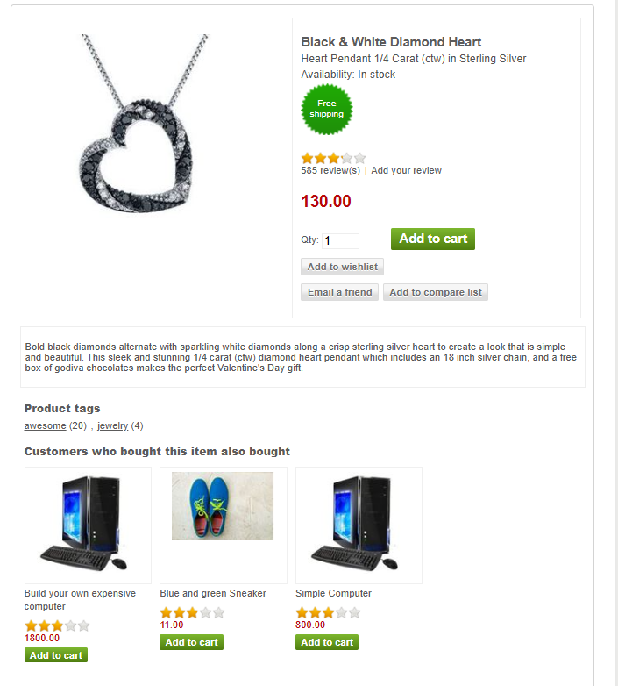 
5 | BUG-005 | Major | Tricenties option is absolutely blank | User should be on the home page. | 1. Open the website. 2. Select the tricenties category. | There should be atleast some information shared for all the categories. | Tricenties option is blank | Chrome | 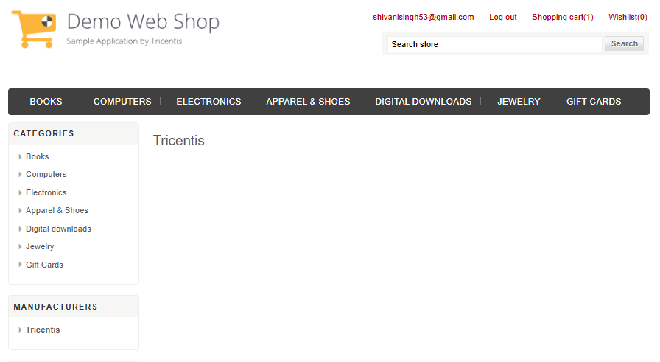
6 | BUG-006 | Major | No clear instruction has been shared to subscribe the newsletter | User should be on the home page. | 1. Open the website. 2. Select the newsletter category. | There should be instructions given to subscribe the newsletter | No instruction has been shared | Chrome | 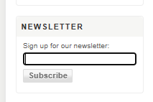
7 | BUG-007 | Major | Conditions of use option is absolutely blank | User should be on the home page. | 1. Open the website. 2. Select the Conditions of use category. | There should be atleast some information shared for all the categories. | Conditions of use option is blank | Chrome | 