M1_AttendancePct
Module 1: Attendance Percentage
Module under test: attendance_percentage(total, present, medical) | Technique: basis path testing with control flow graph
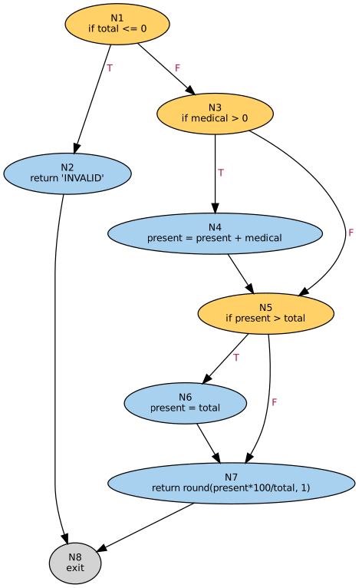
Rules (assumed): percentage = (classes attended + approved medical-leave days) ÷ total classes × 100, capped at 100. Total classes must be greater than 0.
Returns the percentage rounded to 1 decimal place, or INVALID.
Features tested: early return on invalid data, two independent if-assignments (join nodes), capping of over-counted attendance, final computed return.

1. Source code with CFG node mapping
Line | Source code | Node
1 | def attendance_percentage(total, present, medical): | -
2 | if total <= 0: | N1
3 | return 'INVALID' | N2
4 | if medical > 0: | N3
5 | present = present + medical | N4
6 | if present > total: | N5
7 | present = total | N6
8 | return round(present * 100 / total, 1) | N7

2. Control flow graph – node table and edge table
Node | Statement | Type | Out-deg | In-deg |  | Edge | From | To | Label | Description
1 | if total <= 0 | Decision | 2 | 0 |  | E1 | 1 | 2 | T | no classes held
2 | return 'INVALID' | Process | 1 | 1 |  | E2 | 1 | 3 | F | valid total
3 | if medical > 0 | Decision | 2 | 1 |  | E3 | 3 | 4 | T | medical leave approved
4 | present = present + medical | Process | 1 | 1 |  | E4 | 3 | 5 | F | no medical leave
5 | if present > total | Decision | 2 | 2 |  | E5 | 4 | 5 | - | leave added
6 | present = total | Process | 1 | 1 |  | E6 | 5 | 6 | T | over-counted (cap)
7 | return round(present*100/total, 1) | Process | 1 | 2 |  | E7 | 5 | 7 | F | within total
8 | exit | Exit | 0 | 2 |  | E8 | 6 | 7 | - | capped
 |  |  |  |  |  | E9 | 2 | 8 | - | exit
 |  |  |  |  |  | E10 | 7 | 8 | - | exit

3. Cyclomatic complexity V(G)
Parameter | Formula / source | Value
Nodes (N) | count of node table | 8
Edges (E) | count of edge table | 10
Decision nodes (P) | nodes of type Decision | 3
V(G) – method 1 | E − N + 2 | 4
V(G) – method 2 | P + 1 | 4
Methods agree? | method 1 = method 2 | Yes
Cyclomatic complexity V(G) | minimum number of tests required | 4
Rating | 1-10 simple, 11-20 moderate, 21-50 complex, >50 unstable | Simple

4. Independent (basis) paths – baseline path, then flip one decision at a time
Path | Derivation | Type | Feasible? | Node sequence |  |  |  |  |  | Notes
P1 | Baseline: valid total, no medical leave, within total | Basis | Yes | 1-3-5-7-8
P2 | Flip N1: total classes = 0 | Basis | Yes | 1-2-8
P3 | Flip N3: medical leave added | Basis | Yes | 1-3-4-5-7-8
P4 | Flip N5: present exceeds total, capped | Basis | Yes | 1-3-5-6-7-8
P5 | Medical leave added and capped | Supplementary | Yes | 1-3-4-5-6-7-8 |  |  |  |  |  | Combination not in basis set
Basis paths identified |  |  | 4 | = V(G) ✔
Infeasible paths |  |  | 0

5. Test cases (yellow / blue = editable inputs; Actual output obtained by running the code)
TC ID | Test objective | Path | Input | Expected | Actual | Status | Path nodes (lookup)
TC01 | Normal: 30 of 40 classes | P1 | total=40, present=30, medical=0 | 75 | 75 | Pass | 1-3-5-7-8
TC02 | No classes held | P2 | total=0, present=0, medical=0 | INVALID | INVALID | Pass | 1-2-8
TC03 | Medical leave of 2 days added | P3 | total=40, present=28, medical=2 | 75 | 75 | Pass | 1-3-4-5-7-8
TC04 | Over-count capped at 100% | P4 | total=30, present=32, medical=0 | 100 | 100 | Pass | 1-3-5-6-7-8
TC05 | Medical leave pushes above total | P5 | total=30, present=29, medical=3 | 100 | 100 | Pass | 1-3-4-5-6-7-8
TC06 | Boundary: total = 1, absent | P1 | total=1, present=0, medical=0 | 0 | 0 | Pass | 1-3-5-7-8
TC07 | Boundary: present = total | P1 | total=50, present=50, medical=0 | 100 | 100 | Pass | 1-3-5-7-8
TC08 | Boundary: present = total + 1 | P4 | total=50, present=51, medical=0 | 100 | 100 | Pass | 1-3-5-6-7-8

6. Coverage (1 = node / edge traversed by the test's path)
Edge | From | To | Label | TC01 | TC02 | TC03 | TC04 | TC05 | TC06 | TC07 | TC08 | Hits | Status
E1 | 1 | 2 | T | 0 | 1 | 0 | 0 | 0 | 0 | 0 | 0 | 1 | Covered
E2 | 1 | 3 | F | 1 | 0 | 1 | 1 | 1 | 1 | 1 | 1 | 7 | Covered
E3 | 3 | 4 | T | 0 | 0 | 1 | 0 | 1 | 0 | 0 | 0 | 2 | Covered
E4 | 3 | 5 | F | 1 | 0 | 0 | 1 | 0 | 1 | 1 | 1 | 5 | Covered
E5 | 4 | 5 | - | 0 | 0 | 1 | 0 | 1 | 0 | 0 | 0 | 2 | Covered
E6 | 5 | 6 | T | 0 | 0 | 0 | 1 | 1 | 0 | 0 | 1 | 3 | Covered
E7 | 5 | 7 | F | 1 | 0 | 1 | 0 | 0 | 1 | 1 | 0 | 4 | Covered
E8 | 6 | 7 | - | 0 | 0 | 0 | 1 | 1 | 0 | 0 | 1 | 3 | Covered
E9 | 2 | 8 | - | 0 | 1 | 0 | 0 | 0 | 0 | 0 | 0 | 1 | Covered
E10 | 7 | 8 | - | 1 | 0 | 1 | 1 | 1 | 1 | 1 | 1 | 7 | Covered

Node | Type |  |  | TC01 | TC02 | TC03 | TC04 | TC05 | TC06 | TC07 | TC08 | Hits | Status
1 | Decision |  |  | 1 | 1 | 1 | 1 | 1 | 1 | 1 | 1 | 8 | Covered
2 | Process |  |  | 0 | 1 | 0 | 0 | 0 | 0 | 0 | 0 | 1 | Covered
3 | Decision |  |  | 1 | 0 | 1 | 1 | 1 | 1 | 1 | 1 | 7 | Covered
4 | Process |  |  | 0 | 0 | 1 | 0 | 1 | 0 | 0 | 0 | 2 | Covered
5 | Decision |  |  | 1 | 0 | 1 | 1 | 1 | 1 | 1 | 1 | 7 | Covered
6 | Process |  |  | 0 | 0 | 0 | 1 | 1 | 0 | 0 | 1 | 3 | Covered
7 | Process |  |  | 1 | 0 | 1 | 1 | 1 | 1 | 1 | 1 | 7 | Covered
8 | Exit |  |  | 1 | 1 | 1 | 1 | 1 | 1 | 1 | 1 | 8 | Covered

7. Coverage results
Statement (node) coverage |  |  | 100.0%
Branch (decision) coverage |  |  | 100.0%
Edge (path) coverage |  |  | 100.0%
Tests passed |  |  | 8 / 8

M2_Eligibility
Module 2: Exam Eligibility
Module under test: exam_eligibility(pct, condonation) | Technique: basis path testing with control flow graph
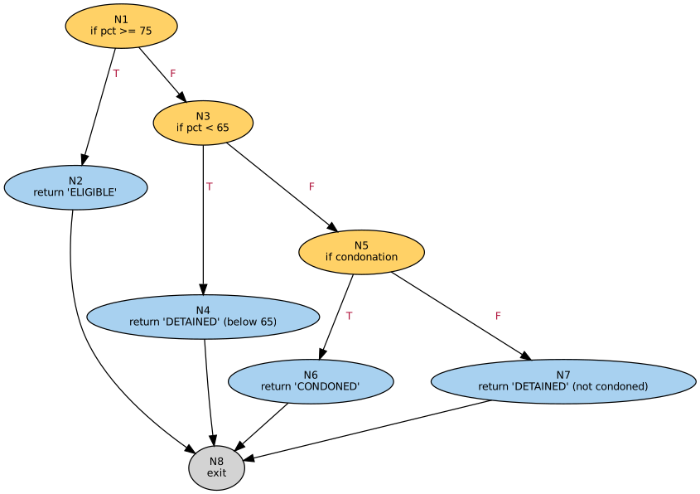
Rules (assumed): 75% or more is ELIGIBLE. From 65% up to 75% the student is CONDONED when condonation is approved, otherwise DETAINED. Below 65% is always DETAINED.
Returns ELIGIBLE, CONDONED or DETAINED.
Features tested: sequential decisions with early returns, boundary values at 75 and 65, two separate nodes returning DETAINED.

1. Source code with CFG node mapping
Line | Source code | Node
1 | def exam_eligibility(pct, condonation): | -
2 | if pct >= 75: | N1
3 | return 'ELIGIBLE' | N2
4 | if pct < 65: | N3
5 | return 'DETAINED' | N4
6 | if condonation: | N5
7 | return 'CONDONED' | N6
8 | return 'DETAINED' | N7

2. Control flow graph – node table and edge table
Node | Statement | Type | Out-deg | In-deg |  | Edge | From | To | Label | Description
1 | if pct >= 75 | Decision | 2 | 0 |  | E1 | 1 | 2 | T | meets 75%
2 | return 'ELIGIBLE' | Process | 1 | 1 |  | E2 | 1 | 3 | F | below 75%
3 | if pct < 65 | Decision | 2 | 1 |  | E3 | 3 | 4 | T | below 65%
4 | return 'DETAINED' (below 65) | Process | 1 | 1 |  | E4 | 3 | 5 | F | 65% to below 75%
5 | if condonation | Decision | 2 | 1 |  | E5 | 5 | 6 | T | condonation approved
6 | return 'CONDONED' | Process | 1 | 1 |  | E6 | 5 | 7 | F | no condonation
7 | return 'DETAINED' (not condoned) | Process | 1 | 1 |  | E7 | 2 | 8 | - | exit
8 | exit | Exit | 0 | 4 |  | E8 | 4 | 8 | - | exit
 |  |  |  |  |  | E9 | 6 | 8 | - | exit
 |  |  |  |  |  | E10 | 7 | 8 | - | exit

3. Cyclomatic complexity V(G)
Parameter | Formula / source | Value
Nodes (N) | count of node table | 8
Edges (E) | count of edge table | 10
Decision nodes (P) | nodes of type Decision | 3
V(G) – method 1 | E − N + 2 | 4
V(G) – method 2 | P + 1 | 4
Methods agree? | method 1 = method 2 | Yes
Cyclomatic complexity V(G) | minimum number of tests required | 4
Rating | 1-10 simple, 11-20 moderate, 21-50 complex, >50 unstable | Simple

4. Independent (basis) paths – baseline path, then flip one decision at a time
Path | Derivation | Type | Feasible? | Node sequence |  |  |  |  |  | Notes
P1 | Baseline: 65-75%, no condonation | Basis | Yes | 1-3-5-7-8
P2 | Flip N1: 75% or more | Basis | Yes | 1-2-8
P3 | Flip N3: below 65% | Basis | Yes | 1-3-4-8
P4 | Flip N5: condonation approved | Basis | Yes | 1-3-5-6-8
Basis paths identified |  |  | 4 | = V(G) ✔
Infeasible paths |  |  | 0

5. Test cases (yellow / blue = editable inputs; Actual output obtained by running the code)
TC ID | Test objective | Path | Input | Expected | Actual | Status | Path nodes (lookup)
TC01 | 70%, no condonation | P1 | pct=70, condonation=No | DETAINED | DETAINED | Pass | 1-3-5-7-8
TC02 | 82%, regular eligible | P2 | pct=82, condonation=No | ELIGIBLE | ELIGIBLE | Pass | 1-2-8
TC03 | 55%, no condonation | P3 | pct=55, condonation=No | DETAINED | DETAINED | Pass | 1-3-4-8
TC04 | 70% with condonation | P4 | pct=70, condonation=Yes | CONDONED | CONDONED | Pass | 1-3-5-6-8
TC05 | 55% with condonation: cannot rescue | P3 | pct=55, condonation=Yes | DETAINED | DETAINED | Pass | 1-3-4-8
TC06 | Boundary: exactly 75% | P2 | pct=75, condonation=No | ELIGIBLE | ELIGIBLE | Pass | 1-2-8
TC07 | Boundary: 74.9%, no condonation | P1 | pct=74.9, condonation=No | DETAINED | DETAINED | Pass | 1-3-5-7-8
TC08 | Boundary: exactly 65% condoned | P4 | pct=65, condonation=Yes | CONDONED | CONDONED | Pass | 1-3-5-6-8
TC09 | Boundary: 64.9% with condonation | P3 | pct=64.9, condonation=Yes | DETAINED | DETAINED | Pass | 1-3-4-8

6. Coverage (1 = node / edge traversed by the test's path)
Edge | From | To | Label | TC01 | TC02 | TC03 | TC04 | TC05 | TC06 | TC07 | TC08 | TC09 | Hits | Status
E1 | 1 | 2 | T | 0 | 1 | 0 | 0 | 0 | 1 | 0 | 0 | 0 | 2 | Covered
E2 | 1 | 3 | F | 1 | 0 | 1 | 1 | 1 | 0 | 1 | 1 | 1 | 7 | Covered
E3 | 3 | 4 | T | 0 | 0 | 1 | 0 | 1 | 0 | 0 | 0 | 1 | 3 | Covered
E4 | 3 | 5 | F | 1 | 0 | 0 | 1 | 0 | 0 | 1 | 1 | 0 | 4 | Covered
E5 | 5 | 6 | T | 0 | 0 | 0 | 1 | 0 | 0 | 0 | 1 | 0 | 2 | Covered
E6 | 5 | 7 | F | 1 | 0 | 0 | 0 | 0 | 0 | 1 | 0 | 0 | 2 | Covered
E7 | 2 | 8 | - | 0 | 1 | 0 | 0 | 0 | 1 | 0 | 0 | 0 | 2 | Covered
E8 | 4 | 8 | - | 0 | 0 | 1 | 0 | 1 | 0 | 0 | 0 | 1 | 3 | Covered
E9 | 6 | 8 | - | 0 | 0 | 0 | 1 | 0 | 0 | 0 | 1 | 0 | 2 | Covered
E10 | 7 | 8 | - | 1 | 0 | 0 | 0 | 0 | 0 | 1 | 0 | 0 | 2 | Covered

Node | Type |  |  | TC01 | TC02 | TC03 | TC04 | TC05 | TC06 | TC07 | TC08 | TC09 | Hits | Status
1 | Decision |  |  | 1 | 1 | 1 | 1 | 1 | 1 | 1 | 1 | 1 | 9 | Covered
2 | Process |  |  | 0 | 1 | 0 | 0 | 0 | 1 | 0 | 0 | 0 | 2 | Covered
3 | Decision |  |  | 1 | 0 | 1 | 1 | 1 | 0 | 1 | 1 | 1 | 7 | Covered
4 | Process |  |  | 0 | 0 | 1 | 0 | 1 | 0 | 0 | 0 | 1 | 3 | Covered
5 | Decision |  |  | 1 | 0 | 0 | 1 | 0 | 0 | 1 | 1 | 0 | 4 | Covered
6 | Process |  |  | 0 | 0 | 0 | 1 | 0 | 0 | 0 | 1 | 0 | 2 | Covered
7 | Process |  |  | 1 | 0 | 0 | 0 | 0 | 0 | 1 | 0 | 0 | 2 | Covered
8 | Exit |  |  | 1 | 1 | 1 | 1 | 1 | 1 | 1 | 1 | 1 | 9 | Covered

7. Coverage results
Statement (node) coverage |  |  | 100.0%
Branch (decision) coverage |  |  | 100.0%
Edge (path) coverage |  |  | 100.0%
Tests passed |  |  | 9 / 9

M3_Marking
Module 3: Attendance Marking
Module under test: count_attendance(statuses) | Technique: basis path testing with control flow graph
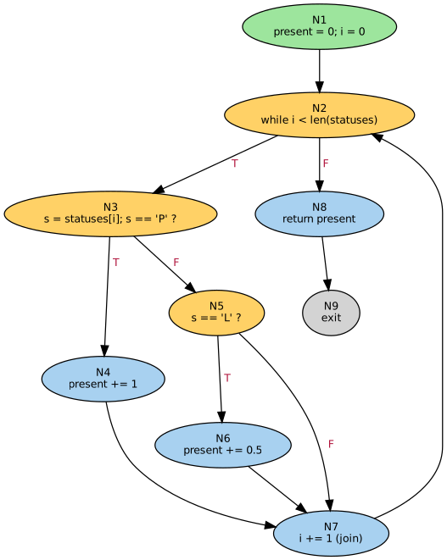
Rules (assumed): each status code is P (present) = 1 credit, L (late) = 0.5 credit, anything else (A, absent) = 0.
Returns the total credit as a number.
Features tested: loop, if / elif chain inside the loop, join node (i += 1), empty-list path.

1. Source code with CFG node mapping
Line | Source code | Node
1 | def count_attendance(statuses): | -
2 | present = 0 | N1
3 | i = 0 | N1
4 | while i < len(statuses): | N2
5 | s = statuses[i] | N3
6 | if s == 'P': | N3
7 | present += 1 | N4
8 | elif s == 'L': | N5
9 | present += 0.5 | N6
10 | i += 1 | N7
11 | return present | N8

2. Control flow graph – node table and edge table
Node | Statement | Type | Out-deg | In-deg |  | Edge | From | To | Label | Description
1 | present = 0; i = 0 | Start | 1 | 0 |  | E1 | 1 | 2 | - | init → loop test
2 | while i < len(statuses) | Decision | 2 | 2 |  | E2 | 2 | 3 | T | status left to read
3 | s = statuses[i]; s == 'P' ? | Decision | 2 | 1 |  | E3 | 2 | 8 | F | all statuses read
4 | present += 1 | Process | 1 | 1 |  | E4 | 3 | 4 | T | present
5 | s == 'L' ? | Decision | 2 | 1 |  | E5 | 3 | 5 | F | not present
6 | present += 0.5 | Process | 1 | 1 |  | E6 | 4 | 7 | - | to next status
7 | i += 1 (join) | Process | 1 | 3 |  | E7 | 5 | 6 | T | late
8 | return present | Process | 1 | 1 |  | E8 | 5 | 7 | F | absent
9 | exit | Exit | 0 | 1 |  | E9 | 6 | 7 | - | to next status
 |  |  |  |  |  | E10 | 7 | 2 | - | loop back-edge
 |  |  |  |  |  | E11 | 8 | 9 | - | exit

3. Cyclomatic complexity V(G)
Parameter | Formula / source | Value
Nodes (N) | count of node table | 9
Edges (E) | count of edge table | 11
Decision nodes (P) | nodes of type Decision | 3
V(G) – method 1 | E − N + 2 | 4
V(G) – method 2 | P + 1 | 4
Methods agree? | method 1 = method 2 | Yes
Cyclomatic complexity V(G) | minimum number of tests required | 4
Rating | 1-10 simple, 11-20 moderate, 21-50 complex, >50 unstable | Simple

4. Independent (basis) paths – baseline path, then flip one decision at a time
Path | Derivation | Type | Feasible? | Node sequence |  |  |  |  |  | Notes
P1 | Baseline: one status, present | Basis | Yes | 1-2-3-4-7-2-8-9 |  |  |  |  |  | Single status
P2 | Flip N2: no statuses | Basis | Yes | 1-2-8-9 |  |  |  |  |  | Empty list
P3 | Flip N3: status is not P, absent | Basis | Yes | 1-2-3-5-7-2-8-9 |  |  |  |  |  | Single status
P4 | Flip N5: status is L | Basis | Yes | 1-2-3-5-6-7-2-8-9 |  |  |  |  |  | Single status
P5 | P, then L, then A | Supplementary | Yes | 1-2-3-4-7-2-3-5-6-7-2-3-5-7-2-8-9 |  |  |  |  |  | Loop three times
P6 | P, then P | Supplementary | Yes | 1-2-3-4-7-2-3-4-7-2-8-9 |  |  |  |  |  | Loop twice
P7 | L, then P | Supplementary | Yes | 1-2-3-5-6-7-2-3-4-7-2-8-9 |  |  |  |  |  | Loop twice
P8 | P, then A | Supplementary | Yes | 1-2-3-4-7-2-3-5-7-2-8-9 |  |  |  |  |  | Loop twice
Basis paths identified |  |  | 4 | = V(G) ✔
Infeasible paths |  |  | 0

5. Test cases (yellow / blue = editable inputs; Actual output obtained by running the code)
TC ID | Test objective | Path | Input | Expected | Actual | Status | Path nodes (lookup)
TC01 | Single present | P1 | statuses=[P] | 1 | 1 | Pass | 1-2-3-4-7-2-8-9
TC02 | No statuses recorded | P2 | statuses=[] | 0 | 0 | Pass | 1-2-8-9
TC03 | Single absent | P3 | statuses=[A] | 0 | 0 | Pass | 1-2-3-5-7-2-8-9
TC04 | Single late | P4 | statuses=[L] | 0.5 | 0.5 | Pass | 1-2-3-5-6-7-2-8-9
TC05 | Mixed P, L, A | P5 | statuses=[P, L, A] | 1.5 | 1.5 | Pass | 1-2-3-4-7-2-3-5-6-7-2-3-5-7-2-8-9
TC06 | Two present | P6 | statuses=[P, P] | 2 | 2 | Pass | 1-2-3-4-7-2-3-4-7-2-8-9
TC07 | Late then present | P7 | statuses=[L, P] | 1.5 | 1.5 | Pass | 1-2-3-5-6-7-2-3-4-7-2-8-9
TC08 | Present then absent | P8 | statuses=[P, A] | 1 | 1 | Pass | 1-2-3-4-7-2-3-5-7-2-8-9

6. Coverage (1 = node / edge traversed by the test's path)
Edge | From | To | Label | TC01 | TC02 | TC03 | TC04 | TC05 | TC06 | TC07 | TC08 | Hits | Status
E1 | 1 | 2 | - | 1 | 1 | 1 | 1 | 1 | 1 | 1 | 1 | 8 | Covered
E2 | 2 | 3 | T | 1 | 0 | 1 | 1 | 1 | 1 | 1 | 1 | 7 | Covered
E3 | 2 | 8 | F | 1 | 1 | 1 | 1 | 1 | 1 | 1 | 1 | 8 | Covered
E4 | 3 | 4 | T | 1 | 0 | 0 | 0 | 1 | 1 | 1 | 1 | 5 | Covered
E5 | 3 | 5 | F | 0 | 0 | 1 | 1 | 1 | 0 | 1 | 1 | 5 | Covered
E6 | 4 | 7 | - | 1 | 0 | 0 | 0 | 1 | 1 | 1 | 1 | 5 | Covered
E7 | 5 | 6 | T | 0 | 0 | 0 | 1 | 1 | 0 | 1 | 0 | 3 | Covered
E8 | 5 | 7 | F | 0 | 0 | 1 | 0 | 1 | 0 | 0 | 1 | 3 | Covered
E9 | 6 | 7 | - | 0 | 0 | 0 | 1 | 1 | 0 | 1 | 0 | 3 | Covered
E10 | 7 | 2 | - | 1 | 0 | 1 | 1 | 1 | 1 | 1 | 1 | 7 | Covered
E11 | 8 | 9 | - | 1 | 1 | 1 | 1 | 1 | 1 | 1 | 1 | 8 | Covered

Node | Type |  |  | TC01 | TC02 | TC03 | TC04 | TC05 | TC06 | TC07 | TC08 | Hits | Status
1 | Start |  |  | 1 | 1 | 1 | 1 | 1 | 1 | 1 | 1 | 8 | Covered
2 | Decision |  |  | 1 | 1 | 1 | 1 | 1 | 1 | 1 | 1 | 8 | Covered
3 | Decision |  |  | 1 | 0 | 1 | 1 | 1 | 1 | 1 | 1 | 7 | Covered
4 | Process |  |  | 1 | 0 | 0 | 0 | 1 | 1 | 1 | 1 | 5 | Covered
5 | Decision |  |  | 0 | 0 | 1 | 1 | 1 | 0 | 1 | 1 | 5 | Covered
6 | Process |  |  | 0 | 0 | 0 | 1 | 1 | 0 | 1 | 0 | 3 | Covered
7 | Process |  |  | 1 | 0 | 1 | 1 | 1 | 1 | 1 | 1 | 7 | Covered
8 | Process |  |  | 1 | 1 | 1 | 1 | 1 | 1 | 1 | 1 | 8 | Covered
9 | Exit |  |  | 1 | 1 | 1 | 1 | 1 | 1 | 1 | 1 | 8 | Covered

7. Coverage results
Statement (node) coverage |  |  | 100.0%
Branch (decision) coverage |  |  | 100.0%
Edge (path) coverage |  |  | 100.0%
Tests passed |  |  | 8 / 8

M4_Alerts
Module 4: Attendance Alert
Module under test: attendance_alert(alerted_today, pct, absent_run, guardian) | Technique: basis path testing with control flow graph
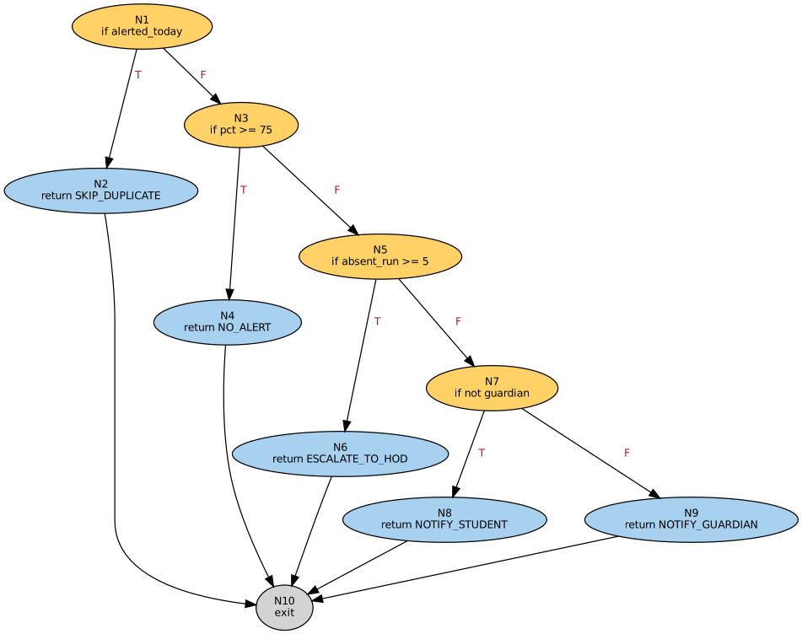
Rules (assumed): checks run in strict order: already alerted today, attendance at least 75%, five or more consecutive absences, guardian contact on file.
Returns SKIP_DUPLICATE, NO_ALERT, ESCALATE_TO_HOD, NOTIFY_STUDENT or NOTIFY_GUARDIAN (assumed alert names).
Features tested: sequential decisions where an earlier check overrides later conditions, boundary values at 75% and 5 absences.

1. Source code with CFG node mapping
Line | Source code | Node
1 | def attendance_alert(alerted_today, pct, absent_run, guardian): | -
2 | if alerted_today: | N1
3 | return 'SKIP_DUPLICATE' | N2
4 | if pct >= 75: | N3
5 | return 'NO_ALERT' | N4
6 | if absent_run >= 5: | N5
7 | return 'ESCALATE_TO_HOD' | N6
8 | if not guardian: | N7
9 | return 'NOTIFY_STUDENT' | N8
10 | return 'NOTIFY_GUARDIAN' | N9

2. Control flow graph – node table and edge table
Node | Statement | Type | Out-deg | In-deg |  | Edge | From | To | Label | Description
1 | if alerted_today | Decision | 2 | 0 |  | E1 | 1 | 2 | T | already alerted today
2 | return SKIP_DUPLICATE | Process | 1 | 1 |  | E2 | 1 | 3 | F | not yet alerted
3 | if pct >= 75 | Decision | 2 | 1 |  | E3 | 3 | 4 | T | attendance ok
4 | return NO_ALERT | Process | 1 | 1 |  | E4 | 3 | 5 | F | below 75%
5 | if absent_run >= 5 | Decision | 2 | 1 |  | E5 | 5 | 6 | T | 5+ days absent
6 | return ESCALATE_TO_HOD | Process | 1 | 1 |  | E6 | 5 | 7 | F | fewer than 5
7 | if not guardian | Decision | 2 | 1 |  | E7 | 7 | 8 | T | no guardian contact
8 | return NOTIFY_STUDENT | Process | 1 | 1 |  | E8 | 7 | 9 | F | guardian on file
9 | return NOTIFY_GUARDIAN | Process | 1 | 1 |  | E9 | 2 | 10 | - | exit
10 | exit | Exit | 0 | 5 |  | E10 | 4 | 10 | - | exit
 |  |  |  |  |  | E11 | 6 | 10 | - | exit
 |  |  |  |  |  | E12 | 8 | 10 | - | exit
 |  |  |  |  |  | E13 | 9 | 10 | - | exit

3. Cyclomatic complexity V(G)
Parameter | Formula / source | Value
Nodes (N) | count of node table | 10
Edges (E) | count of edge table | 13
Decision nodes (P) | nodes of type Decision | 4
V(G) – method 1 | E − N + 2 | 5
V(G) – method 2 | P + 1 | 5
Methods agree? | method 1 = method 2 | Yes
Cyclomatic complexity V(G) | minimum number of tests required | 5
Rating | 1-10 simple, 11-20 moderate, 21-50 complex, >50 unstable | Simple

4. Independent (basis) paths – baseline path, then flip one decision at a time
Path | Derivation | Type | Feasible? | Node sequence |  |  |  |  |  | Notes
P1 | Baseline: low attendance, guardian notified | Basis | Yes | 1-3-5-7-9-10 |  |  |  |  |  | All checks fall through
P2 | Flip N1: already alerted today | Basis | Yes | 1-2-10
P3 | Flip N3: attendance 75% or more | Basis | Yes | 1-3-4-10
P4 | Flip N5: 5+ consecutive absences | Basis | Yes | 1-3-5-6-10
P5 | Flip N7: no guardian contact | Basis | Yes | 1-3-5-7-8-10
Basis paths identified |  |  | 5 | = V(G) ✔
Infeasible paths |  |  | 0

5. Test cases (yellow / blue = editable inputs; Actual output obtained by running the code)
TC ID | Test objective | Path | Input | Expected | Actual | Status | Path nodes (lookup)
TC01 | Low attendance, guardian on file | P1 | alerted=No, pct=60, absent_run=2, guardian=Yes | NOTIFY_GUARDIAN | NOTIFY_GUARDIAN | Pass | 1-3-5-7-9-10
TC02 | Already alerted today | P2 | alerted=Yes, pct=60, absent_run=2, guardian=Yes | SKIP_DUPLICATE | SKIP_DUPLICATE | Pass | 1-2-10
TC03 | Attendance fine | P3 | alerted=No, pct=82, absent_run=2, guardian=Yes | NO_ALERT | NO_ALERT | Pass | 1-3-4-10
TC04 | Six absences in a row | P4 | alerted=No, pct=60, absent_run=6, guardian=Yes | ESCALATE_TO_HOD | ESCALATE_TO_HOD | Pass | 1-3-5-6-10
TC05 | Low attendance, no guardian | P5 | alerted=No, pct=60, absent_run=2, guardian=No | NOTIFY_STUDENT | NOTIFY_STUDENT | Pass | 1-3-5-7-8-10
TC06 | Everything failing: duplicate check wins | P2 | alerted=Yes, pct=82, absent_run=6, guardian=No | SKIP_DUPLICATE | SKIP_DUPLICATE | Pass | 1-2-10
TC07 | Boundary: 75% beats 9 absences | P3 | alerted=No, pct=75, absent_run=9, guardian=No | NO_ALERT | NO_ALERT | Pass | 1-3-4-10
TC08 | Boundary: 74.9%, 4 absences | P1 | alerted=No, pct=74.9, absent_run=4, guardian=Yes | NOTIFY_GUARDIAN | NOTIFY_GUARDIAN | Pass | 1-3-5-7-9-10
TC09 | Boundary: 74.9%, exactly 5 absences | P4 | alerted=No, pct=74.9, absent_run=5, guardian=Yes | ESCALATE_TO_HOD | ESCALATE_TO_HOD | Pass | 1-3-5-6-10

6. Coverage (1 = node / edge traversed by the test's path)
Edge | From | To | Label | TC01 | TC02 | TC03 | TC04 | TC05 | TC06 | TC07 | TC08 | TC09 | Hits | Status
E1 | 1 | 2 | T | 0 | 1 | 0 | 0 | 0 | 1 | 0 | 0 | 0 | 2 | Covered
E2 | 1 | 3 | F | 1 | 0 | 1 | 1 | 1 | 0 | 1 | 1 | 1 | 7 | Covered
E3 | 3 | 4 | T | 0 | 0 | 1 | 0 | 0 | 0 | 1 | 0 | 0 | 2 | Covered
E4 | 3 | 5 | F | 1 | 0 | 0 | 1 | 1 | 0 | 0 | 1 | 1 | 5 | Covered
E5 | 5 | 6 | T | 0 | 0 | 0 | 1 | 0 | 0 | 0 | 0 | 1 | 2 | Covered
E6 | 5 | 7 | F | 1 | 0 | 0 | 0 | 1 | 0 | 0 | 1 | 0 | 3 | Covered
E7 | 7 | 8 | T | 0 | 0 | 0 | 0 | 1 | 0 | 0 | 0 | 0 | 1 | Covered
E8 | 7 | 9 | F | 1 | 0 | 0 | 0 | 0 | 0 | 0 | 1 | 0 | 2 | Covered
E9 | 2 | 10 | - | 0 | 1 | 0 | 0 | 0 | 1 | 0 | 0 | 0 | 2 | Covered
E10 | 4 | 10 | - | 0 | 0 | 1 | 0 | 0 | 0 | 1 | 0 | 0 | 2 | Covered
E11 | 6 | 10 | - | 0 | 0 | 0 | 1 | 0 | 0 | 0 | 0 | 1 | 2 | Covered
E12 | 8 | 10 | - | 0 | 0 | 0 | 0 | 1 | 0 | 0 | 0 | 0 | 1 | Covered
E13 | 9 | 10 | - | 1 | 0 | 0 | 0 | 0 | 0 | 0 | 1 | 0 | 2 | Covered

Node | Type |  |  | TC01 | TC02 | TC03 | TC04 | TC05 | TC06 | TC07 | TC08 | TC09 | Hits | Status
1 | Decision |  |  | 1 | 1 | 1 | 1 | 1 | 1 | 1 | 1 | 1 | 9 | Covered
2 | Process |  |  | 0 | 1 | 0 | 0 | 0 | 1 | 0 | 0 | 0 | 2 | Covered
3 | Decision |  |  | 1 | 0 | 1 | 1 | 1 | 0 | 1 | 1 | 1 | 7 | Covered
4 | Process |  |  | 0 | 0 | 1 | 0 | 0 | 0 | 1 | 0 | 0 | 2 | Covered
5 | Decision |  |  | 1 | 0 | 0 | 1 | 1 | 0 | 0 | 1 | 1 | 5 | Covered
6 | Process |  |  | 0 | 0 | 0 | 1 | 0 | 0 | 0 | 0 | 1 | 2 | Covered
7 | Decision |  |  | 1 | 0 | 0 | 0 | 1 | 0 | 0 | 1 | 0 | 3 | Covered
8 | Process |  |  | 0 | 0 | 0 | 0 | 1 | 0 | 0 | 0 | 0 | 1 | Covered
9 | Process |  |  | 1 | 0 | 0 | 0 | 0 | 0 | 0 | 1 | 0 | 2 | Covered
10 | Exit |  |  | 1 | 1 | 1 | 1 | 1 | 1 | 1 | 1 | 1 | 9 | Covered

7. Coverage results
Statement (node) coverage |  |  | 100.0%
Branch (decision) coverage |  |  | 100.0%
Edge (path) coverage |  |  | 100.0%
Tests passed |  |  | 9 / 9

