Details 2
Sr. | Name | EMP ID | MOBILE | PHOTOGRAPHS
1 | MUKUL | NF0044 |  | 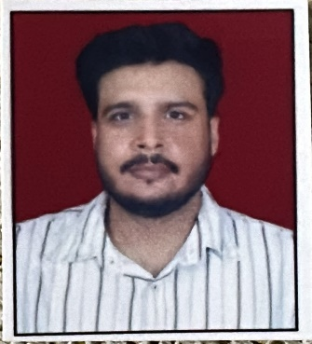
2 | AMIT |  |  | 
3 | DEEPAK | NF0130 |  | 
4 | AJAY KUMAR | NF0163 | 9990601136 | 