Subtask A
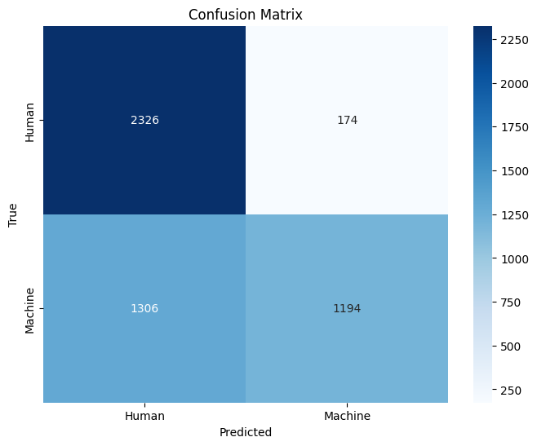
without word limit on subtask a mono dev
Accuracy | 0.7068
Precision | 0.8823964497
Recall | 0.4772
F1 Score | 0.6194184839

MaxWords
Ablation Study 2
Token Limit | Accuracy | Precision | Recall | F1 Score
10 | 0.593 | 0.593 | 0.5932 | 0.5931
20 | 0.5946 | 0.5783 | 0.6984 | 0.6327
50 | 0.6046 | 0.5893 | 0.69 | 0.6357
100 | 0.6214 | 0.6112 | 0.6672 | 0.638
200 | 0.6578 | 0.7162 | 0.5228 | 0.6044
500 | 0.704 | 0.8728 | 0.4776 | 0.6174
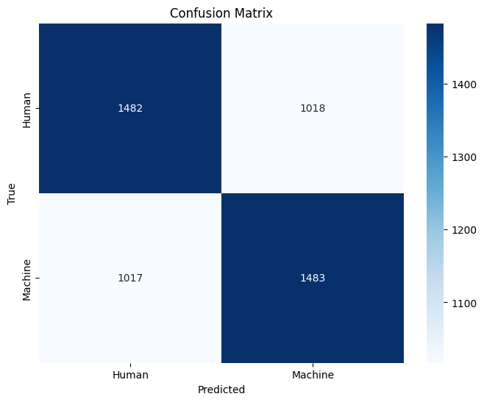
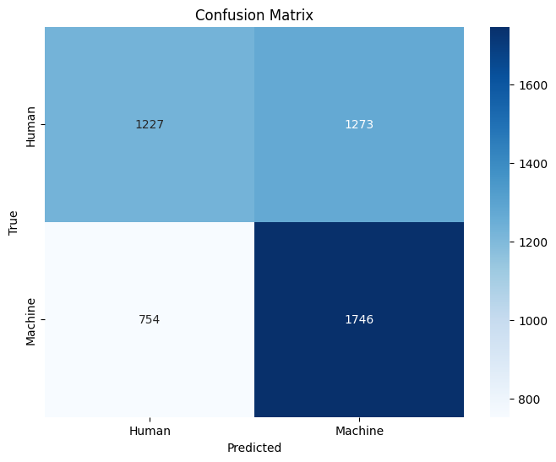
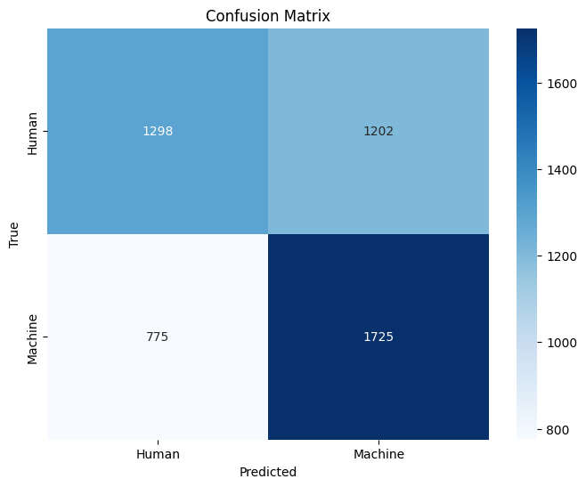

Max=10 |  |  |  |  | Max = 20 | Max = 50

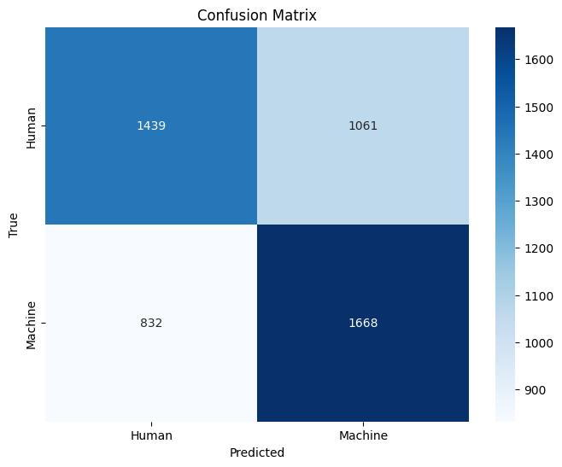
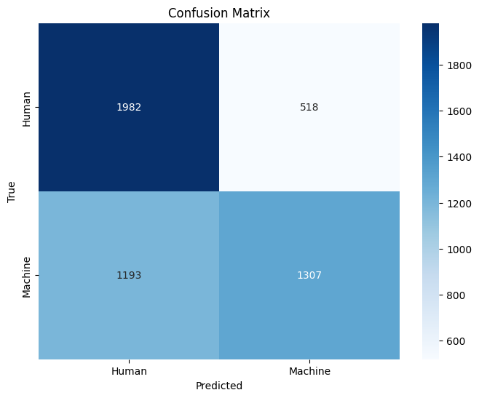

Max=100 |  |  |  |  | Max = 200 | Max = 500

Source
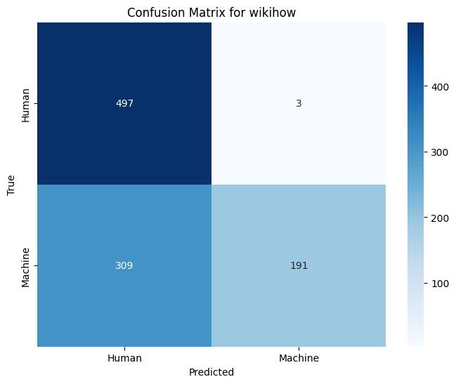
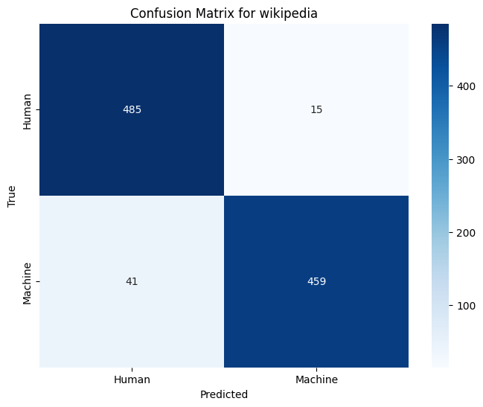
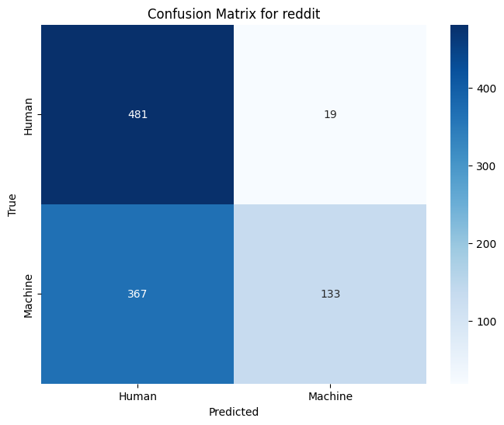
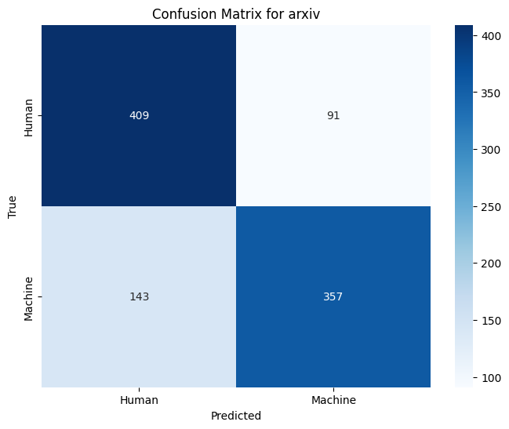
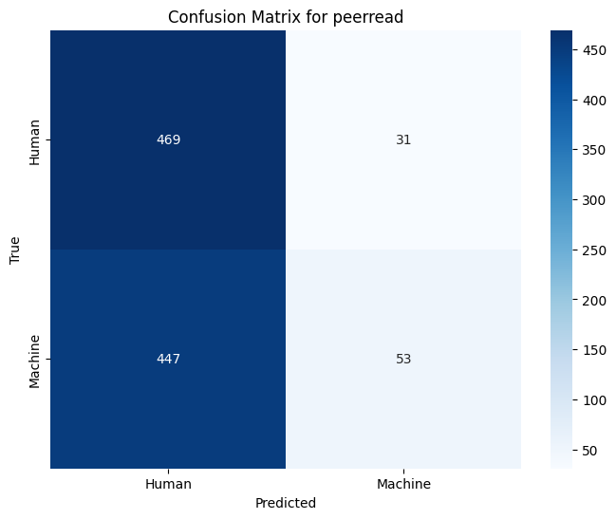
Source | Accuracy | Precision | Recall | F1 Score
wikihow | 0.688 | 0.9845 | 0.382 | 0.5504
wikipedia | 0.944 | 0.9684 | 0.918 | 0.9425
reddit | 0.614 | 0.875 | 0.266 | 0.408
arxiv | 0.766 | 0.7969 | 0.714 | 0.7532
peerread | 0.522 | 0.631 | 0.106 | 0.1815

