SubtaskA
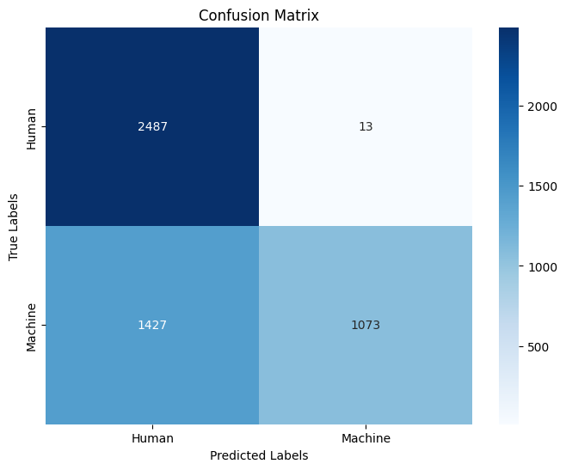
Subtask A mono dev
Accuracy | 0.712
Precision | 0.98802946593
Recall | 0.4292
F1-Score | 0.59843837144

MaxWords
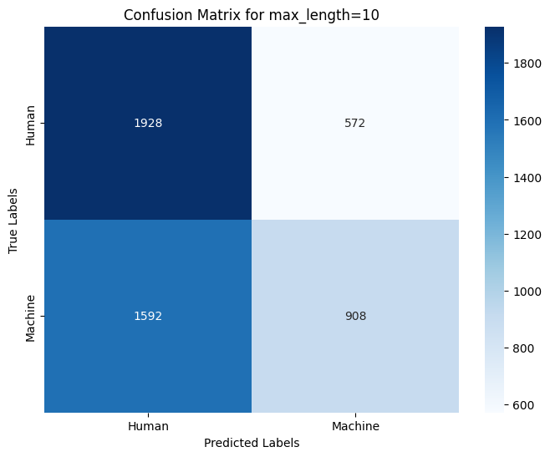
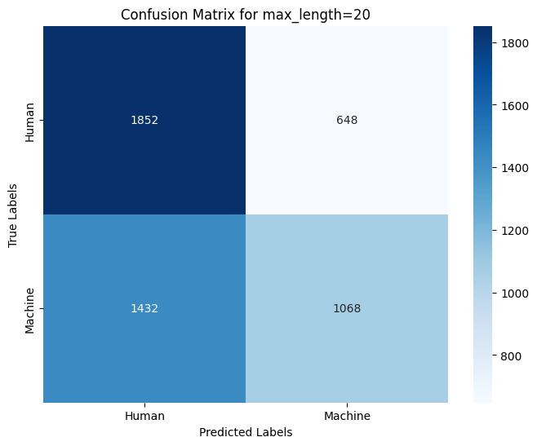
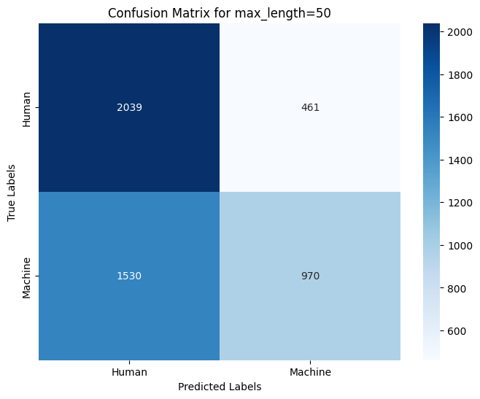
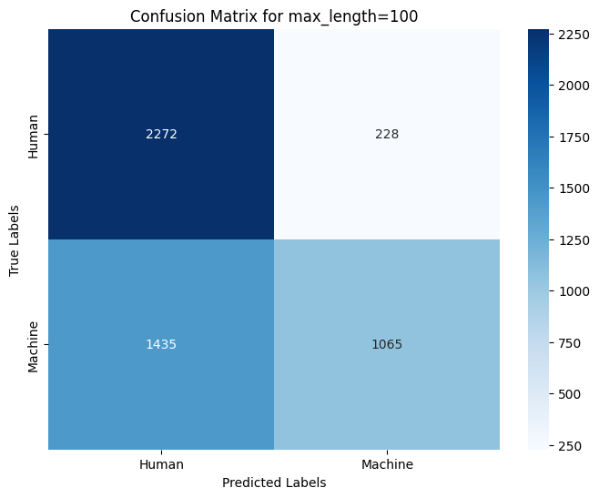
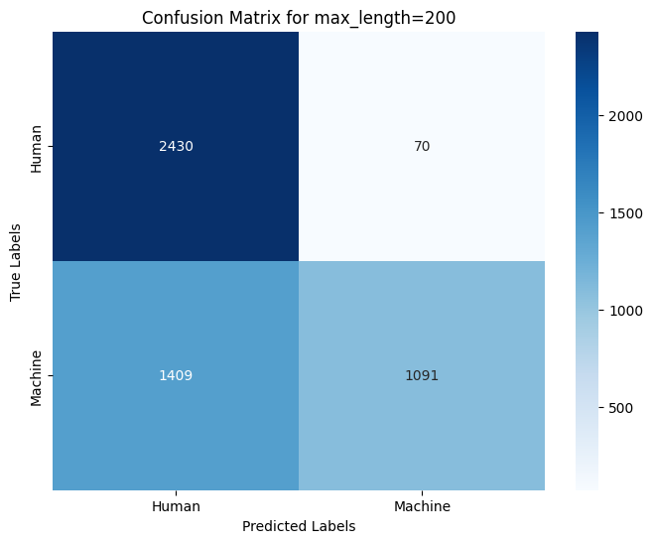

Ablation study 2 - number of max words
Token Limit | Accuracy | Precision | Recall | F1 Score
10 | 0.5672 | 0.6135 | 0.3632 | 0.4563
20 | 0.584 | 0.6224 | 0.4272 | 0.5066
50 | 0.6018 | 0.6778 | 0.388 | 0.4935
100 | 0.6674 | 0.8237 | 0.426 | 0.5616
200 | 0.7042 | 0.9397 | 0.4364 | 0.596
500 | 0.7118 | 0.9871 | 0.4292 | 0.5983

Source
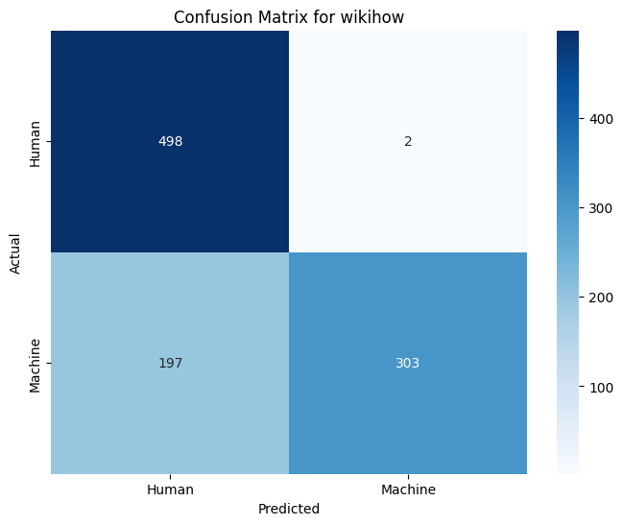
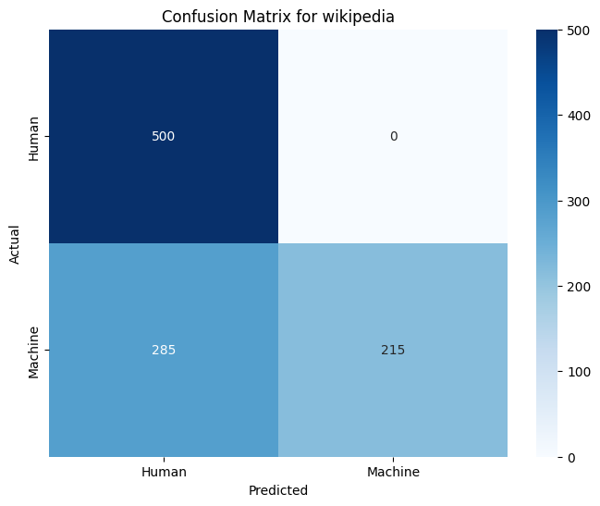
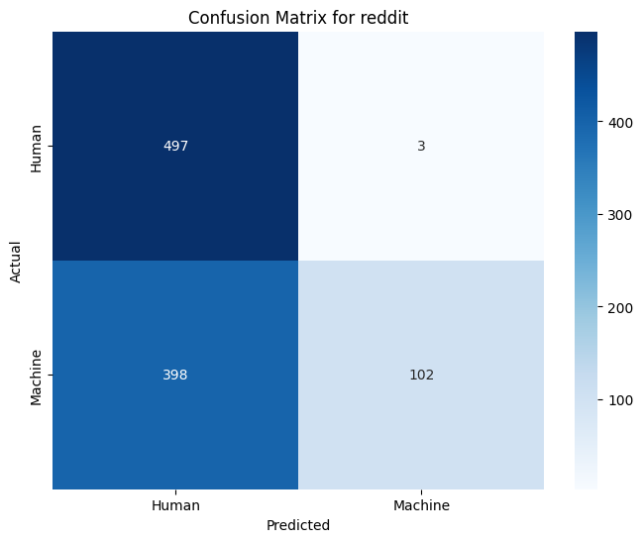
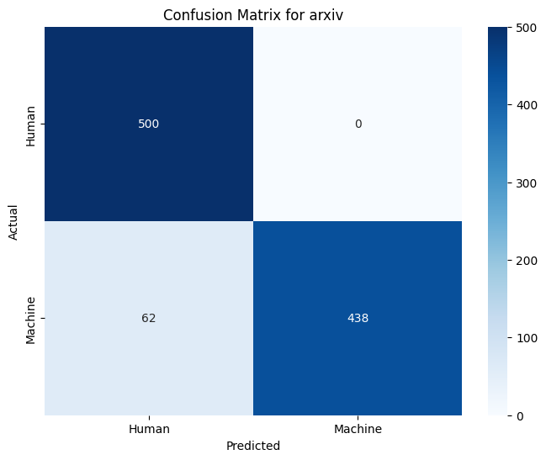
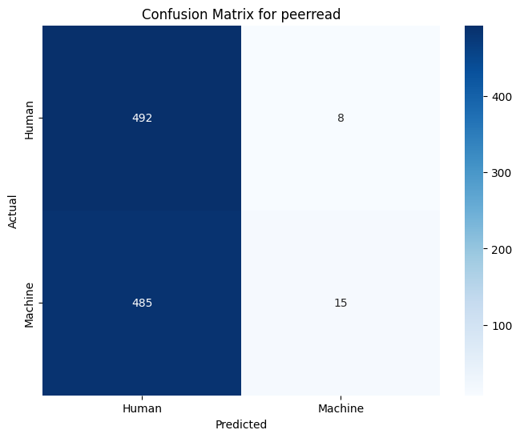
Source | Accuracy | Precision | Recall | F1 Score
wikihow | 0.801 | 0.9934 | 0.606 | 0.7528
wikipedia | 0.715 | 1 | 0.43 | 0.6014
reddit | 0.599 | 0.9714 | 0.204 | 0.3372
arxiv | 0.938 | 1 | 0.876 | 0.9339
peerread | 0.507 | 0.6522 | 0.03 | 0.0574

