Subtask A
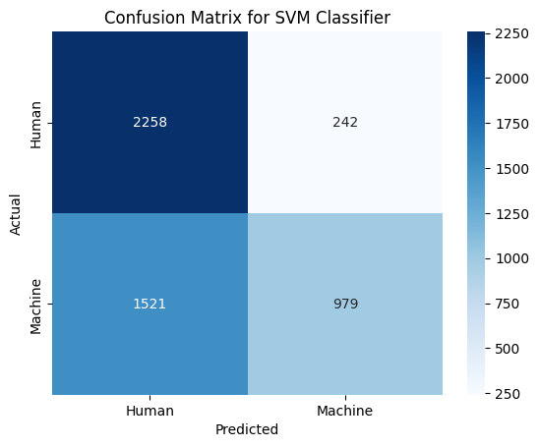
Category | Precision | Recall | F1-Score | Support
Human Text | 0.6 | 0.9 | 0.72 | 2500
Machine-Generated Text | 0.8 | 0.39 | 0.53 | 2500
Overall Metrics
Accuracy |  |  | 0.65 | 5000
Macro Avg | 0.7 | 0.65 | 0.62 | 5000
Weighted Avg | 0.7 | 0.65 | 0.62 | 5000

