Sheet1
 |  | M0 (Tubing_1) | M1 (Tubing_2) | M2 (Forming_1) | M3 (Forming_2)
Job1 (Ampoule) | Task 0_0 | 616 | 616 | 100000 | 100000
 | Task 0_1 | 100000 | 100000 | 1232 | 1232
Job 2 (Vial) | Task 1_0 | 720 | 720 | 100000 | 100000
 | Task 1_1 | 100000 | 100000 | 720 | 720
Job 3 (Syringe) | Task 2_0 | 504 | 504 | 100000 | 100000
 | Task 2_1 | 100000 | 100000 | 756 | 756

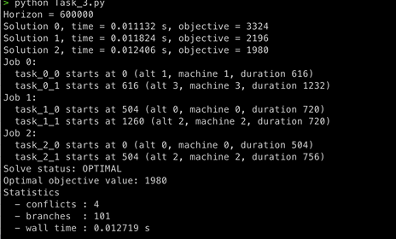
 |  |  |  |  |  |  | Forming_2
 |  |  |  |  |  |  | Forming_1
 |  |  |  |  |  |  | Tubing_2
 |  |  |  |  |  |  | Tubing_1

 |  | STARTING TIME |  |  |  |  | PROCESSING TIME |  |  | ENDING TIME
 |  | Tubing | Forming |  |  |  | Tubing | Forming |  | Tubing | Forming
 | Ampoule (T_1, F_1) | 0 | 616 |  |  | Ampoule | 616 | 1232 | Ampoule | 616 | 1848
 | Vial (T_0, F_0) | 0 | 1260 |  |  | Vial | 720 | 720 | Vial | 720 | 1980
 | Syringe (T_0, F_0) | 720 | 504 |  |  | Syringe | 504 | 756 | Syringe | 1224 | 1260

3 jumbo lots
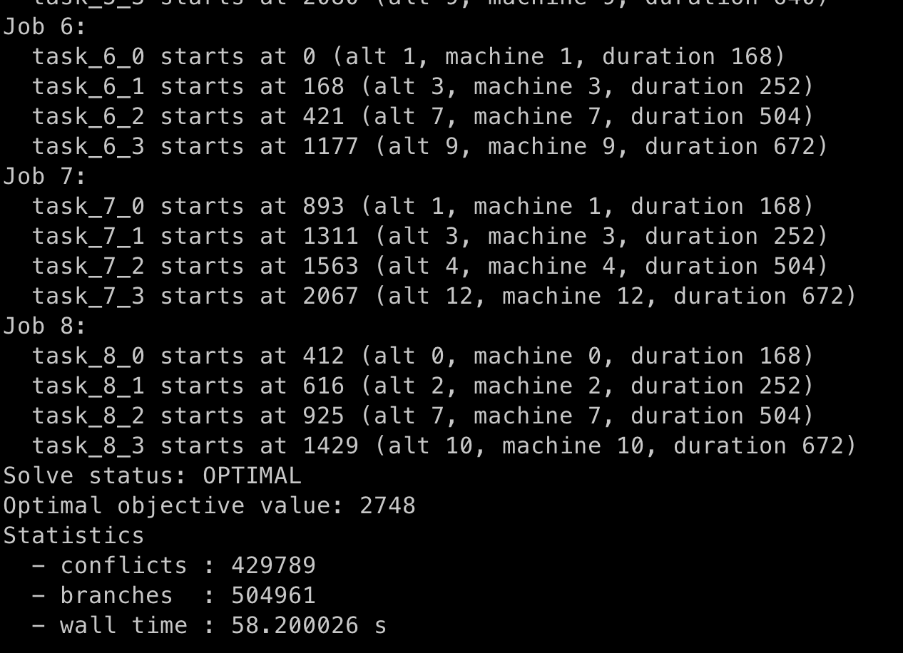
 |  |  | Tubing |  | Forming |  | Washing |  |  |  | Packing
 |  |  | M_0 | M_1 | M_2 | M_3 | M_4 | M_5 | M_6 | M_7 | M_8 | M_9 | M_10 | M_11 | M_12 | M_13
Ampoule | Job 0 | Task 0_0 | 205 | 205 | 10000000 | 10000000 | 10000000 | 10000000 | 10000000 | 10000000 | 10000000 | 10000000 | 10000000 | 10000000 | 10000000 | 10000000
 |  | Task 0_1 | 10000000 | 10000000 | 411 | 411 | 10000000 | 10000000 | 10000000 | 10000000 | 10000000 | 10000000 | 10000000 | 10000000 | 10000000 | 10000000
 |  | Task 0_2 | 10000000 | 10000000 | 10000000 | 10000000 | 616 | 616 | 616 | 616 | 10000000 | 10000000 | 10000000 | 10000000 | 10000000 | 10000000
 |  | Task 0_3 | 10000000 | 10000000 | 10000000 | 10000000 | 10000000 | 10000000 | 10000000 | 10000000 | 821 | 821 | 821 | 821 | 821 | 821
 | Job 1 | Task 1_0 | 205 | 205 | 10000000 | 10000000 | 10000000 | 10000000 | 10000000 | 10000000 | 10000000 | 10000000 | 10000000 | 10000000 | 10000000 | 10000000
 |  | Task 1_1 | 10000000 | 10000000 | 411 | 411 | 10000000 | 10000000 | 10000000 | 10000000 | 10000000 | 10000000 | 10000000 | 10000000 | 10000000 | 10000000
 |  | Task 1_2 | 10000000 | 10000000 | 10000000 | 10000000 | 616 | 616 | 616 | 616 | 10000000 | 10000000 | 10000000 | 10000000 | 10000000 | 10000000
 |  | Task 1_3 | 10000000 | 10000000 | 10000000 | 10000000 | 10000000 | 10000000 | 10000000 | 10000000 | 821 | 821 | 821 | 821 | 821 | 821
 | Job 2 | Task 2_0 | 205 | 205 | 10000000 | 10000000 | 10000000 | 10000000 | 10000000 | 10000000 | 10000000 | 10000000 | 10000000 | 10000000 | 10000000 | 10000000
 |  | Task 2_1 | 10000000 | 10000000 | 411 | 411 | 10000000 | 10000000 | 10000000 | 10000000 | 10000000 | 10000000 | 10000000 | 10000000 | 10000000 | 10000000
 |  | Task 2_2 | 10000000 | 10000000 | 10000000 | 10000000 | 616 | 616 | 616 | 616 | 10000000 | 10000000 | 10000000 | 10000000 | 10000000 | 10000000
 |  | Task 2_3 | 10000000 | 10000000 | 10000000 | 10000000 | 10000000 | 10000000 | 10000000 | 10000000 | 821 | 821 | 821 | 821 | 821 | 821
Vial | Job 3 | Task 3_0 | 240 | 240 | 10000000 | 10000000 | 10000000 | 10000000 | 10000000 | 10000000 | 10000000 | 10000000 | 10000000 | 10000000 | 10000000 | 10000000
 |  | Task 3_1 | 10000000 | 10000000 | 240 | 240 | 10000000 | 10000000 | 10000000 | 10000000 | 10000000 | 10000000 | 10000000 | 10000000 | 10000000 | 10000000
 |  | Task 3_2 | 10000000 | 10000000 | 10000000 | 10000000 | 560 | 560 | 560 | 560 | 10000000 | 10000000 | 10000000 | 10000000 | 10000000 | 10000000
 |  | Task 3_3 | 10000000 | 10000000 | 10000000 | 10000000 | 10000000 | 10000000 | 10000000 | 10000000 | 640 | 640 | 640 | 640 | 640 | 640
 | Job 4 | Task 4_0 | 240 | 240 | 10000000 | 10000000 | 10000000 | 10000000 | 10000000 | 10000000 | 10000000 | 10000000 | 10000000 | 10000000 | 10000000 | 10000000
 |  | Task 4_1 | 10000000 | 10000000 | 240 | 240 | 10000000 | 10000000 | 10000000 | 10000000 | 10000000 | 10000000 | 10000000 | 10000000 | 10000000 | 10000000
 |  | Task 4_2 | 10000000 | 10000000 | 10000000 | 10000000 | 560 | 560 | 560 | 560 | 10000000 | 10000000 | 10000000 | 10000000 | 10000000 | 10000000
 |  | Task 4_3 | 10000000 | 10000000 | 10000000 | 10000000 | 10000000 | 10000000 | 10000000 | 10000000 | 640 | 640 | 640 | 640 | 640 | 640
 | Job 5 | Task 5_0 | 240 | 240 | 10000000 | 10000000 | 10000000 | 10000000 | 10000000 | 10000000 | 10000000 | 10000000 | 10000000 | 10000000 | 10000000 | 10000000
 |  | Task 5_1 | 10000000 | 10000000 | 240 | 240 | 10000000 | 10000000 | 10000000 | 10000000 | 10000000 | 10000000 | 10000000 | 10000000 | 10000000 | 10000000
 |  | Task 5_2 | 10000000 | 10000000 | 10000000 | 10000000 | 560 | 560 | 560 | 560 | 10000000 | 10000000 | 10000000 | 10000000 | 10000000 | 10000000 |  |  |  | Unit | Weekends and Holidays | Planned shutdowns | Unplanned shutdowns | Total shutdown days | Total operating days | Total operating hrs. per quarter
 |  | Task 5_3 | 10000000 | 10000000 | 10000000 | 10000000 | 10000000 | 10000000 | 10000000 | 10000000 | 640 | 640 | 640 | 640 | 640 | 640 |  |  |  | Tubing #1 | 115 | 10 | 15 | 140 | 220 | 1320
Syringe | Job 6 | Task 6_0 | 168 | 168 | 10000000 | 10000000 | 10000000 | 10000000 | 10000000 | 10000000 | 10000000 | 10000000 | 10000000 | 10000000 | 10000000 | 10000000 |  |  |  | Tubing #2 | 115 | 10 | 20 | 145 | 215 | 1290
 |  | Task 6_1 | 10000000 | 10000000 | 252 | 252 | 10000000 | 10000000 | 10000000 | 10000000 | 10000000 | 10000000 | 10000000 | 10000000 | 10000000 | 10000000 |  |  |  | Forming #1 | 115 | 10 | 15 | 140 | 220 | 1320
 |  | Task 6_2 | 10000000 | 10000000 | 10000000 | 10000000 | 504 | 504 | 504 | 504 | 10000000 | 10000000 | 10000000 | 10000000 | 10000000 | 10000000 |  |  |  | Forming #2 | 115 | 10 | 25 | 150 | 210 | 1260
 |  | Task 6_3 | 10000000 | 10000000 | 10000000 | 10000000 | 10000000 | 10000000 | 10000000 | 10000000 | 672 | 672 | 672 | 672 | 672 | 672 |  |  |  | Washing #1 | 115 | 10 | 15 | 140 | 220 | 1320
 | Job 7 | Task 7_0 | 168 | 168 | 10000000 | 10000000 | 10000000 | 10000000 | 10000000 | 10000000 | 10000000 | 10000000 | 10000000 | 10000000 | 10000000 | 10000000 |  |  |  | Washing #2 | 115 | 10 | 20 | 145 | 215 | 1290
 |  | Task 7_1 | 10000000 | 10000000 | 252 | 252 | 10000000 | 10000000 | 10000000 | 10000000 | 10000000 | 10000000 | 10000000 | 10000000 | 10000000 | 10000000 |  |  |  | Washing #3 | 115 | 10 | 20 | 145 | 215 | 1290
 |  | Task 7_2 | 10000000 | 10000000 | 10000000 | 10000000 | 504 | 504 | 504 | 504 | 10000000 | 10000000 | 10000000 | 10000000 | 10000000 | 10000000 |  |  |  | Washing #4 | 115 | 10 | 15 | 140 | 220 | 1320
 |  | Task 7_3 | 10000000 | 10000000 | 10000000 | 10000000 | 10000000 | 10000000 | 10000000 | 10000000 | 672 | 672 | 672 | 672 | 672 | 672 |  |  |  | Packing #1 | 115 | 10 | 20 | 145 | 215 | 1290
 | Job 8 | Task 8_0 | 168 | 168 | 10000000 | 10000000 | 10000000 | 10000000 | 10000000 | 10000000 | 10000000 | 10000000 | 10000000 | 10000000 | 10000000 | 10000000 |  |  |  | Packing #2 | 115 | 10 | 20 | 145 | 215 | 1290
 |  | Task 8_1 | 10000000 | 10000000 | 252 | 252 | 10000000 | 10000000 | 10000000 | 10000000 | 10000000 | 10000000 | 10000000 | 10000000 | 10000000 | 10000000 |  |  |  | Packing #3 | 115 | 10 | 25 | 150 | 210 | 1260
 |  | Task 8_2 | 10000000 | 10000000 | 10000000 | 10000000 | 504 | 504 | 504 | 504 | 10000000 | 10000000 | 10000000 | 10000000 | 10000000 | 10000000 |  |  |  | Packing #4 | 115 | 10 | 15 | 140 | 220 | 1320
 |  | Task 8_3 | 10000000 | 10000000 | 10000000 | 10000000 | 10000000 | 10000000 | 10000000 | 10000000 | 672 | 672 | 672 | 672 | 672 | 672 |  |  |  | Packing #5 | 115 | 10 | 20 | 145 | 215 | 1290
 |  |  |  |  |  |  |  |  |  |  |  |  |  |  |  |  |  |  |  | Packing #6 | 115 | 10 | 20 | 145 | 215 | 1290

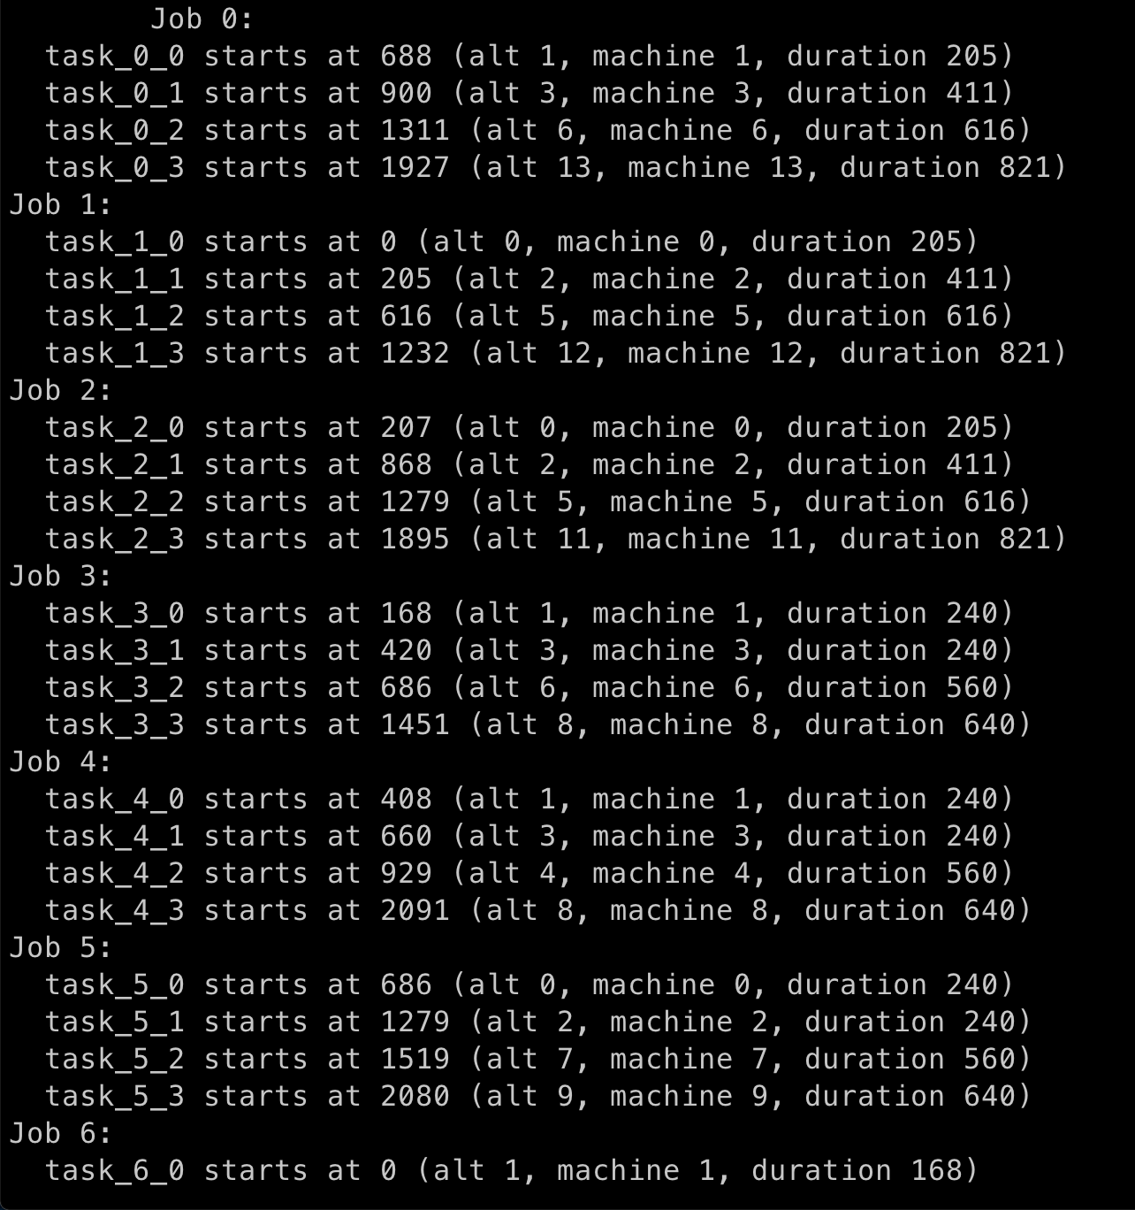
 |  |  |  |  |  |  |  |  |  |  |  | Tubing |  | Forming |  | Washing |  |  |  | Packing
 |  |  |  |  |  |  |  |  |  |  |  | M_0 | M_1 | M_2 | M_3 | M_4 | M_5 | M_6 | M_7 | M_8 | M_9 | M_10 | M_11 | M_12 | M_13
 |  |  |  |  |  |  |  |  |  | RUNNING TIME |  | 818 | 1021 | 1314 | 1395 | 1064 | 1232 | 1176 | 1568 | 1280 | 1312 | 672 | 821 | 1493 | 821

 |  |  |  |  |  |  |  |  |  | CAPACITY AVAILABLE |  | 1320 | 1290 | 1320 | 1260 | 1320 | 1290 | 1290 | 1320 | 1290 | 1290 | 1260 | 1320 | 1290 | 1290

 |  |  |  |  |  |  |  |  |  |  |  | Tubing |  | Forming |  | Washing |  |  |  | Packing
 |  |  |  |  |  |  |  |  |  |  |  | M_0 | M_1 | M_2 | M_3 | M_4 | M_5 | M_6 | M_7 | M_8 | M_9 | M_10 | M_11 | M_12 | M_13
 |  |  |  |  |  |  |  |  |  | RUNNING TIME |  | 876 | 959 | 1370 | 1335 | 1074 | 1276 | 1309 | 1376 | 1298 | 1279 | 984 | 768 | 895 | 1171
 |  |  |  |  |  |  |  |  |  | CAPACITY AVAILABLE |  | 1320 | 1290 | 1320 | 1260 | 1320 | 1290 | 1290 | 1320 | 1290 | 1290 | 1260 | 1320 | 1290 | 1290

