template
Mortgage Note |  |  |  |  | Asset_class | Loan_ID | Current_Balance | Status | Next_Due_Date | Gross_Interest_Rate | Service_Fee | Net_Interest_Rate | Lien | Property_City | Property_State | LTV_Ratio_Original | Borrower_Name | Lender_Name | Original_Balance | Scheduled_Payment | Origination_Date
 |  |  |  | 28 | Residential Real Estate | 528 | 259,142.48 | Current | 01/10/2021 | 4.25 | 0.60 | 3.65 | 1 | WEST BABYLON | NY | 69 | Yesenia Swanson | UOWN | 259,143.00 | $1,274.83 | 01/11/2021
Amount: | $259,143.00 | Date: | 01/11/2021 | 29 loans

State: | NY
City: | WEST BABYLON

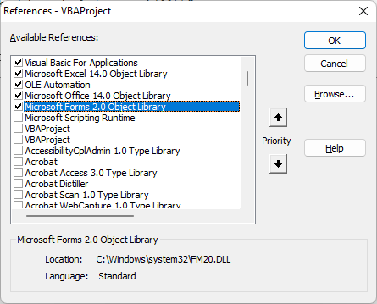
For the amount received, the undersigned Yesenia Swanson (Borrower’s name) residence of _________________ promises to pay to the order UOWN (Lender’s name) residence of _________________________ the principal sum of $ 2,59,143.00 together with the interest rate of the 4.25% per annum until the entire loan amount is paid in ____________ equal installments starting from the ___________ (date) of the __________ (month) to the __________ (date) of ___________ (month).

This note together with the interest rate is secured by a mortgage on real estate, of even date herewith, made by the borrower hereof in favor of the lender.

