template
Mortgage Note |  |  |  |  | Asset_class | Loan_ID | Current_Balance | Status | Next_Due_Date | Gross_Interest_Rate | Service_Fee | Net_Interest_Rate | Lien | Property_City | Property_State | LTV_Ratio_Original | Borrower_Name | Lender_Name | Original_Balance | Scheduled_Payment | Origination_Date
 |  |  |  | 28 | 0 | 0 | 0.00 | 0 | 0 | 0.00 | 0.00 | 0.00 | 0 | - | - | 0 | 0 | 0 | 0.00 | $0.00 | 0
Amount: | $0.00 | Date: | 0 | 29 loans

State: | -
City: | -

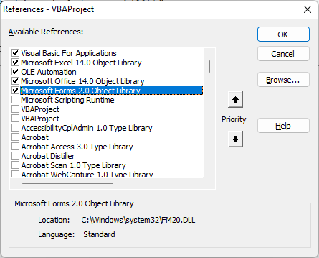
For the amount received, the undersigned 0 (Borrower’s name) residence of _________________ promises to pay to the order 0 (Lender’s name) residence of _________________________ the principal sum of $ 0,000.00 together with the interest rate of the 0.00% per annum until the entire loan amount is paid in ____________ equal installments starting from the ___________ (date) of the __________ (month) to the __________ (date) of ___________ (month).

This note together with the interest rate is secured by a mortgage on real estate, of even date herewith, made by the borrower hereof in favor of the lender.

