screenshots
TC 1
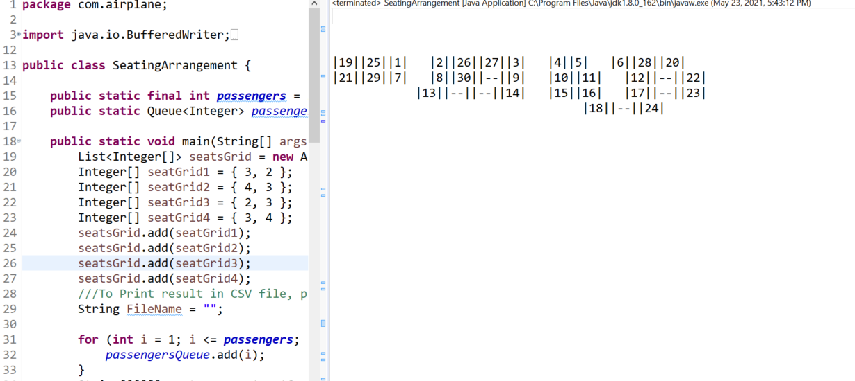

TC 2

TC 3

TC 4

