Sheet1
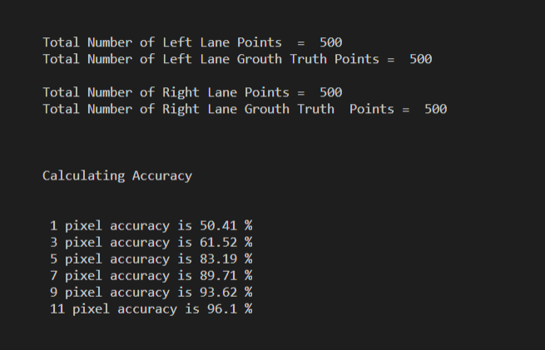
Total Number of Images = 500

 | Point No | No of pixels at each point at
 |  | 3 Pixel Acc | 5 Pixel Acc | 7 Pixel Acc
Furthest pt | 10 | 3 | 5 | 7
Interpolation range | 9 | 4 | 6 | 8
 | 8 | 5 | 7 | 9
 | 7 | 6 | 8 | 10
 | 6 | 7 | 9 | 11
 | 5 | 8 | 10 | 12
 | 4 | 9 | 11 | 13
 | 3 | 10 | 12 | 14
 | 2 | 11 | 13 | 15
Nearest pt | 1 | 11 | 13 | 15
Overall Accuracy |  | 61.52% | 83.19% | 89.71%

