Dashboard
Nigerian Car Market

Location: Nigeria - Africa
Average Vehicle Metrics
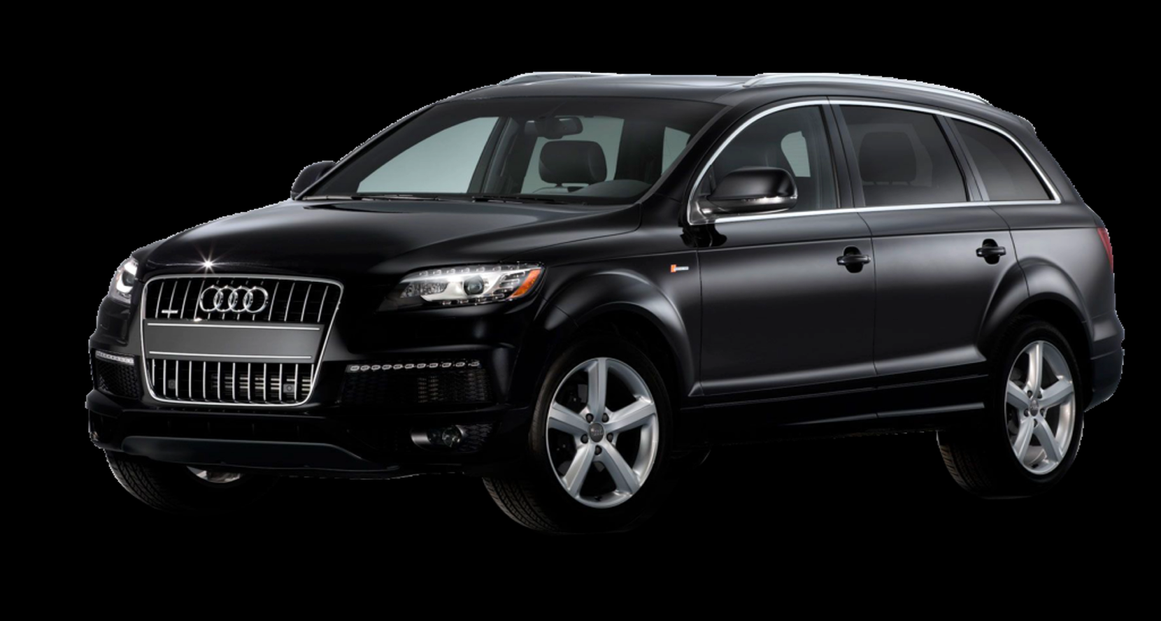
₦4,986,147
28,362
(Km)
3,080
(cc)
217
(hp)

Price
Millage
Engine Size
Horsepower

Top Ten Most Popular Car Models In Nigeria
 | Total
Acura | 56
Ford | 135
Honda | 310
Hyundai | 97
Kia | 57
Lexus | 289
Mercedes-Benz | 261
Nissan | 111
Toyota | 1126
Volkswagen | 56

Top colors Picked by Nigerians
 | Total
Beige | 18
Black | 741
Blue | 323
Brown | 46
Gold | 149
Gray | 498
Green | 100
Red | 205
Silver | 484
White | 279
 | Total
Automatic | 2702
Manual | 171
Which do deivers Prefer: Automatic or Manual

