YTD-SUMMARY
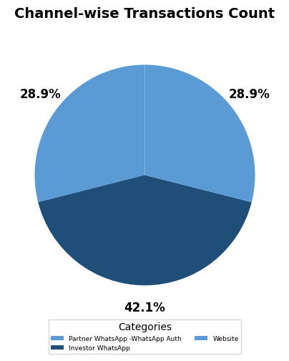
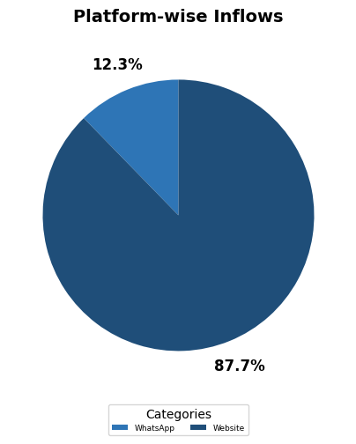
Savings+ | PURCHASE
REGION/CHANNEL | TXN_COUNT | INFLOWS | ACTIVATION | SPLUS FOLIOS | AVG. TICKET SIZE | AVG. TXN PER PARTNER
Andhra Pradesh, Telangana | 2 | 10,100 | 1 | 2 | 5,050 | 2.0
Bihar, Jharkhand, Orissa, Chattisgarh | 1 | 200 | 1 | 1 | 200 | 1.0
Delhi, NCR | 2 | 40,822 | 1 | 2 | 20,411 | 2.0
Gujarat | 2 | 54,997 | 1 | 2 | 27,499 | 2.0
Karnataka | 6 | 16,399 | 2 | 2 | 2,733 | 3.0
Madhya Pradesh | 4 | 31,998 | 1 | 1 | 8,000 | 4.0
Punjab, Haryana, Himachal Pradesh, Jammu Kashmir | 6 | 33,998 | 5 | 5 | 5,666 | 1.2
Rajasthan | 1 | 100 |  | 1 | 100
Rest of Maharashtra, Goa | 4 | 3,200 | 1 | 2 | 800 | 4.0
Tamil Nadu | 7 | 1,503,425 | 2 | 5 | 214,775 | 3.5
Unmapped | 1 | 29,999 |  | 1 | 29,999
Uttar Pradesh, Uttarakhand | 2 | 89,496 | 1 | 2 | 44,748 | 2.0
Grand_Total | 38 | 1,814,733 | 16 | 26 | 47,756 | 2.4
% share of (North) | 29% | 9% | 44% | 39%
% share of (South & East) | 42% | 84% | 38% | 39%
% share of (Unmapped) | 3% | 2% | 0 | 4%
% share of (West) | 26% | 5% | 19% | 19%

Fund-wise Transactions
Fund Name | Count | % of Total
Bajaj Finserv Liquid Fund | 26 | 68%
Bajaj Finserv Overnight Fund | 12 | 32%

