YTD-SUMMARY
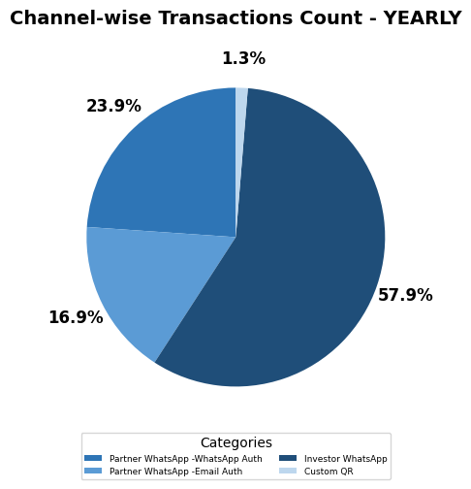
WhatsApp Channels | PURCHASE |  | SIP |  | SWITCH |  | TOTAL
REGION/CHANNEL | TXN_COUNT | INFLOWS | TXN_COUNT | INFLOWS | TXN_COUNT | INFLOWS | TXN_COUNT | INFLOWS | ACTIVATION | AVG. TICKET SIZE
Andhra Pradesh, Telangana | 3 | 1,001,050 | 98 | 286,586 |  |  | 101 | 1,287,636 | 2 | 12,749
Bihar, Jharkhand, Orissa, Chattisgarh | 52 | 1,799,610 | 745 | 2,391,332 | 71 | 2,183,581 | 868 | 6,374,522 | 53 | 7,344
Delhi, NCR | 4 | 165,816 | 117 | 543,423 | 1 | 10,071 | 122 | 719,310 | 5 | 5,896
Gujarat | 35 | 4,230,288 | 488 | 1,330,829 | 74 | 1,761,047 | 597 | 7,322,165 | 28 | 12,265
Karnataka | 35 | 4,095,295 | 588 | 1,737,764 | 19 | 66,750 | 642 | 5,899,809 | 30 | 9,190
Kerala | 4 | 705,465 | 102 | 259,687 |  |  | 106 | 965,152 | 4 | 9,105
Kolkata | 2 | 2,501,875 | 80 | 276,986 | 6 | 1,716,353 | 88 | 4,495,214 | 7 | 51,082
Madhya Pradesh | 10 | 978,951 | 202 | 636,079 | 6 | 37,998 | 218 | 1,653,029 | 9 | 7,583
Mumbai | 8 | 957,252 | 184 | 530,182 | 7 | 110,451 | 199 | 1,597,885 | 7 | 8,030
Punjab, Haryana, Himachal Pradesh, Jammu Kashmir | 37 | 4,603,770 | 792 | 2,993,904 | 47 | 1,068,632 | 876 | 8,666,306 | 44 | 9,893
Rajasthan | 17 | 1,512,924 | 105 | 337,734 |  |  | 122 | 1,850,659 | 5 | 15,169
Rest of Bengal, North East | 6 | 674,216 | 358 | 945,853 | 56 | 1,955,402 | 420 | 3,575,472 | 15 | 8,513
Rest of Maharashtra, Goa | 41 | 5,111,844 | 531 | 1,533,824 | 55 | 264,108 | 627 | 6,909,777 | 31 | 11,020
Tamil Nadu | 31 | 1,715,421 | 436 | 1,229,110 | 69 | 481,476 | 536 | 3,426,007 | 37 | 6,392
Uttar Pradesh, Uttarakhand | 56 | 12,951,052 | 966 | 3,270,403 | 77 | 3,926,615 | 1,099 | 20,148,071 | 57 | 18,333
Unmapped | 5 | 701,965 | 43 | 367,232 |  |  | 48 | 1,069,197 | 1 | 22,275
Grand_Total | 346 | 43,706,796 | 5,835 | 18,670,929 | 488 | 13,582,485 | 6,669 | 75,960,210 | 335 | 11,390
% share of (Mumbai) | 2% | 2% | 3% | 3% | 1% | 1% | 3% | 2% | 2%
% share of (North) | 33% | 44% | 34% | 38% | 26% | 37% | 33% | 41% | 33%
% share of (South & East) | 38% | 29% | 41% | 38% | 45% | 47% | 41% | 34% | 44%
% share of (Unmapped) | 1% | 2% | 1% | 2% | 0% | 0% | 1% | 1% | 0%
% share of (West) | 25% | 24% | 21% | 19% | 28% | 15% | 22% | 21% | 20%

Fund-wise Transactions
Fund Name | Count | % of Total
Bajaj Finserv Arbitrage Fund | 8 | 0%
Bajaj Finserv Balanced Advantage Fund | 27 | 0%
Bajaj Finserv Banking and Financial Services Fund | 147 | 2%
Bajaj Finserv Banking and PSU Fund | 6 | 0%
Bajaj Finserv Consumption Fund | 193 | 3%
Bajaj Finserv ELSS Tax Saver Fund | 7 | 0%
Bajaj Finserv Equity Savings Fund | 12 | 0%
Bajaj Finserv Flexi Cap Fund | 1,848 | 28%
Bajaj Finserv Healthcare Fund | 44 | 1%
Bajaj Finserv Large and Mid Cap Fund | 616 | 9%
Bajaj Finserv Large Cap Fund | 133 | 2%
Bajaj Finserv Liquid Fund | 42 | 1%
Bajaj Finserv Low Duration Fund | 34 | 1%
Bajaj Finserv Money Market Fund | 21 | 0%
Bajaj Finserv Multi Asset Allocation Fund | 351 | 5%
Bajaj Finserv Multi Cap Fund | 1,326 | 20%
Bajaj Finserv Nifty 50 Index Fund | 22 | 0%
Bajaj Finserv Nifty Next 50 Index Fund | 23 | 0%
Bajaj Finserv Overnight Fund | 37 | 1%
Bajaj Finserv Small Cap Fund | 1,772 | 27%

Type-wise Transactions
Transaction Type | Count | % of Total
Purchase | 346 | 5%
Redemption | 60 | 1%
SIP | 5,835 | 81%
Switch-In | 488 | 7%
Switch-Out | 478 | 7%
Systematic Withdrawal | 14 | 0%

