SUMMARY
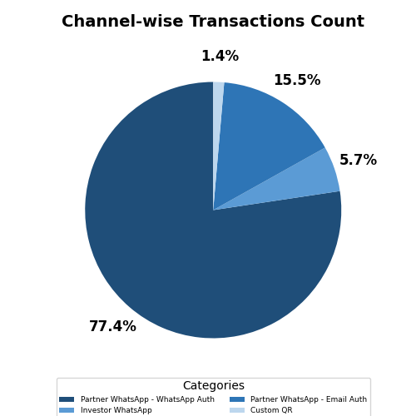
 | PURCHASE |  | SIP |  | TOTAL
REGION/CHANNEL | TXN_COUNT | INFLOWS | TXN_COUNT | INFLOWS | TXN_COUNT | INFLOWS | ACTIVATION | AVG. TICKET SIZE | AVG. TXN PER PARTNER
Andhra Pradesh, Telangana | 1 | 999950 | 66 | 236598 | 67 | 1236548 | 37 | 18456 | 1.8
Bihar, Jharkhand, Orissa, Chattisgarh | 116 | 3943206 | 659 | 2270624 | 775 | 6213830 | 271 | 8018 | 2.9
Delhi, NCR | 4 | 155888 | 73 | 396195 | 77 | 552083 | 42 | 7170 | 1.8
Group | 14 | 538175 | 170 | 723348 | 184 | 1261523 | 7 | 6856 | 26.3
Gujarat | 93 | 5206381 | 420 | 1228889 | 513 | 6435270 | 154 | 12544 | 3.3
Karnataka | 51 | 4097855 | 560 | 1725341 | 611 | 5823196 | 110 | 9531 | 5.6
Kerala | 4 | 705465 | 89 | 206700 | 93 | 912165 | 32 | 9808 | 2.9
Kolkata | 7 | 1718354 | 64 | 208999 | 71 | 1927353 | 42 | 27146 | 1.7
Madhya Pradesh | 11 | 1003951 | 168 | 595898 | 179 | 1599849 | 54 | 8938 | 3.3
Mumbai | 3 | 206990 | 56 | 242597 | 59 | 449587 | 28 | 7620 | 2.1
Punjab, Haryana, Himachal Pradesh, Jammu Kashmir | 82 | 5544421 | 753 | 2893370 | 835 | 8437791 | 212 | 10105 | 3.9
Rajasthan | 7 | 1504425 | 77 | 289998 | 84 | 1794423 | 17 | 21362 | 4.9
Rest of Bengal, North East | 62 | 2726622 | 347 | 940988 | 409 | 3667610 | 86 | 8967 | 4.8
Rest of Maharashtra, Goa | 89 | 4680899 | 492 | 1314395 | 581 | 5995294 | 143 | 10319 | 4.1
Tamil Nadu | 99 | 2146928 | 427 | 1171165 | 526 | 3318093 | 159 | 6308 | 3.3
Unmapped | 61 | 3223046 | 476 | 1136636 | 537 | 4359682 | 27 | 8119 | 19.9
Uttar Pradesh, Uttarakhand | 127 | 17958349 | 956 | 3138522 | 1083 | 21096871 | 285 | 19480 | 3.8
Virtual | 33 | 4077259 | 278 | 863992 | 311 | 4941251 | 92 | 15888 | 3.4
Grand_Total | 864 | 60438164 | 6131 | 19584255 | 6995 | 80022419 | 1798 | 11440 | 3.9
% share of (Group) | 2% | 1% | 3% | 4% | 3% | 2% | 0%
% share of (Mumbai) | 0% | 0% | 1% | 1% | 1% | 1% | 2%
% share of (North) | 26% | 42% | 30% | 34% | 30% | 40% | 31%
% share of (South & East) | 39% | 27% | 36% | 35% | 37% | 29% | 42%
% share of (Unmapped) | 7% | 5% | 8% | 6% | 8% | 5% | 2%
% share of (Virtual) | 4% | 7% | 5% | 4% | 4% | 6% | 5%
% share of (West) | 22% | 18% | 18% | 16% | 18% | 18% | 20%

Fund-wise Transactions
Fund Name | Count | % of Total
Bajaj Finserv Arbitrage Fund | 8 | 0%
Bajaj Finserv Balanced Advantage Fund | 43 | 1%
Bajaj Finserv Banking and Financial Services Fund | 156 | 2%
Bajaj Finserv Banking and PSU Fund | 12 | 0%
Bajaj Finserv Consumption Fund | 206 | 3%
Bajaj Finserv ELSS Tax Saver Fund | 9 | 0%
Bajaj Finserv Equity Savings Fund | 21 | 0%
Bajaj Finserv Flexi Cap Fund | 1935 | 26%
Bajaj Finserv Healthcare Fund | 46 | 1%
Bajaj Finserv Large and Mid Cap Fund | 650 | 9%
Bajaj Finserv Large Cap Fund | 140 | 2%
Bajaj Finserv Liquid Fund | 117 | 2%
Bajaj Finserv Low Duration Fund | 111 | 2%
Bajaj Finserv Money Market Fund | 84 | 1%
Bajaj Finserv Multi Asset Allocation Fund | 381 | 5%
Bajaj Finserv Multi Cap Fund | 1405 | 19%
Bajaj Finserv Nifty 50 Index Fund | 24 | 0%
Bajaj Finserv Nifty Next 50 Index Fund | 24 | 0%
Bajaj Finserv Overnight Fund | 61 | 1%
Bajaj Finserv Small Cap Fund | 1871 | 26%

Type-wise Transactions
Transaction Type | Count | % of Total
Purchase | 373 | 5%
Redemption | 63 | 1%
SIP | 6131 | 84%
Switch-In | 491 | 7%
Switch-Out | 226 | 3%
Systematic Withdrawal | 20 | 0%

