Time analysis
#D#d1#..#dn#K#\n
#A#\n
UART-MSG | MSG- SIZE (Byte)
Key | 2
Word1 | 5
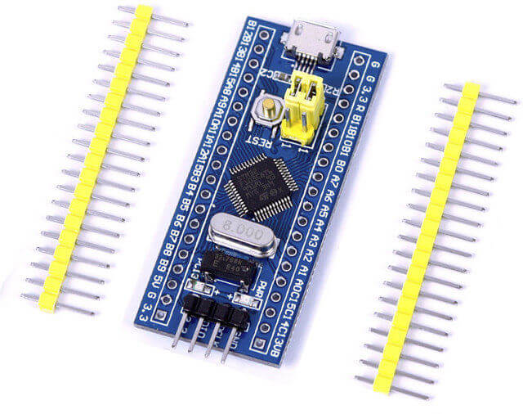
Word2 | 5
Word3 | 5
Word4 | 5
#D#d1#..#dn#K#\n
#D#d1#..#dn#K#\n
Check | 3
End line | 2

Total | 27

Baud Rate (bits /sec) | 115200
Bytes / sec | 14400
Bytes / Milli Sec | 14.4
Actual Message size | 27
Message Required time | 1.88 | --> | 533

Actual process | 2.339 | --> | 427
 | 80%

