1
Taxation Statistics 2021–22: Tax return lodgment by entity type, 2017–18 to 2021–22 income years
CHART DATA
Income year | Individuals | Companies | SMSFs | APRA and other funds | Partnerships | Trusts
2017–18 | 100.0 | 100.0 | 100.0 | 100.0 | 100.0 | 100.0
2018–19 | 102.7 | 102.7 | 99.1 | 91.9 | 96.1 | 100.6
2019–20 | 104.7 | 107.0 | 99.6 | 82.7 | 93.4 | 102.8
2020–21 | 105.9 | 111.3 | 97.9 | 76.1 | 91.0 | 105.0
2021–22 | 108.7 | 117.5 | 99.7 | 70.0 | 88.2 | 109.3
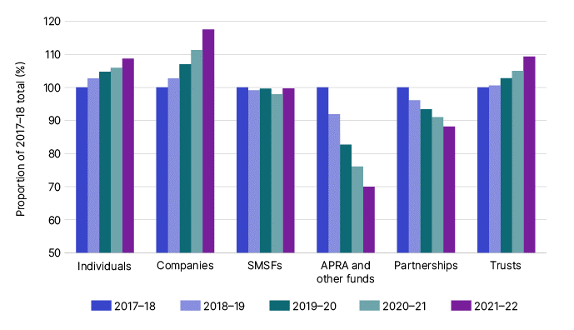

Tax return lodgment by entity, 2006–07 to 2021–22 income years

Income year | Individuals | Companies | SMSFs | APRA and other funds | Partnerships | Trusts
2006–07 | 11,799,231 | 750,277 | 314,691 | 7,009 | 419,246 | 609,915
2007–08 | 12,640,767 | 772,435 | 332,824 | 5,664 | 419,315 | 660,324
2008–09 | 12,291,715 | 762,442 | 355,435 | 4,939 | 393,727 | 659,745
2009–10 | 12,380,028 | 779,249 | 373,195 | 4,498 | 382,398 | 702,078
2010–11 | 12,637,623 | 788,983 | 391,163 | 4,099 | 369,999 | 729,622
2011–12 | 12,736,030 | 817,885 | 424,360 | 3,695 | 359,905 | 753,730
2012–13 | 12,776,078 | 854,746 | 448,225 | 3,395 | 351,622 | 780,107
2013–14 | 12,964,285 | 887,349 | 465,946 | 3,115 | 343,601 | 802,645
2014–15 | 13,213,814 | 914,508 | 481,157 | 2,812 | 330,620 | 823,448
2015–16 | 13,508,101 | 941,166 | 491,679 | 2,603 | 321,360 | 845,925
2016–17 | 13,870,745 | 969,518 | 499,525 | 2,394 | 309,546 | 874,874
2017–18 | 14,288,292 | 1,012,452 | 507,459 | 2,226 | 301,271 | 902,286
2018–19 | 14,677,545 | 1,039,506 | 502,834 | 2,046 | 289,555 | 907,914
2019–20 | 14,958,590 | 1,082,857 | 505,571 | 1,841 | 281,416 | 927,971
2020–21 | 15,134,189 | 1,126,796 | 496,573 | 1,693 | 274,130 | 947,264
2021–22 | 15,535,395 | 1,189,608 | 506,158 | 1,558 | 265,774 | 986,545

Note
Refer to Snapshot detailed table 6 for income year data prior to 2006-07

2
Taxation Statistics 2021–22: Net tax by entity type, 2017–18 to 2021–22 income years
CHART DATA
Entity | 2017–18 | 2018–19 | 2019–20 | 2020–21 | 2021–22
Individuals | 209.1 | 214.0 | 225.3 | 237.0 | 266.7
Companies | 85.2 | 88.0 | 89.8 | 107.0 | 128.1
Super funds | 20.5 | 21.5 | 20.2 | 30.0 | 29.1
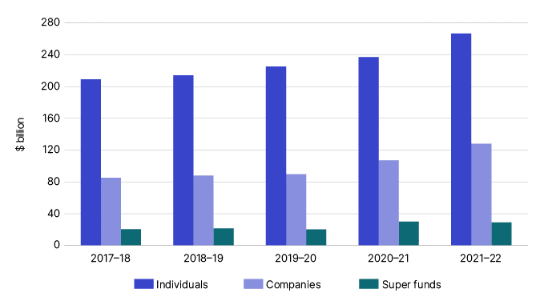

Income net tax ($m) by entity type, 2009–10 to 2021–22 income years
Income year | Individuals | Companies | Super funds
2009–10 | 120,326 | 54,217 | 11,422
2010–11 | 133,079 | 63,023 | 13,725
2011–12 | 144,776 | 64,152 | 13,365
2012–13 | 154,880 | 64,530 | 12,528
2013–14 | 166,197 | 66,887 | 12,620
2014–15 | 177,587 | 68,420 | 13,776
2015–16 | 186,283 | 66,663 | 15,007
2016–17 | 192,076 | 75,665 | 18,183
2017–18 | 209,107 | 85,224 | 20,483
2018–19 | 213,967 | 88,034 | 21,523
2019–20 | 225,305 | 89,806 | 20,175
2020–21 | 236,669 | 107,337 | 26,470
2021–22 | 266,710 | 128,142 | 29,094

3
Taxation Statistics 2021–22: Tax liabilities by source, 2021–22 income year
CHART DATA
Taxation Liabilities | $m | %
Individual income tax | 266,710 | 50.3%
Company income tax | 128,142 | 24.2%
Super fund income tax | 29,094 | 5.5%
GST | 76,015 | 14.3%
FBT | 3,460 | 0.7%
Excise | 22,606 | 4.3%
PRRT, LCT, WET | 4,089 | 0.8%
Total | 530,116 | 100.0%
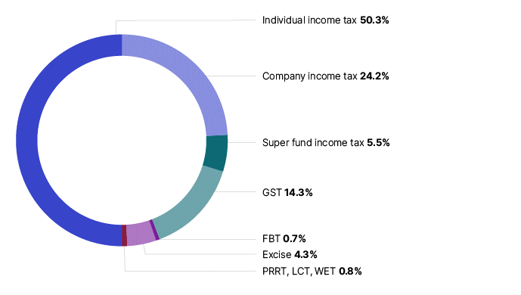

Tax liabilities by source, 2009–10 to 2021–22 income years

Income year | Entity type | $m
2009–10 | Individual income tax | 120,326
2009–10 | Company income tax | 54,217
2009–10 | Super fund income tax | 11,422
2009–10 | GST | 44,910
2009–10 | FBT | 3,398
2009–10 | Excise | 24,514
2009–10 | PRRT, LCT, WET | 2,481
2009–10 | Total | 261,268
2010–11 | Individual income tax | 133,079
2010–11 | Company income tax | 63,023
2010–11 | Super fund income tax | 13,725
2010–11 | GST | 46,007
2010–11 | FBT | 3,654
2010–11 | Excise | 25,896
2010–11 | PRRT, LCT, WET | 2,266
2010–11 | Total | 287,650
2011–12 | Individual income tax | 144,776
2011–12 | Company income tax | 64,152
2011–12 | Super fund income tax | 13,365
2011–12 | GST | 46,807
2011–12 | FBT | 3,706
2011–12 | Excise | 25,899
2011–12 | PRRT, LCT, WET | 2,754
2011–12 | Total | 301,459
2012–13 | Individual income tax | 154,880
2012–13 | Company income tax | 64,530
2012–13 | Super fund income tax | 12,528
2012–13 | GST | 48,447
2012–13 | FBT | 3,819
2012–13 | Excise | 25,695
2012–13 | PRRT, LCT, WET | 2,489
2012–13 | Total | 312,388
2013–14 | Individual income tax | 166,197
2013–14 | Company income tax | 66,887
2013–14 | Super fund income tax | 12,620
2013–14 | GST | 51,738
2013–14 | FBT | 3,967
2013–14 | Excise | 25,808
2013–14 | PRRT, LCT, WET | 3,020
2013–14 | Total | 330,237
2014–15 | Individual income tax | 177,587
2014–15 | Company income tax | 68,420
2014–15 | Super fund income tax | 13,776
2014–15 | GST | 54,575
2014–15 | FBT | 4,141
2014–15 | Excise | 23,819
2014–15 | PRRT, LCT, WET | 2,552
2014–15 | Total | 344,870
2015–16 | Individual income tax | 186,283
2015–16 | Company income tax | 66,663
2015–16 | Super fund income tax | 15,007
2015–16 | GST | 57,302
2015–16 | FBT | 4,283
2015–16 | Excise | 21,451
2015–16 | PRRT, LCT, WET | 2,330
2015–16 | Total | 353,318
2016–17 | Individual income tax | 192,076
2016–17 | Company income tax | 75,665
2016–17 | Super fund income tax | 18,183
2016–17 | GST | 60,659
2016–17 | FBT | 4,082
2016–17 | Excise | 21,838
2016–17 | PRRT, LCT, WET | 2,521
2016–17 | Total | 375,024
2017–18 | Individual income tax | 209,107
2017–18 | Company income tax | 85,224
2017–18 | Super fund income tax | 20,483
2017–18 | GST | 63,454
2017–18 | FBT | 3,784
2017–18 | Excise | 23,024
2017–18 | PRRT, LCT, WET | 2,829
2017–18 | Total | 407,905
2018–19 | Individual income tax | 213,967
2018–19 | Company income tax | 88,034
2018–19 | Super fund income tax | 21,523
2018–19 | GST | 64,582
2018–19 | FBT | 3,818
2018–19 | Excise | 23,181
2018–19 | PRRT, LCT, WET | 2,761
2018–19 | Total | 417,866
2019–20 | Individual income tax | 225,305
2019–20 | Company income tax | 89,806
2019–20 | Super fund income tax | 20,175
2019–20 | GST | 61,076
2019–20 | FBT | 3,859
2019–20 | Excise | 23,143
2019–20 | PRRT, LCT, WET | 2,452
2019–20 | Total | 425,816
2020–21 | Individual income tax | 236,669
2020–21 | Company income tax | 107,337
2020–21 | Super fund income tax | 29,652
2020–21 | GST | 71,221
2020–21 | FBT | 3,195
2020–21 | Excise | 24,350
2020–21 | PRRT, LCT, WET | 2,905
2020–21 | Total | 475,329
2021–22 | Individual income tax | 266,710
2021–22 | Company income tax | 128,142
2021–22 | Super fund income tax | 29,094
2021–22 | GST | 76,015
2021–22 | FBT | 3,460
2021–22 | Excise | 22,606
2021–22 | PRRT, LCT, WET | 4,089
2021–22 | Total | 530,116

4
Taxation Statistics 2021-22: Individuals – top 10 postcodes, by average taxable income, 2021-22 income year
 | Top 101 | Postcode | State/ Territory | Suburb name | Individuals | Average taxable income or loss2 $ | Median taxable income or loss2 $
 | 1 | 2028 | NSW | DOUBLE BAY | 3,304 | 354,308 | 88,066
 | 2 | 6011 | WA | COTTESLOE, PEPPERMINT GROVE | 6,704 | 295,283 | 84,217
 | 3 | 2027 | NSW | DARLING POINT, EDGECLIFF, HMAS RUSHCUTTERS, POINT PIPER | 5,703 | 269,777 | 87,915
 | 4 | 3142 | VIC | HAWKSBURN, TOORAK | 9,540 | 266,020 | 79,919
 | 5 | 2023 | NSW | BELLEVUE HILL | 7,193 | 245,728 | 84,477
 | 6 | 2030 | NSW | DOVER HEIGHTS, HMAS WATSON, ROSE BAY NORTH, VAUCLUSE, WATSONS BAY | 9,590 | 239,974 | 79,934
 | 7 | 3944 | VIC | PORTSEA | 586 | 221,867 | 77,610
 | 8 | 2108 | NSW | COASTERS RETREAT, CURRAWONG BEACH, GREAT MACKEREL BEACH, PALM BEACH | 1,283 | 216,262 | 60,959
 | 9 | 2110 | NSW | HUNTERS HILL, WOOLWICH | 6,062 | 215,456 | 79,612
 | 10 | 2025 | NSW | WOOLLAHRA | 4,978 | 215,123 | 86,071

Notes
1 | The top 10 is based on average taxable income and only includes delivery area postcodes.
2 | Medians and averages are generated using all individuals who reported at the taxable income or loss label or the total income or loss label, whether the value was zero or not.
3 | Data for 2010–11 to 2021–22 income years is available under the image below.
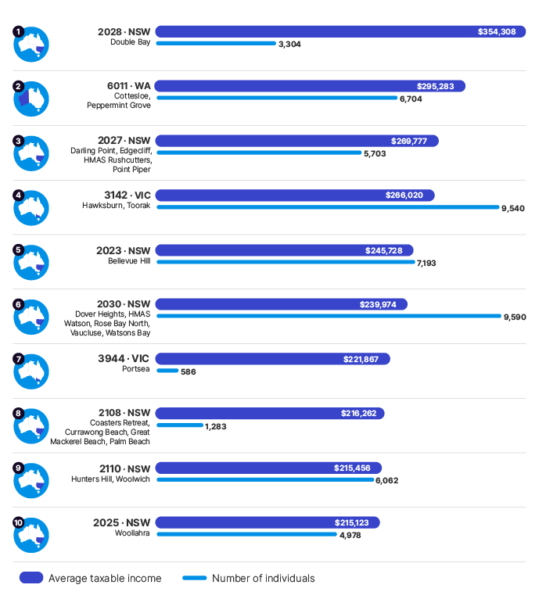

Individuals – top 10 postcodes, by average taxable income, 2010–11 to 2021-22 income years
Income year | Top 10 | Postcode | State/ Territory | Suburb name | Individuals no. | Average taxable income or loss2 $ | Median taxable income or loss2 $
2010–11 | 1 | 2027 | NSW | DARLING POINT, EDGECLIFF, HMAS RUSHCUTTERS, POINT PIPER | 5,796 | 170,085 | na
2010–11 | 2 | 3142 | VIC | HAWKSBURN, TOORAK | 10,012 | 145,551 | na
2010–11 | 3 | 2088 | NSW | MOSMAN, SPIT JUNCTION | 18,941 | 136,744 | na
2010–11 | 4 | 2110 | NSW | HUNTERS HILL, WOOLWICH | 5,715 | 136,550 | na
2010–11 | 5 | 3944 | VIC | PORTSEA | 383 | 134,302 | na
2010–11 | 6 | 2030 | NSW | DOVER HEIGHTS, HMAS WATSON, ROSE BAY NORTH, VAUCLUSE, WATSONS BAY | 9,511 | 133,877 | na
2010–11 | 7 | 2023 | NSW | BELLEVUE HILL | 6,730 | 130,503 | na
2010–11 | 8 | 6011 | WA | COTTESLOE, PEPPERMINT GROVE | 6,348 | 128,293 | na
2010–11 | 9 | 2063 | NSW | NORTHBRIDGE | 4,066 | 122,045 | na
2010–11 | 10 | 2025 | NSW | WOOLLAHRA | 5,059 | 119,970 | na
2011–12 | 1 | 2027 | NSW | DARLING POINT, EDGECLIFF, HMAS RUSHCUTTERS, POINT PIPER | 5,915 | 175,852 | na
2011–12 | 2 | 6011 | WA | COTTESLOE, PEPPERMINT GROVE | 6,465 | 146,661 | na
2011–12 | 3 | 3142 | VIC | HAWKSBURN, TOORAK | 10,110 | 144,672 | na
2011–12 | 4 | 2088 | NSW | MOSMAN, SPIT JUNCTION | 19,105 | 133,717 | na
2011–12 | 5 | 2030 | NSW | DOVER HEIGHTS, HMAS WATSON, ROSE BAY NORTH, VAUCLUSE, WATSONS BAY | 9,500 | 131,335 | na
2011–12 | 6 | 2023 | NSW | BELLEVUE HILL | 6,860 | 130,920 | na
2011–12 | 7 | 2110 | NSW | HUNTERS HILL, WOOLWICH | 5,840 | 126,369 | na
2011–12 | 8 | 2063 | NSW | NORTHBRIDGE | 4,095 | 126,304 | na
2011–12 | 9 | 2025 | NSW | WOOLLAHRA | 5,105 | 125,743 | na
2011–12 | 10 | 3944 | VIC | PORTSEA | 410 | 122,115 | na
2012–13 | 1 | 2027 | NSW | DARLING POINT, EDGECLIFF, HMAS RUSHCUTTERS, POINT PIPER | 5,980 | 177,514 | na
2012–13 | 2 | 3761 | VIC | ST ANDREWS | 655 | 148,967 | na
2012–13 | 3 | 2023 | NSW | BELLEVUE HILL | 6,945 | 143,112 | na
2012–13 | 4 | 6011 | WA | COTTESLOE, PEPPERMINT GROVE | 6,610 | 142,504 | na
2012–13 | 5 | 3142 | VIC | HAWKSBURN, TOORAK | 10,100 | 142,000 | na
2012–13 | 6 | 2030 | NSW | DOVER HEIGHTS, HMAS WATSON, ROSE BAY NORTH, VAUCLUSE, WATSONS BAY | 9,610 | 139,099 | na
2012–13 | 7 | 3944 | VIC | PORTSEA | 400 | 138,800 | na
2012–13 | 8 | 2088 | NSW | MOSMAN, SPIT JUNCTION | 19,200 | 137,647 | na
2012–13 | 9 | 2110 | NSW | HUNTERS HILL, WOOLWICH | 5,880 | 132,557 | na
2012–13 | 10 | 2063 | NSW | NORTHBRIDGE | 4,180 | 130,801 | na
2013–14 | 1 | 2027 | NSW | DARLING POINT, EDGECLIFF, HMAS RUSHCUTTERS, POINT PIPER | 6,071 | 200,015 | na
2013–14 | 2 | 3142 | VIC | HAWKSBURN, TOORAK | 10,254 | 167,407 | na
2013–14 | 3 | 2088 | NSW | MOSMAN, SPIT JUNCTION | 19,521 | 161,579 | na
2013–14 | 4 | 2023 | NSW | BELLEVUE HILL | 7,107 | 155,172 | na
2013–14 | 5 | 2030 | NSW | DOVER HEIGHTS, HMAS WATSON, ROSE BAY NORTH, VAUCLUSE, WATSONS BAY | 9,642 | 154,010 | na
2013–14 | 6 | 6011 | WA | COTTESLOE, PEPPERMINT GROVE | 6,525 | 152,792 | na
2013–14 | 7 | 2063 | NSW | NORTHBRIDGE | 4,174 | 152,050 | na
2013–14 | 8 | 2110 | NSW | HUNTERS HILL, WOOLWICH | 6,025 | 149,761 | na
2013–14 | 9 | 3944 | VIC | PORTSEA | 436 | 141,172 | na
2013–14 | 10 | 6009 | WA | BROADWAY NEDLANDS, CRAWLEY, DALKEITH, NEDLANDS, NEDLANDS DC | 11,670 | 133,958 | na
2014–15 | 1 | 2027 | NSW | DARLING POINT, EDGECLIFF, HMAS RUSHCUTTERS, POINT PIPER | 6,109 | 189,293 | na
2014–15 | 2 | 2030 | NSW | DOVER HEIGHTS, HMAS WATSON, ROSE BAY NORTH, VAUCLUSE, WATSONS BAY | 9,786 | 185,684 | na
2014–15 | 3 | 3142 | VIC | HAWKSBURN, TOORAK | 10,198 | 173,808 | na
2014–15 | 4 | 2023 | NSW | BELLEVUE HILL | 7,159 | 163,820 | na
2014–15 | 5 | 3944 | VIC | PORTSEA | 437 | 156,669 | na
2014–15 | 6 | 2088 | NSW | MOSMAN, SPIT JUNCTION | 19,636 | 155,143 | na
2014–15 | 7 | 2110 | NSW | HUNTERS HILL, WOOLWICH | 6,104 | 152,102 | na
2014–15 | 8 | 2063 | NSW | NORTHBRIDGE | 4,260 | 151,574 | na
2014–15 | 9 | 6011 | WA | COTTESLOE, PEPPERMINT GROVE | 6,484 | 144,273 | na
2014–15 | 10 | 2025 | NSW | WOOLLAHRA | 5,337 | 141,298 | na
2015–16 | 1 | 2027 | NSW | DARLING POINT, EDGECLIFF, HMAS RUSHCUTTERS, POINT PIPER | 5,995 | 192,500 | 72,877
2015–16 | 2 | 3142 | VIC | HAWKSBURN, TOORAK | 10,063 | 190,777 | 65,175
2015–16 | 3 | 2030 | NSW | DOVER HEIGHTS, HMAS WATSON, ROSE BAY NORTH, VAUCLUSE, WATSONS BAY | 9,819 | 182,829 | 65,015
2015–16 | 4 | 2023 | NSW | BELLEVUE HILL | 7,254 | 180,412 | 68,006
2015–16 | 5 | 3944 | VIC | PORTSEA | 445 | 167,266 | 54,872
2015–16 | 6 | 2088 | NSW | MOSMAN, SPIT JUNCTION | 19,753 | 161,360 | 68,562
2015–16 | 7 | 2063 | NSW | NORTHBRIDGE | 4,298 | 159,736 | 66,106
2015–16 | 8 | 6011 | WA | COTTESLOE, PEPPERMINT GROVE | 6,443 | 150,230 | 69,783
2015–16 | 9 | 2110 | NSW | HUNTERS HILL, WOOLWICH | 6,050 | 147,757 | 66,491
2015–16 | 10 | 2028 | NSW | DOUBLE BAY | 3,520 | 146,521 | 65,758
2016–17 | 1 | 2108 | NSW | COASTERS RETREAT, CURRAWONG BEACH, GREAT MACKEREL BEACH, PALM BEACH | 1,279 | 230,330 | 52,234
2016–17 | 2 | 3142 | VIC | HAWKSBURN, TOORAK | 10,044 | 193,904 | 66,473
2016–17 | 3 | 2027 | NSW | DARLING POINT, EDGECLIFF, HMAS RUSHCUTTERS, POINT PIPER | 6,089 | 187,769 | 75,897
2016–17 | 4 | 2030 | NSW | DOVER HEIGHTS, HMAS WATSON, ROSE BAY NORTH, VAUCLUSE, WATSONS BAY | 9,956 | 178,282 | 66,941
2016–17 | 5 | 2063 | NSW | NORTHBRIDGE | 4,261 | 169,365 | 68,593
2016–17 | 6 | 2023 | NSW | BELLEVUE HILL | 7,454 | 169,334 | 70,356
2016–17 | 7 | 2028 | NSW | DOUBLE BAY | 3,505 | 160,378 | 70,043
2016–17 | 8 | 2088 | NSW | MOSMAN, SPIT JUNCTION | 20,182 | 158,897 | 68,578
2016–17 | 9 | 3944 | VIC | PORTSEA | 449 | 156,079 | 56,137
2016–17 | 10 | 2110 | NSW | HUNTERS HILL, WOOLWICH | 6,104 | 156,069 | 65,705
2017–18 | 1 | 2028 | NSW | DOUBLE BAY | 3,517 | 242,428 | 72,980
2017–18 | 2 | 2027 | NSW | DARLING POINT, EDGECLIFF, HMAS RUSHCUTTERS, POINT PIPER | 6,139 | 198,828 | 78,850
2017–18 | 3 | 3142 | VIC | HAWKSBURN, TOORAK | 10,219 | 196,816 | 69,333
2017–18 | 4 | 2023 | NSW | BELLEVUE HILL | 7,513 | 193,440 | 72,825
2017–18 | 5 | 3002 | VIC | EAST MELBOURNE | 3,709 | 185,437 | 67,044
2017–18 | 6 | 2030 | NSW | DOVER HEIGHTS, HMAS WATSON, ROSE BAY NORTH, VAUCLUSE, WATSONS BAY | 10,040 | 181,954 | 69,428
2017–18 | 7 | 2110 | NSW | HUNTERS HILL, WOOLWICH | 6,264 | 177,615 | 67,339
2017–18 | 8 | 2088 | NSW | MOSMAN, SPIT JUNCTION | 20,331 | 171,904 | 71,043
2017–18 | 9 | 2063 | NSW | NORTHBRIDGE | 4,338 | 169,142 | 72,508
2017–18 | 10 | 6011 | WA | COTTESLOE, PEPPERMINT GROVE | 6,486 | 167,090 | 72,947
2018–19 | 1 | 2028 | NSW | DOUBLE BAY | 3,573 | 202,541 | 74,506
2018–19 | 2 | 3142 | VIC | HAWKSBURN, TOORAK | 10,054 | 201,926 | 71,574
2018–19 | 3 | 2027 | NSW | DARLING POINT, EDGECLIFF, HMAS RUSHCUTTERS, POINT PIPER | 6,051 | 199,842 | 78,832
2018–19 | 4 | 2030 | NSW | DOVER HEIGHTS, HMAS WATSON, ROSE BAY NORTH, VAUCLUSE, WATSONS BAY | 9,869 | 197,906 | 71,593
2018–19 | 5 | 2025 | NSW | WOOLLAHRA | 5,252 | 183,417 | 74,121
2018–19 | 6 | 6011 | WA | COTTESLOE, PEPPERMINT GROVE | 6,484 | 179,403 | 76,381
2018–19 | 7 | 3944 | VIC | PORTSEA | 456 | 175,356 | 62,949
2018–19 | 8 | 2023 | NSW | BELLEVUE HILL | 7,404 | 173,287 | 75,151
2018–19 | 9 | 2088 | NSW | MOSMAN, SPIT JUNCTION | 20,303 | 171,144 | 73,503
2018–19 | 10 | 2063 | NSW | NORTHBRIDGE | 4,393 | 168,940 | 72,779
2019–20 | 1 | 6011 | WA | COTTESLOE, PEPPERMINT GROVE | 6,581 | 325,343 | 76,567
2019–20 | 2 | 2027 | NSW | DARLING POINT, EDGECLIFF, HMAS RUSHCUTTERS, POINT PIPER | 5,910 | 205,957 | 78,895
2019–20 | 3 | 2023 | NSW | BELLEVUE HILL | 7,382 | 195,204 | 75,238
2019–20 | 4 | 2030 | NSW | DOVER HEIGHTS, HMAS WATSON, ROSE BAY NORTH, VAUCLUSE, WATSONS BAY | 9,888 | 186,025 | 74,350
2019–20 | 5 | 3142 | VIC | HAWKSBURN, TOORAK | 9,970 | 184,939 | 70,009
2019–20 | 6 | 2088 | NSW | MOSMAN, SPIT JUNCTION | 20,158 | 177,645 | 74,126
2019–20 | 7 | 2110 | NSW | HUNTERS HILL, WOOLWICH | 6,173 | 175,907 | 71,802
2019–20 | 8 | 2025 | NSW | WOOLLAHRA | 5,270 | 172,600 | 74,997
2019–20 | 9 | 2063 | NSW | NORTHBRIDGE | 4,445 | 170,619 | 73,346
2019–20 | 10 | 2028 | NSW | DOUBLE BAY | 3,570 | 170,051 | 76,983
2020–21 | 1 | 2028 | NSW | DOUBLE BAY | 3,352 | 266,381 | 80,051
2020–21 | 2 | 2030 | NSW | DOVER HEIGHTS, HMAS WATSON, ROSE BAY NORTH, VAUCLUSE, WATSONS BAY | 9,539 | 230,597 | 76,172
2020–21 | 3 | 6011 | WA | COTTESLOE, PEPPERMINT GROVE | 6,648 | 229,805 | 81,110
2020–21 | 4 | 3142 | VIC | HAWKSBURN, TOORAK | 9,700 | 222,967 | 72,115
2020–21 | 5 | 3944 | VIC | PORTSEA | 559 | 221,236 | 66,314
2020–21 | 6 | 2023 | NSW | BELLEVUE HILL | 7,108 | 218,902 | 81,538
2020–21 | 7 | 2027 | NSW | DARLING POINT, EDGECLIFF, HMAS RUSHCUTTERS, POINT PIPER | 5,682 | 218,528 | 78,989
2020–21 | 8 | 2025 | NSW | WOOLLAHRA | 4,922 | 212,881 | 80,884
2020–21 | 9 | 2063 | NSW | NORTHBRIDGE | 4,284 | 191,225 | 74,173
2020–21 | 10 | 2088 | NSW | MOSMAN, SPIT JUNCTION | 19,706 | 188,324 | 75,001
2021–22 | 1 | 2028 | NSW | DOUBLE BAY | 3,304 | 354,308 | 88,066
2021–22 | 2 | 6011 | WA | COTTESLOE, PEPPERMINT GROVE | 6,704 | 295,283 | 84,217
2021–22 | 3 | 2027 | NSW | DARLING POINT, EDGECLIFF, HMAS RUSHCUTTERS, POINT PIPER | 5,703 | 269,777 | 87,915
2021–22 | 4 | 3142 | VIC | HAWKSBURN, TOORAK | 9,540 | 266,020 | 79,919
2021–22 | 5 | 2023 | NSW | BELLEVUE HILL | 7,193 | 245,728 | 84,477
2021–22 | 6 | 2030 | NSW | DOVER HEIGHTS, HMAS WATSON, ROSE BAY NORTH, VAUCLUSE, WATSONS BAY | 9,590 | 239,974 | 79,934
2021–22 | 7 | 3944 | VIC | PORTSEA | 586 | 221,867 | 77,610
2021–22 | 8 | 2108 | NSW | COASTERS RETREAT, CURRAWONG BEACH, GREAT MACKEREL BEACH, PALM BEACH | 1,283 | 216,262 | 60,959
2021–22 | 9 | 2110 | NSW | HUNTERS HILL, WOOLWICH | 6,062 | 215,456 | 79,612
2021–22 | 10 | 2025 | NSW | WOOLLAHRA | 4,978 | 215,123 | 86,071

5
Taxation Statistics 2021–22: Individuals – top 10 occupations, by average taxable income, 2021–22 income year
 | Top 101 | Occupation - unit group | Individuals no. | Average taxable income2 $ | Median taxable income2 $ | Average salary or wage income2 $ | Median salary or wage income2 $ | Average total income2 $ | Median total income2 $
 | 1 | 2535 Surgeon | 4,170 | 460,356 | 352,004 | 227,983 | 192,864 | 480,298 | 373,720
 | 2 | 2532 Anaesthetist | 3,535 | 431,193 | 415,779 | 265,806 | 237,877 | 447,987 | 432,234
 | 3 | 2222 Financial dealer | 4,938 | 373,733 | 178,294 | 303,945 | 164,696 | 384,120 | 185,029
 | 4 | 2533 Internal medicine specialist | 10,329 | 340,729 | 295,471 | 233,399 | 202,697 | 356,832 | 311,335
 | 5 | 2534 Psychiatrist | 3,101 | 276,545 | 257,183 | 215,601 | 193,339 | 288,904 | 268,135
 | 6 | 2539 Other medical practitioners | 30,032 | 255,754 | 164,848 | 193,220 | 143,424 | 269,273 | 177,013
 | 7 | 2336 Mining engineer | 9,605 | 214,365 | 175,531 | 184,316 | 171,106 | 229,731 | 179,584
 | 8 | 2712 Judicial or other legal professionals | 4,196 | 204,934 | 122,889 | 177,488 | 108,492 | 211,173 | 128,210
 | 9 | 1111 Chief executive officer or managing director | 224,856 | 197,720 | 85,081 | 116,304 | 70,000 | 206,321 | 89,973
 | 10 | 2223 Financial investment advisor or manager | 20,207 | 185,834 | 114,844 | 156,395 | 107,604 | 194,064 | 121,919

Note
1 | The top 10 is based on average taxable income.
2 | Medians and averages are generated using all individuals who reported at the taxable income or loss label or the total income or loss label, whether the value was zero or not. Medians and averages are generated only for individuals who reported at the salary and wages label where the value was not zero.
3 | Data for 2010–11 to 2021–22 income years is available under the image below.
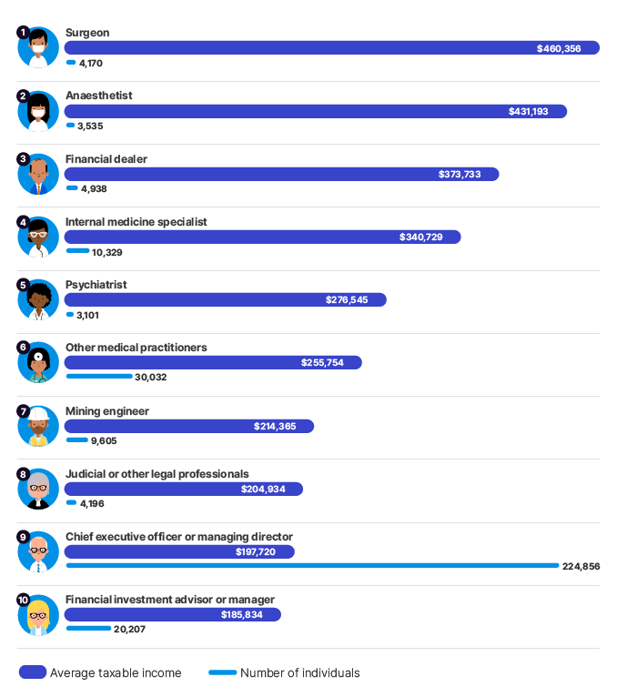

Individuals – top 10 occupations, by average taxable income, 2010–11 to 2021–22 income years3
Income year | Top 101 | Occupation - unit group | Individuals no. | Average taxable income2 $ | Median taxable income2 $ | Average salary or wage income2 $ | Median salary or wage income2 $ | Average total income2 $ | Median total income2 $
2010–11 | 1 | 2535 Surgeons | 3,195 | 341,610 | na | na | na | na | na
2010–11 | 2 | 2532 Anaesthetists | 2,685 | 299,835 | na | na | na | na | na
2010–11 | 3 | 2222 Financial Dealers | 5,250 | 250,363 | na | na | na | na | na
2010–11 | 4 | 2533 Internal Medicine Specialists | 6,610 | 249,012 | na | na | na | na | na
2010–11 | 5 | 2712 Judicial and Other Legal Professionals | 2,755 | 165,447 | na | na | na | na | na
2010–11 | 6 | 2534 Psychiatrists | 2,345 | 171,982 | na | na | na | na | na
2010–11 | 7 | 1111 Chief Executives and Managing Directors | 136,060 | 145,960 | na | na | na | na | na
2010–11 | 8 | 2336 Mining Engineers | 7,590 | 152,553 | na | na | na | na | na
2010–11 | 9 | 2539 Other Medical Practitioners | 26,360 | 150,717 | na | na | na | na | na
2010–11 | 10 | 2523 Dental Practitioners | 7,570 | 134,067 | na | na | na | na | na
2011–12 | 1 | 2535 Surgeons | 3,435 | 353,866 | na | na | na | na | na
2011–12 | 2 | 2532 Anaesthetists | 2,850 | 305,768 | na | na | na | na | na
2011–12 | 3 | 2533 Internal Medicine Specialists | 7,125 | 252,125 | na | na | na | na | na
2011–12 | 4 | 2222 Financial Dealers | 5,155 | 215,511 | na | na | na | na | na
2011–12 | 5 | 2712 Judicial and Other Legal Professionals | 2,665 | 183,133 | na | na | na | na | na
2011–12 | 6 | 2534 Psychiatrists | 2,495 | 176,453 | na | na | na | na | na
2011–12 | 7 | 2539 Other Medical Practitioners | 28,990 | 160,687 | na | na | na | na | na
2011–12 | 8 | 2336 Mining Engineers | 8,880 | 156,382 | na | na | na | na | na
2011–12 | 9 | 1111 Chief Executives and Managing Directors | 139,270 | 147,712 | na | na | na | na | na
2011–12 | 10 | 2531 Generalist Medical Practitioners | 22,110 | 140,394 | na | na | na | na | na
2012–13 | 1 | 2535 Surgeons | 3,570 | 361,101 | na | na | na | na | na
2012–13 | 2 | 2532 Anaesthetists | 3,015 | 319,139 | 319,033 | na | na | na | na
2012–13 | 3 | 2533 Internal Medicine Specialists | 7,535 | 263,286 | na | na | na | na | na
2012–13 | 4 | 2222 Financial Dealers | 5,110 | 218,441 | na | na | na | na | na
2012–13 | 5 | 2712 Judicial and Other Legal Professionals | 2,650 | 191,754 | na | na | na | na | na
2012–13 | 6 | 2534 Psychiatrists | 2,610 | 186,850 | na | na | na | na | na
2012–13 | 7 | 2336 Mining Engineers | 9,610 | 166,167 | na | na | na | na | na
2012–13 | 8 | 2539 Other Medical Practitioners | 30,470 | 165,932 | na | na | na | na | na
2012–13 | 9 | 1111 Chief Executives and Managing Directors | 146,975 | 151,721 | na | na | na | na | na
2012–13 | 10 | 2531 Generalist Medical Practitioners | 23,450 | 144,369 | na | na | na | na | na
2013–14 | 1 | 2535 Surgeons | 3,693 | 375,097 | na | na | na | na | na
2013–14 | 2 | 2532 Anaesthetists | 3,105 | 331,867 | na | na | na | na | na
2013–14 | 3 | 2533 Specialist Physicians | 7,639 | 279,022 | na | na | na | na | na
2013–14 | 4 | 2222 Financial Dealers | 4,907 | 233,639 | na | na | na | na | na
2013–14 | 5 | 2712 Judicial and Other Legal Professionals | 2,528 | 204,255 | na | na | na | na | na
2013–14 | 6 | 2534 Psychiatrists | 2,611 | 199,143 | na | na | na | na | na
2013–14 | 7 | 2539 Other Medical Practitioners | 28,705 | 182,722 | na | na | na | na | na
2013–14 | 8 | 2336 Mining Engineers | 9,471 | 168,267 | na | na | na | na | na
2013–14 | 9 | 1111 Chief Executives and Managing Directors | 153,841 | 164,097 | na | na | na | na | na
2013–14 | 10 | 1332 Engineering Managers | 26,608 | 148,786 | na | na | na | na | na
2014–15 | 1 | 2535 Surgeons | 3,790 | 377,044 | 274,036 | na | na | na | na
2014–15 | 2 | 2532 Anaesthetists | 3,178 | 341,041 | 323,970 | na | na | na | na
2014–15 | 3 | 2533 Internal Medicine Specialists | 7,964 | 281,547 | 234,620 | na | na | na | na
2014–15 | 4 | 2222 Financial Dealers | 4,862 | 235,444 | 128,952 | na | na | na | na
2014–15 | 5 | 2534 Psychiatrists | 2,768 | 204,236 | 179,965 | na | na | na | na
2014–15 | 6 | 2539 Other Medical Practitioners | 27,485 | 192,469 | 121,934 | na | na | na | na
2014–15 | 7 | 2712 Judicial and Other Legal Professionals | 2,857 | 191,201 | 129,802 | na | na | na | na
2014–15 | 8 | 2336 Mining Engineers | 9,235 | 174,115 | 147,104 | na | na | na | na
2014–15 | 9 | 1111 Chief Executives and Managing Directors | 160,081 | 157,105 | 72,647 | na | na | na | na
2014–15 | 10 | 1332 Engineering Managers | 26,337 | 148,216 | 121,968 | na | na | na | na
2015–16 | 1 | 2535 Surgeons | 3,822 | 393,467 | 295,949 | 199,165 | 158,881 | na | na
2015–16 | 2 | 2532 Anaesthetists | 3,181 | 359,056 | 339,559 | 218,674 | 183,334 | na | na
2015–16 | 3 | 2533 Internal Medicine Specialists | 8,191 | 291,140 | 242,128 | 194,340 | 161,530 | na | na
2015–16 | 4 | 2222 Financial Dealers | 4,617 | 263,309 | 137,404 | 228,288 | 130,257 | na | na
2015–16 | 5 | 2534 Psychiatrists | 2,740 | 211,024 | 189,561 | 172,543 | 149,000 | na | na
2015–16 | 6 | 2539 Other Medical Practitioners | 27,461 | 199,590 | 129,022 | 152,904 | 114,593 | na | na
2015–16 | 7 | 2712 Judicial and Other Legal Professionals | 3,073 | 198,219 | 121,948 | 168,209 | 95,315 | na | na
2015–16 | 8 | 2336 Mining Engineers | 8,655 | 166,557 | 142,337 | 156,211 | 141,207 | na | na
2015–16 | 9 | 1111 Chief Executives and Managing Directors | 166,741 | 158,249 | 73,148 | 102,852 | 58,117 | na | na
2015–16 | 10 | 1332 Engineering Managers | 25,457 | 148,852 | 124,399 | 136,944 | 120,388 | na | na
2016–17 | 1 | 2535 Surgeon | 3,951 | 394,866 | 300,688 | 201,682 | 164,864 | 414,662 | 318,487
2016–17 | 2 | 2532 Anaesthetist | 3,219 | 367,343 | 351,639 | 227,737 | 195,817 | 383,975 | 369,700
2016–17 | 3 | 2533 Internal medicine specialist | 8,585 | 299,378 | 249,727 | 199,450 | 168,712 | 314,965 | 263,962
2016–17 | 4 | 2222 Financial dealer | 4,683 | 261,008 | 139,055 | 228,491 | 131,593 | 270,047 | 146,242
2016–17 | 5 | 2534 Psychiatrist | 2,853 | 216,075 | 194,721 | 174,531 | 152,210 | 227,415 | 206,913
2016–17 | 6 | 2539 Other medical practitioners | 28,307 | 204,387 | 131,153 | 156,830 | 118,199 | 217,646 | 142,341
2016–17 | 7 | 2712 Judicial or other legal professionals | 3,516 | 195,703 | 106,128 | 160,142 | 88,338 | 201,437 | 111,267
2016–17 | 8 | 2336 Mining engineer | 8,296 | 167,345 | 144,728 | 158,608 | 144,964 | 171,585 | 148,088
2016–17 | 9 | 1111 Chief executive officer or managing director | 174,265 | 157,643 | 73,961 | 103,149 | 60,000 | 165,356 | 77,891
2016–17 | 10 | 1332 Engineering manager | 25,252 | 147,451 | 124,769 | 136,312 | 121,156 | 152,273 | 129,558
2017–18 | 1 | 2535 Surgeon | 4,064 | 402,582 | 302,583 | 205,296 | 169,435 | 420,741 | 320,186
2017–18 | 2 | 2532 Anaesthetist | 3,334 | 382,674 | 366,387 | 234,960 | 203,155 | 399,551 | 385,242
2017–18 | 3 | 2533 Internal medicine specialist | 9,191 | 301,129 | 253,782 | 203,349 | 172,561 | 316,382 | 268,247
2017–18 | 4 | 2222 Financial dealer | 4,773 | 272,895 | 147,034 | 234,636 | 137,175 | 281,077 | 153,551
2017–18 | 5 | 2534 Psychiatrist | 2,950 | 225,206 | 201,177 | 181,972 | 160,008 | 236,796 | 213,683
2017–18 | 6 | 2539 Other medical practitioners | 28,406 | 215,728 | 137,810 | 164,822 | 122,884 | 229,189 | 149,548
2017–18 | 7 | 2712 Judicial or other legal professionals | 3,738 | 184,958 | 102,192 | 161,743 | 88,681 | 190,804 | 105,543
2017–18 | 8 | 2336 Mining engineer | 8,599 | 179,288 | 151,942 | 167,927 | 151,322 | 183,606 | 156,126
2017–18 | 9 | 1111 Chief executive officer or managing director | 183,483 | 170,336 | 75,144 | 107,072 | 61,838 | 178,118 | 79,172
2017–18 | 10 | 1332 Engineering manager | 25,546 | 156,015 | 130,298 | 142,472 | 127,071 | 161,007 | 135,164
2018–19 | 1 | 2535 Surgeon | 4,150 | 394,303 | 298,223 | 208,462 | 174,887 | 412,818 | 313,234
2018–19 | 2 | 2532 Anaesthetist | 3,412 | 386,065 | 373,993 | 244,529 | 213,394 | 402,512 | 390,123
2018–19 | 3 | 2533 Internal medicine specialist | 9,559 | 304,752 | 261,287 | 210,331 | 176,606 | 319,815 | 275,924
2018–19 | 4 | 2222 Financial dealer | 4,720 | 275,984 | 146,094 | 237,946 | 139,573 | 283,791 | 152,993
2018–19 | 5 | 2534 Psychiatrist | 3,001 | 235,558 | 218,272 | 190,103 | 167,892 | 247,284 | 228,867
2018–19 | 6 | 2539 Other medical practitioners | 28,404 | 222,933 | 145,016 | 172,670 | 129,230 | 236,448 | 156,303
2018–19 | 7 | 2712 Judicial or other legal professionals | 3,866 | 188,798 | 104,284 | 164,302 | 92,130 | 194,322 | 109,061
2018–19 | 8 | 2336 Mining engineer | 8,856 | 184,507 | 156,859 | 169,818 | 155,202 | 188,833 | 160,639
2018–19 | 9 | 1111 Chief executive officer or managing director | 190,386 | 164,896 | 75,452 | 108,285 | 63,643 | 172,203 | 79,600
2018–19 | 10 | 1332 Engineering manager | 25,578 | 159,940 | 134,188 | 146,894 | 131,431 | 164,845 | 139,273
2019–20 | 1 | 2535 Surgeon | 4,159 | 406,068 | 305,453 | 214,475 | 181,190 | 423,485 | 323,903
2019–20 | 2 | 2532 Anaesthetist | 3,509 | 388,814 | 380,838 | 247,409 | 221,442 | 404,753 | 397,655
2019–20 | 3 | 2533 Internal medicine specialist | 9,906 | 310,848 | 266,414 | 217,048 | 183,791 | 325,621 | 280,750
2019–20 | 4 | 2222 Financial dealer | 4,754 | 279,790 | 152,680 | 239,126 | 143,108 | 288,104 | 160,859
2019–20 | 5 | 2534 Psychiatrist | 3,030 | 252,691 | 232,233 | 203,430 | 181,810 | 264,072 | 243,632
2019–20 | 6 | 2539 Other medical practitioners | 28,696 | 232,903 | 152,229 | 179,706 | 134,088 | 245,918 | 163,667
2019–20 | 7 | 2712 Judicial or other legal professionals | 3,940 | 189,538 | 107,085 | 170,228 | 96,645 | 195,224 | 110,782
2019–20 | 8 | 2336 Mining engineer | 9,120 | 188,083 | 161,904 | 172,822 | 160,042 | 192,662 | 165,840
2019–20 | 9 | 1332 Engineering manager | 25,728 | 161,514 | 138,384 | 149,073 | 134,954 | 166,641 | 143,241
2019–20 | 10 | 2223 Financial investment advisor or manager | 20,679 | 155,882 | 100,237 | 134,705 | 96,534 | 163,418 | 107,451
2020–21 | 1 | 2535 Surgeon | 4,157 | 457,281 | 347,098 | 225,904 | 185,343 | 475,402 | 370,207
2020–21 | 2 | 2532 Anaesthetist | 3,479 | 426,894 | 406,267 | 263,899 | 229,943 | 442,751 | 423,215
2020–21 | 3 | 2222 Financial dealer | 4,761 | 341,798 | 165,922 | 298,228 | 152,967 | 350,530 | 173,651
2020–21 | 4 | 2533 Internal medicine specialist | 10,055 | 334,267 | 285,009 | 226,495 | 195,545 | 349,147 | 299,696
2020–21 | 5 | 2534 Psychiatrist | 3,071 | 270,412 | 251,867 | 211,737 | 194,303 | 282,107 | 264,535
2020–21 | 6 | 2539 Other medical practitioners | 28,947 | 251,722 | 160,325 | 188,652 | 139,268 | 264,377 | 172,385
2020–21 | 7 | 2336 Mining engineer | 9,127 | 196,178 | 166,422 | 174,587 | 163,101 | 200,954 | 170,702
2020–21 | 8 | 2712 Judicial or other legal professionals | 4,025 | 193,388 | 115,412 | 172,686 | 100,986 | 199,171 | 120,000
2020–21 | 9 | 1111 Chief executive officer or managing director | 224,015 | 177,506 | 79,945 | 107,025 | 65,000 | 184,974 | 84,194
2020–21 | 10 | 2223 Financial investment advisor or manager | 20,268 | 169,608 | 105,664 | 141,822 | 100,000 | 182,970 | 112,569
2021–22 | 1 | 2535 Surgeon | 4,170 | 460,356 | 352,004 | 227,983 | 192,864 | 480,298 | 373,720
2021–22 | 2 | 2532 Anaesthetist | 3,535 | 431,193 | 415,779 | 265,806 | 237,877 | 447,987 | 432,234
2021–22 | 3 | 2222 Financial dealer | 4,938 | 373,733 | 178,294 | 303,945 | 164,696 | 384,120 | 185,029
2021–22 | 4 | 2533 Internal medicine specialist | 10,329 | 340,729 | 295,471 | 233,399 | 202,697 | 356,832 | 311,335
2021–22 | 5 | 2534 Psychiatrist | 3,101 | 276,545 | 257,183 | 215,601 | 193,339 | 288,904 | 268,135
2021–22 | 6 | 2539 Other medical practitioners | 30,032 | 255,754 | 164,848 | 193,220 | 143,424 | 269,273 | 177,013
2021–22 | 7 | 2336 Mining engineer | 9,605 | 214,365 | 175,531 | 184,316 | 171,106 | 229,731 | 179,584
2021–22 | 8 | 2712 Judicial or other legal professionals | 4,196 | 204,934 | 122,889 | 177,488 | 108,492 | 211,173 | 128,210
2021–22 | 9 | 1111 Chief executive officer or managing director | 224,856 | 197,720 | 85,081 | 116,304 | 70,000 | 206,321 | 89,973
2021–22 | 10 | 2223 Financial investment advisor or manager | 20,207 | 185,834 | 114,844 | 156,395 | 107,604 | 194,064 | 121,919

6
Taxation Statistics 2021–22: Number of individuals and net tax, by tax bracket, 2021–22 income year
CHART DATA
Taxable income | Individuals | % | Net tax $m | %
$18,200 or less | 2,594,776 | 16.7% | 100 | 0.0%
$18,201 – $45,000 | 3,996,080 | 25.7% | 5,989 | 2.2%
$45,001 – $120,000 | 6,844,618 | 44.1% | 99,346 | 37.2%
$120,001 – $180,000 | 1,327,377 | 8.5% | 54,438 | 20.4%
$180,001 or more | 772,544 | 5.0% | 106,837 | 40.1%
Total | 15,535,395 | 100.0% | 266,710 | 100.0%
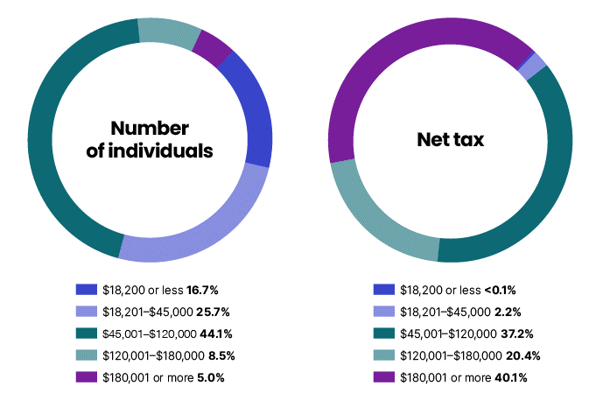

Number of individuals and net tax, by tax bracket, 2012–13 to 2021–22 income years
Income year | Taxable income | Individuals | Net tax $m | Average $ | Median $
2010–11 | $6,000 or less | 1,147,113 | 13 | 11 | na
2010–11 | $6,001 – $37,000 | 5,011,599 | 5,443 | 1,086 | na
2010–11 | $37,001 – $80,000 | 4,610,318 | 45,693 | 9,911 | na
2010–11 | $80,001 – $180,000 | 1,616,198 | 47,015 | 29,090 | na
2010–11 | $180,001 or more | 252,395 | 34,915 | 138,334 | na
2010–11 | Total | 12,637,623 | 133,079 | 10,530 | na
2011–12 | $6,000 or less | 982,499 | 16 | 16 | na
2011–12 | $6,001 – $37,000 | 4,868,097 | 5,366 | 1,102 | na
2011–12 | $37,001 – $80,000 | 4,752,082 | 47,454 | 9,986 | na
2011–12 | $80,001 – $180,000 | 1,839,810 | 54,075 | 29,392 | na
2011–12 | $180,001 or more | 293,542 | 37,866 | 128,995 | na
2011–12 | Total | 12,736,030 | 144,776 | 11,367 | na
2012–13 | $18,200 or less | 2,532,645 | 79 | 31 | na
2012–13 | $18,201 – $37,000 | 3,102,004 | 4,178 | 1,347 | na
2012–13 | $37,001 – $80,000 | 4,775,058 | 46,904 | 9,823 | na
2012–13 | $80,001 – $180,000 | 2,026,370 | 60,379 | 29,797 | na
2012–13 | $180,001 or more | 339,986 | 43,341 | 127,478 | na
2012–13 | Total | 12,776,063 | 154,880 | 12,123 | na
2013–14 | $18,200 or less | 2,484,095 | 76 | 31 | na
2013–14 | $18,201 – $37,000 | 3,106,352 | 4,190 | 1,349 | na
2013–14 | $37,001 – $80,000 | 4,840,056 | 47,764 | 9,869 | na
2013–14 | $80,001 – $180,000 | 2,157,515 | 64,616 | 29,949 | na
2013–14 | $180,001 or more | 376,267 | 49,551 | 131,691 | na
2013–14 | Total | 12,964,285 | 166,197 | 12,820 | na
2014–15 | $18,200 or less | 2,488,151 | 79 | 32 | 0
2014–15 | $18,201 – $37,000 | 3,120,647 | 4,475 | 1,434 | 1,245
2014–15 | $37,001 – $80,000 | 4,938,655 | 50,427 | 10,211 | 9,689
2014–15 | $80,001 – $180,000 | 2,267,335 | 69,359 | 30,590 | 27,673
2014–15 | $180,001 or more | 399,026 | 53,247 | 133,443 | 83,992
2014–15 | Total | 13,213,814 | 177,587 | 13,439 | 5,846
2015–16 | $18,200 or less | 2,561,989 | 82 | 32 | 0
2015–16 | $18,201 – $37,000 | 3,111,992 | 4,373 | 1,405 | 1,177
2015–16 | $37,001 – $80,000 | 4,998,922 | 51,282 | 10,259 | 9,767
2015–16 | $80,001 – $180,000 | 2,418,669 | 74,115 | 30,643 | 27,781
2015–16 | $180,001 or more | 416,529 | 56,431 | 135,479 | 84,481
2015–16 | Total | 13,508,101 | 186,283 | 13,790 | 6,063
2016–17 | $18,200 or less | 2,652,106 | 133 | 50 | 0
2016–17 | $18,201 – $37,000 | 3,127,215 | 4,417 | 1,413 | 1,168
2016–17 | $37,001 – $87,000 | 5,590,402 | 62,256 | 11,136 | 10,495
2016–17 | $87,001 – $180,000 | 2,072,569 | 67,778 | 32,703 | 30,098
2016–17 | $180,001 or more | 428,453 | 57,492 | 134,185 | 84,045
2016–17 | Total | 13,870,745 | 192,076 | 13,848 | 6,237
2017–18 | $18,200 or less | 2,675,533 | 148 | 55 | 0
2017–18 | $18,201 – $37,000 | 3,099,196 | 4,380 | 1,413 | 1,152
2017–18 | $37,001 – $87,000 | 5,738,636 | 64,586 | 11,255 | 10,662
2017–18 | $87,001 – $180,000 | 2,296,046 | 75,464 | 32,867 | 30,313
2017–18 | $180,001 or more | 478,881 | 64,529 | 134,750 | 82,813
2017–18 | Total | 14,288,292 | 209,107 | 14,635 | 6,795
2018–19 | $18,200 or less | 2,690,659 | 145 | 54 | 0
2018–19 | $18,201 – $37,000 | 3,062,909 | 3,759 | 1,227 | 863
2018–19 | $37,001 – $90,000 | 6,119,616 | 66,041 | 10,792 | 10,088
2018–19 | $90,001 – $180,000 | 2,294,357 | 76,708 | 33,434 | 31,046
2018–19 | $180,001 or more | 510,004 | 67,313 | 131,988 | 82,050
2018–19 | Total | 14,677,545 | 213,967 | 14,578 | 6,383
2019–20 | $18,200 or less | 2,634,271 | 140 | 53 | 0
2019–20 | $18,201 – $37,000 | 3,098,069 | 3,759 | 1,213 | 830
2019–20 | $37,001 – $90,000 | 6,214,599 | 67,231 | 10,818 | 10,124
2019–20 | $90,001 – $180,000 | 2,465,835 | 82,989 | 33,655 | 31,324
2019–20 | $180,001 or more | 545,816 | 71,186 | 130,421 | 81,554
2019–20 | Total | 14,958,590 | 225,305 | 15,062 | 6,656
2020–21 | $18,200 or less | 2,236,047 | 96 | 43 | 0
2020–21 | $18,201 – $45,000 | 4,385,353 | 7,511 | 1,713 | 1,410
2020–21 | $45,001 – $120,000 | 6,736,313 | 98,127 | 14,567 | 13,247
2020–21 | $120,001 – $180,000 | 1,150,084 | 47,087 | 40,942 | 39,836
2020–21 | $180,001 or more | 626,392 | 83,848 | 133,859 | 79,452
2020–21 | Total | 15,134,189 | 236,669 | 15,638 | 6,446
2021–22 | $18,200 or less | 2,594,776 | 100 | 38 | 0
2021–22 | $18,201 – $45,000 | 3,996,080 | 5,989 | 1,499 | 1,146
2021–22 | $45,001 – $120,000 | 6,844,618 | 99,346 | 14,515 | 13,281
2021–22 | $120,001 – $180,000 | 1,327,377 | 54,438 | 41,012 | 40,036
2021–22 | $180,001 or more | 772,544 | 106,837 | 138,292 | 80,433
2021–22 | Total | 15,535,395 | 266,710 | 17,168 | 6,790

7
Taxation Statistics 2021–22: Individuals – returns by lodgment channel, 2021–22 income year
CHART DATA
Lodgment channel | Individuals | %
Agent | 9,802,810 | 63.1%
myTax | 5,657,970 | 36.4%
Other self-preparer | 74,615 | 0.5%
Total | 15,535,395 | 100.0%
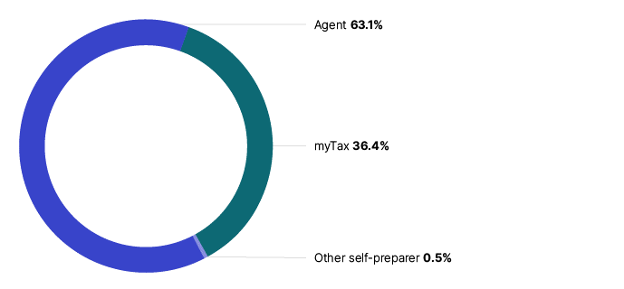

Individuals – returns by lodgment type, 2009–10 to 2021–22 income years

Lodgment channel | Agent | e-tax | myTax | Other self-preparer | Total
2009–10 | 8,786,515 | 2,351,240 | na | 1,242,275 | 12,380,030
2010–11 | 9,033,880 | 2,505,905 | na | 1,097,840 | 12,637,625
2011–12 | 9,225,745 | 2,598,080 | na | 912,205 | 12,736,030
2012–13 | 9,392,850 | 2,836,115 | na | 547,100 | 12,776,065
2013–14 | 9,622,306 | 1,799,965 | 1,082,686 | 459,328 | 12,964,285
2014–15 | 9,757,182 | 1,237,058 | 1,868,088 | 351,486 | 13,213,814
2015–16 | 9,784,132 | 139 | 3,412,679 | 311,151 | 13,508,101
2016–17 | 9,891,356 | na | 3,731,766 | 247,623 | 13,870,745
2017–18 | 9,975,283 | na | 4,102,677 | 210,332 | 14,288,292
2018–19 | 9,801,240 | na | 4,714,782 | 161,523 | 14,677,545
2019–20 | 9,696,583 | na | 5,154,212 | 107,795 | 14,958,590
2020–21 | 9,639,255 | na | 5,411,453 | 83,481 | 15,134,189
2021–22 | 9,802,810 | na | 5,657,970 | 74,615 | 15,535,395

8
Taxation Statistics 2021–22: Individuals – returns by sex, 2017–18 to 2021–22 income years
CHART DATA
Sex | 2017–18 | 2018–19 | 2019–20 | 2020–21 | 2021–22
Male | 7.34 | 7.51 | 7.62 | 7.67 | 7.85
Female | 6.95 | 7.17 | 7.34 | 7.46 | 7.68
Total | 14.29 | 14.68 | 14.96 | 15.13 | 15.54
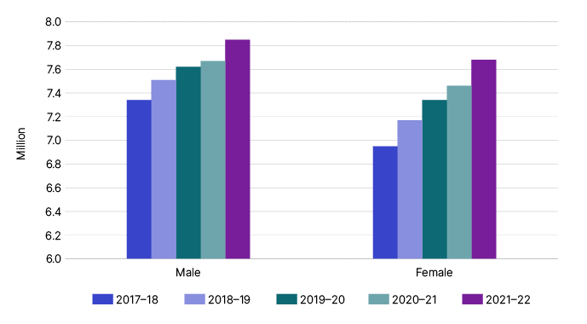

Individuals – returns by sex, 2009–10 to 2021-22 income years
Income year | Male | Female | Unknown | Total
2009–10 | 6,380,735 | 5,999,293 | na | 12,380,028
2010–11 | 6,513,156 | 6,124,467 | na | 12,637,623
2011–12 | 6,626,819 | 6,109,211 | na | 12,736,030
2012–13 | 6,663,918 | 6,112,145 | na | 12,776,063
2013–14 | 6,747,711 | 6,216,574 | na | 12,964,285
2014–15 | 6,857,403 | 6,356,411 | na | 13,213,814
2015–16 | 6,979,512 | 6,528,589 | na | 13,508,101
2016–17 | 7,142,694 | 6,728,051 | na | 13,870,745
2017–18 | 7,337,391 | 6,950,901 | na | 14,288,292
2018–19 | 7,506,357 | 7,171,188 | na | 14,677,545
2019–20 | 7,619,103 | 7,339,487 | na | 14,958,590
2020–21 | 7,666,709 | 7,462,367 | 5,113 | 15,134,189
2021–22 | 7,848,633 | 7,680,121 | 6,641 | 15,535,395

Note
1 | Prior to 2020–21, individuals were assumed to be male where sex was unknown.

9
Taxation Statistics 2021–22: Individuals – returns by state/territory, 2021–22 income year
CHART DATA
State/territory | Individuals | %
NSW | 4,788,259 | 30.8%
VIC | 3,958,298 | 25.5%
QLD | 3,156,186 | 20.3%
WA | 1,679,878 | 10.8%
SA | 1,065,717 | 6.9%
TAS | 329,221 | 2.1%
ACT | 301,650 | 1.9%
NT | 132,529 | 0.9%
Overseas | 123,657 | 0.8%
Total | 15,535,395 | 100%
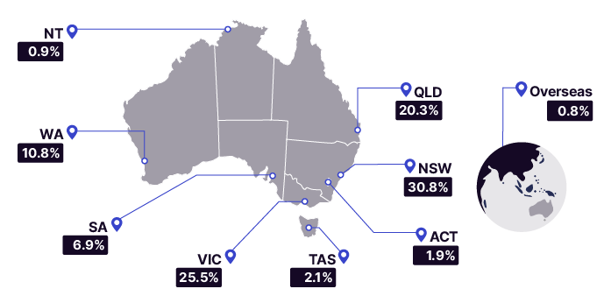

Individuals – returns by state/territory, 2009–10 to 2021-22 income years
Income year | NSW | VIC | QLD | WA | SA | TAS | ACT | NT | Overseas1 | Unknown | Total
2009–10 | 3,932,960 | 3,079,930 | 2,486,910 | 1,327,710 | 906,895 | 276,305 | 227,855 | 110,835 | 30,630 | na | 12,380,030
2010–11 | 4,006,175 | 3,144,655 | 2,530,955 | 1,366,340 | 918,130 | 278,340 | 233,140 | 115,610 | 44,280 | na | 12,637,625
2011–12 | 4,007,855 | 3,164,545 | 2,555,375 | 1,416,635 | 914,330 | 272,435 | 238,125 | 119,680 | 47,045 | na | 12,736,030
2012–13 | 4,008,285 | 3,173,575 | 2,558,465 | 1,448,000 | 907,765 | 267,035 | 240,410 | 121,625 | 50,895 | na | 12,776,065
2013–14 | 4,064,418 | 3,227,886 | 2,582,085 | 1,467,823 | 914,609 | 267,901 | 242,198 | 124,011 | 73,354 | na | 12,964,285
2014–15 | 4,144,753 | 3,297,439 | 2,622,326 | 1,483,037 | 919,821 | 270,814 | 245,245 | 125,377 | 105,002 | na | 13,213,814
2015–16 | 4,233,128 | 3,388,985 | 2,669,610 | 1,484,119 | 929,506 | 275,783 | 251,642 | 126,685 | 148,643 | na | 13,508,101
2016–17 | 4,362,653 | 3,502,870 | 2,744,267 | 1,490,953 | 944,508 | 282,896 | 261,032 | 127,752 | 153,636 | 178 | 13,870,745
2017–18 | 4,488,958 | 3,635,842 | 2,836,521 | 1,515,159 | 967,851 | 292,971 | 270,779 | 128,728 | 151,090 | 393 | 14,288,292
2018–19 | 4,600,861 | 3,753,102 | 2,920,162 | 1,546,324 | 989,405 | 303,080 | 278,826 | 130,110 | 154,564 | 1,111 | 14,677,545
2019–20 | 4,678,175 | 3,823,784 | 2,985,460 | 1,582,776 | 1,010,814 | 312,563 | 287,586 | 130,549 | 144,907 | 1,976 | 14,958,590
2020–21 | 4,689,060 | 3,856,989 | 3,053,477 | 1,625,445 | 1,033,940 | 321,728 | 294,846 | 131,403 | 125,353 | 1,948 | 15,134,189
2021–22 | 4,788,259 | 3,958,298 | 3,156,186 | 1,679,878 | 1,065,717 | 329,221 | 301,650 | 132,529 | 123,657 | na | 15,535,395

Note:
1 | Overseas includes those with an unknown address up to 2015–16. The method is changed to fill unknown addresses in 2021–22. Therefore, the unknown category is not applicable in 2021–22.

10
Taxation Statistics 2021–22: Individuals – rental income and deductions, 2017–18 to 2021–22 income years
CHART DATA
Rental income and deductions | 2017–18 | 2018–19 | 2019–20 | 2020–21 | 2021–22
Gross rental income | 46.3 | 47.8 | 48.8 | 48.9 | 50.4
Rental interest deductions | -23.7 | -24.0 | -21.5 | -17.9 | -15.9
Capital works deductions | -3.8 | -4.1 | -4.3 | -4.4 | -4.4
Other rental deductions | -22.4 | -22.8 | -23.2 | -23.4 | -24.0
Net rental income | -3.6 | -3.0 | -0.2 | 3.2 | 6.0
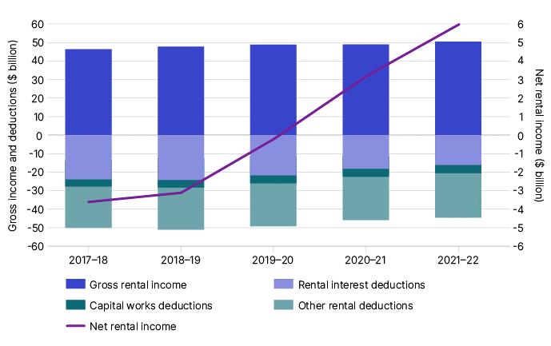

Individual rental income and deductions, 2009–10 to 2021–22 income years

Income year | Rental income and deductions | no. | $m
2009–10 | Gross rental income | 1,731,126 | 28,028
2009–10 | Rental interest deductions | 1,405,510 | 18,359
2009–10 | Capital works deductions | 684,470 | 1,694
2009–10 | Other rental deductions | 1,736,860 | 12,785
2009–10 | Net rental income | 1,751,679 | -4,810
2010–11 | Gross rental income | 1,788,690 | 30,730
2010–11 | Rental interest deductions | 1,459,530 | 22,670
2010–11 | Capital works deductions | 734,565 | 1,921
2010–11 | Other rental deductions | 1,795,705 | 14,002
2010–11 | Net rental income | 1,811,175 | -7,862
2011–12 | Gross rental income | 1,873,210 | 34,000
2011–12 | Rental interest deductions | 1,532,300 | 24,178
2011–12 | Capital works deductions | 798,075 | 2,167
2011–12 | Other rental deductions | 1,880,845 | 15,531
2011–12 | Net rental income | 1,895,775 | -7,860
2012–13 | Gross rental income | 1,944,080 | 36,593
2012–13 | Rental interest deductions | 1,591,610 | 22,548
2012–13 | Capital works deductions | 857,975 | 2,440
2012–13 | Other rental deductions | 1,952,530 | 16,998
2012–13 | Net rental income | 1,967,260 | -5,394
2013–14 | Gross rental income | 2,008,764 | 38,778
2013–14 | Rental interest deductions | 1,647,125 | 21,354
2013–14 | Capital works deductions | 919,773 | 2,730
2013–14 | Other rental deductions | 2,019,278 | 18,377
2013–14 | Net rental income | 2,033,973 | -3,719
2014–15 | Gross rental income | 2,047,253 | 40,379
2014–15 | Rental interest deductions | 1,678,904 | 21,469
2014–15 | Capital works deductions | 973,907 | 3,013
2014–15 | Other rental deductions | 2,059,567 | 19,526
2014–15 | Net rental income | 2,077,235 | -3,628
2015–16 | Gross rental income | 2,087,468 | 42,139
2015–16 | Rental interest deductions | 1,707,429 | 21,749
2015–16 | Capital works deductions | 1,022,396 | 3,271
2015–16 | Other rental deductions | 2,099,248 | 20,676
2015–16 | Net rental income | 2,116,755 | -3,557
2016–17 | Gross rental income | 2,149,796 | 44,145
2016–17 | Rental interest deductions | 1,752,186 | 21,953
2016–17 | Capital works deductions | 1,082,156 | 3,619
2016–17 | Other rental deductions | 2,161,227 | 21,867
2016–17 | Net rental income | 2,179,107 | -3,294
2017–18 | Gross rental income | 2,201,414 | 46,345
2017–18 | Rental interest deductions | 1,784,560 | 23,739
2017–18 | Capital works deductions | 1,119,849 | 3,849
2017–18 | Other rental deductions | 2,211,261 | 22,377
2017–18 | Net rental income | 2,229,520 | -3,619
2018–19 | Gross rental income | 2,220,007 | 47,834
2018–19 | Rental interest deductions | 1,785,800 | 24,008
2018–19 | Capital works deductions | 1,140,015 | 4,065
2018–19 | Other rental deductions | 2,226,726 | 22,798
2018–19 | Net rental income | 2,244,857 | -3,036
2019–20 | Gross rental income | 2,253,520 | 48,846
2019–20 | Rental interest deductions | 1,792,065 | 21,524
2019–20 | Capital works deductions | 1,175,648 | 4,306
2019–20 | Other rental deductions | 2,254,147 | 23,190
2019–20 | Net rental income | 2,270,911 | -166
2020–21 | Gross rental income | 2,258,940 | 48,911
2020–21 | Rental interest deductions | 1,772,055 | 17,883
2020–21 | Capital works deductions | 1,189,584 | 4,401
2020–21 | Other rental deductions | 2,260,316 | 23,403
2020–21 | Net rental income | 2,276,784 | 3,226
2021-22 | Gross rental income | 2,273,039 | 50,385
2021-22 | Rental interest deductions | 1,761,943 | 15,908
2021-22 | Capital works deductions | 1,198,362 | 4,436
2021-22 | Other rental deductions | 2,274,042 | 24,067
2021-22 | Net rental income | 2,291,362 | 5,975

11
Taxation Statistics 2021–22: Individuals – gifts or donations, by state/territory, 2021–22 income year
CHART DATA
State/territory | Individuals no. | Average donation $ | Median donation $
WA | 447,517 | 1,377 | 120
NSW | 1,337,056 | 1,305 | 166
ACT | 103,118 | 1,004 | 250
VIC | 1,179,592 | 988 | 125
QLD | 799,184 | 828 | 120
SA | 267,536 | 650 | 125
TAS | 89,113 | 606 | 110
NT | 36,029 | 491 | 120
Overseas | 6,729 | 2,286 | 250
Australia | 4,265,874 | 1,067 | 148
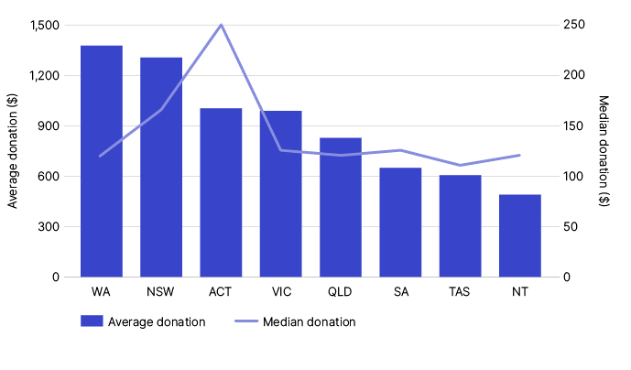

Individuals – gifts or donations, by state/territory, 2009–10 to 2021–22 income years
Income year | State/territory | Individuals no. | Average $ | Median $
2009–10 | ACT | 103,405 | 498 | na
2009–10 | NSW | 1,441,580 | 551 | na
2009–10 | NT | 36,095 | 303 | na
2009–10 | QLD | 824,225 | 347 | na
2009–10 | SA | 305,080 | 381 | na
2009–10 | TAS | 88,650 | 350 | na
2009–10 | VIC | 1,190,945 | 429 | na
2009–10 | WA | 408,245 | 395 | na
2009–10 | Unknown or overseas | 2,565 | 422 | na
2009–10 | Australia | 4,400,785 | 446 | na
2010–11 | ACT | 112,150 | 537 | na
2010–11 | NSW | 1,545,810 | 556 | na
2010–11 | NT | 40,885 | 303 | na
2010–11 | QLD | 929,375 | 357 | na
2010–11 | SA | 330,410 | 375 | na
2010–11 | TAS | 97,130 | 356 | na
2010–11 | VIC | 1,282,260 | 468 | na
2010–11 | WA | 452,265 | 415 | na
2010–11 | Unknown or overseas | 3,640 | 399 | na
2010–11 | Australia | 4,793,775 | 461 | na
2011–12 | ACT | 107,780 | 553 | na
2011–12 | NSW | 1,459,825 | 575 | na
2011–12 | NT | 38,360 | 333 | na
2011–12 | QLD | 850,310 | 367 | na
2011–12 | SA | 306,415 | 456 | na
2011–12 | TAS | 91,260 | 400 | na
2011–12 | VIC | 1,236,480 | 498 | na
2011–12 | WA | 442,805 | 507 | na
2011–12 | Unknown or overseas | 3,200 | 415 | na
2011–12 | Australia | 4,536,370 | 494 | na
2012–13 | ACT | 109,120 | 575 | na
2012–13 | NSW | 1,449,695 | 611 | na
2012–13 | NT | 40,040 | 344 | na
2012–13 | QLD | 857,770 | 384 | na
2012–13 | SA | 302,465 | 468 | na
2012–13 | TAS | 93,455 | 416 | na
2012–13 | VIC | 1,232,210 | 488 | na
2012–13 | WA | 460,810 | 473 | na
2012–13 | Unknown or overseas | 3,390 | 432 | na
2012–13 | Australia | 4,548,810 | 504 | na
2013–14 | ACT | 108,064 | 602 | na
2013–14 | NSW | 1,455,434 | 710 | na
2013–14 | NT | 41,534 | 358 | na
2013–14 | QLD | 838,832 | 436 | na
2013–14 | SA | 298,223 | 488 | na
2013–14 | TAS | 88,670 | 456 | na
2013–14 | VIC | 1,239,137 | 573 | na
2013–14 | WA | 468,186 | 510 | na
2013–14 | Unknown or overseas | 6,301 | 369 | na
2013–14 | Australia | 4,544,381 | 576 | na
2014–15 | ACT | 106,307 | 686 | 195
2014–15 | NSW | 1,464,399 | 837 | 135
2014–15 | NT | 43,964 | 372 | 100
2014–15 | QLD | 834,848 | 458 | 100
2014–15 | SA | 296,422 | 470 | 100
2014–15 | TAS | 88,275 | 479 | 100
2014–15 | VIC | 1,253,312 | 752 | 100
2014–15 | WA | 467,081 | 536 | 120
2014–15 | Unknown or overseas | 14,402 | 564 | 140
2014–15 | Australia | 4,569,010 | 674 | 105
2015–16 | ACT | 104,183 | 685 | 200
2015–16 | NSW | 1,449,231 | 763 | 143
2015–16 | NT | 45,048 | 399 | 100
2015–16 | QLD | 820,258 | 463 | 100
2015–16 | SA | 288,115 | 537 | 100
2015–16 | TAS | 87,753 | 540 | 100
2015–16 | VIC | 1,254,601 | 632 | 100
2015–16 | WA | 453,047 | 615 | 125
2015–16 | Unknown or overseas | 8,821 | 1,090 | 200
2015–16 | Australia | 4,511,057 | 634 | 110
2016–17 | ACT | 105,389 | 690 | 200
2016–17 | NSW | 1,452,522 | 856 | 145
2016–17 | NT | 44,070 | 405 | 100
2016–17 | QLD | 824,947 | 487 | 100
2016–17 | SA | 283,698 | 528 | 100
2016–17 | TAS | 88,405 | 496 | 100
2016–17 | VIC | 1,270,687 | 798 | 100
2016–17 | WA | 443,568 | 1,190 | 120
2016–17 | Overseas | 8,828 | 1,225 | 200
2016–17 | Unknown | 23 | 487 | 160
2016–17 | Australia | 4,522,137 | 770 | 110
2017–18 | ACT | 103,139 | 751 | 200
2017–18 | NSW | 1,424,243 | 943 | 150
2017–18 | NT | 41,289 | 393 | 100
2017–18 | QLD | 809,432 | 533 | 100
2017–18 | SA | 275,912 | 532 | 102
2017–18 | TAS | 85,272 | 541 | 100
2017–18 | VIC | 1,250,987 | 820 | 100
2017–18 | WA | 431,676 | 1,470 | 120
2017–18 | Overseas | 8,564 | 2,854 | 200
2017–18 | Unknown | 83 | 498 | 200
2017–18 | Australia | 4,430,597 | 846 | 115
2018–19 | ACT | 100,518 | 773 | 202
2018–19 | NSW | 1,352,581 | 1,004 | 150
2018–19 | NT | 36,546 | 422 | 105
2018–19 | QLD | 770,093 | 553 | 100
2018–19 | SA | 260,832 | 648 | 109
2018–19 | TAS | 81,667 | 517 | 100
2018–19 | VIC | 1,186,369 | 774 | 100
2018–19 | WA | 412,714 | 2,209 | 120
2018–19 | Overseas | 8,650 | 1,240 | 200
2018–19 | Unknown | 300 | 334 | 141
2018–19 | Australia | 4,210,270 | 933 | 120
2019–20 | ACT | 103,473 | 866 | 198
2019–20 | NSW | 1,391,878 | 937 | 109
2019–20 | NT | 36,973 | 511 | 100
2019–20 | QLD | 782,782 | 599 | 80
2019–20 | SA | 269,824 | 570 | 100
2019–20 | TAS | 85,084 | 602 | 70
2019–20 | VIC | 1,232,931 | 759 | 100
2019–20 | WA | 425,190 | 1,815 | 100
2019–20 | Overseas | 8,660 | 5,959 | 104
2019–20 | Unknown | 526 | 376 | 120
2019–20 | Australia | 4,337,321 | 887 | 120
2020–21 | ACT | 101,056 | 1,065 | 240
2020–21 | NSW | 1,324,397 | 1,046 | 150
2020–21 | NT | 35,979 | 491 | 110
2020–21 | QLD | 776,311 | 684 | 106
2020–21 | SA | 263,698 | 622 | 120
2020–21 | TAS | 85,633 | 598 | 100
2020–21 | VIC | 1,167,225 | 1,180 | 120
2020–21 | WA | 432,246 | 1,729 | 120
2020–21 | Overseas | 6,537 | 1,502 | 240
2020–21 | Unknown | 523 | 392 | 144
2020–21 | Australia | 4,193,605 | 1,047 | 130
2021–22 | ACT | 103,118 | 1,004 | 250
2021–22 | NSW | 1,337,056 | 1,305 | 166
2021–22 | NT | 36,029 | 491 | 120
2021–22 | QLD | 799,184 | 828 | 120
2021–22 | SA | 267,536 | 650 | 125
2021–22 | TAS | 89,113 | 606 | 110
2021–22 | VIC | 1,179,592 | 988 | 125
2021–22 | WA | 447,517 | 1,377 | 120
2021–22 | Overseas | 6,729 | 2,286 | 250
2021–22 | Australia | 4,265,874 | 1,067 | 148

12
Taxation Statistics 2021–22: Median super balance, by age and sex, 2021–22 financial year
CHART DATA
 | Median account balance $
Age | Male | Female
under 18 | 289 | 185
18-24 | 4,617 | 4,275
25-29 | 17,545 | 17,840
30-34 | 39,796 | 34,327
35-39 | 70,181 | 54,391
40-44 | 101,231 | 74,066
45-49 | 133,616 | 93,471
50-54 | 162,146 | 111,063
55-59 | 186,255 | 128,675
60-64 | 205,385 | 153,685
65-69 | 206,091 | 191,475
70-74 | 200,349 | 198,005
75 or more | 166,185 | 161,201

Note
Only includes individuals with an account balance or current year contributions greater than zero.
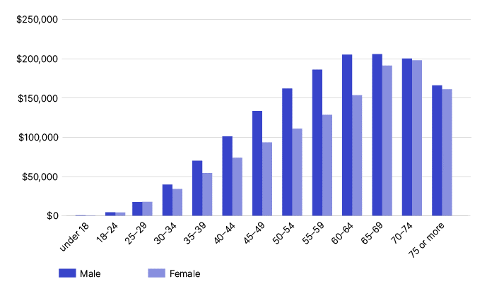

Median super balance, by age and sex, 2013–14 to 2021–22 financial years
 |  | Male |  |  | Female |  |  | Total
Income year | Age | Number | Average account balance $ | Median account balance $ | Number | Average account balance $ | Median account balance $ | Number | Average account balance $ | Median account balance $
2013–14 | under 18 | na | 6,815 | na | na | 4,761 | na | na | na | na
2013–14 | 18-24 | na | 7,528 | na | na | 6,004 | na | na | na | na
2013–14 | 25-29 | na | 22,064 | na | na | 18,804 | na | na | na | na
2013–14 | 30-34 | na | 41,873 | na | na | 33,726 | na | na | na | na
2013–14 | 35-39 | na | 63,791 | na | na | 49,534 | na | na | na | na
2013–14 | 40-44 | na | 92,279 | na | na | 66,508 | na | na | na | na
2013–14 | 45-49 | na | 123,265 | na | na | 85,091 | na | na | na | na
2013–14 | 50-54 | na | 168,010 | na | na | 111,587 | na | na | na | na
2013–14 | 55-59 | na | 234,123 | na | na | 160,946 | na | na | na | na
2013–14 | 60-64 | na | 298,955 | na | na | 234,711 | na | na | na | na
2013–14 | 65-69 | na | 351,163 | na | na | 306,377 | na | na | na | na
2013–14 | 70-74 | na | 375,144 | na | na | 325,820 | na | na | na | na
2013–14 | 75 or more | na | 330,591 | na | na | 299,387 | na | na | na | na
2013–14 | unknown | na | 19,838 | na | na | 17,856 | na | na | na | na
2013–14 | Total | na | 124,556 | 41,684 | na | 92,163 | 31,087 | 16,592,839 | 99,695 | 33,479
2014–15 | under 18 | 38,978 | 10,449 | 284 | 36,223 | 7,458 | 149 | 75,201 | 9,008 | na
2014–15 | 18-24 | 903,288 | 7,904 | 3,899 | 851,885 | 6,403 | 3,442 | 1,755,173 | 7,175 | na
2014–15 | 25-29 | 920,774 | 23,592 | 17,059 | 848,162 | 19,967 | 15,665 | 1,768,936 | 21,854 | na
2014–15 | 30-34 | 941,881 | 43,785 | 33,607 | 862,043 | 36,250 | 28,112 | 1,803,924 | 40,184 | na
2014–15 | 35-39 | 850,158 | 68,262 | 52,216 | 776,567 | 53,333 | 39,170 | 1,626,725 | 61,135 | na
2014–15 | 40-44 | 872,664 | 98,108 | 71,506 | 812,334 | 71,431 | 48,321 | 1,684,998 | 85,247 | na
2014–15 | 45-49 | 794,463 | 131,102 | 87,052 | 744,066 | 91,740 | 55,702 | 1,538,529 | 112,066 | na
2014–15 | 50-54 | 772,632 | 174,626 | 102,556 | 724,735 | 119,019 | 64,979 | 1,497,367 | 147,712 | na
2014–15 | 55-59 | 667,167 | 243,694 | 120,712 | 623,063 | 170,180 | 80,787 | 1,290,230 | 208,193 | na
2014–15 | 60-64 | 536,560 | 310,240 | 138,337 | 487,811 | 246,632 | 107,897 | 1,024,371 | 279,950 | na
2014–15 | 65-69 | 378,520 | 365,919 | 158,328 | 328,716 | 323,540 | 150,622 | 707,236 | 346,222 | na
2014–15 | 70-74 | 209,653 | 393,899 | 158,318 | 168,650 | 340,196 | 149,506 | 378,303 | 369,958 | na
2014–15 | 75 or more | 157,526 | 343,345 | 107,163 | 102,153 | 312,772 | 108,288 | 259,679 | 331,318 | na
2014–15 | unknown | 1,720 | 21,555 | 4,698 | 691 | 19,575 | 2,817 | 2,411 | 20,988 | na
2014–15 | Total | 8,045,984 | 131,470 | 45,348 | 7,367,099 | 99,057 | 34,199 | 16,105,279 | 112,738 | 36,820
2015–16 | under 18 | 41,271 | 11,123 | 239 | 38,493 | 7,213 | 133 | 79,764 | 9,236 | na
2015–16 | 18-24 | 908,500 | 7,451 | 3,584 | 858,016 | 6,197 | 3,244 | 1,766,516 | 6,842 | na
2015–16 | 25-29 | 930,274 | 22,924 | 16,256 | 859,173 | 19,088 | 14,924 | 1,789,447 | 21,082 | na
2015–16 | 30-34 | 955,910 | 43,444 | 33,043 | 875,839 | 35,309 | 27,269 | 1,831,749 | 39,554 | na
2015–16 | 35-39 | 865,848 | 68,532 | 52,346 | 789,838 | 53,581 | 39,178 | 1,655,686 | 61,400 | na
2015–16 | 40-44 | 859,686 | 98,743 | 72,479 | 796,631 | 72,659 | 49,425 | 1,656,317 | 86,198 | na
2015–16 | 45-49 | 818,510 | 133,505 | 89,877 | 769,137 | 94,818 | 58,246 | 1,587,647 | 114,763 | na
2015–16 | 50-54 | 768,277 | 175,877 | 105,240 | 721,241 | 122,529 | 67,345 | 1,489,518 | 150,045 | na
2015–16 | 55-59 | 685,615 | 246,007 | 124,738 | 643,761 | 173,506 | 83,103 | 1,329,376 | 210,898 | na
2015–16 | 60-64 | 550,098 | 312,879 | 141,367 | 503,879 | 250,207 | 110,244 | 1,053,977 | 282,917 | na
2015–16 | 65-69 | 396,010 | 369,254 | 160,215 | 348,968 | 325,876 | 152,456 | 744,978 | 348,935 | na
2015–16 | 70-74 | 226,042 | 400,463 | 163,201 | 187,935 | 344,976 | 154,431 | 413,977 | 375,273 | na
2015–16 | 75 or more | 177,460 | 351,384 | 110,362 | 119,767 | 318,433 | 110,834 | 297,227 | 338,106 | na
2015–16 | unknown | 1,095 | 28,615 | 5,230 | 456 | 26,036 | 2,790 | 1,551 | 27,857 | na
2015–16 | Total | 8,184,596 | 134,240 | 45,887 | 7,513,134 | 102,346 | 34,630 | 16,362,829 | 115,945 | 37,473
2016–17 | under 18 | 43,064 | 11,932 | 243 | 39,962 | 8,172 | 133 | 83,026 | 10,122 | na
2016–17 | 18-24 | 920,550 | 7,694 | 3,715 | 871,616 | 6,542 | 3,427 | 1,792,166 | 7,134 | na
2016–17 | 25-29 | 943,987 | 24,051 | 16,949 | 878,607 | 20,523 | 16,001 | 1,822,594 | 22,350 | na
2016–17 | 30-34 | 972,402 | 46,974 | 35,768 | 898,111 | 38,731 | 30,129 | 1,870,513 | 43,016 | na
2016–17 | 35-39 | 892,770 | 73,985 | 56,995 | 815,169 | 58,729 | 43,439 | 1,707,939 | 66,704 | na
2016–17 | 40-44 | 848,183 | 106,187 | 79,055 | 786,942 | 79,709 | 55,169 | 1,635,125 | 93,444 | na
2016–17 | 45-49 | 843,071 | 144,216 | 99,305 | 796,445 | 104,648 | 65,796 | 1,639,516 | 124,995 | na
2016–17 | 50-54 | 764,807 | 189,211 | 116,043 | 721,314 | 136,148 | 76,098 | 1,486,121 | 163,456 | na
2016–17 | 55-59 | 705,941 | 263,996 | 137,366 | 665,456 | 192,378 | 93,035 | 1,371,397 | 229,244 | na
2016–17 | 60-64 | 565,400 | 336,360 | 154,453 | 523,676 | 277,880 | 122,848 | 1,089,076 | 308,240 | na
2016–17 | 65-69 | 400,936 | 392,805 | 172,914 | 359,582 | 349,947 | 165,857 | 760,518 | 372,541 | na
2016–17 | 70-74 | 251,785 | 439,086 | 182,272 | 215,294 | 375,605 | 170,885 | 467,079 | 409,825 | na
2016–17 | 75 or more | 205,143 | 394,416 | 132,324 | 147,662 | 348,982 | 131,061 | 352,805 | 375,400 | na
2016–17 | unknown | 731 | 12,213 | 1,542 | 9 | 624 | 254 | 740 | 12,072 | na
2016–17 | Total | 8,358,770 | 146,421 | 50,239 | 7,719,845 | 114,350 | 38,781 | 16,674,456 | 128,024 | 41,731
2017–18 | under 18 | 46,172 | 11,841 | 277 | 41,311 | 8,343 | 143 | 87,483 | 10,189 | na
2017–18 | 18-24 | 942,261 | 7,831 | 3,837 | 891,810 | 6,747 | 3,527 | 1,834,071 | 7,304 | na
2017–18 | 25-29 | 962,078 | 24,849 | 17,330 | 899,604 | 21,252 | 16,555 | 1,861,682 | 23,111 | na
2017–18 | 30-34 | 985,888 | 49,595 | 37,744 | 914,912 | 40,833 | 31,821 | 1,900,800 | 45,378 | na
2017–18 | 35-39 | 922,285 | 79,335 | 61,461 | 842,179 | 62,923 | 46,971 | 1,764,464 | 71,501 | na
2017–18 | 40-44 | 843,944 | 113,942 | 86,123 | 781,266 | 85,891 | 60,491 | 1,625,210 | 100,457 | na
2017–18 | 45-49 | 858,236 | 154,507 | 109,046 | 812,189 | 112,413 | 72,683 | 1,670,425 | 134,040 | na
2017–18 | 50-54 | 762,152 | 200,279 | 126,974 | 720,396 | 145,007 | 83,870 | 1,482,548 | 173,421 | na
2017–18 | 55-59 | 724,717 | 272,207 | 148,424 | 684,033 | 198,512 | 100,711 | 1,408,750 | 236,424 | na
2017–18 | 60-64 | 580,138 | 344,718 | 163,985 | 540,477 | 279,167 | 128,507 | 1,120,615 | 313,103 | na
2017–18 | 65-69 | 412,008 | 399,872 | 178,326 | 376,012 | 358,055 | 171,679 | 788,020 | 379,919 | na
2017–18 | 70-74 | 269,881 | 445,538 | 185,237 | 234,929 | 387,284 | 177,449 | 504,810 | 418,428 | na
2017–18 | 75 or more | 218,170 | 411,039 | 133,969 | 161,196 | 363,007 | 131,205 | 379,366 | 390,630 | na
2017–18 | unknown | 10 | 1,260 | 406 | 8 | 72,706 | 1,109 | 18 | 33,014 | na
2017–18 | Total | 8,527,940 | 153,288 | 53,810 | 7,900,322 | 120,185 | 41,776 | 16,943,812 | 134,770 | 45,235
2018–19 | under 18 | 40,647 | 14,170 | 369 | 35,343 | 9,901 | 184 | 75,990 | 12,184 | 262
2018–19 | 18-24 | 943,241 | 8,072 | 4,131 | 896,324 | 6,994 | 3,772 | 1,839,565 | 7,547 | 3,952
2018–19 | 25-29 | 975,249 | 25,173 | 17,495 | 917,104 | 21,774 | 16,956 | 1,892,353 | 23,526 | 17,223
2018–19 | 30-34 | 993,167 | 51,175 | 38,764 | 933,766 | 42,240 | 32,904 | 1,926,933 | 46,845 | 35,746
2018–19 | 35-39 | 940,888 | 83,723 | 65,220 | 867,102 | 66,611 | 50,108 | 1,807,990 | 75,516 | 57,389
2018–19 | 40-44 | 836,197 | 121,119 | 92,303 | 777,041 | 92,680 | 65,840 | 1,613,238 | 107,421 | 78,331
2018–19 | 45-49 | 849,692 | 165,587 | 118,686 | 807,868 | 122,228 | 80,303 | 1,657,560 | 144,455 | 98,193
2018–19 | 50-54 | 754,471 | 214,795 | 139,444 | 720,869 | 157,124 | 92,671 | 1,475,340 | 186,616 | 114,099
2018–19 | 55-59 | 723,564 | 286,283 | 162,337 | 689,700 | 209,653 | 109,639 | 1,413,264 | 248,886 | 133,531
2018–19 | 60-64 | 585,626 | 359,870 | 178,808 | 553,207 | 289,179 | 137,051 | 1,138,833 | 325,531 | 156,448
2018–19 | 65-69 | 415,906 | 414,380 | 189,856 | 386,656 | 370,042 | 180,718 | 802,562 | 393,019 | 185,357
2018–19 | 70-74 | 280,147 | 464,565 | 195,656 | 249,745 | 403,268 | 188,006 | 529,892 | 435,675 | 191,917
2018–19 | 75 or more | 242,572 | 436,370 | 144,773 | 187,062 | 380,386 | 139,579 | 429,634 | 411,995 | 142,506
2018–19 | unknown | 493 | 26,224 | 1,215 | 36 | 84,598 | 5,791 | 529 | 30,197 | 543
2018–19 | Total | 8,581,860 | 162,275 | 57,883 | 8,021,823 | 128,068 | 45,118 | 16,979,758 | 143,910 | 49,413
2019–20 | under 18 | 52,241 | 11,543 | 241 | 49,962 | 7,016 | 137 | 102,294 | 9,322 | 179
2019–20 | 18-24 | 978,173 | 7,005 | 3,214 | 934,846 | 6,262 | 3,018 | 1,913,313 | 6,641 | 3,115
2019–20 | 25-29 | 992,917 | 22,502 | 14,643 | 935,286 | 20,043 | 14,691 | 1,928,297 | 21,309 | 14,666
2019–20 | 30-34 | 997,946 | 48,603 | 35,673 | 944,760 | 40,479 | 30,614 | 1,942,745 | 44,650 | 33,081
2019–20 | 35-39 | 949,350 | 82,714 | 63,587 | 881,510 | 66,624 | 49,676 | 1,830,875 | 74,963 | 56,438
2019–20 | 40-44 | 834,634 | 120,923 | 91,642 | 775,421 | 94,553 | 66,837 | 1,610,058 | 108,217 | 78,750
2019–20 | 45-49 | 842,539 | 165,588 | 119,268 | 801,660 | 124,655 | 82,389 | 1,644,205 | 145,622 | 99,811
2019–20 | 50-54 | 763,073 | 215,405 | 141,433 | 731,089 | 159,909 | 95,594 | 1,494,169 | 188,234 | 116,892
2019–20 | 55-59 | 732,842 | 280,969 | 163,180 | 697,583 | 210,877 | 112,122 | 1,430,428 | 246,771 | 135,634
2019–20 | 60-64 | 611,944 | 357,963 | 180,928 | 577,398 | 287,777 | 139,056 | 1,189,344 | 323,871 | 158,702
2019–20 | 65-69 | 446,332 | 402,646 | 185,938 | 417,196 | 362,799 | 178,333 | 863,531 | 383,367 | 182,220
2019–20 | 70-74 | 307,775 | 446,804 | 187,678 | 277,141 | 394,771 | 184,245 | 584,916 | 422,112 | 185,995
2019–20 | 75 or more | 279,319 | 429,187 | 142,111 | 223,612 | 369,464 | 138,984 | 502,931 | 402,613 | 140,684
2019–20 | unknown | 33 | 38,908 | 7,643 | 31 | 95,387 | 17,509 | 100,468 | 10,505 | 3,564
2019–20 | Total | 8,789,118 | 161,834 | 56,425 | 8,247,495 | 129,506 | 44,634 | 17,137,574 | 145,388 | 49,374
2020–21 | under 18 | 58,564 | 11,710 | 307 | 52,990 | 7,455 | 187 | 111,766 | 9,678 | 238
2020–21 | 18-24 | 932,704 | 8,148 | 4,198 | 900,284 | 7,328 | 3,899 | 1,834,657 | 7,740 | 4,045
2020–21 | 25-29 | 903,793 | 25,981 | 17,243 | 858,275 | 23,429 | 17,528 | 1,762,366 | 24,740 | 17,381
2020–21 | 30-34 | 937,466 | 56,344 | 41,849 | 905,043 | 46,289 | 35,716 | 1,842,684 | 51,400 | 38,681
2020–21 | 35-39 | 928,881 | 95,937 | 74,062 | 878,119 | 75,785 | 57,401 | 1,807,087 | 86,140 | 65,417
2020–21 | 40-44 | 832,507 | 139,431 | 106,771 | 780,691 | 107,538 | 77,644 | 1,613,260 | 123,993 | 91,590
2020–21 | 45-49 | 814,148 | 190,716 | 139,850 | 777,281 | 142,037 | 96,575 | 1,591,469 | 166,937 | 116,886
2020–21 | 50-54 | 772,672 | 246,955 | 167,002 | 746,564 | 182,167 | 112,943 | 1,519,264 | 215,115 | 137,930
2020–21 | 55-59 | 718,349 | 316,457 | 191,263 | 688,792 | 236,530 | 130,714 | 1,407,171 | 277,327 | 158,462
2020–21 | 60-64 | 618,043 | 402,838 | 211,996 | 588,873 | 318,203 | 158,806 | 1,206,932 | 361,539 | 183,524
2020–21 | 65-69 | 453,099 | 453,075 | 213,986 | 428,988 | 403,038 | 201,233 | 882,094 | 428,738 | 207,540
2020–21 | 70-74 | 315,406 | 509,059 | 216,564 | 290,286 | 451,523 | 212,462 | 605,694 | 481,483 | 214,431
2020–21 | 75 or more | 300,223 | 507,556 | 174,179 | 250,182 | 436,865 | 168,973 | 550,407 | 475,422 | 171,716
2020–21 | unknown | 39 | 97,256 | 12,957 | 16 | 86,046 | 14,088 | 75,255 | 13,857 | 7,356
2020–21 | Total | 8,585,894 | 189,892 | 68,645 | 8,146,384 | 150,922 | 53,731 | 16,810,106 | 170,191 | 59,883
2021–22 | under 18 | 78,800 | 7,666 | 289 | 75,988 | 5,088 | 185 | 155,112 | 6,389 | 228
2021–22 | 18-24 | 955,295 | 8,069 | 4,617 | 920,306 | 7,297 | 4,275 | 1,878,110 | 7,684 | 4,438
2021–22 | 25-29 | 884,551 | 25,407 | 17,545 | 840,566 | 23,273 | 17,840 | 1,725,411 | 24,366 | 17,691
2021–22 | 30-34 | 931,580 | 53,154 | 39,796 | 908,079 | 44,053 | 34,327 | 1,839,895 | 48,659 | 36,944
2021–22 | 35-39 | 934,796 | 90,822 | 70,181 | 897,345 | 71,686 | 54,391 | 1,832,279 | 81,444 | 61,999
2021–22 | 40-44 | 856,427 | 131,792 | 101,231 | 809,489 | 102,227 | 74,066 | 1,666,003 | 117,420 | 87,162
2021–22 | 45-49 | 802,604 | 180,958 | 133,616 | 769,945 | 136,667 | 93,471 | 1,572,605 | 159,268 | 112,399
2021–22 | 50-54 | 795,018 | 237,084 | 162,146 | 773,383 | 176,824 | 111,063 | 1,568,435 | 207,366 | 134,923
2021–22 | 55-59 | 716,530 | 301,922 | 186,255 | 691,545 | 228,259 | 128,675 | 1,408,107 | 265,739 | 155,127
2021–22 | 60-64 | 640,637 | 380,737 | 205,385 | 613,586 | 300,717 | 153,685 | 1,254,246 | 341,585 | 177,981
2021–22 | 65-69 | 473,984 | 428,533 | 206,091 | 453,292 | 379,483 | 191,475 | 927,283 | 404,553 | 198,715
2021–22 | 70-74 | 324,587 | 474,898 | 200,349 | 303,671 | 422,348 | 198,005 | 628,263 | 449,495 | 199,140
2021–22 | 75 or more | 341,655 | 487,525 | 166,185 | 293,060 | 416,279 | 161,201 | 634,717 | 454,629 | 163,734
2021–22 | unknown | 120 | 47,762 | 6,474 | 79 | 91,105 | 8,432 | 75,180 | 14,038 | 6,674
2021–22 | Total | 8,736,584 | 182,667 | 66,159 | 8,350,334 | 146,146 | 52,075 | 17,165,646 | 164,126 | 57,912

13
Taxation Statistics 2021–22: Super balance, by state/territory and sex, 2021–22 financial year
CHART DATA
State / territory | Average male | Average female | Median male | Median female
ACT | 235,460 | 207,959 | 86,264 | 80,018
VIC | 189,380 | 150,543 | 64,883 | 52,527
NSW | 187,389 | 151,848 | 64,267 | 52,623
WA | 176,864 | 127,121 | 72,380 | 47,558
QLD | 176,289 | 142,764 | 68,026 | 51,990
SA | 175,864 | 147,269 | 69,778 | 58,995
TAS | 166,372 | 136,294 | 66,643 | 54,891
NT | 133,291 | 111,397 | 48,309 | 38,724

Note
Only includes individuals with an account balance or current year contributions greater than zero.
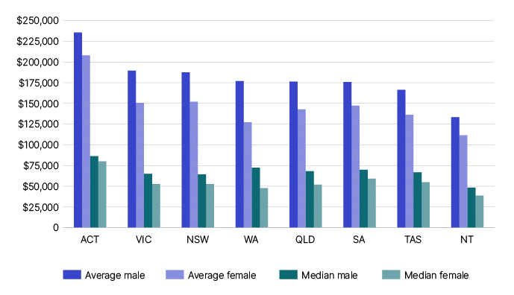

Super balance, by state/territory and sex, 2013–14 to 2021–22 financial years
 |  | Male |  |  | Female |  |  | Total
Income year | State/ Territory | Number | Average account balance $ | Median account balance $ | Number | Average account balance $ | Median account balance $ | Number | Average account balance $ | Median account balance $
2013–14 | ACT | na | 174,379 | na | na | 146,521 | na | na | na | na
2013–14 | NSW | na | 128,396 | na | na | 96,570 | na | na | na | na
2013–14 | NT | na | 90,815 | na | na | 73,450 | na | na | na | na
2013–14 | QLD | na | 118,466 | na | na | 88,132 | na | na | na | na
2013–14 | SA | na | 120,871 | na | na | 93,399 | na | na | na | na
2013–14 | TAS | na | 123,242 | na | na | 91,235 | na | na | na | na
2013–14 | VIC | na | 133,757 | na | na | 96,896 | na | na | na | na
2013–14 | WA | na | 119,515 | na | na | 80,017 | na | na | na | na
2013–14 | Unknown or overseas | na | 20,666 | na | na | 11,467 | na | na | na | na
2013–14 | Total | na | 124,556 | 41,684 | na | 92,163 | 31,087 | 16,592,839 | 99,695 | 33,479
2014–15 | ACT | 137,183 | 186,050 | 69,416 | 133,388 | 158,538 | 62,695 | 270,571 | 172,487 | na
2014–15 | NSW | 2,516,542 | 134,163 | 43,956 | 2,308,727 | 103,187 | 34,791 | 4,825,269 | 119,342 | na
2014–15 | NT | 84,025 | 95,123 | 34,218 | 71,910 | 77,540 | 26,486 | 155,935 | 87,015 | na
2014–15 | QLD | 1,607,286 | 124,984 | 46,996 | 1,479,489 | 94,621 | 33,620 | 3,086,775 | 110,431 | na
2014–15 | SA | 540,192 | 129,153 | 51,592 | 498,702 | 101,444 | 40,505 | 1,038,894 | 115,852 | na
2014–15 | TAS | 158,380 | 130,371 | 53,345 | 149,577 | 98,118 | 39,123 | 307,957 | 114,705 | na
2014–15 | VIC | 1,959,554 | 139,902 | 47,053 | 1,815,622 | 103,647 | 36,221 | 3,775,176 | 122,466 | na
2014–15 | WA | 913,218 | 125,358 | 44,238 | 800,344 | 85,689 | 29,038 | 1,713,562 | 106,830 | na
2014–15 | Unknown or overseas | 129,604 | 49,589 | 6,503 | 109,340 | 26,792 | 3,876 | 238,944 | 39,157 | na
2014–15 | Total | 8,045,984 | 131,470 | 45,348 | 7,367,099 | 99,057 | 34,199 | 16,105,279 | 112,738 | 36,820
2015–16 | ACT | 133,214 | 185,777 | 57,239 | 129,136 | 157,981 | 47,364 | 262,350 | 172,095 | na
2015–16 | NSW | 2,546,630 | 137,234 | 44,327 | 2,341,542 | 106,996 | 35,213 | 4,888,172 | 122,749 | na
2015–16 | NT | 84,761 | 97,650 | 35,726 | 72,583 | 80,056 | 26,849 | 157,344 | 89,534 | na
2015–16 | QLD | 1,625,719 | 128,414 | 48,374 | 1,505,045 | 98,448 | 34,649 | 3,130,764 | 114,009 | na
2015–16 | SA | 543,555 | 132,301 | 52,721 | 503,960 | 105,117 | 41,740 | 1,047,515 | 119,223 | na
2015–16 | TAS | 159,439 | 132,858 | 54,513 | 150,935 | 101,321 | 40,153 | 310,374 | 117,522 | na
2015–16 | VIC | 2,001,225 | 141,938 | 47,157 | 1,855,849 | 106,846 | 36,670 | 3,857,074 | 125,053 | na
2015–16 | WA | 911,878 | 129,241 | 46,666 | 805,579 | 89,402 | 30,442 | 1,717,457 | 110,554 | na
2015–16 | Unknown or overseas | 178,175 | 69,328 | 9,899 | 148,505 | 36,390 | 5,400 | 326,680 | 54,355 | na
2015–16 | Total | 8,184,596 | 134,240 | 45,887 | 7,513,134 | 102,346 | 34,630 | 16,362,829 | 115,945 | 37,473
2016–17 | ACT | 142,628 | 199,127 | 74,629 | 139,723 | 173,478 | 67,374 | 282,351 | 186,434 | na
2016–17 | NSW | 2,605,088 | 148,018 | 47,678 | 2,406,124 | 117,918 | 38,745 | 5,011,212 | 133,566 | na
2016–17 | NT | 84,915 | 104,966 | 39,443 | 73,645 | 87,661 | 29,980 | 158,560 | 96,928 | na
2016–17 | QLD | 1,654,271 | 138,025 | 52,639 | 1,541,125 | 108,066 | 38,588 | 3,195,396 | 123,576 | na
2016–17 | SA | 549,653 | 145,638 | 58,401 | 511,666 | 117,205 | 46,940 | 1,061,319 | 131,930 | na
2016–17 | TAS | 162,508 | 141,458 | 59,042 | 154,884 | 110,896 | 45,018 | 317,392 | 126,544 | na
2016–17 | VIC | 2,066,276 | 159,689 | 52,161 | 1,924,581 | 123,876 | 41,478 | 3,990,857 | 142,418 | na
2016–17 | WA | 908,926 | 138,605 | 51,374 | 811,670 | 98,397 | 34,192 | 1,720,596 | 119,637 | na
2016–17 | Unknown or overseas | 184,505 | 74,118 | 11,698 | 156,427 | 40,794 | 6,684 | 340,932 | 58,828 | na
2016–17 | Total | 8,358,770 | 146,421 | 50,239 | 7,719,845 | 114,350 | 38,781 | 16,674,456 | 128,024 | 41,731
2017–18 | ACT | 146,566 | 210,741 | 79,305 | 144,019 | 183,839 | 71,479 | 290,585 | 197,408 | na
2017–18 | NSW | 2,657,950 | 155,741 | 50,773 | 2,462,985 | 124,770 | 41,598 | 5,120,935 | 140,845 | na
2017–18 | NT | 84,734 | 113,299 | 42,779 | 74,326 | 93,909 | 32,495 | 159,060 | 104,238 | na
2017–18 | QLD | 1,693,333 | 146,159 | 56,984 | 1,583,031 | 114,536 | 41,900 | 3,276,364 | 130,880 | na
2017–18 | SA | 557,849 | 154,196 | 62,691 | 521,075 | 125,298 | 51,036 | 1,078,924 | 140,239 | na
2017–18 | TAS | 166,195 | 142,309 | 60,727 | 158,270 | 109,944 | 46,140 | 324,465 | 126,522 | na
2017–18 | VIC | 2,114,138 | 162,063 | 54,286 | 1,973,431 | 126,793 | 43,819 | 4,087,569 | 145,035 | na
2017–18 | WA | 917,764 | 150,163 | 58,471 | 821,587 | 106,335 | 38,404 | 1,739,351 | 129,461 | na
2017–18 | Unknown or overseas | 189,411 | 80,184 | 13,689 | 161,598 | 44,274 | 7,955 | 351,009 | 63,652 | na
2017–18 | Total | 8,527,940 | 153,288 | 53,810 | 7,900,322 | 120,185 | 41,776 | 16,943,812 | 134,770 | 45,235
2018–19 | ACT | 148,468 | 219,427 | 83,308 | 146,905 | 190,699 | 75,080 | 295,373 | 205,139 | 79,005
2018–19 | NSW | 2,664,364 | 164,790 | 54,875 | 2,491,544 | 132,319 | 44,965 | 5,155,908 | 149,099 | 49,508
2018–19 | NT | 83,273 | 119,168 | 45,353 | 74,109 | 98,919 | 34,691 | 157,382 | 109,633 | 39,699
2018–19 | QLD | 1,707,111 | 157,854 | 61,242 | 1,611,750 | 125,736 | 45,431 | 3,318,861 | 142,256 | 52,645
2018–19 | SA | 559,370 | 161,143 | 66,587 | 527,580 | 132,465 | 54,677 | 1,086,950 | 147,223 | 60,159
2018–19 | TAS | 169,755 | 155,193 | 66,285 | 162,382 | 124,066 | 51,925 | 332,137 | 139,975 | 58,417
2018–19 | VIC | 2,148,806 | 169,256 | 57,356 | 2,020,082 | 132,829 | 46,519 | 4,168,888 | 151,605 | 51,422
2018–19 | WA | 915,580 | 158,892 | 64,000 | 827,569 | 112,824 | 42,121 | 1,743,149 | 137,021 | 51,709
2018–19 | Unknown or overseas | 184,435 | 86,281 | 17,746 | 159,912 | 49,596 | 10,669 | 344,347 | 69,245 | 3,317
2018–19 | Total | 8,581,860 | 162,275 | 57,883 | 8,021,823 | 128,068 | 45,118 | 16,979,758 | 143,910 | 49,413
2019–20 | ACT | 154,334 | 217,473 | 79,680 | 152,818 | 190,251 | 72,900 | 307,152 | 203,925 | 76,077
2019–20 | NSW | 2,718,967 | 163,616 | 53,492 | 2,555,170 | 132,335 | 44,192 | 5,274,137 | 148,455 | 48,491
2019–20 | NT | 84,456 | 117,639 | 41,289 | 75,824 | 98,033 | 32,371 | 160,280 | 108,357 | 36,693
2019–20 | QLD | 1,739,778 | 156,858 | 59,788 | 1,648,145 | 126,265 | 44,973 | 3,387,923 | 141,968 | 51,745
2019–20 | SA | 574,457 | 158,611 | 64,063 | 543,831 | 131,375 | 53,160 | 1,118,288 | 145,355 | 58,226
2019–20 | TAS | 175,929 | 152,323 | 62,728 | 168,700 | 123,123 | 50,134 | 344,629 | 138,025 | 55,828
2019–20 | VIC | 2,215,770 | 171,078 | 56,035 | 2,092,090 | 138,054 | 46,716 | 4,307,860 | 155,033 | 51,035
...

14
Taxation Statistics 2021–22: Number of companies and net tax, by size, 2021–22 income year
CHART DATA
Size | Companies | % | Net tax $m | %
Loss | 1,785 | 0.2% | 36 | 0.0%
Nil | 174,795 | 14.7% | 1,248 | 1.0%
Micro | 891,550 | 74.9% | 12,352 | 9.6%
Small | 92,178 | 7.7% | 11,341 | 8.9%
Medium | 25,655 | 2.2% | 15,941 | 12.4%
Large | 2,025 | 0.2% | 7,095 | 5.5%
Very large | 1,620 | 0.1% | 80,129 | 62.5%
Total | 1,189,608 | 100% | 128,142 | 100%
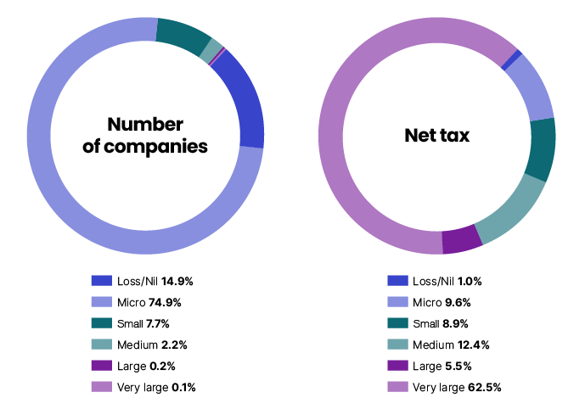

Number of companies and net tax, by size, 2009–10 to 2021–22 income years
Income year | Size | Companies | Net tax $m
2009–10 | Loss | 1,817 | 1
2009–10 | Nil | 110,598 | 27
2009–10 | Micro | 600,431 | 5,771
2009–10 | Small | 49,419 | 5,042
2009–10 | Medium | 12,916 | 7,239
2009–10 | Large | 1,099 | 2,853
2009–10 | Very large | 927 | 29,333
2009–10 | Total | 777,207 | 50,266
2010–11 | Loss | 1,670 | <1
...

15
...
Taxation Statistics 2021–22: Super funds net tax, by fund type, 2021–22 income year
Public sector fund | 25 | 1,244 | 4.3%
Small APRA fund | 1,350 | 9 | 0.0%
Self-managed super fund | 506,158 | 4,200 | 14.4%
Non-regulated fund | 29 | <1 | 0.0%
Other funds | 25 | 2,420 | 8.3%
Total | 507,716 | 29,094 | 100.0%

Note
1 | Other funds: these include funds that nominated themselves as eligible rollover funds, approved deposit funds, pooled super trusts or did not nominate a fund type.
2 | Note that due to merged cells, a pivot table applied to the data below may not correctly aggregate certain data.
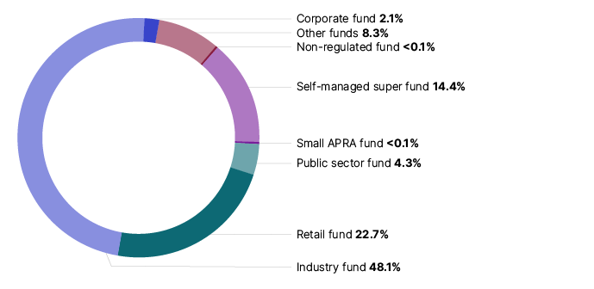

Super funds, by fund type, 2003–04 to 2021–22 income years2
Income year | Values |  | Corporate fund | Industry fund | Retail fund | Public sector fund | Small APRA fund | Self-managed super fund | Non-regulated fund | Other funds | Total
2003–04 | Funds | no. | 958 | 75 | 274 | 34 | 7,444 | 224,505 | 272 | 179 | 233,741
2003–04 | Net tax | $m | 1,257 | 1,268 | 607 | 272 | -2 | 748 | 8 | 305 | 4,463
2004–05 | Funds | no. | 692 | 66 | 264 | 39 | 6,941 | 243,530 | 195 | 146 | 251,873
2004–05 | Net tax | $m | 999 | 1,365 | 989 | 407 | -5 | 726 | 11 | 328 | 4,820
2005–06 | Funds | no. | 456 | 61 | 237 | 36 | 6,421 | 261,086 | 151 | 109 | 268,557
2005–06 | Net tax | $m | 968 | 2,120 | 1,432 | 544 | -1 | 1,257 | 14 | 368 | 6,702
2006–07 | Funds | no. | 294 | 57 | 204 | 33 | 5,690 | 291,648 | 120 | 90 | 298,136
...

16
Taxation Statistics 2021–22: Estimated tax on net capital gains, by entity type, 2017–18 to 2021–22 income years
CHART DATA
Entity | 2017–18 | 2018–19 | 2019–20 | 2020–21 | 2021–22
Individuals | 8.29 | 6.80 | 6.79 | 11.98 | 17.56
Companies | 4.55 | 3.93 | 3.75 | 3.76 | 8.77
Super funds | 4.24 | 3.07 | 2.81 | 6.80 | 6.32
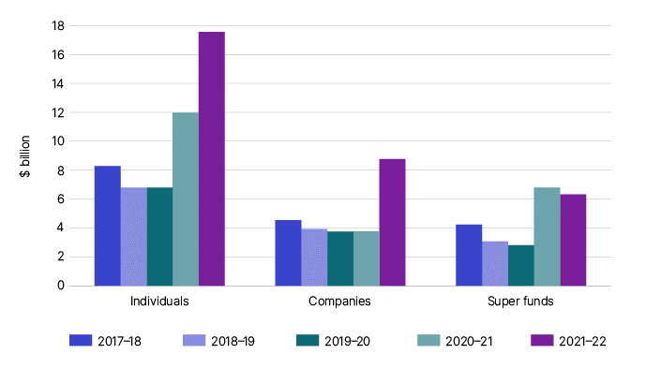

Estimated tax on net capital gains ($), by entity, 2009–10 to 2021–22 income years

Income year | Individuals | Companies | Super funds
2009–10 | 3,207,900,417 | 1,699,150,920 | 147,744,088
2010–11 | 3,646,008,304 | 1,600,321,087 | 167,679,522
2011–12 | 2,841,915,961 | 1,446,466,321 | 220,561,124
2012–13 | 3,127,352,420 | 2,837,903,691 | 260,245,422
2013–14 | 4,759,520,045 | 1,786,534,489 | 546,272,523
2014–15 | 6,188,780,114 | 3,579,737,448 | 1,555,106,013
2015–16 | 6,549,256,516 | 3,350,453,745 | 1,682,257,087
2016–17 | 6,961,440,324 | 3,806,882,937 | 3,962,444,274
...

17
Taxation Statistics 2021–22: Source of current year capital gains, by entity type, 2021–22 income year
CHART DATA
Entity | Shares | Real estate | Other assets
Individuals | 23.9 | 45.6 | 38.7
Companies | 23.3 | 10.4 | 12.1
Super funds | 57.3 | 4.2 | 69.6
Note
Information in this table only includes individuals, companies and funds who completed a CGT schedule.
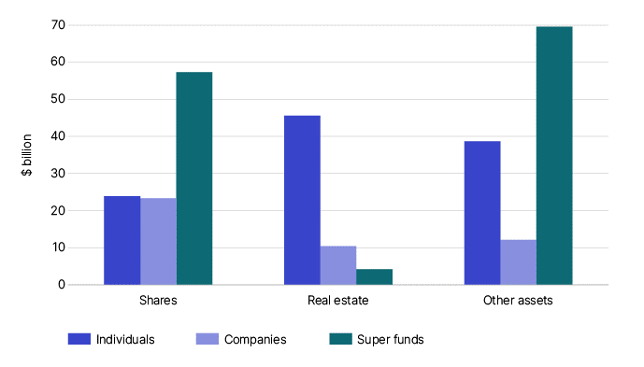

Source of current year capital gains ($m), 2009–10 to 2021–22 income years
Income year | Entity | Shares | Real estate | Other assets
2009–10 | Individuals | 7,925 | 10,992 | 4,362
2009–10 | Companies | 4,782 | 1,900 | 2,046
2009–10 | Super funds | 17,510 | 405 | 857
2010–11 | Individuals | 9,860 | 9,650 | 5,698
2010–11 | Companies | 6,883 | 1,453 | 2,634
2010–11 | Super funds | 15,924 | 347 | 1,882
2011–12 | Individuals | 7,938 | 9,790 | 5,147
2011–12 | Companies | 6,239 | 1,687 | 3,923
...

18
Taxation Statistics 2020–21: Excise duty by source, 2022-23 financial year
CHART DATA
Product | Duty $m | %
Petrol | 5,713 | 22.4%
Diesel | 13,155 | 51.7%
Other petroleum products | 1,290 | 5.1%
Crude and Condensate | 597 | 2.3%
Beer | 2,264 | 8.9%
Ready to Drink (RTD) | 1,564 | 6.1%
Spirits | 867 | 3.4%
Total | 25,449 | 100.0%
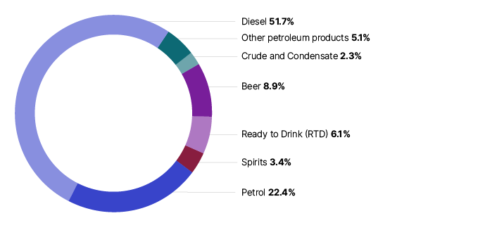

Excise duty by source, 2009–10 to 2022–23 financial years1
Financial year | Petrol $m | Diesel $m | Other petroleum products $m | Crude and Condensate $m | Tobacco $m | Cigarettes $m | Beer $m | Ready to Drink (RTD) $m | Spirits $m | Total excise $m
2009–10 | 6,285 | 6,862 | 1,828 | 692 | 219 | 5,523 | 1,991 | 873 | 242 | 24,514
2010–11 | 5,939 | 7,465 | 2,103 | 852 | 285 | 6,135 | 1,962 | 902 | 254 | 25,896
2011–12 | 6,147 | 8,387 | 1,895 | 853 | 68 | 5,427 | 1,935 | 912 | 277 | 25,899
2012–13 | 6,044 | 8,562 | 2,297 | 833 | na | 4,743 | 1,940 | 898 | 377 | 25,695
2013–14 | 5,964 | 8,655 | 2,414 | 773 | na | 4,737 | 1,988 | 903 | 374 | 25,808
2014–15 | 6,090 | 8,843 | 2,309 | 518 | na | 2,835 | 1,964 | 872 | 388 | 23,819
2015–16 | 6,141 | 9,656 | 1,671 | 336 | na | 289 | 1,992 | 888 | 477 | 21,451
2016–17 | 6,168 | 10,324 | 1,502 | 377 | na | 1 | 2,006 | 906 | 554 | 21,838
...

19
Taxation Statistics 2021–22: Average time to complete tax return, 2017–18 to 2021–22 income years
CHART DATA
Entity | 2017–18 | 2018–19 | 2019–20 | 2020–21 | 2021–22
Individuals | 4.22 | 4.08 | 3.92 | 3.29 | 3.01
Companies | 7.23 | 6.26 | 5.81 | 5.20 | 4.81
Super funds | 1.45 | 1.44 | 1.38 | 1.34 | 1.31
Partnerships | 8.24 | 7.80 | 6.90 | 6.46 | 6.20
Trusts | 6.52 | 6.35 | 5.99 | 5.46 | 5.21

Note
Individuals: this includes individuals who completed the business and professional items section only
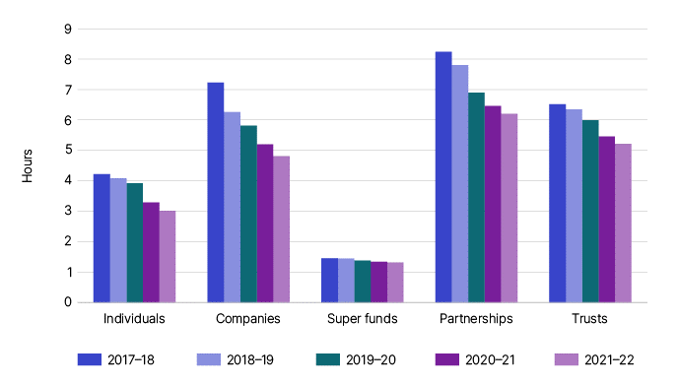

Time to complete income tax return (hours), 2009–10 to 2021–22 income years
Entity |  | Individuals | Companies | Super funds | Partnerships | Trusts
2009–10 | Count | 101,601 | 30,088 | 17,713 | 10,050 | 13,040
2009–10 | Total hrs | 472,939 | 219,945 | 103,267 | 86,832 | 86,316
2010–11 | Count | 106,568 | 29,378 | 18,177 | 8,646 | 12,808
2010–11 | Total hrs | 492,657 | 209,749 | 111,907 | 76,408 | 82,344
2011–12 | Count | 110,145 | 31,280 | 17,600 | 7,995 | 12,190
2011–12 | Total hrs | 506,362 | 250,234 | 107,901 | 69,947 | 89,405
2012–13 | Count | 108,815 | 32,015 | 15,320 | 8,215 | 12,460
2012–13 | Total hrs | 507,875 | 225,905 | 74,922 | 70,022 | 90,526
...

20
Taxation Statistics 2021–22: Cost of managing tax affairs, 2017–18 to 2021–22 income years
CHART DATA
Cost of managing tax affairs labels | 2017–18 | 2018–19 | 2019–20 | 2020–21 | 2021–22 | %
Interest charged by ATO | 303 | 342 | 310 | 312 | 413 | 16.6%
Litigation costs | 24 | 22 | 20 | 18 | 20 | 0.8%
Other expenses incurred in managing your tax affairs | 1,986 | 1,978 | 1,971 | 1,978 | 2,059 | 82.6%
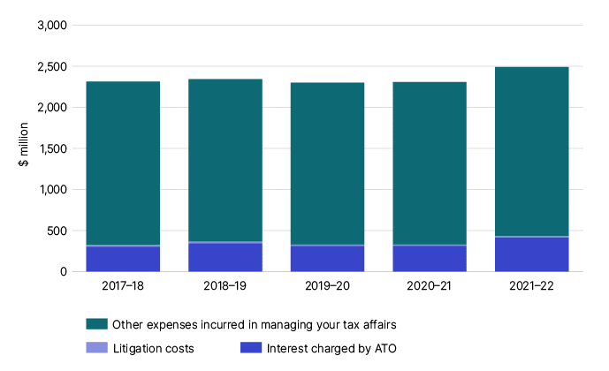

Notes
1 | Number of individuals does not include data from the tax return where the taxpayer has claimed the cost of managing tax affairs under a different label.
2 | Cost of managing tax affairs includes expenses incurred in managing tax affairs, any interest charge we imposed and other costs. For more information see individual tax return instructions.

Cost of managing tax affairs for individuals, 2005–06 to 2016–17 income years
Income year | Individuals1 no. | Total cost of managing tax affairs2 $m | Average cost of managing tax affairs2 $ | Median cost of managing tax affairs2 $
2005–06 | 5,219,830 | 1,312 | 251 | na
2006–07 | 5,144,150 | 1,380 | 268 | na
2007–08 | 5,569,723 | 1,679 | 301 | na
2008–09 | 5,734,042 | 1,838 | 320 | na
...

