Responsive Testing
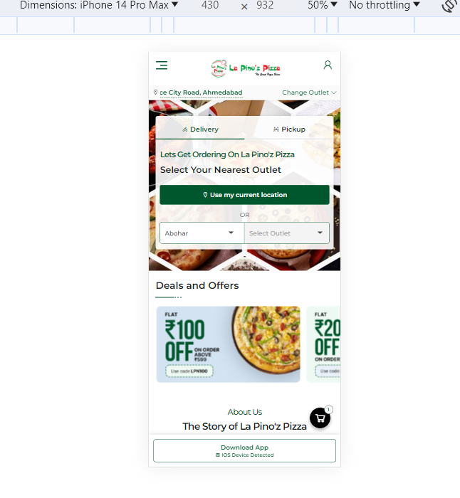
 |  | Desktop
 |  | Tool:- Google Resizer
 |  | This La pino'z Pizza is responsive site in Desktop'
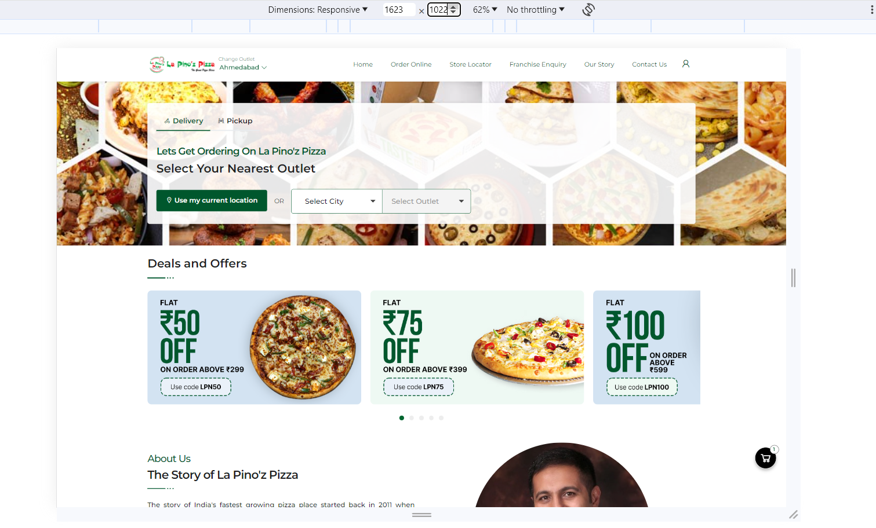

 |  |  | Laptop
 |  |  | Tool:- Google Resizer
 |  |  | La pino'z is responsive site in Laptop

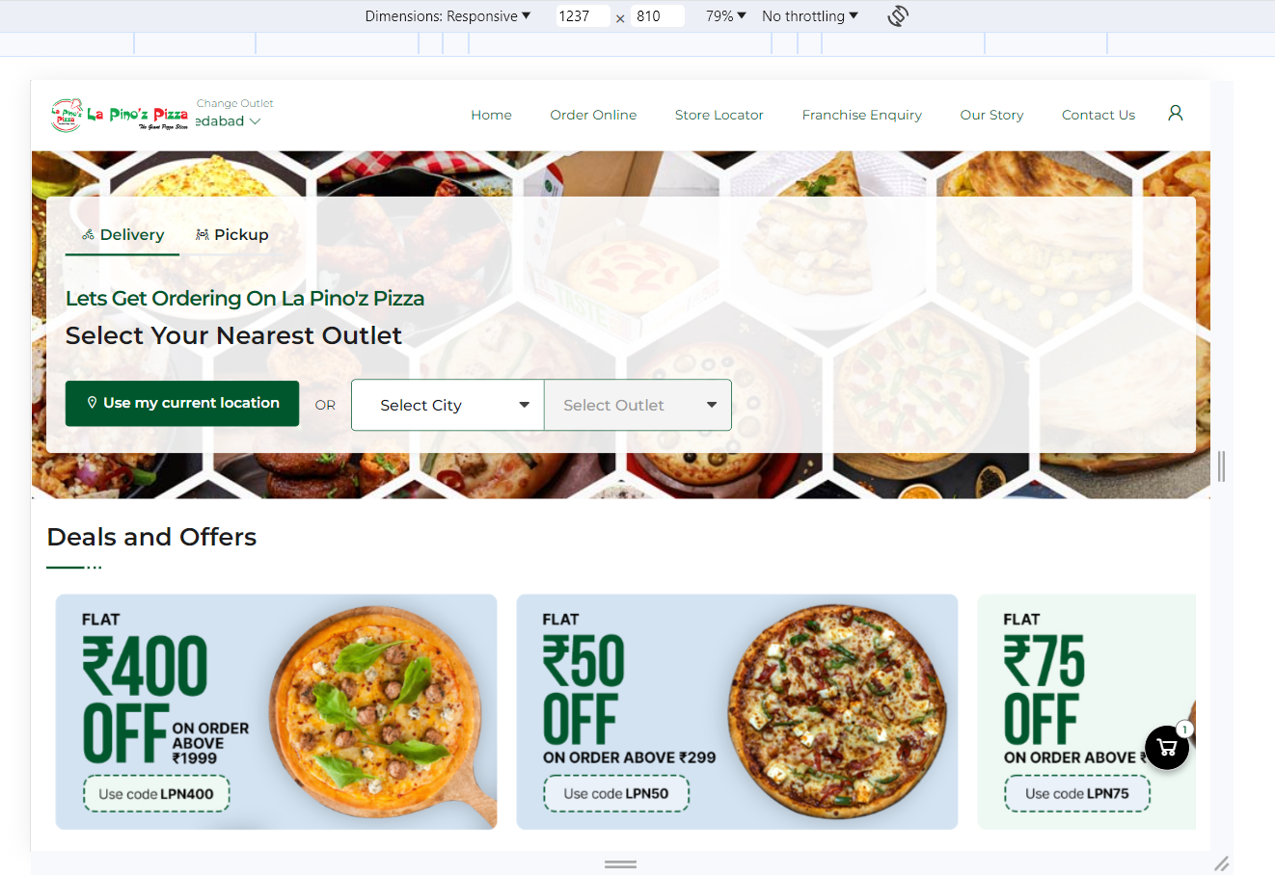

 |  | Tablet
 |  | Tool:- Google Resizer
 |  | La pino'z pizza site is responsive in Tablte

 | 

 |  | Mobile
 |  | Tool:- Google Resizer
 |  | This La pino'z pizza site is responsive in Mobile

