n_estimators
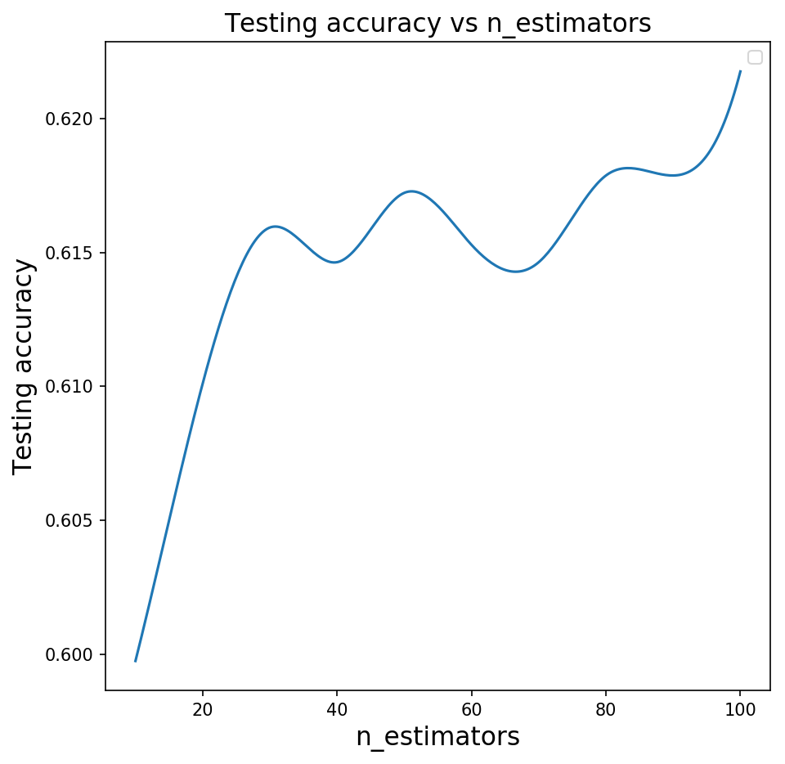
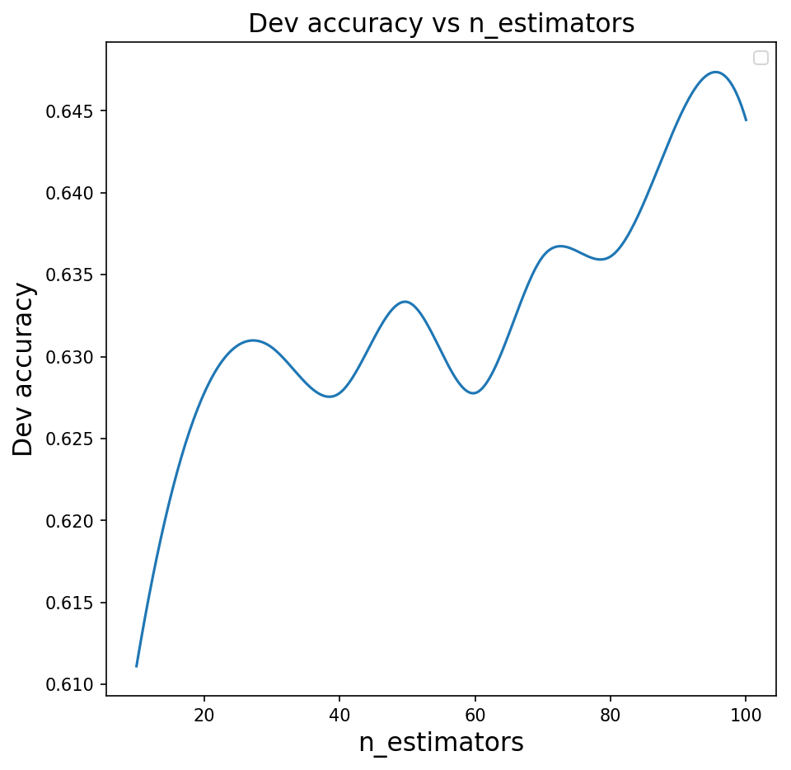
max_features | max_depth | criterion | min_samples_leaf | min_samples_split | bootstrap | n_estimators | Precision | recall | F1 | Train Accuracy | Test Accuracy | Dev Accuracy | Time
log2 | None | gini | 1 | 2 | TRUE | 10 | 0.706806 | 0.399408 | 0.510397 | 0.948148 | 0.599741 | 0.611111 | 1.527694
 |  |  |  |  |  | 20 | 0.743455 | 0.420118 | 0.536862 | 0.983642 | 0.610104 | 0.627778 | 2.103511
 |  |  |  |  |  | 30 | 0.737624 | 0.440828 | 0.551852 | 0.993827 | 0.615933 | 0.630556 | 2.998105
 |  |  |  |  |  | 40 | 0.712121 | 0.41716 | 0.526119 | 0.997531 | 0.614637 | 0.627778 | 4.003864
 |  |  |  |  |  | 50 | 0.745098 | 0.449704 | 0.560886 | 0.998148 | 0.617228 | 0.633333 | 5.61473
 |  |  |  |  |  | 60 | 0.733668 | 0.431953 | 0.543762 | 0.999074 | 0.615285 | 0.627778 | 7.241335
 |  |  |  |  |  | 70 | 0.719626 | 0.455621 | 0.557971 | 0.999691 | 0.614637 | 0.636111 | 7.6074
 |  |  |  |  |  | 80 | 0.722488 | 0.446746 | 0.552102 | 0.999691 | 0.617876 | 0.636111 | 8.962361
 |  |  |  |  |  | 90 | 0.746411 | 0.461538 | 0.570384 | 1 | 0.617876 | 0.644444 | 9.480747
 |  |  |  |  |  | 100 | 0.736111 | 0.470414 | 0.574007 | 0.999691 | 0.621762 | 0.644444 | 11.208945
 |  |  |  |  |  | 200 | 0.730769 | 0.449704 | 0.556777 | 1 | 0.621114 | 0.636111 | 18.596219
 |  |  |  |  |  | 500 | 0.725118 | 0.452663 | 0.557377 | 1 | 0.620466 | 0.638889 | 47.842952
 |  |  |  |  |  | 1000 | 0.733333 | 0.455621 | 0.562044 | 1 | 0.618523 | 0.641667 | 116.872005

