Denormalised
Original ERD Diagram

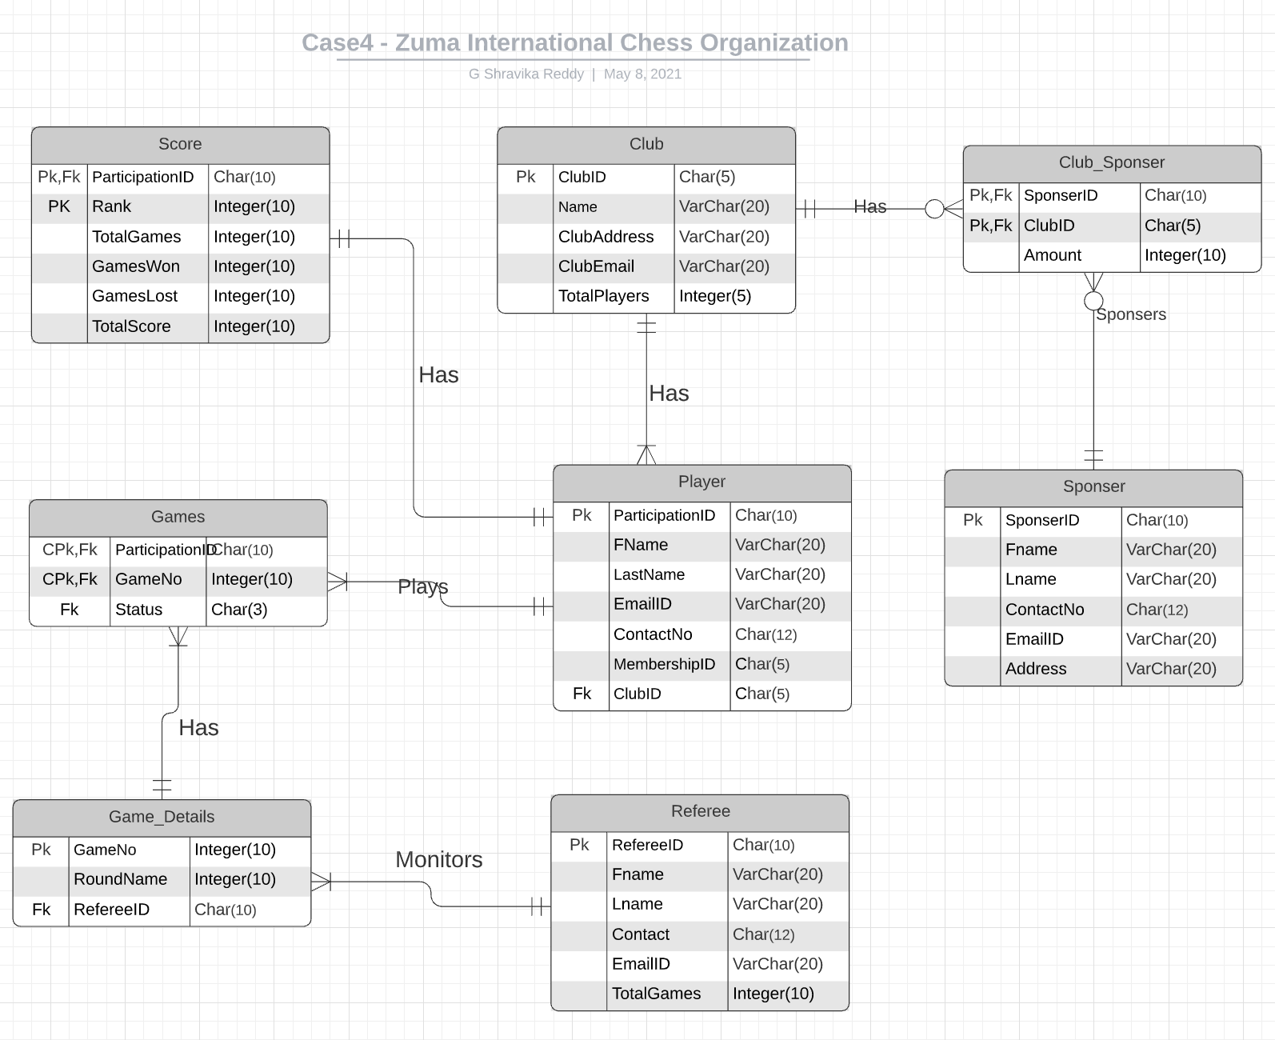

Tables without Data

 | Note : Flat file is in the next sheet, This is just raw data in tables

 | Player |  |  |  |  |  |  | Score |  |  |  |  |  | Club |  |  |  |  | Club_Sponser |  |  | Sponser |  |  |  |  |  | Games |  |  | Game_details |  |  | Referee
 | ParticipationID | Fname | LastName | EmailID | ContactID | MembershipID | ClubID | ParticipantID | Rank | Total games | Games Won | Games Lost | Total Score | ClubID | Name | ClubAddress | ClubEmail | TotalPlayers | SponserID | ClubID | Amount | Sponser ID | Fname | LastName | EmailID | Contact | Address | ParticipantID | GameNo | Winner | GameNo | RoundName | Referee | RefereeID | Fname | LastName | EmailID | Contact | NoOF Games
 | P0001 | Alisha | Das | Alisha@gmail.com | 4693534249 | M0001 | C001 | P0001 | 1 | 12 | 12 | 0 | 24 | C0001 | Richardson Royal Club | 2525 Raleigh Dr, Richardson, TX, 75080 | Richardson@awc.com | 3 | s0001 | c0001 | 500 | s0001 | Akhila |  | Akhila@ipm.com | 459-357-7890 | 2525 Raleigh Dr, Richardson, TX, 75080 | P0001 | 1,11,7 | yes | 1 | Ist Round | R0001 | R0001 | Hanna | PP | Hanna@rid.com | 353-678-9876 | 2
 | P0002 | Akhil | Reddy | Akhil@gmail.com | 4693534250 | M0002 | C002 | P0002 | 2 | 12 | 11 | 1 | 23 | C0002 | Irving Platinum Club | 2345 Royal Ln, Irving, TX, 75068 | Irving@awc.com | 6 | s0002 | c0002 | 500 | s0002 | Apoorva | Reddy | Apoorva@ipm.com | 459-357-7891 | 2345 Royal Ln, Irving, TX, 75068 | P0002 | 2,9 | yes | 2 | Ist Round | R0002 | R0002 | Jules | verma | Jules@rid.com | 353-678-9877 | 2
 | P0003 | Cindy | Wen | Cindy@gmail.com | 4693534251 | M0003 | C003 | P0003 | 3 | 12 | 10 | 2 | 22 | C0003 | Dallas Siver pro Club | 2567 W campbell Rd, Dallas, TX, 75063 | Dallas@awc.com | 7 | s0003 | c0003 | 500 | s0003 | Ankit | M | Ankit@ipm.com | 459-357-7892 | 2567 W campbell Rd, Dallas, TX, 75063 | P0003 | 3,8,10 | yes | 3 | Ist Round | R0003 | R0003 | Sandy | Mittal | Sandy@rid.com | 353-678-9878 | 7
 | P0004 | Pavan | kalyan | Pavan@gmail.com | 4693534252 | M0004 | C004 | P0004 | 4 | 12 | 9 | 3 | 21 | C0004 | San Antonio Titans Club | 56 E Dallas St, San Antonio, TX, 65789 | San.Antonio@awc.com | 8 | s0004 | c0004 | 600 | s0004 | Sireesha | PP | Sireesha@ipm.com | 459-357-7893 | 56 E Dallas St, San Antonio, TX, 65789 | P0004 | 4,13,14 | yes | 4 | Ist Round | R0004 | R0004 | rosy | Vikram | rosy@rid.com | 353-678-9879 | 3
 | P0005 | Mahesh | babu | Mahesh@gmail.com | 4693534253 | M0005 | C005 | P0005 | 5 | 12 | 8 | 4 | 20 | C0005 | Houston Lions Club | 3456 Main Street, Houston, TX, 67489 | Houston@awc.com | 2 | s0005 | c0005 | 600 | s0005 | Aprajita | verma | Aprajita@ipm.com | 459-357-7894 | 3456 Main Street, Houston, TX, 67489 | P0005 | 5,14,24 | yes | 5 | Ist Round | R0005 | R0005 | pooja | Kumar | pooja@rid.com | 353-678-9880 | 4
 | P0006 | Ravi | teja | Ravi@gmail.com | 4693534254 | M0006 | C006 | P0006 | 6 | 12 | 7 | 5 | 19 | C0006 | Newark Liiter Club | 25 Rachin boulvd, Newark, NJ, 45939 | Newark@awc.com | 4 | s0001 | c0006 | 600 | s0006 | Roli | Mittal | Roli@ipm.com | 459-357-7895 | 25 Rachin boulvd, Newark, NJ, 45939 | P0006 | 6 | No | 6 | Ist Round | R0006 | R0006 | teja | p | teja@rid.com | 353-678-9881 | 5
 | P0007 | Ram | Charan | Ram@gmail.com | 4693534255 | M0007 | C001 | P0007 | 7 | 12 | 6 | 6 | 18 | C0007 | New Jersy Patriot Club | 4564 Bush Blvd, Edison, NJ, 45978 | New.Jersy@awc.com | 5 | s0002 | c0007 | 700 | s0007 | Shardul | Vikram | Shardul@ipm.com | 459-357-7896 | 4564 Bush Blvd, Edison, NJ, 45978 | P0007 | 7 | No | 7 | 2nd Round | R0007 | R0007 | Roy | Kumar | Roy@rid.com | 353-678-9882 | 2
 | P0008 | Allu | Arjun | Allu@gmail.com | 4693534256 | M0008 | C002 | P0008 | 8 | 12 | 6 | 6 | 17 | C0008 | New York Club | 30th Street, New York, NY, 35487 | New.York@awc.com | 6 | s0003 | c0008 | 700 | s0008 | Praveen | Kumar | Praveen@ipm.com | 459-357-7897 | 30th Street, New York, NY, 35487 | P0008 | 8 | No | 8 | 2nd Round | R0008 | R0008 | Ben | Mallela | Ben@rid.com | 353-678-9883 | 2
 | P0009 | Guiseppe | Boticello | Guiseppe@gmail.com | 4693534257 | M0009 | C003 | P0009 | 9 | 11 | 5 | 6 | 16 | C0009 | las Vegas Practical Club | 345 W Evans St, Las Vegas, NV, 64923 | Las.vegas@awc.com | 7 | s0004 | c0009 | 700 | s0009 | Vikas | p | Vikas@ipm.com | 459-357-7898 | 345 W Evans St, Las Vegas, NV, 64923 | P0009 | 9 | yes | 9 | 2nd Round | R0009 | R0009 | Ross | Puli | Ross@rid.com | 353-678-9884 | 7
 | P0010 | Mariana | ann | Mariana@gmail.com | 4693534258 | M0010 | C004 | P0010 | 10 | 11 | 5 | 6 | 15 | C0010 | Oaklahama Relay Club | 67th peir, OklohomaCity, OK, 56734 | Oklahoma@awc.com | 2 | s0005 | c0010 | 800 | s0010 | Sri |  | Sri@ipm.com | 459-357-7899 | 67th peir, OklohomaCity, OK, 56734 | P0010 | 1 | yes | 10 | 2nd Round | R0001 | R0010 | Monica | Mogali | Monica@rid.com | 353-678-9885 | 3
 | P0011 | Pavan | Kumar | Pavan@gmail.com | 4693534259 | M0011 | C005 | P0011 | 11 | 11 | 5 | 6 | 14 | C0011 | Kansas Rangers Club | 786 W Market Blvd, Kansas City, KS, 78650 | kansas.City@awc.com | 3 | s0006 | c0001 | 800 | s0011 | Srlakshmi |  | Srlakshmi@ipm.com | 459-357-7900 | 786 W Market Blvd, Kansas City, KS, 78650 | P0011 | 2,23 | yes | 11 | 2nd Round | R0002 | R0011 | Shedon |  | Shedon@rid.com | 353-678-9886 | 4
 | P0012 | Madhuri | Mallela | Madhuri@gmail.com | 4693534260 | M0012 | C006 | P0012 | 12 | 11 | 4 | 7 | 13 | C0012 | Alexandria Archers Club | 600 N Debrik Dr, Alexandria, AL, 98709 | Alexandria.atlanta@awc.com | 4 | s0007 | c0002 | 800 | s0012 | Alan | das | Alan@ipm.com | 459-357-7901 | 600 N Debrik Dr, Alexandria, AL, 98709 | P0012 | 3 | draw | 12 | 2nd Round | R0003 | R0012 | Leonard |  | Leonard@rid.com | 353-678-9887 | 5
 | P0013 | Praths | Puli | Praths@gmail.com | 4693534261 | M0013 | C001 | P0013 | 13 | 11 | 4 | 7 | 12 | C0013 | San Diego Sunset Club | 90 Royal W Lane, San Deigo, CA, 76543 | San.deigo@awc.com | 5 | s0008 | c0003 | 900 | s0013 | Pinky | reddy | Pinky@ipm.com | 459-357-7902 | 90 Royal W Lane, San Deigo, CA, 76543 | P0013 | 4 | draw | 13 | 2nd Round | R0004 | R0013 | Penny |  | Penny@rid.com | 353-678-9888 | 6
 | P0014 | kalyani | Mogali | kalyani@gmail.com | 4693534262 | M0014 | C002 | P0014 | 14 | 11 | 4 | 7 | 11 | C0014 | Philadelphia Phasers Club | 635 Erie Dr, Philadelphia, PA, 65489 | Philadelphia@awc.com | 6 | s0009 | c0004 | 900 | s0014 | satya | Dev | satya@ipm.com | 459-357-7903 | 635 Erie Dr, Philadelphia, PA, 65489 | P0014 | 5 | yes | 14 | 2nd Round | R0005 | R0014 | Lisa | singh | Lisa@rid.com | 353-678-9889 | 2
 | P0015 | Kavya | pakala | Kavya@gmail.com | 4693534263 | M0015 | C003 | P0015 | 15 | 11 | 4 | 7 | 10 | C0015 | Pittsburg Potus Club | 786 Royal Venkat St, Pittsburg, PA, 56789 | Pittsburg@awc.com | 2 | s0010 | c0005 | 900 | s0015 | Vishnu | Teja | Vishnu@ipm.com | 459-357-7904 | 786 Royal Venkat St, Pittsburg, PA, 56789 | P0015 | 6,34 | No | 15 | 2nd Round | R0006 | R0015 | Marissa | patil | Marissa@rid.com | 353-678-9890 | 8
 | P0016 | Arthy | reddy | Arthy@gmail.com | 4693534264 | M0016 | C004 | P0016 | 16 | 10 | 3 | 7 | 9 | C0016 | Edison Engagement Club | 89 Highland Blvd, Edison, NJ, 45678 | Edison@awc.com | 3 | s0006 | c0006 | 1000 | s0016 | Teja | MB | Teja@ipm.com | 459-357-7905 | 89 Highland Blvd, Edison, NJ, 45678 | P0016 | 7 | No | 16 | 2nd Round | R0007 | R0016 | Roja |  | Roja@rid.com | 353-678-9891 | 3
 | P0017 | Bobby | Reddy | Bobby@gmail.com | 4693534265 | M0017 | C005 | P0017 | 17 | 10 | 2 | 8 | 8 | C0017 | Raleigh Red Rangers Club | 78 Lowrail St, Raleigh, NC, 78654 | Raleigh@awc.com | 4 | s0007 | c0007 | 1000 | s0017 | Utkarsh | Kohli | Utkarsh@ipm.com | 459-357-7906 | 78 Lowrail St, Raleigh, NC, 78654 | P0017 | 8 | No | 17 | QuaterFInal | R0008 | R0017 | Tony | rajput | Tony@rid.com | 353-678-9892 | 4
 | P0018 | Pinky | singh | Pinky@gmail.com | 4693534266 | M0018 | C006 | P0018 | 18 | 10 | 1 | 9 | 7 | C0018 | Durham Dare Devils Club | 69 Spectacular Lane, Durham, NC, 67854 | Durham@awc.com | 5 | s0008 | c0008 | 1000 | s0018 | Robin |  | Robin@ipm.com | 459-357-7907 | 69 Spectacular Lane, Durham, NC, 67854 | P0018 | 9 | No | 18 | QuaterFInal | R0009 | R0018 | Bob |  | Bob@rid.com | 353-678-9893 | 5
 | P0019 | Anusha | patil | Anusha@gmail.com | 4693534267 | M0019 | C001 | P0019 | 19 | 10 | 1 | 9 | 6 | C0019 | Columbus Caring Club | 235 Wonder Park Ln, Columbus, OH, 45890 | Columbus@awc.com | 6 | s0009 | c0009 | 1000 | s0019 | Rishi |  | Rishi@ipm.com | 459-357-7908 | 235 Wonder Park Ln, Columbus, OH, 45890 | P0019 | 10 | No | 19 | SemiFinal | R0003 | R0019 | Alice |  | Alice@rid.com | 353-678-9894 | 6
 | P0020 | Prithvi | raj | Prithvi @gmail.com | 4693534268 | M0020 | C002 | P0020 | 20 | 10 | 1 | 9 | 5 | C0020 | Seattle Sailing Club | 67 Reverret St, Seattle, Washington, 65890 | Seattle@awc.com | 7 | s0010 | c0010 | 1000 | s0020 | lakshmi |  | lakshmi@ipm.com | 459-357-7909 | 67 Reverret St, Seattle, Washington, 65890 | P0020 | 11, | No | 20 | Final | R0001 | R0020 | shri |  | shri@rid.com | 353-678-9895 | 7

ERD
(5)Initial ERD VS Final ERD |  | Final ERD

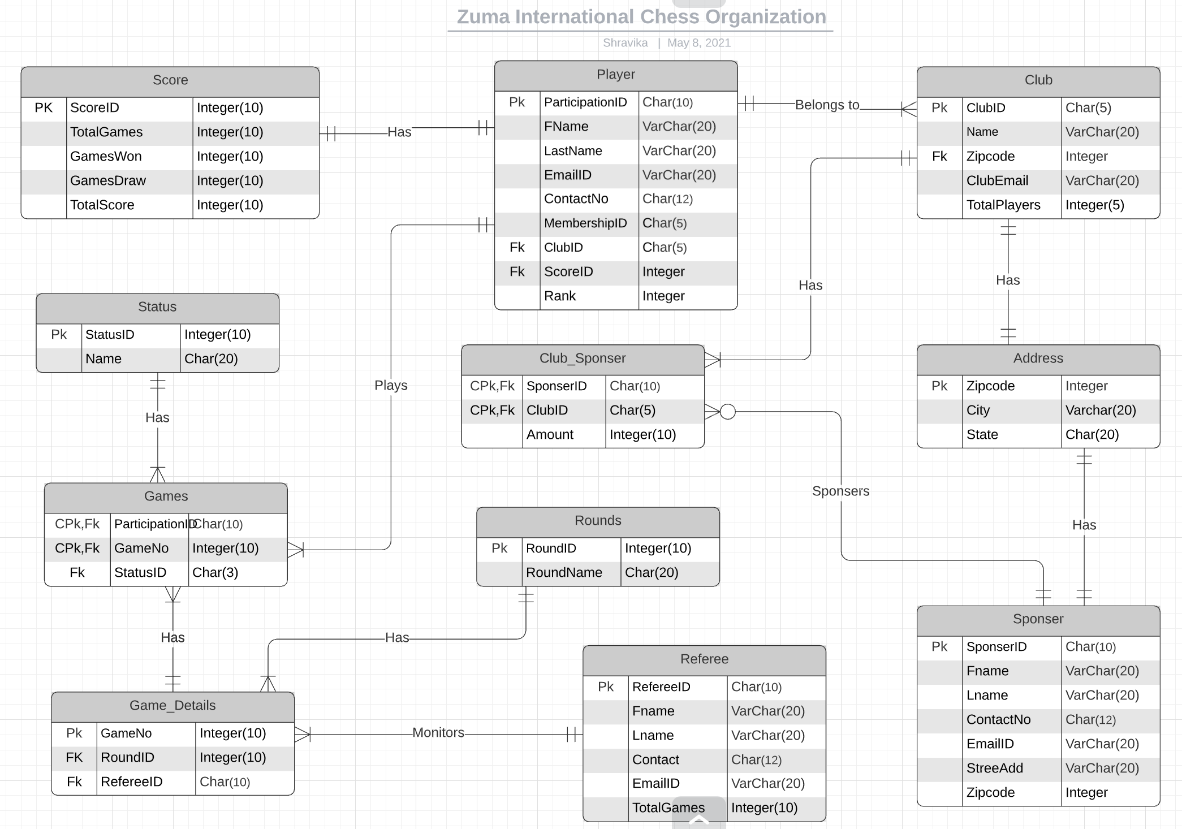

(6) Compare with your first ERD and second ERD after the normalization do you see difference? Why ?

 | Yes, There is Difeerence in ERD after normalisation.
 | We get structured data eliminating all the redundant attributes and data.
 | Hence data integrity can be easily achieved

