SATELLITE BLOCK DIAGRAM
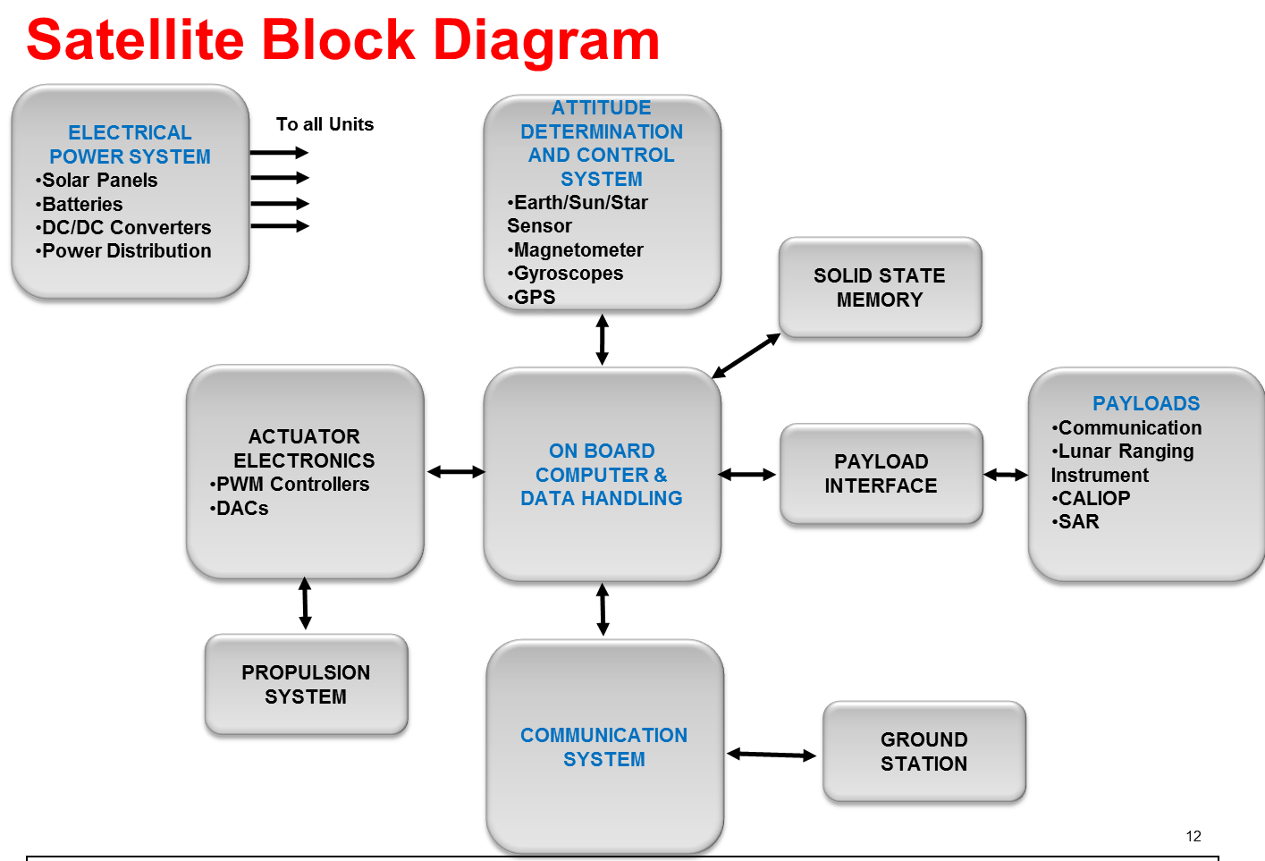

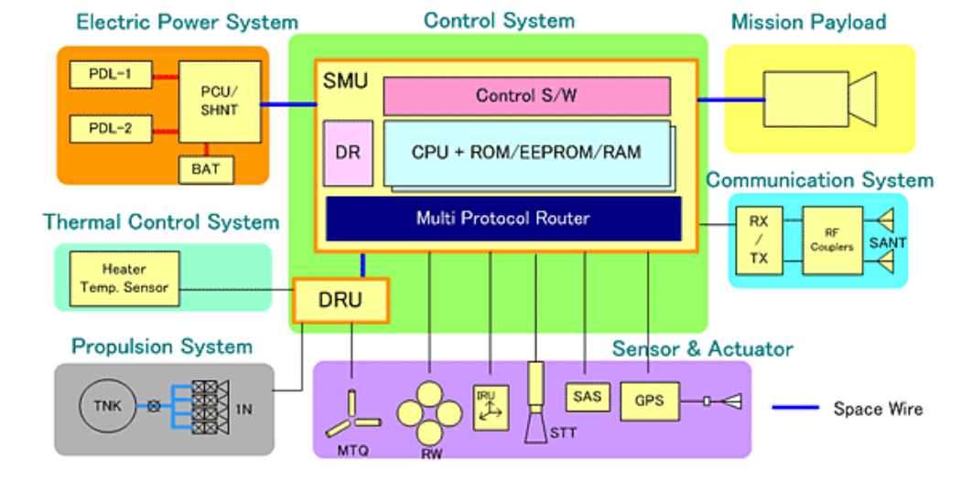

SIGNAL CHAIN DIAGRAM
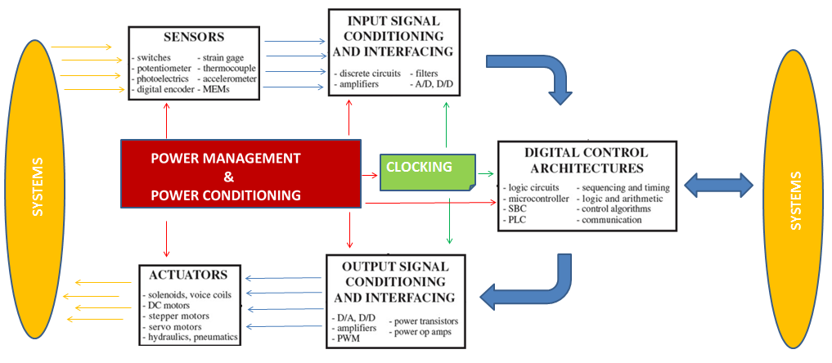

doEEEt TAXONOMY NETWORK
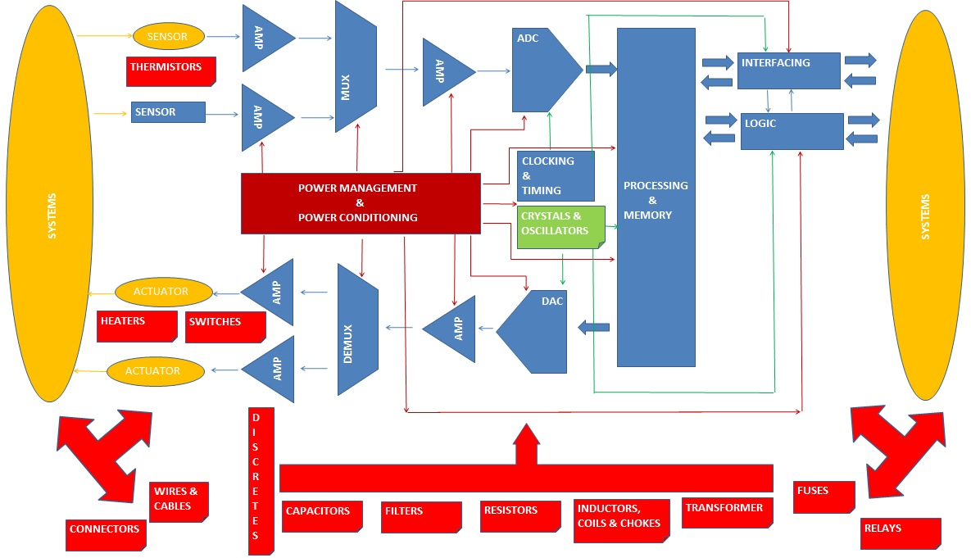

BLUE AND BROWN COLOURS: ARE BLOCKS BELONGING TO MICROCIRCUITS FAMILY

DUMMY
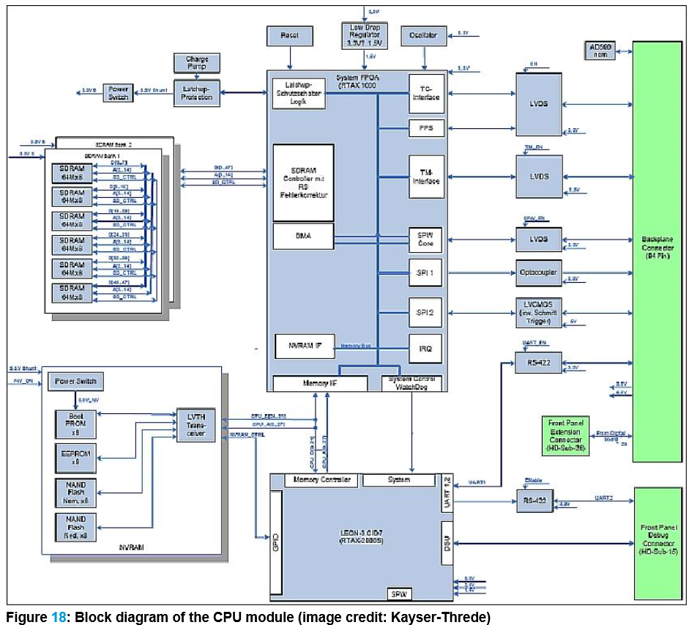

OBC (ON BOARD COMPUTER) OR CDPU (CONTROL AND DATA PROCESSING UNIT) | CLOCKING SYSTEM | MICROCIRCUITS | CLOCK
 |  |  | CLOCK DISTRIBUTOR
 |  |  | TIMER
 |  | CRYSTAL & OSCILLATOR | CRYSTAL
 |  |  | OCXO
 |  | DISCRETES
 |  | RESISTORS | FILM | CHIP
 |  | CAPACITORS
 | DIGITAL ARQUITECTURES | MICROCIRCUITS | FPGA
 |  |  | MEMORIES | SDRAM
 |  |  | DRIVERS
 |  |  | RECEIVERS
 |  |  | LOGIC
 |  |  | OPTOCOUPLER
 |  |  | PROCESSOR | MICROPROCESSOR
 |  | DISCRETES | DIODE | ZENER
 |  | RESISTORS
 |  | CAPACITORS
 | POWER MANAGEMENT & CONDITIONING | MICROCIRCUITS | LINEAR REGULATOR
 |  |  | MOSFET DRIVER
 |  |  | VOLTAGE REFERENCE
 |  |  | SUPERVISORY VOLTAGE
 |  | DISCRETES | TRANSISTOR | N CHANNEL

 |  | RESISTORS | PRECISION
 |  |  | WIRE WOUND | POWER
 |  | INDUCTORS, COILS & CHOKES | INDUCTOR | FIXED | CHIP
 |  | CAPACITORS | TANTALUM

