R1. OECD tax rate by sector
R1. OECD effective taxation rate by sector
Source: | Workings based on Taxing Energy Use, OECD 2018
Link: | https://vivideconomics.sharepoint.com/:x:/s/projects/171211HSB/Ea4IocmuTJlPsU_yJpxO8bwB-kt1QiUaCKG0r4ww95N1Ng?e=ltlDqL
Date: | 2018-03-08

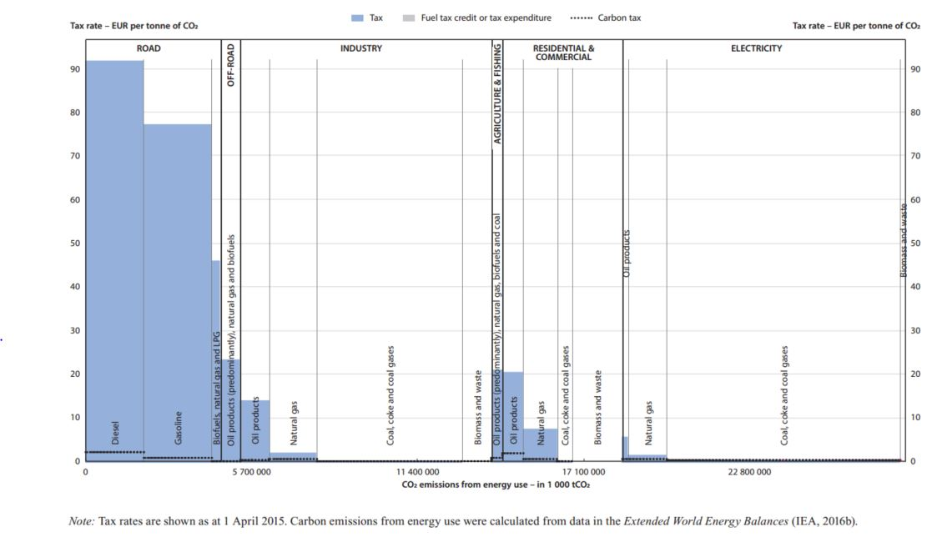
Sector | Fuel included in calculations | Fuel | Emissions (MtCO2) | Tax rate (EUR 2015/tCO2) | Tax rate * emissions
Road | Y | Diesel | 1,939.00 | 92.00 | 178,388.00
Road | Y | Gasoline | 2,331.00 | 77.30 | 180,186.30
Road | Y | Biofuels, natural gas and LPG | 240.00 | 46.00 | 11,040.00
Off-road | Y | Oil products (predominantly), natural gas and biofuels | 654.00 | 23.30 | 15,238.20
Industry | Y | Oil products | 980.00 | 14.00 | 13,720.00
Industry | Y | Natural gas | 1,568.00 | 1.90 | 2,979.20
Industry | Y | Coal, coke and coal gases | 5,032.00 | 0.10 | 503.20
Industry | N | Biomass and waste | 1,002.00 | 0.10 | 100.20
Agriculture & fishing | Y | Oil products (predominantly), natural gas, biofuels and coal | 392.00 | 21.00 | 8,232.00
Residential & Commercial | Y | Oil products | 697.00 | 20.50 | 14,288.50
Residential & Commercial | Y | Natural gas | 1,155.00 | 7.40 | 8,547.00
Residential & Commercial | Y | Coal, coke and coal gases | 523.00 | 0.10 | 52.30
Residential & Commercial | N | Biomass and waste | 1,699.00 | 0.10 | 169.90
Electricity | Y | Oil products | 152.00 | 5.50 | 836.00
Electricity | Y | Natural gas | 1,351.00 | 1.30 | 1,756.30
Electricity | Y | Coal, coke and coal gases | 8,038.00 | 0.40 | 3,215.20
Electricity | N | Biomass and waste | 196.00 | - | -

Aggregate |  | - | 27,949.00

R3. ETS carbon prices
R3. Emissions trading scheme and cap and trade scheme carbon prices
Source: | Workings based on States and trends in carbon pricing, World Bank 2017
Link: | https://vivideconomics.sharepoint.com/:x:/s/projects/171211HSB/EbqcbKZqAk9LoFzdh4T6Y7EBDj9STQ-QQ9kbA4rE0WG05Q?e=ERlKPn
Date: | 2018-03-08

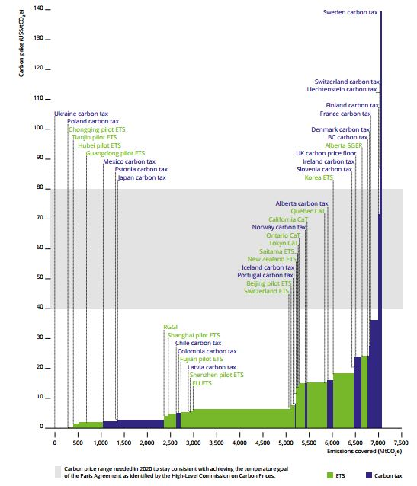
Cleaned data
ISO code | Country | Emissions covered (MtCO2) | Tax rate (EUR 2015/tCO2)
CHN | China | 1,188.00 | 3.22
USA | US | 534.00 | 12.02
CHE | Switzerland | 3.00 | 6.13
EU | EU | 2,101.00 | 5.68
NZL | New Zealand | 25.00 | 9.47
JPN | Japan | 61.00 | 12.17
CAN | Canada | 419.00 | 16.43
KOR | Korea | 453.00 | 16.59

Raw data
ISO code | Country | Country / region | Emissions covered (MtCO2) | Tax rate (US$ 2017/tCO2) | Tax rate (EUR 2017/tCO2) | Tax rate (EUR 2015/tCO2) | Emissions covered * tax rate (EUR 2015 / tCO2)
CHN | China | Chongqing | 3.00 | 1.40 | 1.27 | 1.26 | 3.79
CHN | China | Tianjin | 104.00 | 1.40 | 1.27 | 1.26 | 131.26
CHN | China | Hubei | 1.00 | 1.70 | 1.54 | 1.53 | 1.53
CHN | China | Guangdong | 534.00 | 2.00 | 1.81 | 1.80 | 962.82
CHN | China | Shanghai | 174.00 | 4.70 | 4.25 | 4.24 | 737.26
CHN | China | Fujian | 197.00 | 5.20 | 4.70 | 4.69 | 923.52
CHN | China | Shenzhen | 70.00 | 5.60 | 5.06 | 5.05 | 353.40
CHN | China | Beijing | 105.00 | 7.50 | 6.78 | 6.76 | 709.95
USA | US | RGGI | 93.00 | 4.00 | 3.62 | 3.61 | 335.37
USA | US | California | 441.00 | 15.30 | 13.83 | 13.79 | 6,082.83
- | EU | EU | 2,101.00 | 6.30 | 5.70 | 5.68 | 11,932.79
CHE | Switzerland | Switzerland | 3.00 | 6.80 | 6.15 | 6.13 | 18.39
NZL | New Zealand | New Zealand | 25.00 | 10.50 | 9.49 | 9.47 | 236.65
JPN | Japan | Saitama and Tokyo | 61.00 | 13.50 | 12.20 | 12.17 | 742.40
CAN | Canada | Ontario | 139.00 | 15.00 | 13.56 | 13.52 | 1,879.67
CAN | Canada | Quebec | 141.00 | 15.70 | 14.19 | 14.15 | 1,995.70
CAN | Canada | Alberta | 139.00 | 24.00 | 21.70 | 21.64 | 3,007.47
KOR | Korea | Korea | 453.00 | 18.40 | 16.63 | 16.59 | 7,514.35

R6. OECD tax rate by country
R6. OECD effective taxation rate by country
Source: | Taxing energy use, OECD 2018
Link: | https://vivideconomics.sharepoint.com/:x:/s/projects/171211HSB/EdVWUTG3_N9Mstm-92dwmtEBUOpAnHWdpKzYonNL391MGg?e=0q65j8
Date: | 2018-03-15

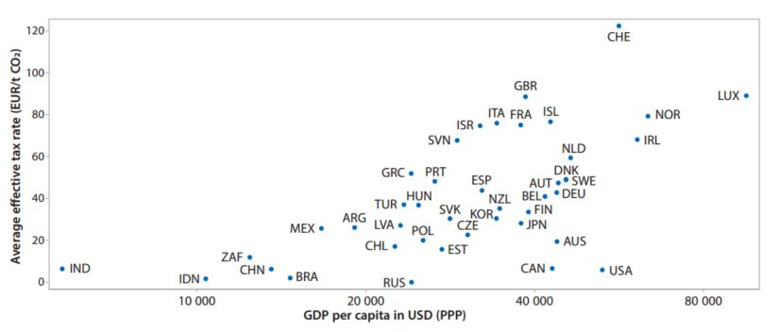
Observation no. | ISO code | Country | GDP PPP | Tax rate (EUR 2015/tCO2)
1 | IND | India | 5,772.33 | 6.62
2 | IDN | Indonesia | 10,395.29 | 1.84
3 | ZAF | South Africa | 12,445.00 | 12.16
4 | CHN | China | 13,577.30 | 6.50
5 | BRA | Brazil | 14,669.99 | 2.23
6 | MEX | Mexico | 16,700.81 | 25.96
7 | ARG | Argentina | 19,160.50 | 26.40
8 | CHL | Chile | 22,542.46 | 17.35
9 | LVA | Latvia | 23,072.06 | 27.41
10 | TUR | Turkey | 23,432.01 | 37.24
11 | GRC | Greece | 24,075.50 | 52.08
12 | RUS | Russia | 24,168.86 | 0.32
13 | HUN | Hungary | 24,832.59 | 37.08
14 | POL | Poland | 25,317.81 | 20.27
15 | PRT | Portugal | 26,572.74 | 48.39
16 | EST | Estonia | 27,355.37 | 16.00
17 | SVK | Slovak Republic | 28,270.25 | 30.55
18 | SVN | Slovenia | 29,102.87 | 67.87
19 | CZE | Czech Republic | 30,368.61 | 22.86
20 | ISR | Israel | 31,997.49 | 74.83
21 | ESP | Spain | 32,246.13 | 43.99
22 | ITA | Italy | 34,239.74 | 76.13
23 | KOR | Republic of Korea | 34,372.51 | 31.70
24 | NZL | New Zealand | 34,639.60 | 35.45
25 | FRA | France | 37,791.26 | 75.23
26 | JPN | Japan | 37,864.47 | 28.31
27 | GBR | UK | 38,529.69 | 88.72
28 | FIN | Finland | 39,055.16 | 33.70
29 | BEL | Belgium | 41,711.18 | 41.18
30 | ISL | Iceland | 42,691.10 | 76.81
31 | CAN | Canada | 43,022.84 | 6.79
32 | AUT | Austria | 43,948.45 | 44.90
33 | AUS | Australia | 43,863.49 | 19.71
34 | DEU | Germany | 45,506.24 | 49.11
35 | SWE | Sweden | 45,506.24 | 49.11
36 | DNK | Denmark | 45,506.24 | 49.11
37 | NLD | Netherlands | 46,305.73 | 59.67
38 | USA | US | 52,818.09 | 6.11
39 | CHE | Switzerland | 56,519.35 | 122.49
40 | IRL | Ireland | 60,949.93 | 68.27
41 | NOR | Norway | 63,600.76 | 79.45
42 | LUX | Luxembourg | 95,119.17 | 89.12

