R1. Credit rating rankings
R1. Credit rating rankings
Source: | Credit rating information on Wikipedia
URL: | https://en.wikipedia.org/wiki/Credit_rating
Date accessed: | 2018-02-18
Units: | N/A
Notes: | Ordinal ranking is used to callibrate mapping between credit ratings and Altman Z-scores

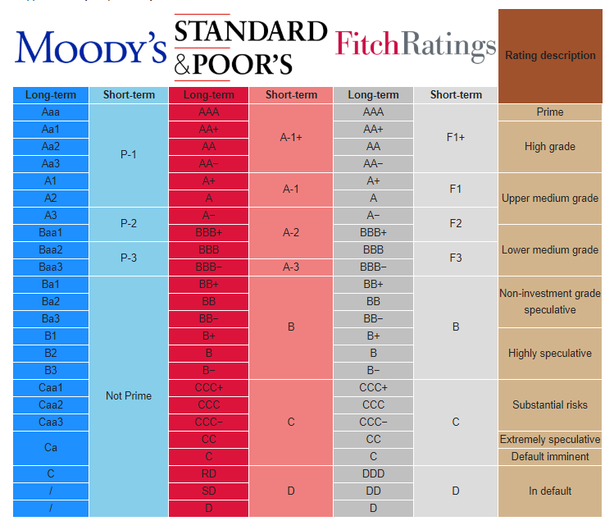
sp_ranking | moody_ranking | sp_rating | moody_rating
1 | 1 | AAA | Aaa
2 | 2 | AA+ | Aa1
3 | 3 | AA | Aa2
4 | 4 | AA- | Aa3
5 | 5 | A+ | A1
6 | 6 | A | A2
7 | 7 | A- | A3
8 | 8 | BBB+ | Baa1
9 | 9 | BBB | Baa2
10 | 10 | BBB- | Baa3
11 | 11 | BB+ | Ba1
12 | 12 | BB | Ba2
13 | 13 | BB- | Ba3
14 | 14 | B+ | B1
15 | 15 | B | B2
16 | 16 | B- | B3
 |  | NORATING | NORATING

